Data Eng..
 | https://medium.com/@julianamarialopes/big-data-on-premise-vs-cloud-computing-uma-vis%C3%A3o-de-mercado-e-guia-inicial-para-estudo-ab06d9824ca6
Big Data | On Premise | Cloud | DATA LAKE and more..
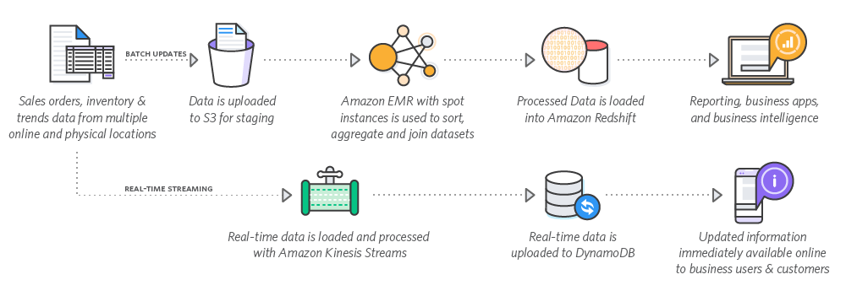
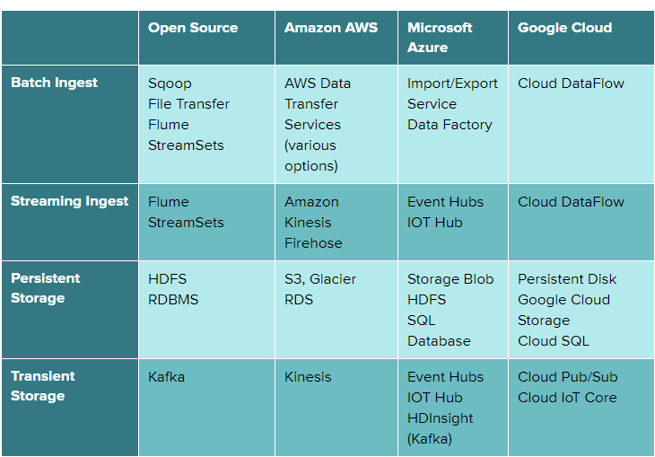
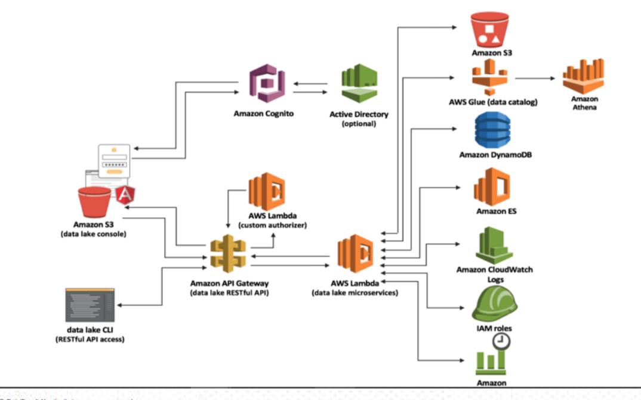

 | https://aws.amazon.com/big-data/use-cases/

 |  |  | DWH
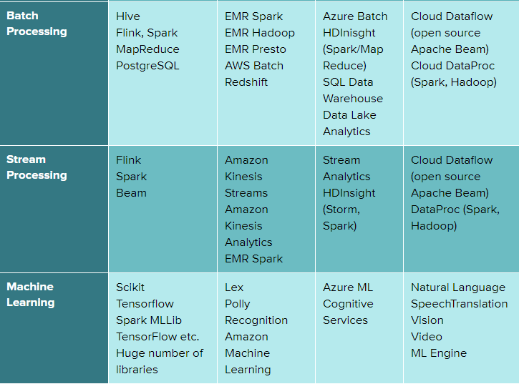

 | Retail data warehouse

 |  |  | Kinesis Data Streams

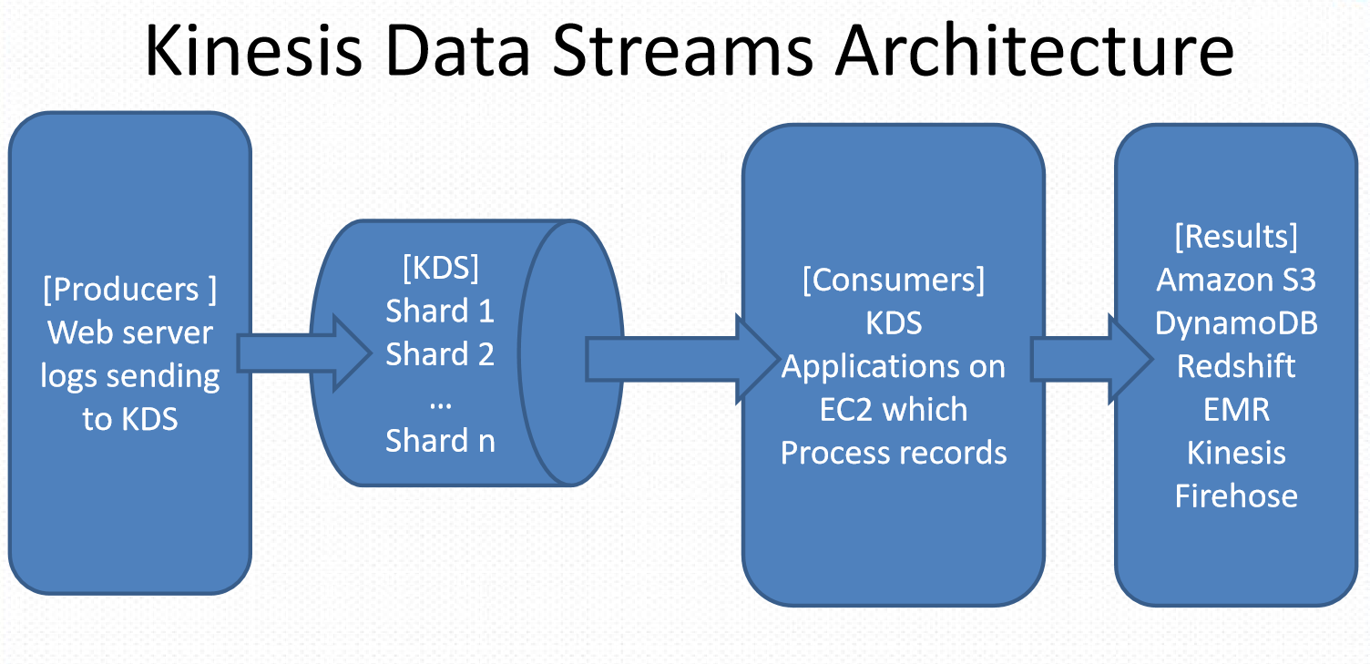

 | Data Warehousing:

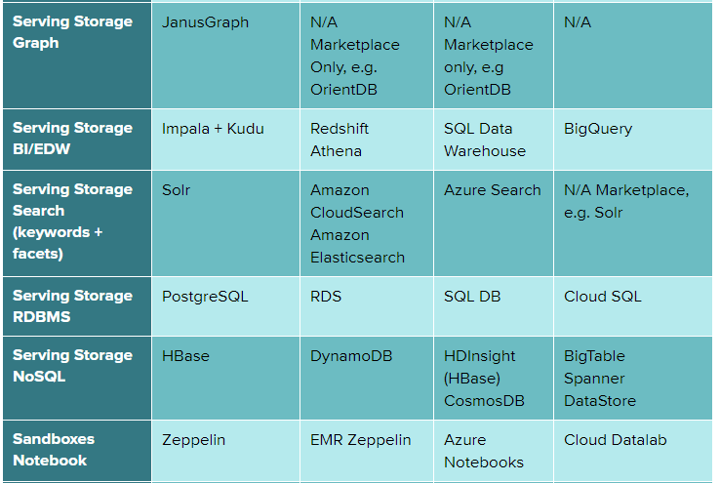

 |  |  | Glue

 | Big Data Pipeline on AWS
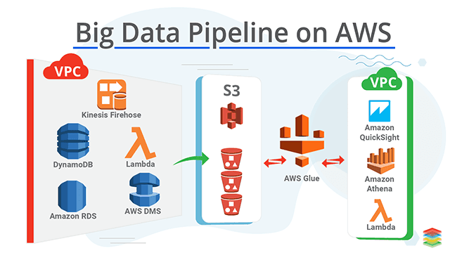

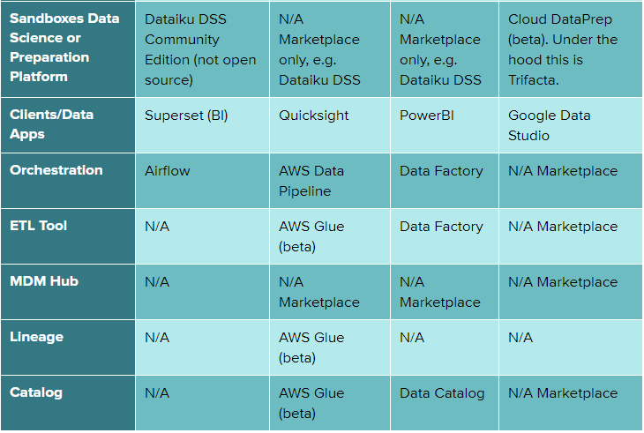

 | EMR

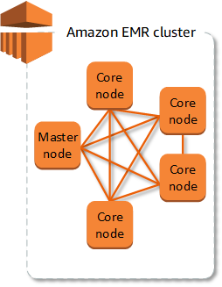

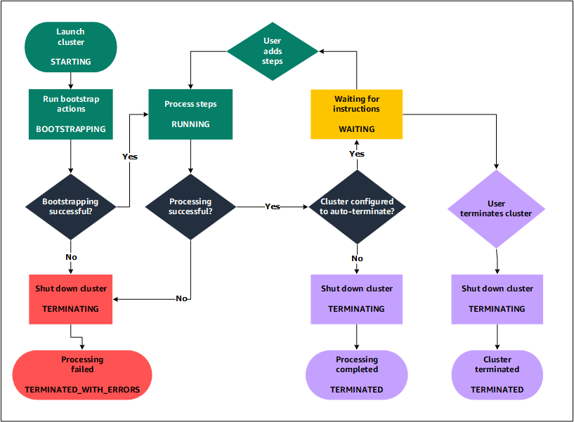

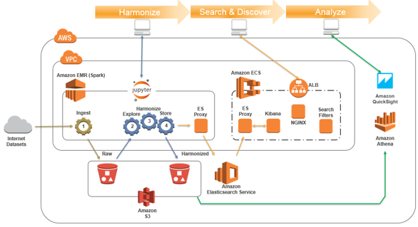

 | https://aws.amazon.com/blogs/big-data/tag/ecs/

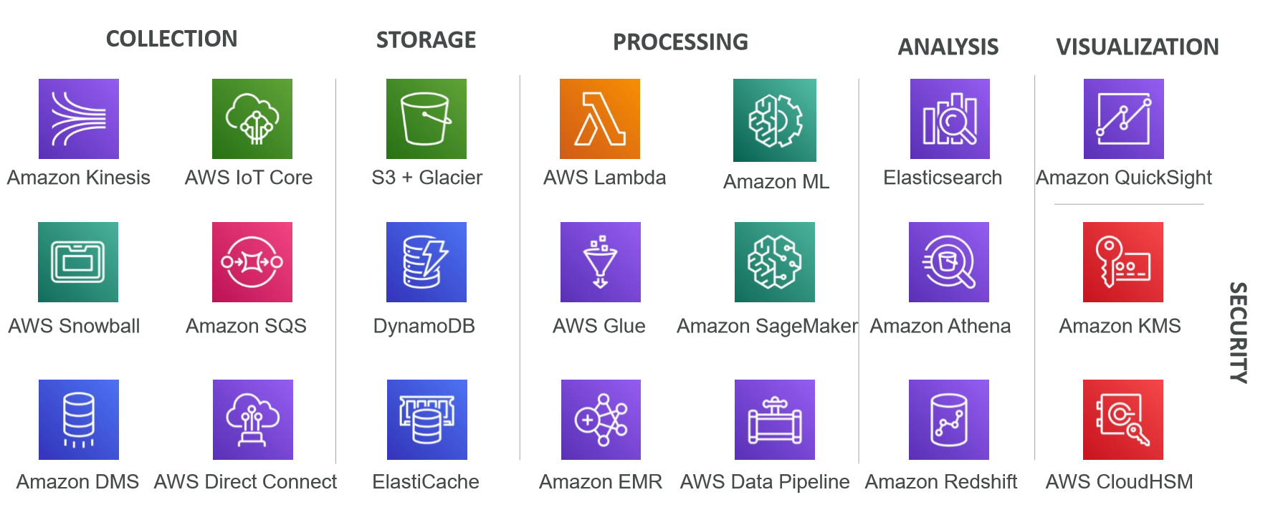
 | BIG DATA STACK:

Collection | Amazon Kinesis
 | AWS snowball
 | Amazon DMS
 | AWS IoT Core
 | Amazon SQS
 | AWS Direct Connect
Storage | S3 + Glacier
 | GynamoDB
 | ElasticCache
Processing | AWS Lambda
 | AWS Glue
 | Amazon EMR
 | Amazon ML
 | Amazon SageMaker
 | AWS Data Pipeline
Analysis | ElasticSearch
 | Amazon Athena
 | Amazon Redshift
Visualization | Amazon QuickSight
Security | Amazon KMS
 | AWS CloudHSM

 | Order history app
 | Product Recommendation
 | Transaction Rate Alarm
 | Near-time Log Analysis
 | 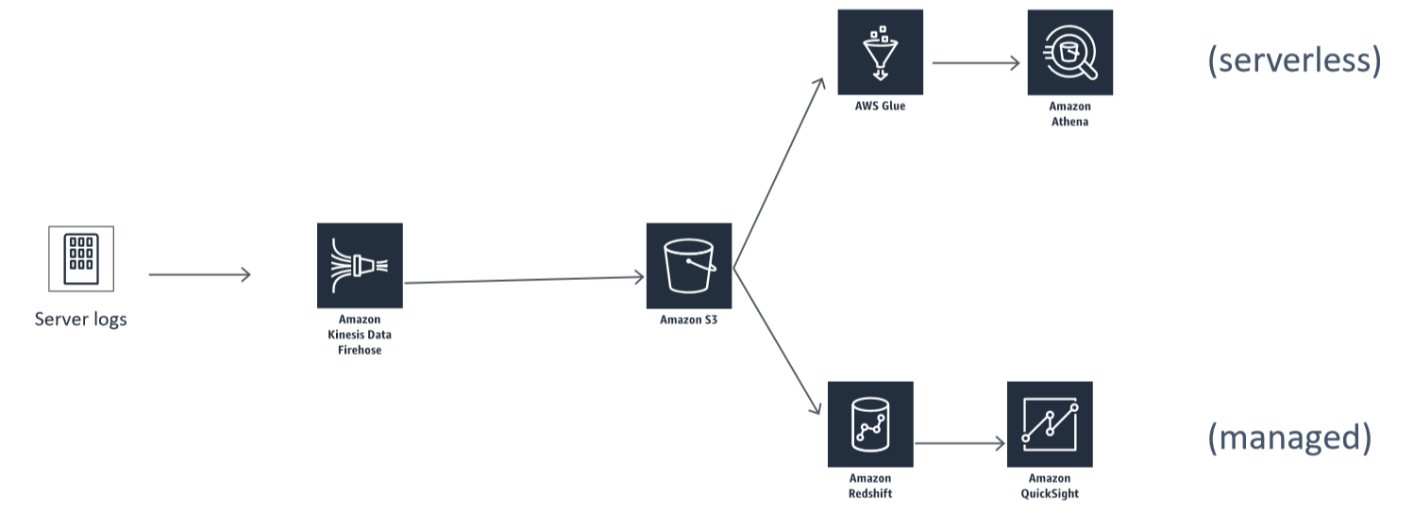 Data Warehousing Visualization
 | 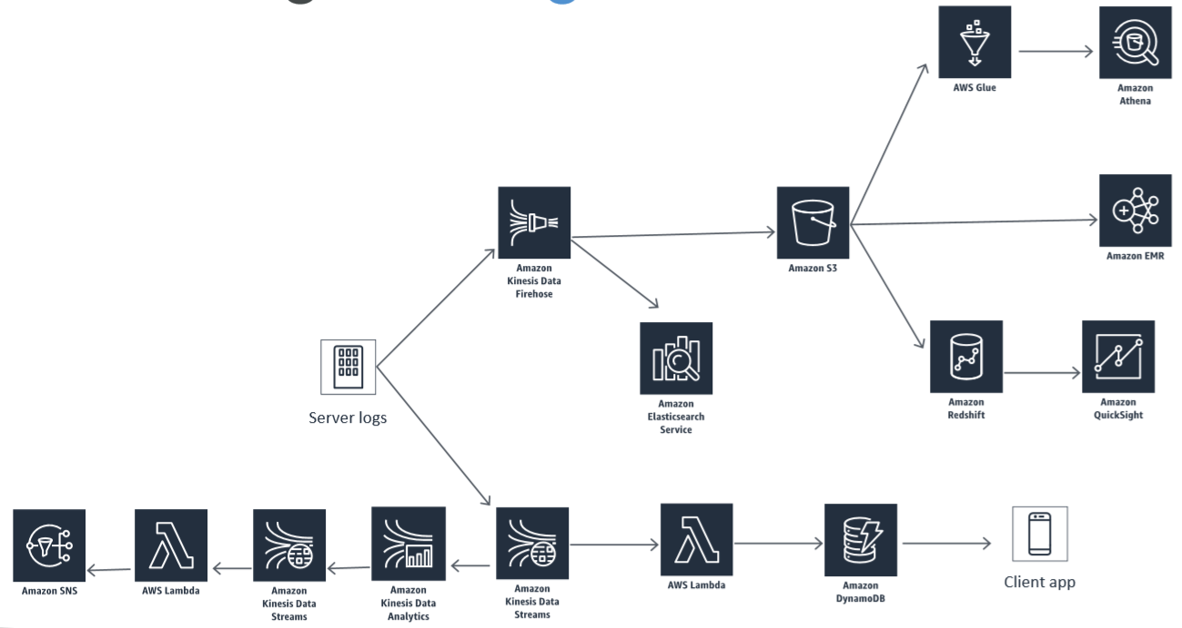 Putting it altogether

