Common ML
# | Terms / Concepts | Simple Description (Hands on ML with Scikit-Learn, Keras and Tensorflow, 2nd Edition) | SKLEARN Website | Andrew NG's Machine Learning | Machine Learning - Udacity | Library | Sample Code
1 | Machine Learning |  |  | Tom Michel (1999) '- Well posed learning problem: "A computer program is said to learn from experience E with respect to some class of tasks T and performance measure P, if its performance at tasks in T, as measured by P, improves with experience E." The checkers example, ▪ E = 10000s games ▪ T is playing checkers ▪ P if you win or not
2 | Supervised Learning | - Training set that is fed to the algorithm, includes desired solutions - called "LABELS" - A typical supervised learning task is "CLASSIFICATION" (eg., Spam filter) - Types of Algorithm (Details later) - K-Nearest neighbors - Linear Regression - Logistic Regression - Support Vector Machines (SVMs) - Decision Trees and Random Forests - Neural Networks |  | - Teach the computer how to do something, then let us use it's new found knowledge to it. - Most common problem type in Machine learning. - Given the list of house prices based on size in square feet, how much (value) is a house that is 750 square feet - We can either take a straight line approach or a curved approach (polynomial) to solve this. Which way of doing represents supervised learning? - We give the algorithm the right answers for the said square feet - So, we know the actual prices for houses. - The idea is we can learn what makes the price a certain value from the training data. - The algorithm should then produce more right answers based on new training data where we don't know the price already. ie., Predict the price. - We also call this a Regression problem. - Predict Continuous valued output (Price) - No real discrete Delineation.
3 | Classification | - This is the basic. Classify. Eg., Spam or No splam. Read Classification |  | - Let the computer learn how to do something, and use this to determine structure and patterns in data. - Say based on the "Tumor Size", can we categorize whether it is malignant or benign? This is classification problem - we are required to "Classify / Categorize". - In classification problems, can have a discrete number of possible values for the output. say, 0 - Benign 1- Type 1 2 - Type 2 3 - Type 3 etc. - In classification problem, we can plot the chart just in the straight line or also make it as scatter chart to identify the pattern.. - Features. Are those additional factors you consider to gauge the correct outcome eg., lump thickness, uniformity of cell size or shape etc.c,
4 | Regression | - Predit a target numeric value, such as price of a car, given a set of features (mileage, age, brand etc.,) called predictors. - To train the system, many examples of cars needs to be supplied, including both their predictors and labels (their prices)
5 | Unsupervised Learning | - The Training data is "unlabled". The system tries to learn without a teacher. Ie., no prices for the car for which you need to predict. - Most important Unsupervised learning Algorithms (Details later) - Clustering - K-Means - DBSCAN - Hierarchial Cluster analysis (HCA) - Anomaly Detection and Novelty Detection - One-class SVM - Isolation Forest - Visualization and dimensionality reduction - Principal Component Analysis (PCA) - Kernal PCA - Loally Linear Embedding (LLE) - t-Distributed Stochastic Neighbor Embedding (t-SNE) - Association rule learning - Apriori - Eclat - So, the key for unsupervised learning is, since you do not know the "label" to classify, you cluster based on the similarities that you learn from each data set. ie., you merge the correlated features into one - Similarly, dimensionality reduction, in which simple goal is to simplify the data without losing too much information. another way to merge correlated data into one. . eg., for Car's it's mileage could be one of the strong correlation to group. - Yet another is anomaly detection - eg,, detecting unusual credit card transactions to prevent fraud, catching manufacturing defects or automatically removing outliers from data set before feeding to another algorithm. - Finally, association rule learning, in which the goal is to dig into large amounts of data and discover interesting relations between attributes. |  | - No teacher. Learning from Unlabled data. Eg., Clustering - Try to determine the structure / pattern in data. - Clustering algorithm groups data together based on data features. Good for: - Market Segmentation - Social Network analysis - Organizing computer clusters - Astronomical data analysis.
6 | Semi-Supervised Learning | - You will have plenty of unlabeled instances and few labeled instances. - some algorithms can deal with data that's partially labeled. This is called semi supervised learning. - Eg., photo hosting services are good examples. Upon uploading photo, it automatically recognizes that its the same person shows up in photos 1, 5 and 11 while person B shows up in 2, 5, 7. This is clustering - unsupervised part of the algorithm. - Now all the system needs is for you to tell who these people are. Just add one label per person and it is able to name everyone in every photo, which is useful for searching photos. - Algorithms - Deep Belief networks (DBNs) - are based on unsupervised components called restricted Boltzmann machines (RBMs) stacked on top of one another. RBMs are trained sequentially in unsupervised manner, and then the whole system is fine-tuned using supervised learning techniques.
7 | Reinforcement Learning | - Learning system called agent in this context, can observe the environment, select and perform actions and get rewards in return (or penalities) - It must then learn by itself what is the best strategy, called a policy, to get the most reward over time. - A policy defines what action the agent should choose when it is in a given situation. - Eg., many robots implement Reinforcement Learning algorithms to learn how to walk. DeepMind's AlphaGo program is also a good example of Reinforcement Learning.
8 | Batch learning | System is incapable of learning incrementally. Must be trained using all available data.
9 | Offline learning | First system is trained and is launched in production and runs without learning anymore.
10 | Generalization | ML is categorised by how they generalize. Most ML tasks is about making predictions. Given the number of training examples, system needs to be able to make good predictions. Types 1. Insance based 2. Model Based
11 | Instance Based Learning | System learns the examples by heart, then generalizes to new cases usinga similarity measure to compare them to the learned examples (or subset of them) |  |  |  | import sklearn.neighbors | import sklearn.neighbors model = sklearn.neighbors.KNeighborsRegressor( n_neighbors=3)
12 | Model Based Learning | Generalize from a set of examples is to build a model of these examples and then use that model to make predictions.
13 | Utility / Fitness function | Measures how good your model is. Performance measures.
14 | Cost function | Measures how bad the model is. Performance measures. Read Cost function (Later)
15 | Loading Data | Data must be numeric and stored as NumPy arrays or SciPy Sparce matrices. Pandas DF are also accepted. |  |  |  | import numpy as np | import numpy as np X = np.random.random((10, 5)) y = np.array(['M','M','F','F','M','F','M','M','F','F','F']) X[X < 0.7] = 0
16 | Training and Test Data
17 | Preprocessing data
18 | Training using Linear Regression Algorithm | Feed the LR Algo to your training examples - it will find the "parameter" that make the linear model fit best to your data. This is called training the model. |  |  |  | Importing import sklearn.linear_model or from sklearn.linear_model import LinearRegression lr=LinearRegression(normalize=True) Model Fitting lr.fit(X, y) Prediction y_pred = lr.predict(X_test) | import matplotlib.pyplot as plt import numpy as np import pandas as pd import sklearn.linear_model # Load the data oecd_bli = pd.read_csv("oecd_bli_2015.csv", thousands=',') gdp_per_capita = pd.read_csv("gdp_per_capita.csv",thousands=',',delimiter='\t', encoding='latin1', na_values="n/a") # Prepare the data country_stats = prepare_country_stats(oecd_bli, gdp_per_capita) X = np.c_[country_stats["GDP per capita"]] y = np.c_[country_stats["Life satisfaction"]] # Visualize the data country_stats.plot(kind='scatter', x="GDP per capita", y='Life satisfaction') plt.show() # Select a linear model model = sklearn.linear_model.LinearRegression() # Train the model model.fit(X, y) # Make a prediction for Cyprus X_new = [[22587]] # Cyprus's GDP per capita print(model.predict(X_new)) # outputs [[ 5.96242338]]
19 | Training and Learning process | - Study the data - Select a model - Train it on the training data (ie., the learning algo searched for the model parameter values that minimize a cost function) - Finally, apply the model to make predictions on new case (this is called inference), hoping that this model will "generalize" it.
20 | Machine Learning - Key Challenges | - Insufficient Quantity of Training Data - Nonrespresentative Training data & sampling nose / bias - Sampling bias - very large samples can be nonrepresentative if the sampling method is flwaed, - Sample noise - Data set too small; you will have sampling noise (ie., nonrepresentative data as a result of chance) - Poor Quanlity data - full of errors, outliers and noise. - Irrelevant features - garbage in; garbage out. read about Feature Engineering - Overfitting the training data - Over generalizing (looking at one or 2 samples, just bucketing all into one). Deep learning can identify patterns - but if data is too noisy, it will identify patterns from noise itself. - Underfitting the Training Data - Occurs when your model is too simplet to learn the underlying structure of the data. Read Underfitting.
21 | Feature Engineering | - Coming up with good set of features to train out - Feature selection: Selecting the most useful features to train on among existing features - Feature Extraction (Combining existing features to produce a more useful one - eg., dimensionality reduction can help) - Creating new features by gathering new data.
22 | Overfitting | - Overgeneralizing the data. Eg., one taxi person ripping off in mexico, all taxi persons in mexico are rip off. - Happens when the model is too complex relative to the amount and noiseness of the training data. Possible solutions: - Simplify the model by selecting one with fewer parameters. eg., linear model rather than high degree polynomial model, by reducing the number of attributes in the training data or by constraining the model - Gather more training data - Reduce the noise in the training data (eg., fix data errors and remove outliers)
23 | Regulairzation | - Constraining a model to make it simpler to reduce the risk of overfitting is called regularization - Eg., Linear model has 2 parameters θ0 and θ1. - This gives the learning algorithm two degrees of freedom to adapt the model to the training data. It can tweak both the height (θ0) and the slope (θ1) of the line. - if we forced θ1 to 0, the algorithm would have only one degree of freedom and would have a much harder time fitting the data properly; all it could do is move the line up or down to get as close as possible to the training instances. - If we allow the algorithm to modify θ1 but we force it to keep it small, then the learning algorithm will effectively have somewhere in between one and two degrees of freeedom. - Simpler with two and complex with one. - The amount of regularization to apply during learning can be controlled by a hyperparameter.
24 | Hyperparameter | - Parameter of a learning algorithm (not of the model). - As such, it is not affected by the learning algorithm itself; it must be set prior to training and remains constant during training. - If the hyperparameter is set to a very large value, you will get an almost flat model (a slope close to zero); the learning algorithm will almost certainly not overfit the training data, but it will less likely to find a good solution. - Tuning hyperparameters is an import part of building a Machine Learning system.
25 | Underfitting | - Occurs when your model is too simple to learn the underlying strucutre of the data. - Linear model more options - Select a more powerful model, with more parameters - Feed better features to the learning algorithm (feature engineering) - Reduce the constraints on the model (eg., reduce the regularization hyperparameter)
26 | Testing and Validating | - The only way to know how well a model will generalize to new cases is to actually try it out on new cases. But it’s a bad idea. - Better option: Split the data into two sets - Training set and Test Set. - The error rate on new cases is called the generalization error (or out-of-sample error), and by evaluating your model on test set, you get an estimate of this error.
27 | Hyperparameter Tuning and Model selection | - To Evaluate model - use the test set. - to evaluate between two models and to decide between them - train both and compare how well they generalize using the test set. - Holdout validation - After deciding on the model, you want to decide on best hyper parameter, which will avoid overfitting. More specifically, you train multiple models with various hyperparameters on the reduced training set and you selet the model that performs best on the validation set. After this holdout validation process, you train the best model on the full training set. Lastly, you evaluate this final model on the test set to get an estimate of the generalization error. - Way to solve the imprecise expecations is to perform Cross-Validation using many validation sets. Read Cross-Validation. only problem is that the training time is multiplied by the number of validation sets.
28 | Key Steps to ML | - Look at the big picture - Get the data - Discover and visualize the data to gain insights. - Prepare the data for Machine Learning Algorithms - Select a model and train it - Fine-tune your model - Present your solution - Launch, Monitor and maintain your system. |  |  |  |  | source code path: http://10.241.11.16:9000/notebooks/Lakshmi/ML_Fundamentals/Hands-On%20Machine%20Learning%20with%20Scikit-Learn%2C%20Keras%2C%20and%20TensorFlow%2C%202nd%20Edition/2.%20ML_Endtoend.ipynb
29 | Look at the big picture | - Have a project checklist from start to end. - Frame the problem - Select a performance measure - Check the assumptions
30 | Frame the problem | - What is the business objective? - How does the company intend to use or benefit from it. - What does the current solution looks like and what are the problems or advantages of it? What are we trying to fix in here and will ML be able to fix it. After getting answers for the above questions, start designing your system - Frame the problem in ML terms - is it supervised, unsupervised or Reinforcement learning - Is it a classification or regression task or something else? - Should you use batch or online learning techniques? After getting the answers for the above questions, decide the size of the data, if it is too big, we can use big data and use MapReduce technique.
31 | Pipelines | - A sequence of data processing components is called data Pipeline. Very common in ML systems, since there is a lot of data to manipulate and many transformations to apply.
32 | Select Performance Measures | - Select performance measure - typical performance measure for Regression problems in the "ROOT MEAN SQUARE ERROR) - RMSE. - It gives an idea of how much error the system typically makes in its predictions, with higher weight for large errors. - Euclidean norm. Where, m - number of instances in the data set - x(i) is the vector of all feature values - X is a matrix containing all feature values - h is your system's prediction function, also called hypothesis. - RMSE(X, h) is the cost function measured in the set of examples using your hypothesis h. - MAE - mean Absolute Error is also another measure. Manhatten norm.
33 | Check the assumptions | - Verify the assumptions before proceeding. Eg., you classified as regression and the output of this will be used by downstream to classify and proceed with another algorithm. So getting the price right is not important, hence it is not a regression task - instead it is a classification taks (eg., cheap, medium or expensive)
34 | Get the Data | - Get the data: There are multiple ways the data can be downloaded. From internet; from ftp location - pull or pushed. Etc. - Read the data: To read the data, directly use the pandas pd.read_csv (for csv) to red the data. Pandas has the ability to read other types of data as well. - To take a quick look at the data structure print the dataframe; use dataframe.info() and dataframe.describe(). This will suggest the data and how healthy the data is. - In the Describe(), - std -> standard deviation - which measures how dispersed the values are. - Percentile - the 25, 50 an d75% rows shows the corresponding percentiles: a percentile indicates the value below which a given percentage of observations in a group of observations fall. say, 25% of the households have a housing median age lower than 18, while 50% are lower than 29 and 75% are lower than 37 etc., |  |  |  | Internet: import urllib Read: import pandas Quick information: pandasdf.info() housing_df.describe() | Get Data: import os import tarfile import urllib download_path = "https://raw.githubusercontent.com/ageron/handson-ml2/master/datasets/housing/housing.tgz" def fetch_housing_data(housing_url=download_path): urllib.request.urlretrieve(download_path, "Data/housing.tgz") housing_tgz = tarfile.open("Data/housing.tgz") housing_tgz.extractall(path="Data") housing_tgz.close() Read Data: import pandas as pd def load_housing_data(housing_path="Data"): csv_path = os.path.join(housing_path, "housing.csv") return pd.read_csv(csv_path) load_housing_data()
35 | Get the data and understand | - Another quick way to see the data is to plot a histogram and check how the data is dispersed. - The hist() method relies on Matplotlib, which in turn relies on a user-specified graphical backend to draw on the screen. sample General observations from the histogram for housing prices: - what currency the median income attributes are expressed at and how capped etc., - what is the median age and median house value capped at - these are the target attribute labels. if say the data values are capped at $500,000, then the regression problem will be capped at this. have to check with users, if this will be a problem or not. If this is a problem, then - Collect proper labels for the districts whose labels were capped - Remove those districts from the training set (and also from test set, since your system should not be evaluated poorly if it predicts values beyond $500,000) - Scales of the values - Finally, how many histograms are tail heavy etc., which might make the ML algorithm detect patterns. try transforming these attributes later on to have more bell-shaped distributions. |  |  |  | import matplotlib.pyplot as plt | %matplotlib inline # only in a Jupyter notebook import matplotlib.pyplot as plt housing.hist(bins=50, figsize=(20,15)) plt.show()
36 | Create a Test set | - In order to avoid overfitting and picking an incorrect algorithm, at a very early stage itself, pull a testing set. - This will avoid overfitting (the generalization error) - When you estimate the generalization error using test set, your estimate will be too optimistic, and you will launch a system that will not perform as well as expected - this is called Data Snooping Bias. - Picking test data is simple. say if you want to pick 20% as your test set - Though creating and shufling random records like this is ok, it may create different sets at different times. - So instead of this get the test set and load over and again. - This doesn't work for the exact sampling methods. for which you have to create a proper bin with category eg., housing["income_cat"] = pd.cut(housing["median_income"], bins=[0., 1.5, 3.0, 4.5, 6., np.inf], labels=[1, 2, 3, 4, 5]) This is called stratifiedshufflesplit - scikit library. |  |  |  | import numpy as np Stratified shuffle from sklearn.model_selection import StratifiedShuffleSplit | # Create test set import numpy as np def split_train_test(data, test_ratio): shuffled_indices = np.random.permutation(len(data)) # to shuffle the dataset test_set_size = int(len(data) * test_ratio) # exact count of test data from actual data test_indices = shuffled_indices[:test_set_size] # pull the data from the shuffled for test dataset. train_indices = shuffled_indices[test_set_size:] # put the balance records in the train_indices. return data.iloc[train_indices], data.iloc[test_indices] train_set, test_set = split_train_test(housing_df, 0.20) print("Train Set:") train_set # Stratified shuffle housing_df["income_cat"] = pd.cut(housing_df["median_income"], bins=[0., 1.5, 3.0, 4.5, 6., np.inf], labels=[1, 2, 3, 4, 5]) housing_df["income_cat"].hist from sklearn.model_selection import StratifiedShuffleSplit split = StratifiedShuffleSplit (n_splits = 1, test_size=0.2, random_state=42) for train_index, test_index in split.split(housing_df, housing_df["income_cat"]): strat_train_set = housing_df.loc[train_index] strat_test_set = housing_df.loc[test_index] strat_test_set["income_cat"].value_counts() / len(strat_test_set)
37 | Discover and Visualize the Data to Gain Insights | - Put test data aside and explore training set. - Visualize different slices and dices. |  |  |  |  | housing_df.plot(kind="scatter", x="longitude", y="latitude") housing_df.plot(kind="scatter", x="longitude", y="latitude", alpha=0.1) housing_df.plot(kind="scatter", x="longitude", y="latitude", alpha=0.4, s=housing_df["population"]/100, label="population", figsize=(10,7), c="median_house_value", cmap=plt.get_cmap("jet"), colorbar=True,) plt.legend()
38 | Looking for Correlations | - If the dataset is not too large, look for correlation by computing the "Standard Correlation Coefficient" also called Pearsons r between every pair of attributes using the corr() method - As we know, Correlation value ranges from -1 to 1. 1 means there is a strong positive correlation; for example, the median house value tends to go up when the median income goes up. When the coefficient is close to -1, it means that there is a strong negative correlation; eg., a small negative correlation between the latitude and the main house value - Note - Correlation coefficient only measures linear correlations (ie., if x goes up then y goes up / down). It completely misses out on non-linear correlation. - Another way to check for correlation between attributes is to use pandas scatter_matrix() function. The plot may reveal a few information - Correlation is very strong - you can see upward trend and points are too dispersed. - price cap that we noticed earlier is clearly visible as a horizontal line which is at $500,000. there are few more straight lines. |  |  |  | from pandas.plotting import scatter_matrix | corr_matrix = housing_df.corr() Pandas way from pandas.plotting import scatter_matrix attributes=["median_house_value", "median_income", "total_rooms", "housing_median_age"] scatter_matrix(housing_df[attributes], figsize=(12,8)) housing_df.plot(kind="scatter", x="median_income", y="median_house_value", alpha=0.1)
39 | Experimenting with Attribute Combinations | - By exploring the data, you may want to cleanup the data before feeding into ML algorithms to gain insights. - You might have also noticed that few attributes have tail-heavy distribution, so may want to transform them (eg., by computing their logarithm) - One last thing you may want to do before preparing the data for ML algorithms is to try out various attribute combinations. - for example, the total number of rooms in a district is not very usefult if you don't know how many households there are. - you probably want to compare it to the number of rooms and the population per household
40 | Prepare the data for Machine Learning Algorithms | - To prepare data for machine learning algorithms - write functions for this purpose. - This will allow you to reproduce these transformations easily on any dataset - You will gradually build library of transformation functions that you can reuse in future projects - You can use these functions in your live system to transform the new data before feeding it to your algorithm - This will make it possible for you to easily try various transformations and see which combination of transformations work the best.
41 | Data Cleaning | - Most Ml algorithms cannot work with missing features, so create few functions to take care of them. example - say if there is a data set with missing total_bedrooms attribute in the housing data set - we have three options - Get rid of the corresponding districts - Get rid of the whole attribute - Set the values to some values (zero, the mean, the median etc.,) - Scikit-Learn provides a handy class to take care of msising value: SimpleImputer. |  |  |  | import pandas as pd use dropna(), drop() and fillna() methods. Scikit Imputer from sklearn.impute import SimpleImputer | example: housing_df.dropna(subset=["total_bedrooms"]) housing_df.drop("total_bedrooms" , axis=1) median = housing_df["total_bedrooms"].median() housing_df["total_bedrooms"].fillna(median, inplace=True) housing_df Simple Imputer imputer = SimpleImputer(strategy="median")
42 | SCIKIT-LEARN Design | - Very well designed. - Consistency - All objects share a conistent and simple interface. Estimators: any object can estimate some parameters based on a dataset called an estimator (an imputer is an estimator). The estimation itself is performed by the fit() method, and it takes only a dataset as a parameter (or two for supervised learning algorithms; the second dataset contains labels). Any other parameter needed to guide the estimation process is considered a hyperparameter (such as an imputer's strategy), and it must be set as an instance variable. Transformers: Some estimators (such as an imputer) can also transform dataset. fit_transform() that is equivalent to calling fit() and then transform(). it returns the transformed data set. This transformation generally relies on the learned parameters, as is the case for its imputer. Predictors: Finally, some estimators, given a dataset are capable of making predictions; they are called predictors. For example, the LinearRegression model in the previous chapter was a predictor; given a country's GDP per capita, it predicted life satisfaction. A predictor has a predit() method that takes a dataset of new instance and returns a dataset of corresponding predictions. It also has a score() method that measures the qualityof the predictions, given a test set (and the corresponding labels, in the case of supervised learning algorithms) Inspection: All the estimator's hyperparameters are accessible directly via public instance variables (eg., imputer.strategy), and all the estimator's learned parameters are accessible via public instance variables with an underscore suffix (eg., imputer.statistics_) Nonproliferation of classes: Datasets are represented as NumPy arrays or SciPy sparse matrices, instead of homemade classes Hyperparameters are just regular Python strings or numbers. Composition: Existing building blocks are reused as much as possible. For example, it is easy to create a Pipeline estimator from an arb
43 | Handling Text and Categorical Attributes | - If the text in a particular column is not arbitrary, and is a defined data set, then we can also convert this text into a defined number (id) using the ORDINALENCODER Class in Scikit Learn. -ORDINALENCODER is ok for very closed values such as Good, Bad, Best, Excellent, Average etc., to have values between 0 and 4. - But For very dispersed dataset use One Hot Encoding. Read One Hot Encoding. |  |  |  | from sklearn.preprocessing import OrdinalEncoder | housing_Cat = housing_df[["ocean_proximity"]] housing_Cat from sklearn.preprocessing import OrdinalEncoder ordinal_encoder = OrdinalEncoder() housing_cat_encoded = ordinal_encoder.fit_transform(housing_Cat) housing_cat_encoded [:10] To get the defined list of categories ordinal_encoder.categories_ #ANOTHER WAY is to use pd.get_dummies #METHOD 2 #features_for_onehot=["workclass", "education_level", "marital-status", "occupation","relationship", "race","sex", "native-country"] features_final = pd.get_dummies(data=features_log_minmax_transform) print(features_final.head()) # Encode the 'income_raw' data into numerical category print(income_raw.head(5)) Income = pd.DataFrame(data = income_raw) print(Income.columns) Income = pd.get_dummies(columns=['income'], data=Income) print(Income.head(5)) encoded = list(features_final.columns) print("{} total features after one-hot encoding.".format(len(encoded)))
44 | One Hot Encoding | - 1 = Hot; 0 = Cold. - The entire data set will be 1 or 0 in one hot encoding based on the column Value say column values are <1H OCEAN and INLAND per ONEHOTENCODING, for <1H OCEAN, assign 1 when it's <1HOCEAN and 0 otherwise. For INLAND, assign 1 when it's INLAND and 0 otherwise. - If a CATEGORICAL attribute has a large number of possible categories (eg., country code, profession, species), then one-hot encoding will result in a large number of input features. This may slow down the training and degrade performance. |  |  |  | from sklearn.preprocessing import OneHotEncoder | from sklearn.preprocessing import OneHotEncoder cat_encoder = OneHotEncoder() housing_cat_1hot = cat_encoder.fit_transform(housing_Cat) housing_cat_1hot housing_cat_1hot.toarray()
45 | Custom Transformers | - Although Sckikit-Learn provides many useful transformers, you will need to write your own for tasks such as custom cleanup operations or combining specific attributes. - You will want your transformer to work seamlessly with Scikit-Learn functionalities (such as Pipelines) and since Scikit-Learn relies on duck typing (not inheritance) all you need to do is crate a class and implement three methods - The Transform methods are used to center / feature scale the given data. It basically helps to normalize the data within a particular range. - For this we use Z-score method. Z = x- mean / sigma - fit() - returning self. Method calculates the parameters μ and σ and saves them as internal objects. - transform() - Method using these calculated parameters apply the transformation to a particular dataset. - fit_Transform() - joins the fit() and transform() method for transformation of dataset Example code: - In this example transformer has one hyperparameter, add_bedrooms_per_room, set to True by default (it is often helpful to provide sensible defaults) - This hyperparameter will allow you to easily find out whether adding this attribute helps the ML algorithm or not. - More generally, you can add a hyperparameter to gate any data preparation step that you are not 100% sure about. - The more you automate these data preparation steps, the more combinations you can automatically try out, making it much more likely that you will find a great combination. |  |  |  |  | # Custom Transformers from sklearn.base import BaseEstimator, TransformerMixin rooms_ix, bedrooms_ix, population_ix, households_ix = 3,4,5,6 class CombinedAttributesAdder(BaseEstimator, TransformerMixin): def __init__ (self, add_bedrooms_per_room = True): self.add_bedrooms_per_room = add_bedrooms_per_room def fit(self, X, y = None) : return self # nothing else to do def transform (self, X): rooms_per_household = X[:, rooms_ix] / X[:, households_ix] population_per_household = X[:, population_ix] / X[:, households_ix] if self.add_bedrooms_per_room: bedrooms_per_room = X[:, bedrooms_ix] / X[:, rooms_ix] return np.c_[X, rooms_per_household, population_per_household, bedrooms_per_room] else: return np.c_[X, rooms_per_household, population_per_household] attr_adder = CombinedAttributesAdder(add_bedrooms_per_room = False) housing_Extra_attribs = attr_adder.transform(housing_df.values) print(housing_Extra_attribs)
46 | Feature Scaling | - One of the most important transformations you need to aply to your data is Feature Scaling - Usially ML doesn't perform really well with different scales of data. So it is important that you need to same all the data to the same scale then apply ML algorithms. - 2 common ways to get all atributes to the same scale - min-max scaling: simplest; Values are shifted and rescaled so that they end up ranging from 0 to 1. We do this by subtracting the min value and dividing by the max minus the min. - Standardization: First it subtracts the mean value (so standardized value always have a zero mean) and then it divides by the Standard deviation so that the resulting distrubution has unit variance. Unlike min-max scaling, standardization does not bound values to a specific range, which may be a problem for some algorithms (eg., neural networks often expect an input value ranging from 0 to 1) As with all transformations, it is important to fit the scalers to the training data only, not to thefull dataset (including the test set). - only then you use them to transform the training set and the test set (and new data)
47 | Transformation Pipelines | -Many data transformation steps that needs to be executed in right order and Scikit-Learn provides the Pipeline class to help with such sequences of transformations. - The Pipleline constructor takes a list of name / estimator pairs defining the sequence of steps. All but the last estimator must be transformers (ie., they must have a fit_transform() method. - It is always better to have a single transformer which handles numerical and categorical columns. - Sickit 0.20 -> ColumnTransformer has been introduced for this purpose. It works well with Pandas Dataframes. |  |  |  | from sklearn.pipeline import Pipeline | # Transformation pipelines from sklearn.pipeline import Pipeline from sklearn.preprocessing import StandardScaler num_pipeline = Pipeline([ ('imputer', SimpleImputer(strategy="median")), ('attribs_adder', CombinedAttributesAdder()), ('std_scaler', StandardScaler()), ]) housing_num_tr = num_pipeline.fit_transform(housing_num) housing_num_tr
48 | ColumnTransformer | - ColumnTransformer has been introduced in Scikit 0.20 to peform transformation of Categorical and Numerical columns. - We can specify which inbuilt function should be used to transform (normalize) the numeric data and which one for categorical data. - Once we define that, the transformer is applied on the data set (eg., a dataframe) and get the transformed output. - Note that the OneHotEncoder returns a sparse matrix, while the num_pipeline returns a dense matrix. - When there is such a mix, the ColumnTransformer estimates the density of the final matrix (ie., the ratio of nonzero cells), and it returns a sparse matrix if the density is lower than a given threshold (default, sparese_threshold = 0.3) - Note : Instead of using a transformer, you can specify the string "drop" if you want the column to be dropped, or you can specify passthrough if you want the column to be left untouched. By default, the remaining columns will be dropped, but you can set the remainder hyperparameter to any transformer (or to "passthrough") if you want these columns to be handled differently. - sklearn-pandas can also be used to get the same functionality as ColumnTransformer. |  |  |  | from sklearn.compose import ColumnTransformer | from sklearn.compose import ColumnTransformer num_attribs = list(housing_num) cat_attribs = ["ocean_proximity"] full_pipeline = ColumnTransformer([ ("num", num_pipeline, num_attribs), ("cat", OneHotEncoder(), cat_attribs), ]) housing_prepared = full_pipeline.fit_transform(housing_df) housing_prepared
49 | Select and Train a Model | - Data is fetched, explored, sampled a test and training set, wrote a transformation pipeline to clearnup and prepare the data for Machine Learning automatically. - Now ready to select and train a Machine Learning model.
50 | Training and Evaluating on the Training Set | - Now that the data is ready, apply Linear Regression model. - Based on the example on the right, it works and predicts based on the supplied median_house_Value (labels) and tries to predict. Now let's try to find out how accurately it has predicted. Let's measure this regression model's RMSE on whole training set using Scikit-Learn's mean_squared_error() function |  |  |  | from sklearn.liner_model import LinearRegression | # Apply Linear Regression model from sklearn.linear_model import LinearRegression lin_reg = LinearRegression() lin_reg.fit(housing_prepared, housing_labels) # Let's try with a few instances from the training set some_data = housing_df.iloc[:5] some_labels = housing_labels.iloc[:5] some_data_prepared = full_pipeline.transform(some_data) print("Predictions: " , lin_reg.predict(some_data_prepared)) print("Labels: ", list(some_labels))
51 | RMSE | -Now let's try to find out how accurately it has predicted. Let's measure this regression model's RMSE on whole training set using Scikit-Learn's mean_squared_error() function - This will return the prediction error. Based on example - The min and the max value of mean_house value is 14999.000000 and 500001.000000. - Most districts value lie between 120,000 and 265,000. - Running the RMSE on the data, it provides a value of 68628.19819848922. Which means, for this data range, a typical prediction error is 68628 (not very satisfying). - This is an example of model underfitting training data. - When this happens, it means that FEATURES DO NOT PROVIDE enough information to make GOOD PREDICTIONS, or the MODEL IS NOT POWERFUL ENOUGH. - Main ways to fix Underfitting are to - SELECT A MORE POWERFUL MODEL - TO FEED THE TRAINING ALGORITHM WITH BETTER FEATURES - TO REDUCE THE CONSTRAINTS ON THE MODEL. (Model must be regularized) - TO ADD more features (e.g, log of the population) |  |  |  | from sklearn.metrics import mean_squared_error | # RMSE on the data from sklearn.metrics import mean_squared_error housing_predictions = lin_reg.predict(housing_prepared) lin_mse = mean_squared_error(housing_labels, housing_predictions) lin_rmse = np.sqrt(lin_mse) lin_rmse 68628 (Underfit)
52 | Select a more powerful model | - Let's train a DecisionTreeRegressor. - Why this is powerful? - it is capable of fining complex nonlinear relationships of data. Read Decision Trees (for later) - So you tried with Linear Regressor and checked its RMSE, you feel its way to high. Now you move to next model whichever you think might be more powerful and check the RMSE value on that. CHOOSE MODEL -> APPLY -> MEASURE. RMSE: '- If you see the measure, the outcome is 0.0. How could the model be absolutely perfect? - ofcourse, it is much more liekly that the model has badly overfit the data. - How can we be sure about it ? - Use the training set for model validation. - Now, instead of changing the model right away, let's use a different estimator Cross Validation. Read Cross Validation. |  |  |  | from sklearn.tree import DecisionTreeRegressor | # Move on to next model from sklearn.tree import DecisionTreeRegressor tree_reg = DecisionTreeRegressor() tree_reg.fit(housing_prepared, housing_labels) # Compute RMSE # Now that model is trained, let's evaluate on training set housing_predictions = tree_reg.predict(housing_prepared) tree_mse = mean_squared_error(housing_labels, housing_predictions) tree_rmse = np.sqrt(tree_mse) tree_rmse 0.00 (Overfit)
53 | Better Evaluation using Cross-Validation | - One way to evaulate the Decision Tree model would be to use the train_test_split() function to split the training set into a smaller training set and a validation set, then train your model against the smaller training set and evaluate them against the validation set. - A great alternative is to use Scikit-Learn's K-fold cross-validation feature.
54 | Scikit-Learn's K-fold cross-validation feature | - cross_val_score(data model type, data, labels, scoring method, cross validation subsets_ Sample code explanation - The code randomly splits the training set into 10 distinct subsets called folds, then it trains and evaluates the Decision Tree model 10 times, picking a different fold for evaluation every time and training on the other 9 folds. The result is an array containing the 10 evaluation scores. - Warning: Scikit-Learn's cross validation features expect a utility function (greater is better) rather than a cost function (lower is better), so the scoring function is actually the opposite of the MSE (ie., a negative value), which is why code calculates -scores before calculating the squre root. - By performing Cross validation and getting the mean and standard deviation, you will actually know whether it has performed better or not. Sample code explanation - Based on the outcome, it is apparent that the Decision Tree (based on Cross validation RMSE) it has performed worst rather than performing better in terms of pure RMSE. - The Decision Tree has a score of approximately 70,941 generally +- 2825. It is not possible to have this information if you used just one validation set. But cross-validation comes at the cost of training the model several times, so it is not always possible. - Let's compute the results of Linear regression model - So based on the outcome, we can see that Decision Tree had perfomed badly than Linear Regression. - So, now its try to pivot the model -> Random Forest Regressor. |  |  |  | from sklearn.model_selection import cross_val_score | from sklearn.model_selection import cross_val_score scores = cross_val_score(tree_reg, housing_prepared, housing_labels, scoring = "neg_mean_squared_error", cv=10) tree_rmse_scores = np.sqrt(-scores) tree_rmse_scores Output: array([69200.36759016, 67274.84218552, 71076.41967258, 68429.29502489, 69976.83521905, 76047.0268595 , 71298.85808725, 70491.44692919, 76180.34947543, 69438.49379935]) def display_scores(scores): print("Scores : ", scores) print("Mean : ", scores.mean()) print("Standard Deviation : ", scores.std()) display_scores(tree_rmse_scores) Scores : [70909.51878126 68681.62133619 70070.02567633 69937.10174785 71254.50158186 75510.06605741 70153.43730966 70334.52115386 75753.93471946 70065.82564187] Mean : 71267.05540057599 Standard Deviation : 2273.80869855117 # Linear Regression compute scores lin_scores = cross_val_score(lin_reg, housing_prepared, housing_labels, scoring="neg_mean_squared_error", cv=10) lin_rmse_Scores = np.sqrt(-lin_scores) display_scores(lin_rmse_Scores) Scores : [66782.73843989 66960.118071 70347.95244419 74739.57052552 68031.13388938 71193.84183426 64969.63056405 68281.61137997 71552.91566558 67665.10082067] Mean : 69052.46136345083 Standard Deviation : 2731.674001798349
55 | Random Forest Regressor | - Random Forests work by training many Decision Trees on random subsets of the features, then averating out their predictions. - Building a model on top of many other models is called ENSEMBLE LEARNING. and it is often a great way to push ML algoithms even further. - Random Forests is very promising. However, note that the score on the training set is still much lower than on the validation sets. Meaning - model is still overfitting the training set. - Possible solution for overfitting are to simplify the model, constrain it (ie., regularize it) or get a lot more training data. - Before diving deep on Random Forests, you should try out many other models from various categories of Machine learning algorithm (eg., Several SVM with different kernels and possibly a Neural network), without spending too much time tweaking the hyperparameters. The goal is to shortlist a few (two or five) promising models. |  |  |  | from sklearn.ensemble import RandomForestRegressor | from sklearn.ensemble import RandomForestRegressor forest_reg = RandomForestRegressor() forest_reg.fit(housing_prepared, housing_labels) housing_predictions = forest_reg.predict(housing_prepared) forest_mse = mean_squared_error(housing_labels, housing_predictions) forest_rmse = np.sqrt(tree_mse) forest_scores = cross_val_score(forest_reg, housing_prepared, housing_labels, scoring="neg_mean_squared_error", cv=10) forest_scores_rmse = np.sqrt(-forest_scores) forest_scores_rmse Scores : [49826.33499288 47795.09784732 49943.65733415 52277.58695091 49656.28431449 53218.78691452 48804.49420929 47869.32990841 52796.01405752 50037.45197441] Mean : 50222.50385038764 display_scores(forest_scores_rmse) Standard Deviation : 1839.9474526947643
56 | Saving the model | - You should save every model you experiment with so that you can come back easily to any model you want. Make sure you save both the hyperparameters and the trained parameters, as well as the cross validation scores and perhaps the actual predictions as well. - This will allow you to easily compare scores across model types and compare the types of error they make. - The pickle module joblib library is more efficient in serializing large NumPy array. joblib.dump(pickle file) |  |  |  | import joblib | import joblib joblib.dump(my_model, "my_model.pkl") # and later... my_model_loaded = joblib.load("my_model.pkl")
57 | Fine-tune your model | - After having a shortlist of promising models, you need to fine-tune them. There are few standard ways to fine-tune your model Read... 1. Grid Search 2. Randomized Search 3. Ensemble Methods 4. Analyze the best models and their errors 5. Evaluate your system on Test Set
58 | Grid Search | - Fiddle with the Hyperparameters manually, until you find a great combination of hyperparameter value. - Tedious work - you may not have time to explore many combinations. - Instead, you should get Scikit-Learn's GridSearchCV to search for you. All you need to do is tell it which hyperparameters you want it to experiment with and what values to try out, and it will use cross-validation to evaluate all the possible combinations of hyperparameter values. - For example, the following code searches for the best combination of hyperparameter value for RandomForestRegressor. Note: When you have no idea what value a hyperparameter should have, a simple approach is to try out consecutive powers of 10 (or smaller number if you want a more fine-grained search) - The param_grid tells scikit learn to first evaluate all 3 x 4 (max features) = 12 combinations of n_estimators and max_features hyperparameter values specified in the first dict, then try all 2 x 3 (max features) =6 combinations of hyperparameter values in the second dict, but this time with the bootstrap hyperparameter set to False instead of True - The grid search will explore 12 + 6 = 18 combinations of RandomForestRegressor hyperparameter values, and it will train each model 5 times (sine we are using five-fold cross validation). - In other words, all in all, there will be 18 x 5 (CV) = 90 rounds of training. Code, - since 8 and 30 are the maximum values that were evaluated, you should probably try searching again with higher valuesl the score may continue to improve. - Note: If GridSearchCV is initalized with refit=True (which is the default), then once it finds the best estimator using cross-validation, it retains it on the whole training set. This is usally a good idea, since feeding it more data will likely improve its performance. - You can also evaluate scroes using grid_search.cv_results_ and loop through to get main scores and params. You can see with your own eyes as to which is best. |  |  |  |  | # Fine tune your model =- Grid Search from sklearn.model_selection import GridSearchCV param_grid = [ {'n_estimators' : [3, 10, 30], 'max_features': [2, 4, 6, 8]}, {'bootstrap': [False], 'n_estimators': [3, 10], 'max_features': [2, 3, 4]}, ] forest_Reg = RandomForestRegressor() grid_search = GridSearchCV(forest_reg, param_grid, cv=5, scoring = 'neg_mean_squared_error', return_train_score=True) grid_search.fit(housing_prepared, housing_labels) Output: GridSearchCV(cv=5, error_score=nan, estimator=RandomForestRegressor(bootstrap=True, ccp_alpha=0.0, criterion='mse', max_depth=None, max_features='auto', max_leaf_nodes=None, max_samples=None, min_impurity_decrease=0.0, min_impurity_split=None, min_samples_leaf=1, min_samples_split=2, min_weight_fraction_leaf=0.0, n_estimators=100, n_jobs=None, oob_score=False, random_state=None, verbose=0, warm_start=False), iid='deprecated', n_jobs=None, param_grid=[{'max_features': [2, 4, 6, 8], 'n_estimators': [3, 10, 30]}, {'bootstrap': [False], 'max_features': [2, 3, 4], 'n_estimators': [3, 10]}], pre_dispatch='2*n_jobs', refit=True, return_train_score=True, scoring='neg_mean_squared_error', verbose=0) #finally use, to get the best feature and estimator. grid_search.best_params_ {'max_features': 8, 'n_esti
59 | Randomized Search | - Grid search approach is fine, when you are exploring few combinations - but when the hyperparameter search space is large, it is often preferable to use RandomizedSearchCV instead. - It must be used the same way as GridSearchCV class but instead of trying out all possible comibation, it evaluates a given number of random combinations by selecting random value for each hyperparameter at every iteration. Benefits - say for 1000 iterations, randomized search will explore 1000 different values for each hyper parameter (instead of just a few with grid search) - Simply by setting the number of iterations, you have more control over the computing budget you want to allocate to hyperparameter search. |  |  |  |  | # Fine tune your model =- Grid Search from sklearn.model_selection import RandomizedSearchCV from time import time param_grid = [ {'n_estimators' : [3, 10, 30], 'max_features': [2, 4, 6, 8]}, {'bootstrap': [False], 'n_estimators': [3, 10], 'max_features': [2, 3, 4]}, ] forest_Reg = RandomForestRegressor() n_iter_search = 20 Random_grid_search = RandomizedSearchCV(forest_reg, param_grid,n_iter=n_iter_search) start = time() Random_grid_search.fit(housing_prepared, housing_labels) print(Random_grid_search.cv_results_) cvres = Random_grid_search.cv_results_ for mean_score, params in zip(cvres["mean_test_score"], cvres["params"]): print(np.sqrt(-mean_score), params)
60 | Esemble Methods | - Another way to fine-tune your system is to try to combine the models that perform best. The group (or exemble) will often perform better than the best individual model - just like Random Forests perform better than individual Decision Trees they rely on... - Especially if the individual models make very different types of errors. Read on Ensemble Methods (Later)
61 | Analyze the best models and their errors | - Inspecting the best models provides good insights to problem solving. - For eg., the RandomForestRegressor can indicate the relative importance of each attribute for making accurate predictions - Based on the outcome, try to drop less important features and proceed Code - Based on the output, apparently only one ocean_proximity category is really useful, so you could try dropping others. |  |  |  |  | feature_importances = grid_search.best_estimator_.feature_importances_ feature_importances # display these important scores next to attributes extra_attribs = ["rooms_per_hhold", "pop_per_hhold", "bedrooms_per_room"] cat_encoder = full_pipeline.named_transformers_["cat"] cat_one_hot_attribs = list(cat_encoder.categories_[0]) attributes = num_attribs + extra_attribs + cat_one_hot_attribs sorted(zip(feature_importances, attributes), reverse=True) [(0.35826866172886723, 'median_income'), (0.16026693719154353, 'INLAND'), (0.11423826941694461, 'pop_per_hhold'), (0.06776382775282723, 'longitude'), (0.06298168372002107, 'rooms_per_hhold'), (0.05957765526844347, 'latitude'), (0.05880553458978407, 'bedrooms_per_room'), (0.043022361549917974, 'housing_median_age'), (0.015240590904437001, 'total_rooms'), (0.014700114732565082, 'population'), (0.014549862565105773, 'households'), (0.014268954438460716, 'total_bedrooms'), (0.009017634928888827, '<1H OCEAN'), (0.005301134984420965, 'NEAR OCEAN'), (0.0018956443722979608, 'NEAR BAY'), (0.0001011318554745674, 'ISLAND')]
62 | Evaluate your system on Test Set | - After getting system work sufficiently well, evaluate the final model on the test set. - Just get the predictors and the labels from test set, run your full_pipeline to transform the data (call transform(), not fit_transform() - you do not want to fit the test set) and evaluate the final model on the test set. - To have an idea of how precise the estimate is, calculate scipy.stats.t.interval() - With too much of hyperparameter tuning, the performance will usually be slightly worse than what you measured using cross-validation (because your system ends up fine-tuned to perform well on the validation data and will likely not perform as well on unknown datasets). - Do not keep tuning the hyperparameters to make the numbers look good on the test set - the improvements would be unlikely to generalize to new data. |  |  |  |  | final_model = grid_search.best_estimator_ X_test = strat_test_set.drop("median_house_value", axis=1) y_test = strat_test_set["median_house_value"].copy() X_test_prepared = full_pipeline.transform(X_test) final_predictions = final_model.predict(X_test_prepared) final_mse = mean_squared_error(y_test, final_predictions) final_rmse = np.sqrt(final_mse) # compute a 95% confidence interval for the generalization error using scipy.stats.t.interval(): from scipy import stats confidence = 0.95 squared_errors = (final_predictions - y_test) ** 2 np.sqrt(stats.t.interval(confidence, len(squared_errors) - 1, loc=squared_errors.mean(), scale = stats.sem(squared_errors)))
63 | Present your solution | - Give a summary on what assumptions were made, what worked and what did not, what your system's ;limitations are etc.,. - Document everything, and create nice presentations with clear visualizations and easy-to-remember statements (eg., the median income is the number one predictor of housing prices)
64 | Launch, Monitor and Maintain your system | - After presentation, once you got approval to launch, you need to get your solution ready for production (eg., polish the code, write documentation and tests and so on) - Deploy to production - one way to do this is - Save trained Scikit-Learn model (eg., using joblib), including full preprocessing and prediction pipeline, then load this trained model within your production environment and use it to make predictions calling predict() method. - Model will be used within a website with option to input value and "Estimate price" button say. - This will send a query containing the data to web server, which will forward it to your web appication, and finally your code will simply call the model's predict() method ( You can load the model when server starts instead of loading everytime the model is used) - Alternatively, you can wrap the model within a dedicated web service that your web application can query through a REST API - this makes it easier to aupgrade your model to new versions without interupting your main application. It also simplifies, scaling, since you can start as many web services as needed and load balance the requests coming from your web application across these web services. - Moreover, it allows your web applications to use any language, not just python.
65 | Creating Webservice for your Machine Learning Model | As a template, the step by step flow is as follows: Install Flask Serialise your model (this can be done using Pickle, or JobLib) [optional] Serialise your columns Create a separate [insert name here].py file in the same directory as your serialised model, which will build the web service using Flask Run [insert name here].py file from terminal/command line Go to http address to check if its working Make a http POST call with some data, and receive the prediction back. Using Flask: https://towardsdatascience.com/a-flask-api-for-serving-scikit-learn-models-c8bcdaa41daa https://www.kdnuggets.com/2019/01/build-api-machine-learning-model-using-flask.html https://developer.ibm.com/tutorials/deploy-a-python-machine-learning-model-as-a-web-service/ Using Django: https://medium.com/saarthi-ai/deploying-a-machine-learning-model-using-django-part-1-6c7de05c8d7 https://medium.com/@skills_ai/django-for-data-scientists-tutorial-1-how-to-serve-a-machine-learning-model-with-django-464483423fd2 turning ML models into APIs in Python: https://www.datacamp.com/community/tutorials/machine-learning-models-api-python or you can use Azure / Amazon to build Machine Learning model using R or Python and deploy it as a web service. https://docs.microsoft.com/en-us/azure/machine-learning/service/how-to-consume-web-service - another startegy - Google Cloud AI platform. - Deployment is not the end of the story, you need to run monitoring scripts and trigger alerts when it drops. |  |  |  |  | #https://medium.com/@emmapraise/deploying-your-machine-learning-model-as-a-rest-api-using-flask-c2e6a0b574f5 # implemented @ : /home/natan/notebooks/Lakshmi/ML_Fundamentals/Hands-On Machine Learning with Scikit-Learn, Keras, and TensorFlow, 2nd Edition/Project/first # run: python3.7 app.py # check the serverhttp://10.241.11.16:9098/
66 | Classification | - Most common types of Supervised Learning tasks are - Regression - Classification Classification - Binary Classifier and performance Measures - Multiclass Classification and performance measures. - Multilabel Classification (OvR and OvO) - MultiOutput Classification |  |  |  |  | http://10.241.11.16:9000/notebooks/Lakshmi/ML_Fundamentals/Hands-On%20Machine%20Learning%20with%20Scikit-Learn%2C%20Keras%2C%20and%20TensorFlow%2C%202nd%20Edition/3.%20Classification.ipynb
67 | MNIST Dataset | - MNIST Dataset => About 70,000 small images of digits handwritten by high school students and employees of the US Census Bureau. Each image is labeled with the digit it represents. This set has been studied so much that it often called the "hello world" of Machine learning. - Whenever a classification algorithm is built it is usually tested on a MNIST data set. - Dataset DESCR - describing the data set. data key - Containing an arry with one row per instance and one column per feature target key - containing an array with the labels - There are about 70,000 images and each image has about 784 features. - Each image is 28 x 28 and each feature simply represents one pixel's intensity, from 0(white) to 255 (black). - To display an instance's feature vector, reshape it to a 28 x 28, and display it using Matplotlib's imshow() function. |  |  |  | from sklearn.datasets import fetch_openml | # MNIST Dataset from sklearn.datasets import fetch_openml mnist = fetch_openml('mnist_784', version=1) mnist.keys() output dict_keys(['data', 'target', 'frame', 'feature_names', 'target_names', 'DESCR', 'details', 'categories', 'url']) X, y = mnist["data"], mnist["target"] print(X.shape) print(y.shape) output (70000, 784) (70000,) # display an instance of a feature import matplotlib as mpl import matplotlib.pyplot as plt some_digit= X[2] some_digit_image = some_digit.reshape(28, 28) # Reshape it to 28 x 28 and display via matplotlib plt.imshow(some_digit_image, cmap = "binary") plt.axis("off") plt.show()
68 | Training a Binary Classifier | - Just try to identify one digit say 5 y_train_5 = (y_train == 5) y_test_5 = (y_test == 5) - Now pick a classifier and trian it. A good place to start is with a SGD (Stochastic Gradient Descent classifier) |  |  |  |  | y_train_5 = (y_train == 5) y_test_5 = (y_test == 5)
69 | Stochastic Gradient Descent Classifier | - SGD using Scikit-Learns SGDClassiier class is one of the best ways to start classification algorithm. More later. - SGDClassifier relies on randomness during training (hence the name stochastic) if you want reproducable results, you should set random_state parameter - sgd_clf.predict([some_digit]) => array([True]) This classifier guesses that this image represents a 5 (True). Looks like it guessed right in the particular case! |  |  |  | from sklearn.linear_model import SGDClassifier | # now you create test and train y = y.astype(np.uint8) # convert to integer is important. X_train, X_test, y_train, y_test = X[:60000], X[60000:], y[:60000], y[60000:] #X_train, y_train = X[:60000], X[:60000] # The training set is already shuffled for us, which is good because this guarantees that all cross-validation folds will be similar. #y_train_5 = (y_train == 5) # True for all 5s, False for all other digits y_train_5 =(y_train == 5) print(y_train_5) y_test_5 = (y_test == 5) # Pick a classifier and train it. A good place to start is with a SGD (Stochastic Gradient Descent classifier) from sklearn.linear_model import SGDClassifier sgd_clf = SGDClassifier(random_state=42) sgd_clf.fit(X_train, y_train_5) # Test of uniqueness import numpy as np np.unique(y_train_5) some_digit=5 sgd_clf.predict([some_digit])
70 | Performance Measures | `
71 | 1. Measuring Accuracy using Cross-Validation | - A good way to evaluate a model is to use CROSS-VALIDATION. - You can use Scikit-Learn's Cross_Val_score() function OR you can implement it yourself like the one in sample code. - The StratifiedKFold class performs stratified sampling to produce folds that contain a representative ratio of each class. - At each iteration, the code creates a clone of the classifier, trains that clone on the training folds, and makes predictions on test fold. Then it counts the number of correct predictions and outputs the ratio of correct predictions. - Alternatively, we can also use the ready made cross_Val_score - it shows a bare minimum 93% accuracy? which is good. but cross check is using the not-5 class.... |  |  |  | from sklearn.model_selection import StratifiedKFold from sklearn.base import clone | # Peformance measures # Implementing Cross-Validation for Classification from sklearn.model_selection import StratifiedKFold from sklearn.base import clone skfolds = StratifiedKFold(n_splits=3, random_state=42) for train_index, test_index in skfolds.split(X_train, y_train_5): clone_clf = clone(sgd_clf) X_train_folds = X_train[train_index] y_train_folds = y_train_5[train_index] X_test_fold = X_train[test_index] y_test_fold = y_train_5[test_index] clone_clf.fit(X_train_folds, y_train_folds) y_pred = clone_clf.predict(X_test_fold) n_correct = sum(y_pred == y_test_fold) print(n_correct/len(y_pred)) Output (shows the level of accuracy) 0.95785 0.9667 0.9608 # Using cross_val_score() from sklearn.model_selection import cross_val_score cross_val_score(sgd_clf, X_train, y_train_5, cv=3, scoring="accuracy") Output: (shows the level of accuracy) array([0.95785, 0.9667 , 0.9608 ])
72 | Cross check using the never 5 classifier | - The non 5 class has over 90% accuracy. That is because, only 10% of the images are 5's, so if you always guess that an image is not 5, you will be about 90% of the time. - This demonstrates why accuracy is generally not the preferred performance measures for classifiers, especially when you are dealing with skewed datasets (ie., when some classes are much more frequent than others) |  |  |  |  | from sklearn.base import BaseEstimator class Never5Classifier (BaseEstimator): def fit(self, X, y=None): return self def predict(self, X): return np.zeros((len(X), 1), dtype=bool) never_5_clf=Never5Classifier() cross_val_score(never_5_clf, X_train , y_train_5, cv=3, scoring="accuracy") Output: Scores array([0.91125, 0.90855, 0.90915])
73 | 2. Confusion Matrix | - A much better way to evaluate the performance of a classifier is ot look at the Confusion Matrix. - Count the number times instances of class A are classified as Class B. - For example, the number of times classifier confused images of 5s with 3s, you would look in the 5th row and 3 rd column of the confusion matrix. - to build confusion matrix, you need to have a set of predictions so that they can be compared to the actual targets. You could make predictions on the test set, but let's keep it untouched for now (remember that you want to use the very end of your project once you have a classifier that you are ready to launch). Instead, you can use cross_val_predict() function. - Just like cross_val_score(), cross_val_predict() performs k-fold cross validation, but instead of returning the evalution scores, it returns the predictions made on each test fold. - This means you get a clean prediction for each instance in the training set (clean meaning that the prediction is made by model that never saw the data during training) code confusion_matrix output: - Each row in the confusion matrix represents an actual class, while each column represents predicted class. - 53603 predicted as non-5s images (the negative class) - correctly classified. (True positives) - 976 were wrongly classified as 5's (False positives) - The second row considers the image of 5's (the positive class) - 1317 wrongly classified as non-5's (false negatives) - 4104 were correctly classified as 5's (true positives) - A perfect classifier will have only true positives and true negatives, so its confusion matrix would have nonzero values only on its main diagnol (top left to botton right) |  |  |  | from sklearn.model_selection import cross_val_predict | # cross_val_predict from sklearn.model_selection import cross_val_predict y_train_pred = cross_val_predict(sgd_clf, X_train, y_train_5, cv=3) # Confusion matrix from sklearn.metrics import confusion_matrix confusion_matrix(y_train_5, y_train_pred) output: array([[53603, 976], [ 1317, 4104]]) y_train_perfect_predictions = y_train_5 confusion_matrix(y_train_5, y_train_perfect_predictions) Output: array([[54579, 0], [ 0, 5421]])
74 | 3. Precision and Recall | 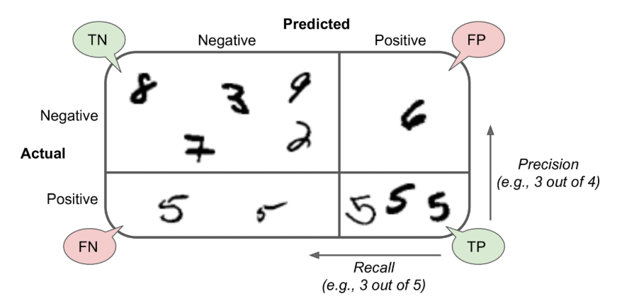 - A confusion matrix gives you a lot of information, but sometimes you may prefer a more concise metric. An interesting one to look at is the accuracy of the positive predictions; this is called the precision of the classifier. PRECISION = TP / (TP + FP) TP is the number of true positives; FP is the number false positives. - A trivial way to have perfect precision is to make one single positive prediction and ensure it is correct (precision = 1/1 = 100%) - but this would not be very useful, since the classifier would ignore all but one positive instance. So precision is typically used along with another metric named recall, also called sensitivity to the true positive rate (TPR). RECALL=TP/(TP+FN) TP is the number of true positives and FN is the number of False Negatives. |  |  |  |  | # Precision and Recall from sklearn.metrics import precision_score, recall_score print(confusion_matrix(y_train_5, y_train_pred)) # PRECISION = TP / (TP + FP) => 4104 / (4104 + 976) precision_score(y_train_5, y_train_pred) recall_score(y_train_5, y_train_pred) [[53603 976] [ 1317 4104]] 0.8078740157480315 0.7570558937465413
75 | 4. F1 score | - It is often convinient to combine precision and recall into a single metric called F1 score, in partiular if you need a simple way to compare 2 classifiers. - F1 score is the harmonic mean of precision and recall. F1 = 2 / (1/precision + 1/recall) => 2 x (precision x recall / (precision + recall) => TP / (TP + ((FN + FP)/2)) - As always, it purely depends. say for child safe videos you may prefer low recall (reject even good videos) but a high precision - keep only safe ones. - in these cases, you may want to add a "human pipeline" to check the classifier's video selection. - On the other hand, suppose you train a classifier to detect shoplifters in surveillance images, it is probably fine if your classifier is only 30% precision as long as it has 99% recall (sure, the security guards will get a few false alerts, but almost all shoplifters will be caught) Increasing precision reduces recall and vice versa. This is called precision / recall trade off. |  |  |  |  | # F1 score from sklearn.metrics import f1_score f1_score(y_train_5, y_train_pred) 0.7816398438243977
76 | 5. Precision / Recall Trade-off | - To understand this trade-off, we should use something called a Decision function. If the score is greater than threshold, it assigns instance to positive class otherwise to negative class. - Does not assign threshold directly but it does give you access to decision scores that it uses to make predictions. Instead of calling classifier's predict() method, we can use decision_function() method, which returns the score for each instance, and then use any threshold you want to make predictions based on these scores. - Remember - - to select a good precision / recall tradeoff is to plot precision directly against recall. - so if someone asks you to have so much precision, the immediate question should be at what recall? |  |  |  |  | def plot_precision_recall_vs_threshold(precisions, recalls, thresholds): plt.plot(thresholds, precisions[:-1], "b--", label="Precision") plt.plot(thresholds, recalls[:-1], "g-", label="Recall") plot_precision_recall_vs_threshold(precisions, recalls, thresholds) plt.show() threshold_90_precision = thresholds[np.argmax(precisions >= 0.90)] # ~7816 y_train_pred_90 = (y_scores >= threshold_90_precision) threshold_90_precision = thresholds[np.argmax(precisions >= 0.90)] # ~7816 precision_score(y_train_5, y_train_pred_90) recall_score(y_train_5, y_train_pred_90)
77 | 6. ROC Curve | 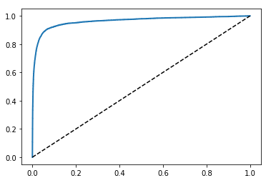 - ROC (Receiver operating characteristic curve) is another common tool used with binary classifiers. It is very similar to the precision / recall curve. - ROC curve plots the false positive rate against the true positive rate for all possible thresholds; - Instead of plotting precision versus recall, the ROC curve plots the true positive rate (another name for recall) against false positive rate (FPR). - The FPR is the ratio of negative instances that are incorrectly classified as positive. It is equal to 1 - the True Negative Rate (TNR), which is the ratio of the negative instances that are correctly classified as Negative. The TNR is also called Specificity. Hence the ROC curve plots sensitivity (recall) vs. 1 - specificity. - Once again there is a trade-off: the higher the recall (TPR), the more false positives (FPR) the classifier produces. - One way to comprare classifiers to measure the area under the curve (AUC). A perfect classifier will have ROC AUC equal to 1, whereas purely random classifier will have a ROC AUC equal to 0.5. Scikit-Learn provides a function to compute the ROC AUC. - The dotted line is the ROC curve. - ROC is similar to Precision / Recall Curve (PR). When to use what? - PR Curve - whenever positive class is rare or when you care more about false positivies than false negatives. - ROC - when you care more about false negatives than false positives. - the roc_auc_score for RandomForestClassifier is 0.9983436731328145, which is not too bad. - So to train binary classifiers (positive or negative class), Steps 1. choose the appropriate metric for your task, 2. evaluate your classifiers using Cross-Validation, select the precision / recall trade-off that fits your needs, and use ROC curves and ROC AUC scores to compare various models. |  |  |  | from sklearn.metrics import roc_auc_score | from sklearn.metrics import roc_auc_score roc_auc_score(y_train_5, y_scores) output: 0.962647024223004 For Random forest # RandomForestClassifier and compare its ROC curve and ROC AUC score to those of SGDClassifier. from sklearn.ensemble import RandomForestClassifier forest_clf = RandomForestClassifier(random_state=42) y_probas_forest = cross_val_predict(forest_clf, X_train, y_train_5, cv=3, method="predict_proba") # ROC curve y_scores_forest = y_probas_forest[:, 1] # Score = proba of positive class fpr_forest, tpr_forest, thresholds_forest = roc_curve(y_train_5, y_scores_forest) # Now plot the curve plt.plot(fpr, tpr, "b:", label="SGD") plot_roc_curve(fpr_forest, tpr_forest, "Random Forest") plt.legend(loc="lower right") plt.show() roc_auc_score(y_train_5, y_scores_forest) Output: 0.9983436731328145
78 | Multi Class Classifications | - Binary classifiers distinguish between two classes, multiclass classifiers (also multinomial classifiers) can distinguish between more than two classes. - Capable of handling multiclass - SGD Classifiers - Random Forest Classifiers - Naïve Bayes Classifiers - Capable of only handling binary - Logistic Regression - Support Vector Machines Strategies - One-versus-all (OVR) - One-versus-one (OVO)
79 | OVR - One Versus all strategy | - One way to create a system that classify digit images is to train one image at a time. - say you want to detect 10 images (0-9) then you have to write one binary classifer for each digit (0-detector; 1-detector; 2-detector etc.,) - After detecting, based on the decision score from each classifier for that image you select the class whose outputs the highest score. - This is called one-versus-the-rest (OVR) also called as one-versus-all strategy. - For most binary classification algorithms OVR is preferred.
80 | OVR - One Versus one strategy | - Another strategy is to train binary classifier for every pair of images. - one to distinguish 0's to 1's and another to distinguish 0's and 2's and another for 1's and 2's and so on. - This is called one-versus-one (OVO) strategy. - If there are N classes, you need to trian N X (N-1) / 2 classifiers. For the MNIST problem, this means training 45 binary classifiers! When you want to classify the image, you have to run the image through all 45 binary classifiers and see which class wins the most duels. - The main advantage of OVO is that each classifier only needs to be trained on the part of the training set for the two classes that it must distinguish. - Some algorithms (such as SVM) will scale poorly with the size of training set. For these algorithis OVO is prefereed because it is faster to train many classifiers on small training sets rather than training few classifiers on large training sets. - For most binary classification algorithms OVR is preferred. - Scikit-Learn detects when you try to use a binary classification algorithm for a multiclass classification task, and it automatically runs OvR or OvO, depending on the algorithm. Let's try this with a Support Vector Machien Classifier using sklearn.svm.SVC class. - Warning - when a classifier is trained, it stores the list of target classes in classes_attribute, ordered by value. In this case, the index of each class in classes_ array conviniently matches the class itself (eg., the class at index 5 happens to be class 5), but in general you won't be so lucky. Code: - The Scikit-Learn did not have to run OvR or OvO because SGD classifiers can directly classify instances into multiple classes. - The decision_function method now returns one value per class. - the sgd classifier is fairly confident about its prediction: almost all scores are largely negative, while class 5 has a score of 2412.5. This model has a slight doubt regarding class 3 which is 573.5. - Evaluate this classifier using cr |  |  |  | from sklearn.svm import SVC from sklearn.preprocessing import StandardScaler | # Training an SGDClassifier (or a RandomForestClassifier) is just as easy: from sklearn.svm import SVC svm_clf = SVC() svm_clf.fit(X_train, y_train) svm_clf.predict([some_digit]) some_digit_Scores = svm_clf.decision_function([some_digit]) array([[-15955.22628, -38080.96296, -13326.66695, 573.52692, -17680.68466, 2412.53175, -25526.86498, -12290.15705, -7946.05205, -10631.35889]]) some_digit_scores np.argmax(some_digit_scores) svm_clf.classes_ cross_val_score(sgd_clf, X_train, y_train, cv=3, scoring="accuracy") array([0.8489802 , 0.87129356, 0.86988048]) # Standardscaler from sklearn.preprocessing import StandardScaler scaler = StandardScaler() X_train_scaled = scaler.fit_transform(X_train.astype(np.float64)) cross_val_score(sgd_clf, X_train_scaled, y_train, cv=3, scoring="accuracy")
81 | Error Analysis | - Once you explored data, tried out multiple models (shortlist the best ones), fine=tuned their hyperparameters using GridSearchCV and automate as much as possible. - Assuming that a promising model has been found, you want to find ways to improve it. One way to do it is to analyze the types of errors it makes. First - Look at the confusion matrix. Make predictions using cross_val_predict() function then call confusion_matrix() function. - To focus on error, fill the diagnol with 0 and get the plot done. - you can clearly see the kind of errors it makes . Rows - represent actual classes; columns represents predicted classes. - Analyzing the confusion matrix often gives you insights into ways to improve your classifier. and you can train the mis-classified numbers more. - Or you could engineer new feature - say, analyzing the number of closed loops (8 has 2; 6 has 1 and 5 has none etc). or you could preprocess the images (eg., using Scikit-Image, Pillow or OpenCV) to make some patterns, such as closed loops, stand out more etc. - Analyzing individual errors can also be a good way to gain insights on what classifier is doing and why it is failing. |  |  |  |  | y_train_pred = cross_val_predict(sgd_clf, X_train_scaled, y_train, cv=3) conf_mx = confusion_matrix(y_train, y_train_pred) plt.matshow(conf_mx, cmap=plt.cm.gray) plt.show() # Focusing on errors np.fill_diagnol(norm_conf_mx, 0) plt.matshow(norm_conf_mx, cmap=plt.cm.gray) plt.show() # Analyzing cl_a, cl_b = 3, 5 X_aa = X_train[(y_train == cl_a) & (y_train_pred == cl_a)] X_ab = X_train[(y_train == cl_a) & (y_train_pred == cl_b)] X_ba = X_train[(y_train == cl_b) & (y_train_pred == cl_a)] X_bb = X_train[(y_train == cl_b) & (y_train_pred == cl_b)] plt.figure(figsize=(8,8)) plt.subplot(221); plot_digits(X_aa[:25], images_per_row=5) plt.subplot(222); plot_digits(X_ab[:25], images_per_row=5) plt.subplot(223); plot_digits(X_ba[:25], images_per_row=5) plt.subplot(224); plot_digits(X_bb[:25], images_per_row=5) plt.show()
82 | Multilabel Classification | - Until now, each instance is always been assigned to one class. - In some instances, you may want your classifier to output multiple classes for each instance. Eg., face recognition classifier - what should it do to classify several faces from the same picture? it should attach one tag per person it recognizes. - say a system is trained to identify Alice, Bob and Charlie and the picture has Alice and Charle it should return [1,0,1) ie., Alice - yes; bob - no and charlie - yes. - Such classification system that outputs multiple binary tags is called "Multilabel Classification systems" - There are multiple ways to evaluate a Multilabel classifier, and selecting the right metric is important. |  |  |  |  | from sklearn.neighbors import KNeighborsClassifier y_train_large = (y_train >= 7) y_train_odd = (y_train % 2 == 1) y_multilabel = np.c_[y_train_large, y_train_odd] knn_clf = KNeighborsClassifier() knn_clf.fit(X_train, y_multilabel) # value = 5; not large; and it is odd - true. some_digit = X[0] knn_clf.predict([some_digit]) # Evaluate y_train_knn_pred = cross_val_pred(knn_clf, X_train, y_multilabel, cv=3) f1_score(y_multilabel, y_train_knn_pred, average="macro")
83 | Multi Output Classification | - Last type of Classification task is multioutput-multiclass classification or simply multioutput classification. - Build a classifier that removes noise from the images and it will take input of noisy image and get output as clean digit image - represented as an array of pixel intensities, just like MNIST image. - one label per pixel and each label can have multiple values ranging from 0 to 255. it is an example of multioutput classification. - Multioutput is not limited to classification task. it can be used for regression also. |  |  |  |  | noise = np.randint(0, 100, (len(X_train), 784)) X_train_mod = X_train + noise noise = np.random.randint(0, 100, (len(X_test), 784)) X_test_mod = X_test + noise y_train_mod = X_train y_test_mod = X_test knn_clf.fit(X_train_mod, y_train_mod) clean_digit = knn_clf.predict([X_test_mod[some_index]]) plot_digit(clean_digit)
84 | Training Models | - Linear Regression - The Normal Equation - Gradient Descent - Batch Gradient Descent - Stochastic Gradient Descent - Mini-batch Gradient Descent - Polynomial Regression - Learning curves - Regularized Linear Models - Ridge Regression - Lasso Regression - Elastic Net - Early Stopping - Logistic Regression - Estimating Probabilities - Training and Cost Function - Decision Boundaries - Softmax Regression |  |  |  |  | http://10.241.11.16:9000/notebooks/Lakshmi/ML_Fundamentals/Hands-On%20Machine%20Learning%20with%20Scikit-Learn%2C%20Keras%2C%20and%20TensorFlow%2C%202nd%20Edition/4.%20Training%20Models.ipynb
85 | Linear Regression | - Linear model makes a prediction by simply computing a WEIGHTED SUM of the input features, plus a constant called the BIAS TERM (also called INTERCEPTION TERM) - Bias term is θ0 In the equation: - ŷ is the predicted value - n is the number of features - xi is the ith feature value - θj is the jth model parameter (including the bias term θ0 and the feature weights θ1, θ2, ⋯, θn). - Vectorized form - In this equation: - θ is the model's parameter vector, containing the bias term θ0 - x is the instance's feature vector, containing x0 to xn, with x0 always equal to 1. - θ . x is the dot product of vectors θ and x, which is of course equal to - hθ is the hypothesis function, using the model parameter θ. So how do we train Linear Regression model: - training a model means setting its parameters so that the model best fits the training set. - For this purpose, we first need a measure of how well or poorly the model fits the training data. - Most common performance measure of regression model is Root Mean Square Error (RMSE). Therefore to train a LR model, we need to find the value of θ that minimizes the RMSE (aka - Minimize COST). It is simpler to minimize the mean square error (MSE) than to minimize RMSE, and it leads to the same result (because the value that minimizes a function also |  | Andrew NG's explanation - Say you have a training set of Size in Square feet and Price for that Square feet (Label). Now how do you use this? - Take the training set - Feed it into a learning algorithm - Algorithm outputs a function (denoted h or y hat as per above). h = hypothesis. - This function takes an input (eg., size of new house) - Tries to output the estimated value of Y. - How do we represent hypothesis h? hθ(x) = θ0 + θ1x - What does this mean? - means that Y is a linear function of x. θi are parameters ▪ θ0 is zero condition ▪ θ1 is gradient - This kind of function is a Linear Regression with one variable. Also called Univariate Linear Regression. So in summary, - A hypothesis takes in some variable - Uses parameters determined by learning system - Outputs a prediction based on that input. In Machine Learning - Vectors are often represented as column vectors, which are 2D arrays with a single column. If θ and X are column vectors then the prediction is yˆ=θ⊺x . where θT is the transpose.
86 | - Cost function |  |  | - A cost function lets us figure out how to fit the best straight line to our data. -
87 | - The Normal Equation | - To find the value of θ that minimizes the cost function, there is a closed-form solution - in other words, a mathematical equation that gives the result directly. This is called the Normal equation. - θˆ is the value of θ that minimizes the cost function. - y is the vector of target values containing y(1) to y(m) |  |  |  |  | # Linear Equation. Normal Equation # Linear Equation. Normal Equation. import numpy as np import matplotlib.pyplot as plt X = 2 * np.random.rand(100, 1) y = 4 + 3 * X + np.random.randn(100, 1) plt.scatter(X, y) plt.show() X_b = np.c_[np.ones((100,1)), X] # add x0 = 1 to each instance theta_best = np.linalg.inv(X_b.T.dot(X_b)).dot(X_b.T).dot(y) # Transpose because 2D column array. theta_best #The function that we used to generate the data is y = 4 + 3x1 + Gaussian noise. # the output is theta 0 and theta 1 # now make the prediction using theta hat Output: array([[3.91625066], [3.09669116]]) X_new = np.array([[0], [2]]) X_new_b = np.c_[np.ones((2, 1)), X_new] y_predict = X_new_b.dot(theta_best) y_predict Output: array([[ 3.91625066], [10.10963299]]) plt.plot(X_new, y_predict, "r-") plt.plot(X, y, "b.") plt.axis([0, 2, 0, 15]) plt.show() # Performing Linear Regression using Scikit Learn from sklearn.linear_model import LinearRegression # instantiate lin_reg = LinearRegression() lin_reg.fit(X, y) print (lin_reg.intercept_, lin_reg.coef_) lin_reg.predict(X_new) # The Linear Regression class is based on the scipy.linalg.lstsq() function (the name stands for least squares), # which you could call directly Output: [3.91625066] [[3.09669116]] array([[ 3.91625066], [10.10963299]]) theta_best_svd, residuals, rank, s = np.linalg.lstsq(X_b, y, rcond=1e-6) theta_best_svd Output: array([[3.91625066], [3.09669116]]) np.linalg.pinv(X_b).dot(y) Outcome: array([[3.91625066], [3.09669116]])
88 | - Computational Complexity | - The Normal Equation computes the inverse of X⊺ X, which is an (n + 1) × (n + 1) matrix (where n is the number of features). The computational complexity of inverting such a matrix is typically about O(n2.4) to O(n3), depending on the implementation. In other words, if you double the number of features, you multiply the computation time by roughly 22.4 = 5.3 to 23 = 8. - The SVD approach used by Scikit-Learn’s LinearRegression class is about O(n2). If you double the number of features, you multiply the computation time by roughly 4.
89 | Gradient Descent | 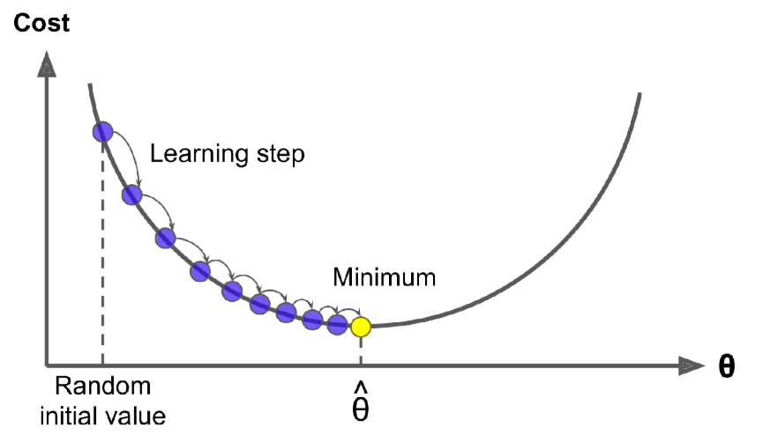 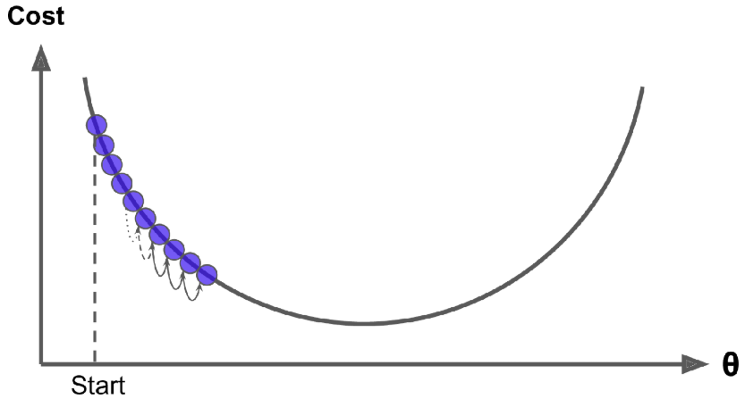 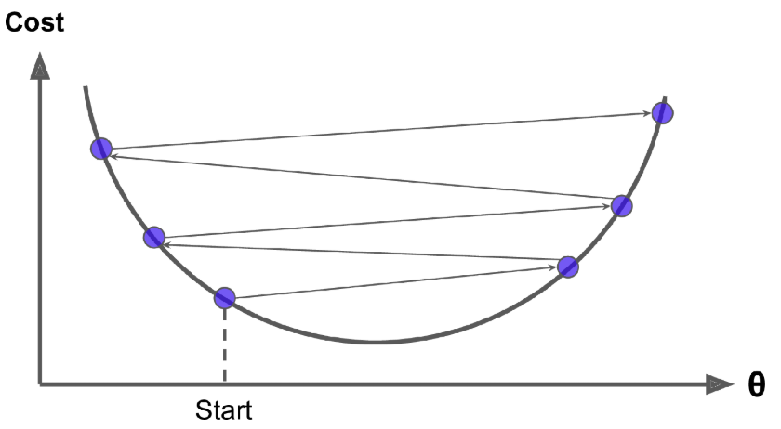 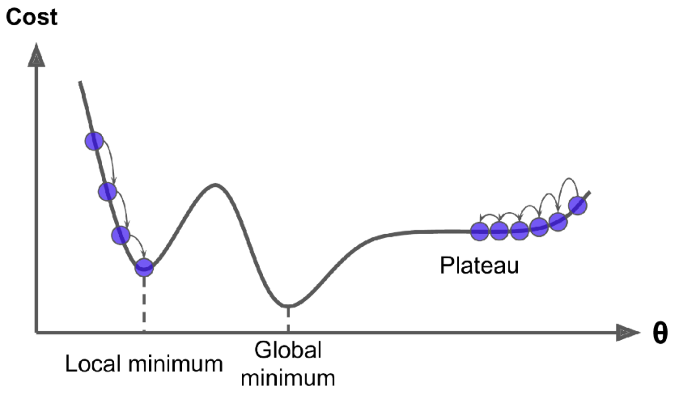 - Gradient Descent is a generic algorithm capable of finding optimal solution to a wide range of problems. - Tweak the paramters iteratively in order to minimize a cost function. - Best example - Mountains and what is the best way to reach to the bottom point of the mountain quickly. - So gradient descent measures the Local Gradient of the error function with regard to the parameter of a vector (theta) and it goes in the direction of descending gradient. - Once the gradient is zero, you have reached a minimum. - first you start filling θ with random value (random initalization) then you improve it gradually until the algorithm converges to a minimum. You do it one baby step at a time attempting to decrease the cost function (eg., the MSE). The factor that you take to reduce is called the learning rate - it should not be so big that you will skip the minimum. - Learning Rate: The size of the step is the important parameter or LEARNING RATE HYPERPARAMETER. If the learning rate is too small, then the algorithm will have to go through many iterations to converge, which will take a very long time. On the other hand, if it too big, it will miss the minima. - finding a cost for the regular concave is easier. But not all cost functions will be bowl shaped. There may be holes, ridges, platues etc., which will make it difficult to locate the minimum. - For such cases, keep finding the local minima and find the global minima finally. This is convex function and also a continuous function with a slope that never changes abruptly.
90 | - Batch Gradient Descent | 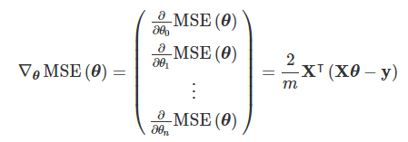 - To implement Gradient Descent, you need to compute the gradient of the cost function with regard to each model paramter θj. - You need to calculate, how much the cost function will change if you change θj just a little bit. This is called Partial Derivative. - Eg., how much is the slope if i face east and the same question, if i face say north and so on... - Partial Derivative of the Cost Function - Gradient Vector of the Cost function - Convergence Rate: When the cost function is convex and its slope does not change abruptly (as is the case for the MSE cost function), Batch Gradient Descent with a fixed learning rate |  |  |  |  | eta = 0.1 # Learning rate n_iterations = 1000 m = 100 theta = np.random.randn(2, 1) # random initialization for iteration in range(n_iterations): gradient = 2/m * X_b.T.dot(X_b.dot(theta) - y) theta = theta - eta * gradient theta output: array([[3.91625066], [3.09669116]])
91 | - Batch Size | - Total number of training examples present in a single batch. - You can't pass an entire data set at once - so you divide the dataset into number of batches.
92 | - Epochs | https://towardsdatascience.com/epoch-vs-iterations-vs-batch-size-4dfb9c7ce9c9 '- We will learn more. But one Epoch is when an ENTIRE dataset is passed forward and backward through the neural network once.
93 | - Iterations | - Iterations is the number of batches needed to complete one epoch.
94 | - Stochastic Gradient Descent | - Main problem with Batch Gradient Descent is it uses the whole training set to compute the Gradients at every setp, which makes it very slow when the training set is large. - At the opposite extreme, Stochastic Gradient Descent picks a random instance in the training set at every step and computes the gradients based only on that single instance. - Making a single instance at a time makes the algorithm much faster because it has very little data to manipulate at every iteration. - On other hand, due to its stochastic nature, this algorithm is much less regular than Batch Gradient Descent; instead of gently decreasing unit it reaches the minimum, the cost function will bounce up and down, decreasing only an average. - Since the instances are picked randomly, certain instances are picked several times per epoch, while others may not be picked at all. - If you want to be sure that the algorithm goes through every instance at each epoch, another approach is to shuffle the training set. - To perform Linear Regression using Stochastic Gradient Descent with Scikit-Learn you can use the SGD Regressor class, which defaults to optimizing the squared error function. |  |  |  |  | n_epochs = 50 t0, t1 = 5, 50 # Learning schedule hyperparameters def learning_schedule(t): return t0 / (t + t1) theta = np.random.randn(2, 1) # Random initialization for epoch in range (n_epochs): for i in range(m): random_index = np.random.randint(m) xi = X_b[random_index:random_index+1] yi = y[random_index:random_index+1] gradients = 2 * xi.T.dot(xi.dot(theta) - yi) eta = learning_schedule(epoch * m + i) theta = theta - eta * gradients theta array([[3.90226455], [3.06778954]]) # Stochastic using sklearn # Sklearn SGD from sklearn.linear_model import SGDRegressor sgd_reg = SGDRegressor(max_iter=1000, tol=1e-3, penalty=None, eta0=0.1) sgd_reg.fit(X, y.ravel()) print(sgd_reg.intercept_, sgd_reg.coef_) Output: [3.97734343] [3.18376692]
95 | - Mini-batch Gradient Descent | 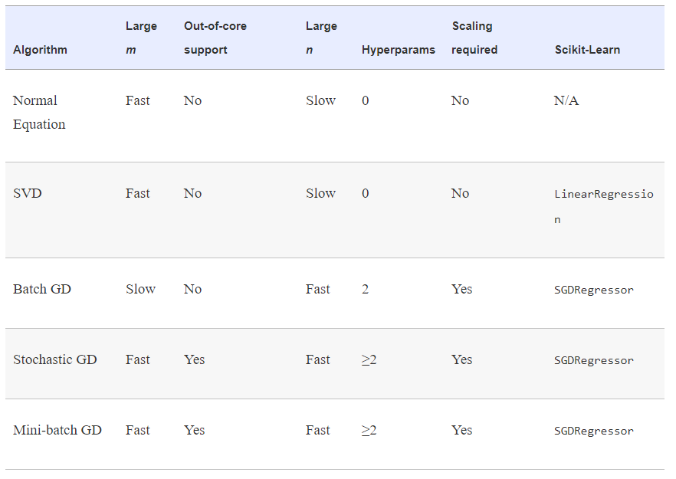 - The last Gradient Descent Algorithm we will look at is called Mini-batch Gradient Decent. It is simple to understand once you know Batch and Stochastic Gradient Descent - the Algorithm's process in parameter space is less erratic than with Stochastic GD, especially with fairly large mini-batches. - The main advantage of Mini-batch GD over Stochastic GD is that you can get a performance boost from hardware optimization of matrix operations, especially when using GPU's. - The algorithm's progress in parameter space is less erratic than with Stocahstic GD, especially with fairly large mini-batches. - As a result, Mini-batch GD will end up walking around a bit closer to the minimum than Stochastic GD - but it may be harder for it to escape from local minima.
96 | - Polynomial Regression | - What if your data is more complex than a straight line? Surprisingly, you can use a linear model to fit nonlinear data. A simple way to do this is to add powers of each feature as new features, then train a linear model on this extended set of features. The technique is called Polynomial Regression. |  |  |  |  | from sklearn.preprocessing import PolynomialFeatures ply_features = PolynomialFeatures(degree=2, include_bias=False) X_poly = ply_features.fit_transform(X) print(X[0]) print(X_poly[0]) Output: [-0.95385103] [-0.95385103 0.9098318 ] lin_rg = LinearRegression() lin_reg.fit(X_poly, y) lin_reg.intercept_, lin_reg.coef_ Output (array([1.84486676]), array([[0.94624853, 0.54289615]]))
97 | - Learning curves | - If you perform high degree Polynomial regression, you will likely fit the training data much better than with plain Linear Regression - For eg., applies a 300-degree polynomial model to the preceeding training data, and compares the result with a pure linear model and a quadratic model (second degree polynomial) different types - 10 degree and how it mergers. |  |  |  |  | #learning curves from sklearn.metrics import mean_squared_error from sklearn.model_selection import train_test_split def plot_learning_curves(model, X, y): X_train, X_val, y_train, y_val = train_test_split(X, y, test_size=0.2) train_errors, val_errors = [], [] for m in range(1, len(X_train)): model.fit(X_train[:m], y_train[:m]) y_train_predict = model.predict(X_train[:m]) y_val_predict = model.predict(X_val) train_errors.append(mean_squared_error(y_train[:m], y_train_predict)) val_errors.append(mean_squared_error(y_val, y_val_predict)) plt.plot(np.sqrt(train_errors), "r-+", linewidth=2, label="train") plt.plot(np.sqrt(val_errors), "b-", linewidth=3, label="val") lin_reg = LinearRegression() plot_learning_curves(lin_reg, X, y) from sklearn.pipeline import Pipeline polynomial_regression = Pipeline([ ("poly_features", PolynomialFeatures(degree=10, include_bias=False)), ("lin_reg", LinearRegression()) ]) plot_learning_curves(polynomial_regression, X, y)
98 | - BIAS / VARIANCE Trade-off | - Model Generalization error = sum of 3 different errors 1. Bias - Due to wrong assumptions, such as assuming that the data is linear when it is actually quadratic. A high-bias model is most likely to underfit the training data. 2. Variance - This part is due to model's excessive sensitivity to small variations in the training data. A model with many degrees of freedom is likely to have high variance and this overfit the training data. 3. Irreducible error - This part is due to the nosiness of the data itself. The only way to reduce this part of the error is to clean up the data (eg., fix the data sources, such as broken sensors, or detect and remove outliers)
99 | - Regularized Linear Models | - Good way to reduce overfitting is to regularize the model (ie., to constrain it): the fewer degrees of freedom it has, the harder it will be for it to overfit the data. - For a linear model, regularization is typically achieved by constraining the weights of the model. - Ridge - Lasso - Elastic net
100 | - Ridge Regression | 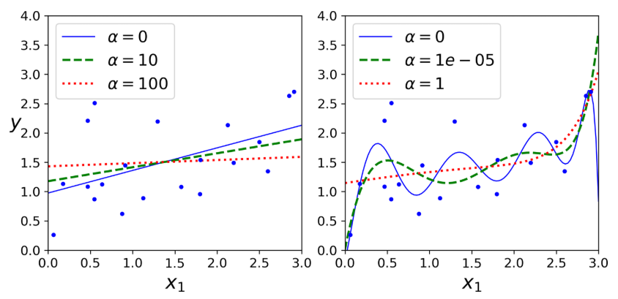 - Ridge Regression - also called Tikhonov Regularization is a regularized version of Linear Regression - a Regularization Term equal to is added to the cost function - This forces the learning algorithm to not only fit the data but also keep the model wiehgts as small as possible. - Note that the regularization term should only be added to the cost function during the training. Once the model is trained, you want to use the unregularized performance measures to evaluate the model's performance. - The hyperparameter alpha controls how much you want to regularrize the model. if alpha =0, then Ridge Regression is just linear regression. if alpha is very large, then all weights add up very close to zero and the result is a flat line going through the data's mean. Ridge Regression Cost function: - It is important to scale the data before you start. - As with Linear Regression, we can perform Ridge Regression either by computing a closed-form equation by by performing Gradient Descent. Pros and cons are the same. - Closed form solution - Penalty hyperparameter sets the type of regularization term to use. Specifying "12" indicates that you want SGD to add a regularization term to the cost function equal to half the square of ℓ2 norm of the weight vector: this is simply Ridge Regression. |  |  |  |  | #Ridge # RIDGE from sklearn.linear_model import Ridge ridge_reg = Ridge(alpha=1, solver="cholesky") ridge_reg.fit(X, y) ridge_reg.predict([[1.5]]) array([[4.88269108]]) # Gradient Descent sgd_reg = SGDRegressor(penalty="l2") sgd_reg.fit(X, y.ravel()) sgd_reg.predict([[1.5]]) array([4.84826457])
101 | - Lasso Regression | 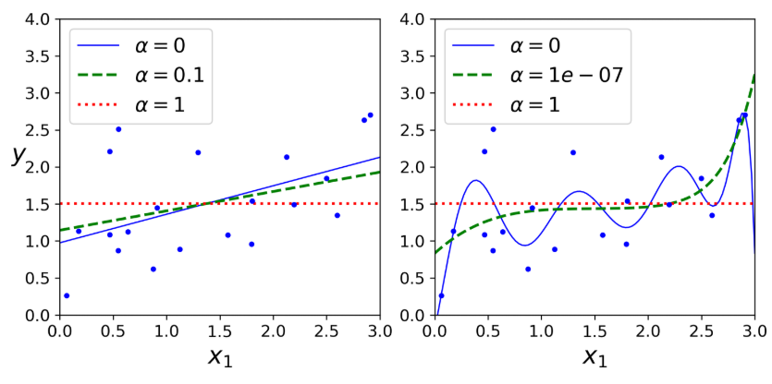 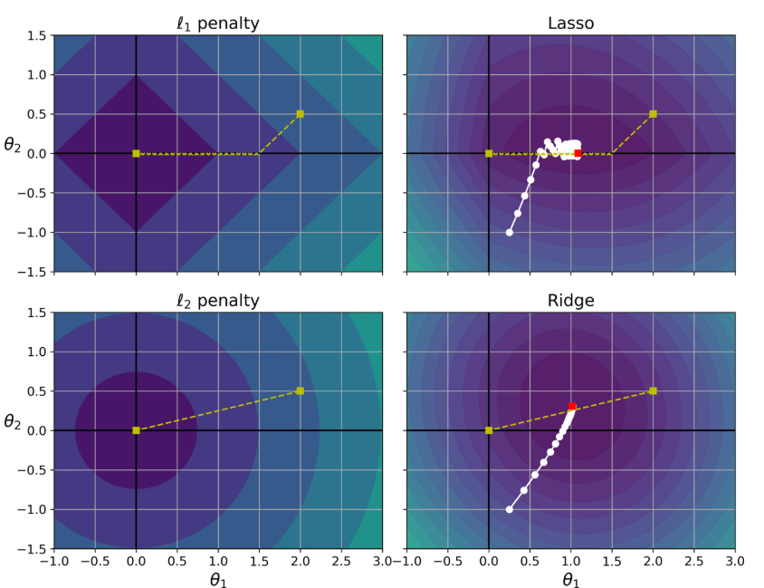 - Least Absolute Shrinkate and Selection Operator Regression (called LASSO Regression) is another regularized version of Linear Regression - just like Ridge. It adds a regularization to cost function, but it uses ℓ1 norm of the weight vector instead of half the square of the ℓ2 norm. - Lasso Regression Cost function - - below figure is same as Ridge but replaces Ridge with Lasso models and uses smaller alpha values. - The most important characterestic of Lasso Regression is that it tends to eliminate the weights of least important features (ie., set them to zero) - Both shows the same thing but wiht ℓ2 instead. look at how Gradient Descent takes a straight path towards the point... The contours in the chart represents Ridge Regression's cost function (MSE cost function + ℓ2 loss). There are two main difference between Lasso and Ride 1. Gradient gets smaller as the parameters approach the global optimum, so Gradient Descent naturally slows down, which helps convergence (as there is no bouncing around). 2. Second, the optimal parameters (represented by the red square) gets closer and closer to the origin when you increase alpha, but they never get eliminated entirely. - The Lasso cost function is not differentiable at θi = 0 (for i = 1, 2, ⋯, n), but Gradient Descent still works fine if you use a subgradient vector g13 instead when any θi = 0. |  |  |  |  | # Lasso Regression from sklearn.linear_model import Lasso lasso_reg = Lasso(alpha=0.1) lasso_reg.fit(X, y) lasso_reg.predict([[1.5]]) array([4.83705053])
102 | - Elastic Net | - Elastic Net is the middle ground between Ridge and Lasso. - Regularization term is a simple mix of both Ridge and Lasso's regularization terms and you can control the mix ratio r. When r= 0, Elastic Net is equivalent to Ridge regression, when r=1 it is equivalent to Lasso Regression - Which ever you use, it is recommended to have little bit of regularization, so generally you should avoid plain Linear Regression. Ridge is a good default, but if you suspect that only a few features are useful, you should prefer Lasso or Elastic Net because they tend to reduce useless features weights down to zero. - In general, Elastic Net is preferred over Lasso - because Lasso may behave erratically when the number of features is greater than the number of training instances or when several features are strongly correlated. |  |  |  |  | from sklearn.linear_model import ElasticNet elastic_net = ElasticNet(alpha=0.1, l1_ratio=0.5) elastic_net.fit(X, y) elastic_net.predict([[1.5]]) array([4.84185148])
103 | - Early Stopping | 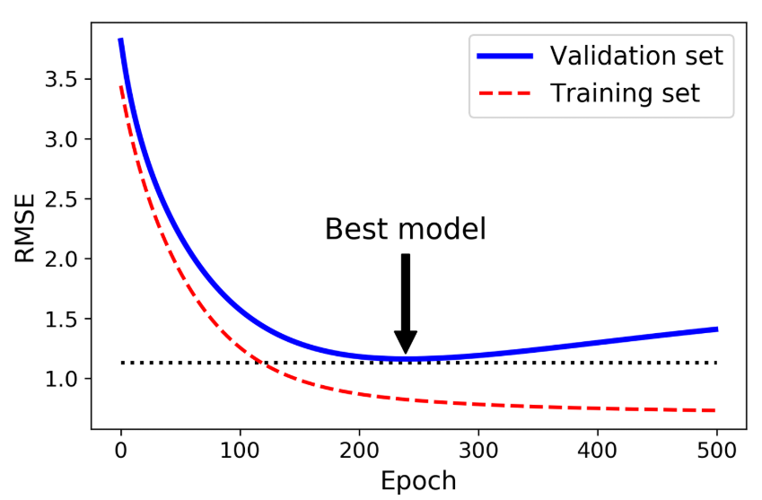 - different way to Regularize iterative learning algorithms such as Gradient Descent is to stop training as soon as the validation error reaches the minimum. - This is called Early Stopping. - Tip: With Stochastic and Mini-batch Gradient Descent, the curves are not so smooth, and it may be hard to know whether you have reached the minimum or not. One solution is to stop only after the validation error has been above the minimum for some time (when you are confident that the model will not do any better), then roll back the model parameters to the point where the validation error was at a minimum.
104 | - Logistic Regression | - Is a classification problem - Logistic Regression is commonly used to estimate the probability that an instance belongs to a particular class (eg., what is the probability that email is spam?) - Probability - whether an even will occur or not. - Or to classify an event under which category. - If the estimated probability is greater than 50% then the model predicts that the instance belongs to that class (called positive class - labeled 1) and otherwise it predicts that it does not (it belongs to negative class - labeled 0). This makes it binary classifier. - Types -Binary Classification - Whether an event will happen or not. 0 or 1. - Non-Binary Classification - How to classify a specific event or item (eg., news category - sports or politics etc.,)
105 | - Estimating Probabilities | - Just like Linear Regression model, a Logistic regression model computes a weighted sum of the input features (plus a bias term), but instead of outputing the result directly like a Linear Regression model does, it outputs LOGISTIC of this result. - Logistic Regression model estimated probability (vectorized term) - The logistic - noted sigam(.) - is a sigmoid function (ie., S-shaped) that outputs a number between 0 and 1. - Logistic function - Logistic Regression Model Prediction
106 | - Sigmoid function | - In the X axis, if you have value between 0 and 1 and try to plot a graph it will be like S which is the Sigmoid function (exactly like above) - If you notice, the Binary classification type of Logistic Regression is going to predict either 0 or 1. And the Sigmoid function is also between 0 and 1. So you can exactly fit the Sigmoid function into the Logistic Regression (Binary Classifier) - In the below equation t can be theta transpose x.
107 | - Training and Cost Function | - How do you train it? - Objective of training is to set the parameter vector θ, so that the model estimates high probabilities for positive instances (y=1) and low probabilities for negative instances (y=0). - This idea is captured by cost function - Say the possibility of whether it will rain or not is the problem for Logistic regression. Let's assume that the threshold is set to 70% (it will rian) anywhere below it it will not rain. - say if we have to create an anology and let's assume we predict a cost of a toy - we say SGD 5 and it turned out to be SGD 7, we can say that there is a error (or additional cost or cost function) of SGD 2 (7 - 5). this can be easily determined as the values are discreet. What if the value is continuous and if we have to compute cost function for something like predicting rain OR spam or not spam, in this case, for Logistic Regression, the cost function will be INFINITE. - So if it predicted 1 instead of 0 or predicted 0 instead of 1, then the cost is infinity -log(1-h(x)) when y = 1; log(h(x)) when y= 0 ; log(1-h(x))
108 | - Decision Boundaries | 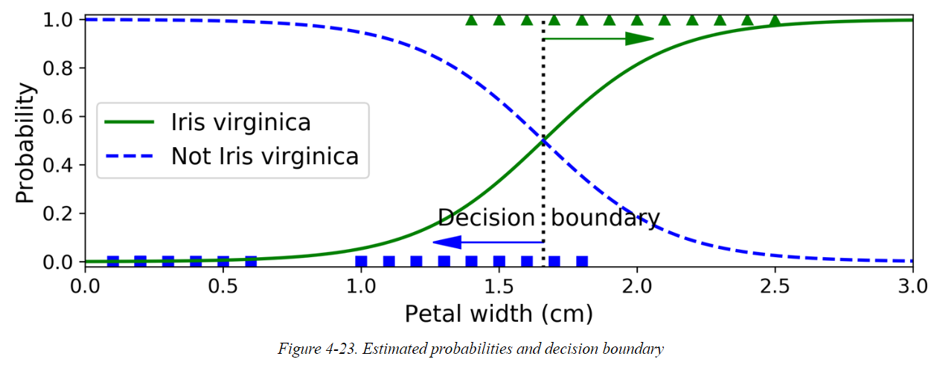 - Just like the other linear models, Logistic Regression models can be regularized using ℓ1 or ℓ2 penalties. Scikit-Learn actually adds an ℓ2 penalty by default. - The hyperparameter controlling the regularization strength of a Scikit-Learn LogisticRegression model is not alpha (as in other linear models), but its inverse: C. The higher the value of C, the less the model is regularized. - Decision boundaries - Intersect between positive and negative. - Decision boundaries: h(x) predicts 1; 1-h(x) predicts 0. Say 70% possiblity to rain = h(x); hence 1-h(x) = 30% - So to come up with that value 1, we need to define a treshold. ie., like in above example, 70% possible that it will rain - so over and above 70% is considered a definite probability that it will rain. and anything lesser than that it will not rain. We compute this using theta... This value is setting treshold. You can do this in linear or non-linear (polynomial)... we shall have different values for theta to derive this and combine the threshold to say whether the probability is 1 or 0. |  |  |  |  | # from sklearn import datasets iris = datasets.load_iris() list(iris.keys()) X = iris["data"][:, 3:] y = (iris["target"] == 2).astype(np.int) # now train logistic regression from sklearn.linear_model import LogisticRegression log_reg = LogisticRegression() log_reg.fit(X, y) #Models estimated probability X_new = np.linspace(0, 3, 1000).reshape(-1, 1) y_proba = log_reg.predict_proba(X_new) plt.plot(X_new, y_proba[:, 1], "g-", label ="Iris virginica") plt.plot(X_new, y_proba[:, 0], "b-", label = "Nor Iris virginica")
109 | - Softmax Regression | - The Logistic Regression model can be generalized to support multiple classes directly, without having to train and combine multiple binary classifiers - This is called Softmax Regression, or Multinomial Logistic Regression - when given an instance x, the Softmax Regression model first computes a score sk(x) for each class k, then estimates the probability of each class by applying the softmax function (also called the normalized exponential) to the scores. The equation to compute sk(x) should look familiar, as it is just like the equation for Linear Regression prediction - Softmax Score In this equation: K is the number of classes. s(x) is a vector containing the scores of each class for the instance x. σ(s(x))k is the estimated probability that the instance x belongs to class k, given the scores of each class for that instance. - Just like the Logistic Regression classifier, the Softmax Regression classifier predicts the class with the highest estimated probability (which is simply the class with the highest score) - The Softmax Regression classifier predicts only one class at a time (i.e., it is multiclass, not multioutput), so it should be used only with mutually exclusive classes, such as different types of plants. You cannot use it to recognize multiple people in one picture.
110 | - Gradient Descent | - convex function - mulitple swaggy curves is the path for logistic regression - ie., it will keep predicting YES / NO for the given problem and it won't be a single convex, but a combination of multiple convex curves for logistic regression. - To identify the global maxima for this kind of swaggy curves / combination of multiple is difficult - first you need to find local optima then go for global in such cases.
111 | - Cross Entropy | 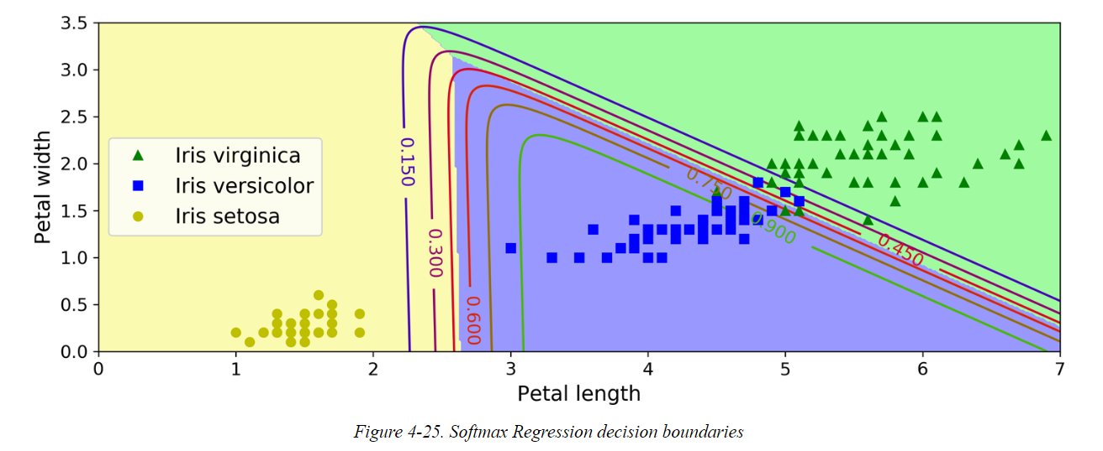 - Originated from Information theory. Cross entropy originated from information theory. Suppose you want to efficiently transmit information about the weather every day. If there are eight options (sunny, rainy, etc.), you could encode each option using three bits because 23 = 8. However, if you think it will be sunny almost every day, it would be much more efficient to code “sunny” on just one bit (0) and the other seven options on four bits (starting with a 1). Cross entropy measures the average number of bits you actually send per option. If your assumption about the weather is perfect, cross entropy will be equal to the entropy of the weather itself (i.e., its intrinsic unpredictability). But if your assumptions are wrong (e.g., if it rains often), cross entropy will be greater by an amount called the Kullback–Leibler (KL) divergence. The cross entropy between two probability distributions p and q is defined as H(p,q) = —Σx p(x) log q(x) (at least when the distributions are discrete). For more details, check out my video on the subject. - https://www.youtube.com/watch?v=ErfnhcEV1O8 |  |  |  |  | X = iris["data"][:, (2, 3)] # Petal length, petal width y = iris["target"] softmax_reg = LogisticRegression(multi_class="multinomial", solver="lbfgs", C=10) softmax_reg.fit(X, y) softmax_reg.predict([[5, 2]]) softmax_reg.predict_proba([[5, 2]])
112 | Support Vector Machines | 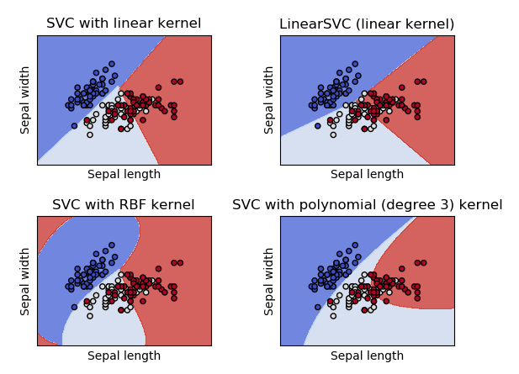 - Logistic is Linear and Non Linear. If we want to further divide, we got for SVM '- Powerful and versatile Machine learning library & outlier detection. Special Ninja. - SVMs are particularly well suited for classification of complex small to medium-sized datasets. Advantages: 1. Effective in high dimensional spaces. 2. Still effective in cases where number of dimensions is greater than the number of samples. 3. Uses a subset of training points in the decision function (called support vectors), so it is also memory efficient. 4. Versatile - Different Kernel functions can be specified for the decision function. Common kernels are provided, but is also possible to specify custom kernels. Disadvantages: 1. If number of features is much greater than the number of samples, avoid over-fitting in choosing Kernel Functions and regularization term is crucial. 2. SVMs do not directly provide probability estimates, these are calculated using an expensive five-fold-cross validation
113 | -Linear SVM Classification | - Two classes that can be easily seperated by a straight line. - Types Large Margin classifiers. Soft Margin Classifiers
114 | - Large Margin Classification | - Solid line represents the decision boundary. The split is very well done on the right diagram. - You can think of SVM classifier as fitting the widest possible street (represented by the parallel dashed lines) between the classes. This is called Large Margin Classifier. - Notice, adding more training instances "off the street" will not affect the decision boundary at all. it is fully determined (or "supported") by the instances located on the edge of the street. These instances are called Support Vectors. circled in the below right. - SVMs are sensitive to the future scales. In the left plot, the vertical scale is much larger than the horizontal scale, so the widest possible street is close to horizontal. After Feature scaling (eg., using Scikit-Learn's StandardScaler), the decision boundary in the right plot looks much better. - Large Margin Classifier also called Equal Margin Classifier. This is a linear classifer. For non-linear, we introduce Kernals. (Later)
115 | - Hard Margin Classification | - If we strictly impose that all the instances must be off the street and on the right side, this is called hard margin classification. - 2 main issues 1. Works fine with data that is linearly seperable 2. It is sensitive to outliers. Left: One outlier, makes it imposible to find a hard margin. Right: the decision boundary ends up very different from the one above (Large margin).. with the outlier, it becomes short margin. - To avoid these issues, use a much more flexible model in order to find a good balance between keeping the street as large as possible and limiting the margin violations.
116 | - Soft Margin Classification |  - The objective is to keep the street as large as possible and limiting the margin violations (ie., instances that end up in the middle of the street or even at the wrong side). This is called Soft Margin Classification. - SVM model using Scikit-Learn has lot of hyperparameters, C is one of the parameter. If we set C to a lower value - it leads to Large Margin. If we set C to a higher value - it leads to short margin - If your SVM model is overfitting, you can try regularizing it by reducing C. - Unlike Logistic Regression classifiers, SVM classifiers do not output probabilities for each class. - Instead of using LinearSVC Class, we could use the SVC class with a linear kernal. When creating the SVC model, we would write SVC(kernal = "linear", C=1) or we could use the SGDClassifier(loss="hinge", alpha = 1/(m*C)). This applies regular Stochastic Gradient Descent to train a linear SVM classifier. It doesn't converge as fast as the LinearSVC, but it can be useful to handle online classification tasks or huge datasets that do not fit in memory (out-of-core training) |  |  |  |  | # Linear SVM import numpy as np from sklearn import datasets from sklearn.pipeline import Pipeline from sklearn.preprocessing import StandardScaler from sklearn.svm import LinearSVC iris = datasets.load_iris() X = iris["data"][:, (2, 3)] # Petal length and width y = (iris["target"] == 2).astype(np.float64) # Iris virginica svm_clf = Pipeline([ ("scaler", StandardScaler()), ("linear_svc", LinearSVC(C=1, loss="hinge")), ]) svm_clf.fit(X, y) svm_clf.predict([[5.5, 1.7]])
117 | -Nonlinear SVM Classification | 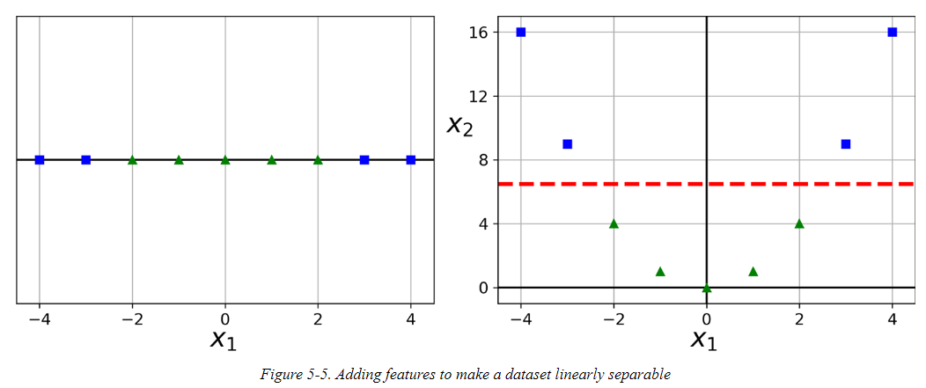 - Although SVM classifiers work very well, in many cases, the dataset is not linearly seperable. - One approach to handle nonlinear datasets is to add more features, such as polynomial features. In some cases it can result in linearly separable datasets. - |  |  |  |  | from sklearn.datasets import make_moons from sklearn.pipeline import Pipeline from sklearn.preprocessing import PolynomialFeatures X, y = make_moons(n_samples=100, noise=0.15) polynomial_svm_clf = Pipeline([ ("poly_features", PolynomialFeatures(degree=3)), ("scaler", StandardScaler()), ("svm_clf", LinearSVC(C=10, loss="hinge")) ]) polynomial_svm_clf.fit(X, y)
118 | - Polynomial Kernel | - Adding Polynomial features is simple to implement and can work with all sorts of ML algorithms (not just SVMs). - Low Polynomial degree: cannot deal with very complex datasets. - High Polynomial degree: Creates a huge number of features, making the model work too slow. - For SVM's, instead of using the Polynomial you can use the Kernal trick. It makes it possible to get the same result as if many polynomial features have been added, even with very high-degree polynomials, without having to actually add them. Tip: A common approach to finding the right hyperparameter values to use grid search. It is often faster to first do a very coarse grid search, then a finer grid search around the best values found. Having a good sense of what hyperparameter actually does can help you search in the right part of the hyperparameter space. |  |  |  |  | # Kernal from sklearn.svm import SVC poly_kernel_svm_clf = Pipeline([ ("scaler", StandardScaler()), ("svm_clf", SVC(kernel="poly", degree=10, coef0=100, C=5)) # Tenth degree polynomial kernal. If model is overfitting, reduce the polynomial kernal ]) poly_kernel_svm_clf.fit(X, y)
119 | - Similarity Features | 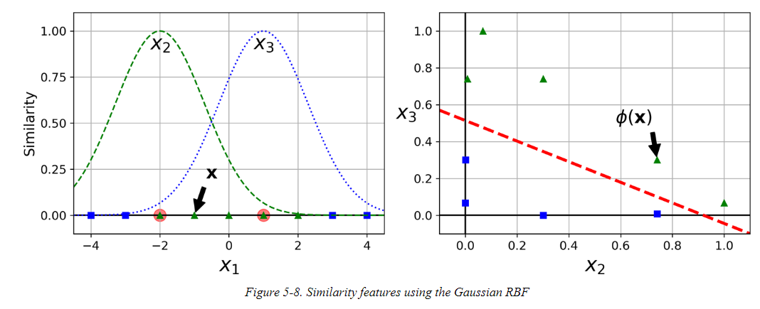 - Another technique to tackle non linear problems is to add features computed using a similarity function, which measures how much each instance resembles a particular landmark. - for example, let's take the ID dataset discussed earlier and add 2 landmarks to it at x1 = -2; and x=1. Next,let's define the similarity function to be the Gaussian radial Basis Function (RBF) with γ=0.3. - This is a bell-shaped function varying from 0 (very far away from the landmark) to 1 (at the landmark). Now we are ready to compute the new features. For example, let’s look at the instance x1 = –1: it is located at a distance of 1 from the first landmark and 2 from the second landmark. Therefore its new features are x2 = exp(–0.3 × 12) ≈ 0.74 and x3 = exp(–0.3 × 22) ≈ 0.30. The plot on the right in Figure 5-8 shows the transformed dataset (dropping the original features). As you can see, it is now linearly separable. - How to create landmarsk: Simplest approach is to create a landmark at the location of each and every instance in the dataset. Doing that creates many dimensions thus increases the chances that the transformed training set will be linearly separable.
120 | - Gaussian RBF Kernel | 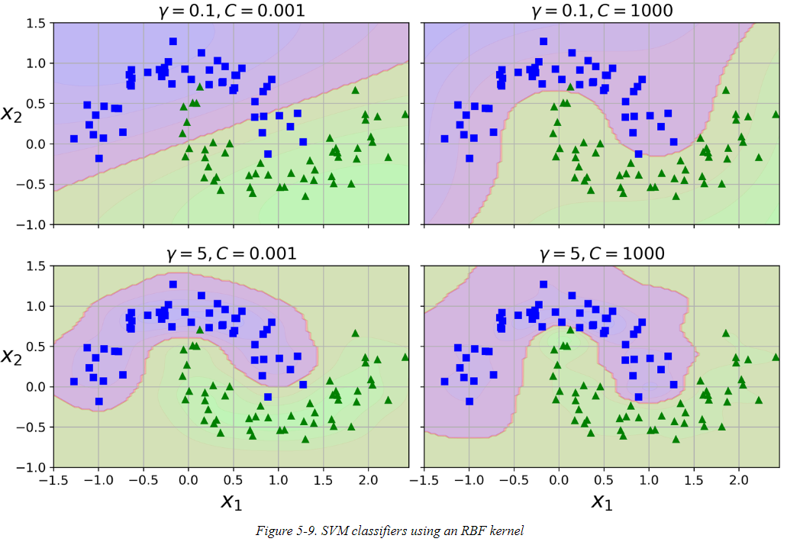 - Just like Polynomial Features methods, the similarity features method can be used with any ML algorithm, but it may be computationally expensive to compute all the additional features, especially on large training sets. - Once again the kernel trick does its SVM magic, making it possible to obtain a similar result as if you had added many similarity features. - Other kernels exists but are used much more rarely. Some kernels are specialized for specific data structures. Eg., String kernels are sometimes used for Classifying text documents or DNA sequences. - Tip: With so many Kernels to choos from - which one you decide to use? - as a rule of thumb - should always try the linear kernel first (remember that LinearSVC is much faster than SVC(kernel = "linear"), especially if the training set is very large or if it has plenty of features. If the training set is not too large, you should also try the Gaussian RBF kernel; it works well in most cases. Then if you have space time and computing power, you can experiment with few other kernels, using Cross-validation and grid search. |  |  |  |  | # RBF Kernel rbf_kernel_svm_clf = Pipeline([ {"scaler", StandardScaler()}, ("svm_clf", SVC(kernel="rbf", gamma=5, C=0.001)) ]) rbf_kernel_svm_clf.fit(X, y)
121 | - Computational Complexity | 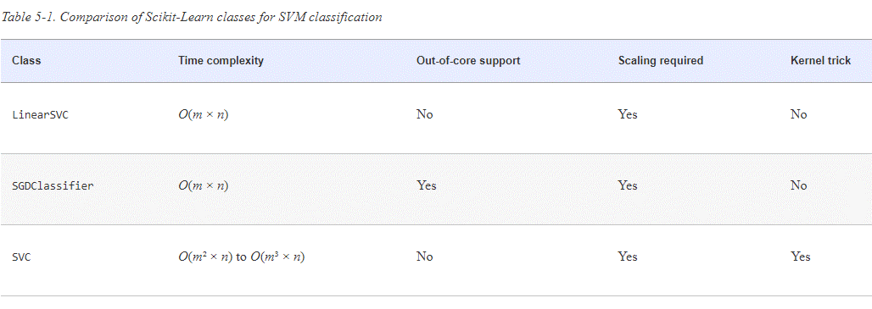 - Linear SVC class is based on liblinear library. It does not support kernal trick but scales almost linearly with the number training instances and number of features. It's training complexity is roughly O(m x n). - Algorithm takes longer if you require very high precission. This is controlled by the tolerance parameter ϵ (called tol in Scikit-Learn). In most classification tasks, the default tolerance is fine.
122 | -SVM Regression | 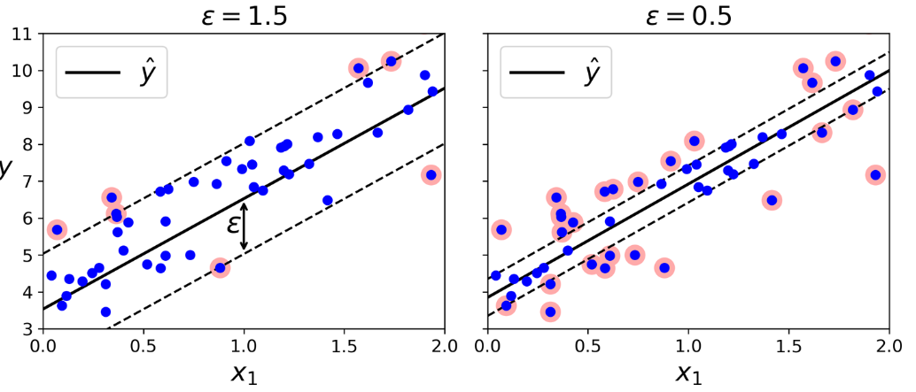 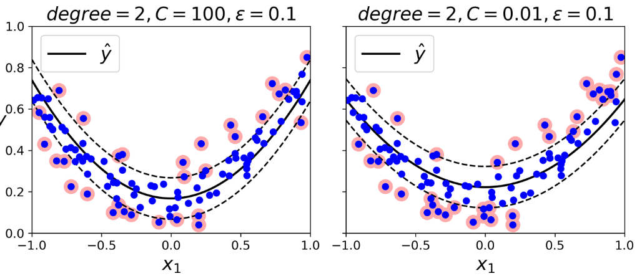 - SVM algorithm is versatile, not only it supports linear and nonlinear classification, but it also supports linear and nonlinear regression. - Instead of trying to fit largest possible street between two classes while limiting margin violations, SVM regression tries to fit many instances as possible on the street while limiting margin violations (eg., instances off the street). The width of the street is controlled by a hyperparameter, ϵ - Adding more training instanes within the margin does not affect the model's predictions: thus the model is said to be ϵ-insensitive. - To tackle the nonlinear regression tasks, we can use a kernelized SVM model - using a second degree polynomial kernal. This is little regularization in the left plot and much more on the right plot (ie., a small C value) |  |  |  | from sklearn.svm import LinearSVR | from sklearn.svm import LinearSVR svm_reg = LinearSVR(epsilon=1.5) svm_reg.fit(X, y) # Non-Linear Regression Tasks from sklearn.svm import SVR svm_poly_reg = SVR(kernel="poly", degree=2, C=100, epsilon=0.1) svm_poly_reg.fit(X, y)
123 | -Under the Hood | LATER
124 | - Decision Function and Predictions | LATER
125 | - Training Objective | LATER
126 | - Quadratic Programming | LATER
127 | - The Dual Problem | LATER
128 | - The Kernelized SVMs | LATER
129 | - Online SVMs | LATER
130 | Decision Trees | - Versatile ML algorithm. - Can perform both Regression and Classification Tasks. Even multioutput tasks. - Decision Trees are fundamental components of Random Forests. | - Are non-parametric supervised learning method used for classification and regression .Goal is to create a model that predicts the value of the target variable by learning simple decision rules inferred from the data features. Advantages: Simple to understand and to interpret. Trees can be visualised. Requires little data preparation. Other techniques often require data normalisation, dummy variables need to be created and blank values to be removed. Note however that this module does not support missing values. The cost of using the tree (i.e., predicting data) is logarithmic in the number of data points used to train the tree. Able to handle both numerical and categorical data. Other techniques are usually specialised in analysing datasets that have only one type of variable. See algorithms for more information. Able to handle multi-output problems. Uses a white box model. If a given situation is observable in a model, the explanation for the condition is easily explained by boolean logic. By contrast, in a black box model (e.g., in an artificial neural network), results may be more difficult to interpret. Possible to validate a model using statistical tests. That makes it possible to account for the reliability of the model. Performs well even if its assumptions are somewhat violated by the true model from which the data were generated. The disadvantages of decision trees include: Decision-tree learners can create over-complex trees that do not generalise the data well. This is called overfitting. Mechanisms such as pruning (not currently supported), setting the minimum number of samples required at a leaf node or setting the maximum depth of the tree are necessary to avoid this problem. Decision trees can be unstable because small variations in the data might result in a completely different tree being generated. This problem is mitigated by using decision trees within an ensemble. The problem of learning an optimal decision |  |  |  | http://10.241.11.16:9000/notebooks/Lakshmi/ML_Fundamentals/Hands-On%20Machine%20Learning%20with%20Scikit-Learn%2C%20Keras%2C%20and%20TensorFlow%2C%202nd%20Edition/6.%20Decision%20Trees.ipynb
131 | - Training and Visualizing a Decision Tree | - We use DecisionTreeClassifier to make predictions using Decision Trees. - Steps: 1. Load Data 2. DecisionTreeClassifier to train on the dataset with max_depth parameter set 3. Import graphviz and create an image and read the image. This will give you step by step details of the Decision Tree classified for that depth specified. - Reading the Graphviz - Petal length - What is the Gini value (Later. Read Gini) - Gini Impurity. whether the value pertains to the same class or mix. - samples tested - How many instances were tested. - Values - Out of the tested instances what value does each class pertain to. - What class is this. TARGET (PREDICTION) in the tree structure for the given depth. |  |  |  |  | # DecisionTree Classifier on Iris Data set from sklearn.datasets import load_iris from sklearn.tree import DecisionTreeClassifier iris = load_iris() # Dataset print(iris) X = iris.data[:, 2:] # Petal length and width print(X) y = iris.target print(y) tree_clf = DecisionTreeClassifier(max_depth=2) tree_clf.fit(X, y) # Visualize the trained dataset from sklearn.tree import export_graphviz export_graphviz(tree_clf, out_file="Data/iris_tree.dot", # image_path doesn't work feature_names = iris.feature_names[2:], class_names = iris.target_names, rounded=True, filled=True) import graphviz with open ("Data/iris_tree.dot") as f: dot_graph = f.read() display (graphviz.Source(dot_graph))
132 | - Making Predictions | 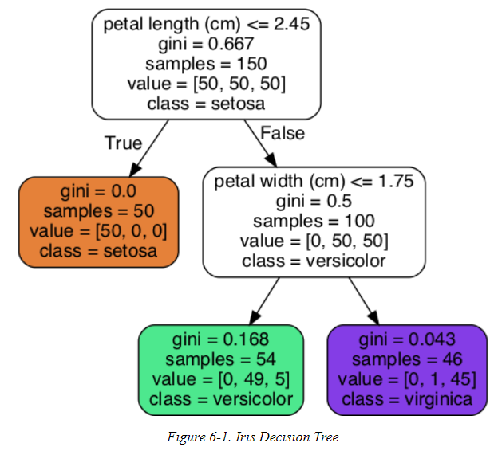 - Root: Is the Petal width <= 2.45 cm if yes, move down to the leaf (depth 1, left). No child. Decision tree predicts that your flower is IRIS SETOSA (CLASS = SETOSA) If no, petal length is greater than 2.45 cm, right of root - child node (depth 1, right). Not a leaf node so you ask one more question - is the petal width is <= 1.75 cm? If yes, then your flow is most likely IRIS VERSICOLOR. (Depth 2, left) If no, then your flow is most likely IRIS VIRGINICA. (Depth 2, right) Note: One of the many qualities of Decision Trees is that they require very little data preparation. In fact, they don't require feature scaling or or centering at all. - SAMPLE: Samples attribute tells how many instances of has been tested. For example, 100 training instances have a petal length greater than 2.45 cm (depth 1, right) and of those 100, 54 have a petal width smaller than 1.75 cm (depth 2, left). - VALUE: A node value attribute tells you how many training instances of each class this node applies to. Say [50,0 ,0] means - with 50 Setosa and 0 Virginica and 0 Versicular. Bottom right leaf node says, 0 Setosa; 1 Versicolor and 45 Virginica. - GINI: A gini attribute measures its IMPURITY. A node is "pure" (gini=0) if all training instances it applies to belong to the same class. For example, since the depth -1 left node applies only to Iris Setosa training instances, it is pure and its gini score is 0. Gini score for depth 2, left leaf. 1 - (0/54) ^ 2 - (49 / 54) ^ 2 - (5/54) ^ 2 = 0.168 1 - (Sum of [Value / Total ] ^ 2 for each of the instances).
 |  | 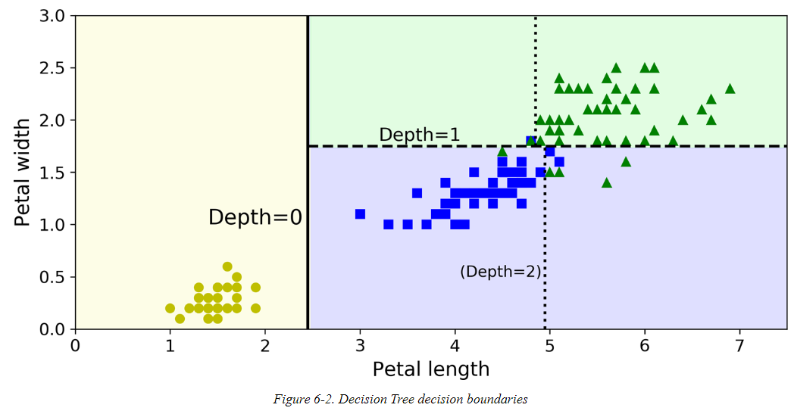 - NOTE: Scikit-Learn uses the CART algorithm, which produces only Binary Trees, nonleaf nodes always have two children. There are other algorithms such as ID3 can produce Decision Trees with nodes that have more than 2 children. - Read the above Decision Tree Boundaries figure in the same lines of the reading Decision Tree Graph.
133 | - Estimating Class Probabilities | - Decision Tree can estimate the probability that instance belongs to a particular class k. First it traverses the tree to find the leaf node for this instance, and then it returns the ratio of training instances of class k in the node. - For example, suppose you have found a flower whose petals are 5 cm long and 1.5 cm wide. The corresponding leaf node is the depth-2 left node, so the Decision Tree should output the following probabilities: 0% for Iris setosa (0/54), 90.7% for Iris versicolor (49/54), and 9.3% for Iris virginica (5/54). And if you ask it to predict the class, it should output Iris versicolor (class 1) because it has the highest probability. For this exact method, we use something called "PREDICT_PROBA" it will return the percentage then we will be able to predict and see which array it has returned. |  |  |  | tree_clf.predict_proba | # setosa, versicolor, virginica tree_clf.predict_proba([[5, 1.5]]) # 5 cm long and 1.5 cm wide. predict probability for which type it is # it has to predict versicolor as it has the highest probability tree_clf.predict([[5, 1.5]]) array([1])
134 | - The CART Training Algorithm | - Scikit-Learn uses the Classification and Regression Tree (CART) algorithm to train Decision Trees (also called "growing" trees. - The algorithm works by first splitting the training sets into two subsets using asingle feature k and threshold tk (eg., "petal length <= 2.45cm) well, how does it choose t and tk? - It searches for the pair (k , tk) that prodcues the purest subsets (weighted by their size) gives the cost function that the algorithm tries to minimize. - CART Cost function for classification. Once this algo successfully split the training set into two, it splits the subsets using the same logic, then the sub-subsets and so on recursively. - A few other hyperparameters (described in a moment) controll additional stopping conditions (min_samples_split, min_Samples_leaf, min_weight_fraction_leaf and max_leaf_nodes). - CART is a greedy algorithm. It greedily searches for an optimum split at the top level, then repeats the process at each subsequent level. It does not check whether or not the split will leard to lowest possible impurity several levels down. A greedy algorithm often produces a solution that's reasonably good but not guaranteed to be optimal. - Unfortunately, finding the optimal tree is known to be the NP-Complete problem. it requires O(exp(m)) time, making the problem interactable even for small training sets.
135 | - Computational Complexity | - Requires traversing from root to leaf. General O(log2(m)) nodes.
136 | - Gini Impurity or Entropy | - Default is Gini, you can also set the criterion hyperparameter to "entropy". - In Machine learning, entropy is used in the impurity measure: a set's entropy is zero when it contains instances of only one class. Based on the example we discussed, it has an entropy equal to –(49/54) log2 (49/54) – (5/54) log2 (5/54) ≈ 0.445 - Entropy Equation - so, should you use GINI IMPURITY / ENTROPY. Most of the time it doesn't make any idfference, they lead to similar trees. Gini impurity is slightly faster to compute so it is a good default. - However when they differ, Gini impurity tends to isolate the most frequent class in its own branch of the tree, while entropy tends to produce slightly balanced trees.
137 | - Regularization Hyperparameters | - Makes very few assumptions about training data (as opposed to linear models, which assume that the data is linear for example) - If left unconstrained, the tree structure will adapt itself to training data, fitting it very closely - indeed most likely overfitting it. Such a model is often called a "nonparametric model", not because it does not have any parameters (it often has a lot) but because the number of paramters is not determined prior to the traning, so the model structure is free to stick closely to the data. - A parametric model, such as linear model, has predetermined number of paramters, so its degree of freedom is limited, reducing the risk of overfitting (but increasing the risk of underfitting). - To avoid overfitting of the trainign data, you need to restrict the Decision Tree's freedom during training. - This is called Regularization. The regularization hyperparameters depend on the algorithm used, but generally you can atleast restrict the maximum depth of the Decision Tree. In SCIKIT-LEARN, this is controlled by the max_depth parameter (default value is null). Reducing the MAX_DEPTH parameter will thus reduce the risk of overfitting. - Scikit Similarly there are other paramters such as min_samples_split min_samples_leaf min_weight_fraction_leaf max_leaf_nodes max_features - Increasing min_* and reducing max* hypterparameter will regularize the model. NOTE: Other algorithms work by first training the Decision Tree without restrictions, then pruning (deleting) unnecessary nodes. A node whose children are all leaf nodes is considered unnecessary if the purity improvement it provides is not statistically significant. Standard statistical tests, such as the χ2 test (chi-squared test), are used to estimate the probability that the improvement is purely the result of chance (which is called the null hypothesis). If this probability, called the p-value, is higher than a given threshold (typically 5%, controlled by a hyperparameter), th
138 | - Regression | 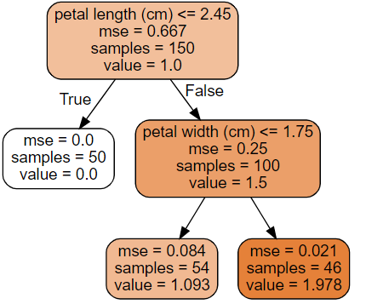 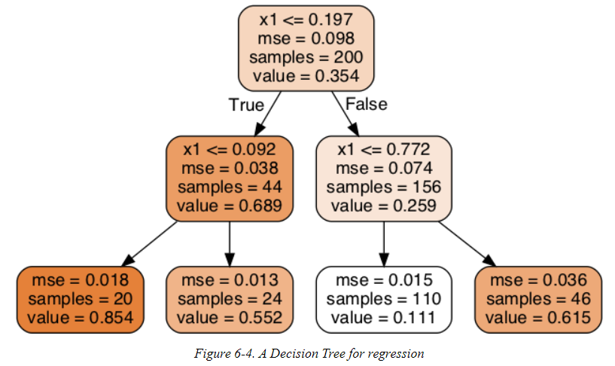 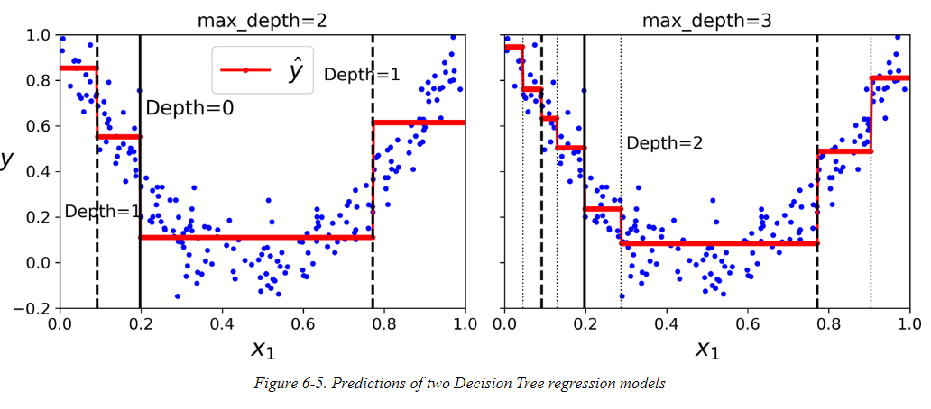 - The CART altorithm - Sklearn's DECISIONTREEREGRESSION is similar to the classification. With only difference, the classification works on the impurity (how classified the data is) whereas the regression is based on the MSE factor. - Value: Unlike classification, which predicts the class, regression predicts a value. General Example
139 | - Instability | 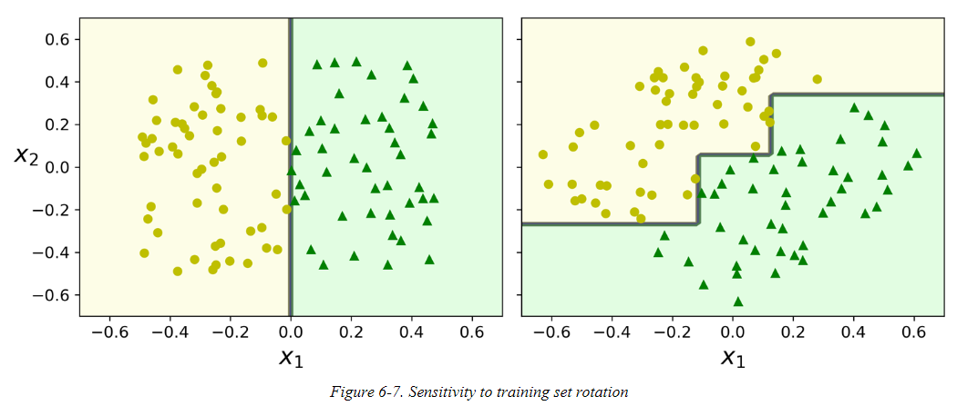 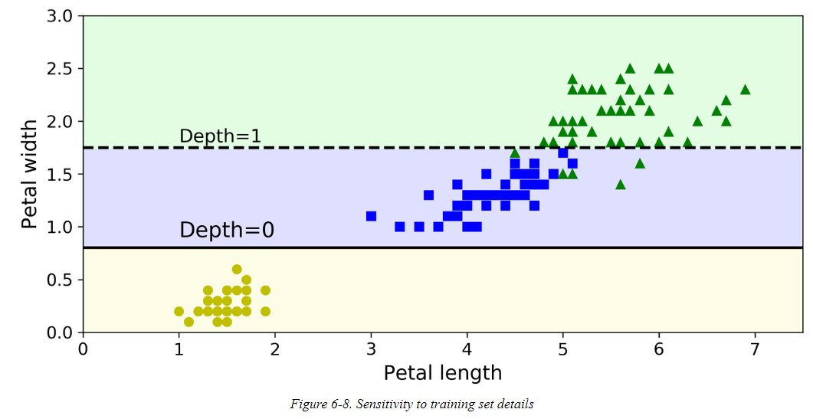 - Performs orthognal split which makes it complicated when the split is just linear. - Due to this, the model might not generalize well - although it could be sorted using Principal Component Analysis (PCA) which often results in better orientation of training data. - Also main issue with Decision trees is that, it is very sensitive to small variations in the training data. For eg., if you just remove the widest Iris Versicolor from the training set and train a new Decision tree, you may get the model like one below.. Random Forests can help limit the instabiity.
140 | Ensemble Learning and Random Forests | - Ensemble method - A decision is better met when in group and hearing out different ideas and opinions and come to conclusion instead of just one person deciding. - Example: You can train a group of Decision Tree Classifiers, each on different random set of training data set. to make predictions, you obtain the predictions of all individual trees, then predict the class that gets the MOST VOTES. - Such an Ensemble of Decision Trees is called Random Forest. |  |  |  |  | http://10.241.11.16:9000/notebooks/Lakshmi/ML_Fundamentals/Hands-On%20Machine%20Learning%20with%20Scikit-Learn%2C%20Keras%2C%20and%20TensorFlow%2C%202nd%20Edition/7.%20Ensemble%20Learning%20and%20Random%20Forests.ipynb
141 | - Voting classifiers | 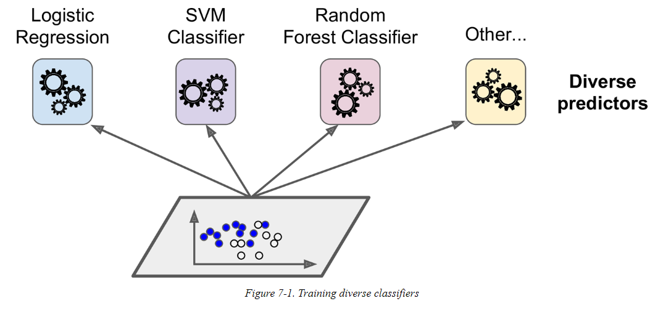 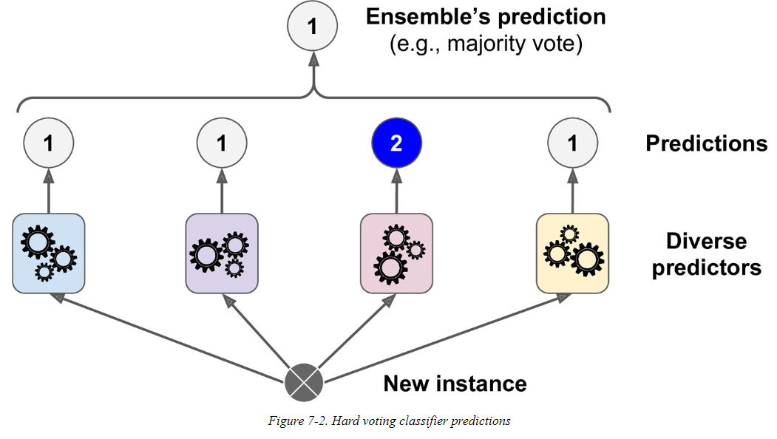 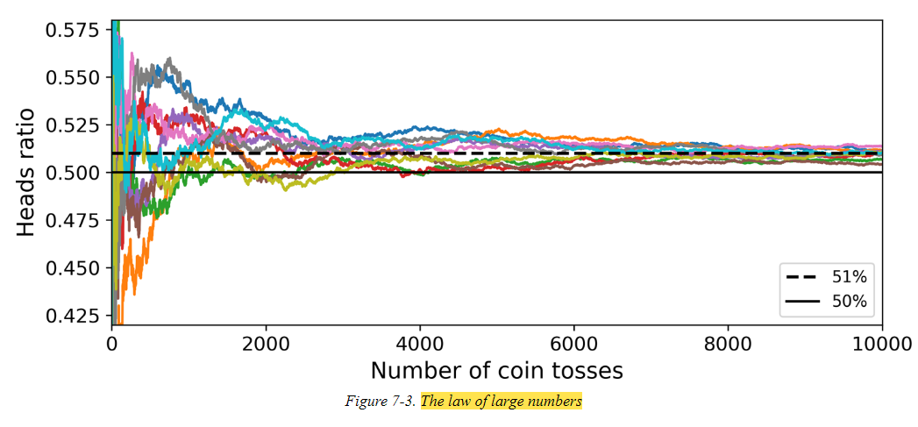 - Simple way to create an even better classifier is to aggregate the predictions of each classifier and predict the class that gets the most votes. - The majority-vote (not more votes - majority of votes) classiifier is called HARD VOTING Classifier. This method ahieves a higher accuracy than the best classifier in the ensemble. - In fact even if each classifier is a Weak Learner, the ensemble can still be a Strong Learner, provided there are sufficient number of weak learners and they are sufficiently diverse. Law of Large Numbers. - 1000 classifiers that are individually correct 51% of th time, will be 75 accurate. With large data sets, the accuracy level will keep moving - SOFT VOTING: If all classifiers has calss probabilities (PREDICT_PROBA() Method) then you can tell Scikit-learn to predict the class with highest class probability, averaged over the individual classifiers. Higher performance than hard voting as more weight to highly confident votes. Parameter voting="soft" |  |  |  |  | from sklearn.ensemble import RandomForestClassifier from sklearn.ensemble import VotingClassifier from sklearn.linear_model import LogisticRegression from sklearn.svm import SVC log_clf = LogisticRegression() rnd_clf = RandomForestClassifier() svm_clf = SVC() voting_clf = VotingClassifier( estimators=[('lr', log_clf), ('rf', rnd_clf), ('svc', svm_clf)], voting='hard') voting_clf.fit(X_train, y_train) >>> from sklearn.metrics import accuracy_score >>> for clf in (log_clf, rnd_clf, svm_clf, voting_clf): ... clf.fit(X_train, y_train) ... y_pred = clf.predict(X_test) ... print(clf.__class__.__name__, accuracy_score(y_test, y_pred))
142 | - Bagging and Pasting | 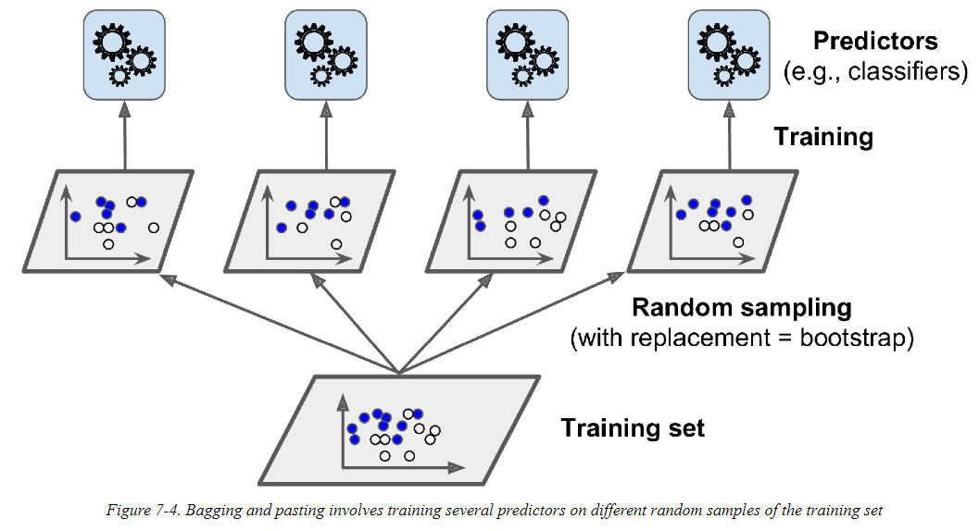 - Either use different training algorithm or there is another way, use same training algorithm for every predictor and train them on DIFFERENT Data sets. - BAGGING: Sample of such datasets is performed with Replacement - PASTING: Sampling is performed without REPLACEMENT. - Both bagging and pasting allow training instances to be sampled several times across mutliple predictors, but only bagging allows training instances to be sampled several times for the same predictor. - Once all predictors are trainied, the ensemble can make a prediction for a new instance by simply aggregating the predictions for all predictors. The aggregation function is typically statistical mode for classification or average for regression. - SCIKIT API : Bagging and Pasting with BaggingClassifier class (or baggingRegressor class for Regression). BaggingClassifier( DecisionTreeClassifier(), n_estimators=500, max_samples=100, bootstrap=True, n_jobs=-1) - DecisionTreeClassifier() -> Train for Tree - n_estimators = trains an ensemble of 500 Decision Tree classifiers - max_samples = each trained in 100 instances randomly - n_jobs = number os CPU's - bootstrap = True (Bagging); bootstrap = false (Pasting) - Bootstrapping introduces a bit more diversity in the subsets that each predictor is trained, so bagging ends up with slightly higher bias than pasting. But extra diversity means that predictors end up being less correlated so ensemble's variance is reduced. Bagging results are better and preferred due to this reason. |  |  |  |  | from sklearn.ensemble import BaggingClassifier from sklearn.tree import DecisionTreeClassifier bag_clf = BaggingClassifier( DecisionTreeClassifier(), n_estimators=500, max_samples=100, bootstrap=True, n_jobs=-1) bag_clf.fit(X_train, y_train) y_pred = bag_clf.predict(X_test)
143 | - Out-of-Bag Evaluation | - With bagging some instances may be sampled several times and some instances may not be sampled at all. - By default the training instances are sampled with replacement (bootstrap = True), where m is the size of the training set. - oob_score=True in Scikit is the to request an automatic oob evauation after training. oob = out of bag evaluation. - Decision function for each training instance is available through oob_Decision_function_variable. In this case (since the base estimator has predict_proba() method), the decision function returns the class probabilities for each training instance. |  |  |  |  | >>> bag_clf = BaggingClassifier( ... DecisionTreeClassifier(), n_estimators=500, ... bootstrap=True, n_jobs=-1, oob_score=True) ... >>> bag_clf.fit(X_train, y_train) >>> bag_clf.oob_score_ 0.90133333333333332 >>> bag_clf.oob_decision_function_
144 | - Random Patches and Random Subspaces | - Sampling is controlled by 2 hyperparameters: max_features and bootstrap_features. Works the same way as max_Samples and bootstrap, but for feature sampling instead of instance sampling. - bootstrap = False and max_samples = 1.0 - Sampling both training instances and features is called Random Patches Mehtod. - Sampling features (set bootstrap_features = True & max_features value < 1.0) is called Random Subspaces method.
145 | - Random Forests | - Random Forest is an esemble of Decision Trees, generally trained via the bagging method (or sometimes pasting). - Random Forest algo also introduces extra randomness when growing trees; instead of searching for very best feature when splitting the node, it searches for the best feature among the random subset of features. |  |  |  |  | from sklearn.ensemble import RandomForestClassifier rnd_clf = RandomForestClassifier(n_estimators=500, max_leaf_nodes=16, n_jobs=-1) rnd_clf.fit(X_train, y_train) y_pred_rf = rnd_clf.predict(X_test) bag_clf = BaggingClassifier( DecisionTreeClassifier(splitter="random", max_leaf_nodes=16), n_estimators=500, max_samples=1.0, bootstrap=True, n_jobs=-1)
146 | - Extra Trees | - When you are growing a tree in Random Forest, at each node only a random subset of features is considered for splitting. You can have random thresholds for each feature. - A forest of such extremely random trees are called - Extremely Randomized Trees Esemble (or Extra-Trees for short). - Trade more bias for lower variance. - Scikit-Learn's ExtraTreesClassifier class lets you create an Extra-Trees classifier.
147 | - Feature Importance | - Great quality of Random Forests is that they make it easy to measure the relative importance of each feature. - Scikit-Learn computes this score automatically for each feature after training, then it scales the results so that the sum of all importances is equal to 1. |  |  |  |  | >>> from sklearn.datasets import load_iris >>> iris = load_iris() >>> rnd_clf = RandomForestClassifier(n_estimators=500, n_jobs=-1) >>> rnd_clf.fit(iris["data"], iris["target"]) >>> for name, score in zip(iris["feature_names"], rnd_clf.feature_importances_): ... print(name, score) ... sepal length (cm) 0.112492250999 sepal width (cm) 0.0231192882825 petal length (cm) 0.441030464364 petal width (cm) 0.423357996355
148 | - Boosting | - Boosting (Hypothesis boosting) refers to any Ensemble method that can Combine several weak learners into Strong learners. - idea of most boosting methods is to train predictors sequentially, each trying to correct its predecssor. - Most populare Boosting techniques - AdaBoost - Gradient Boost - Stacking
149 | - AdaBoost | 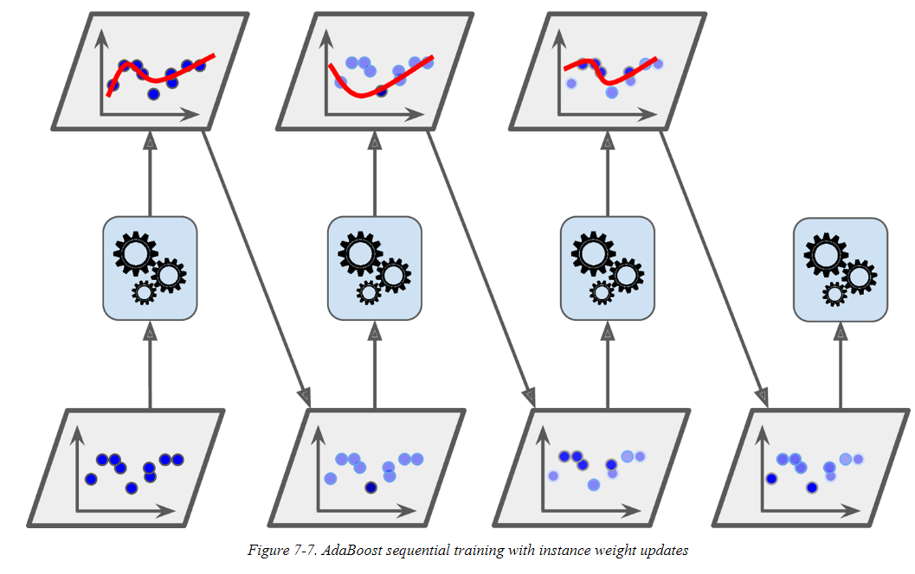 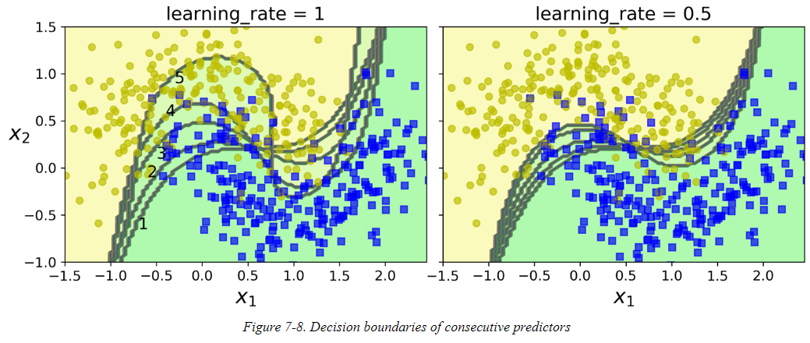 - New predictor to correct is predecessor is to pay a bit more attention to training instances that the predecessor underfitted. - The results in the new predictors focusing more and more on the hard cases. This technique is used by Adabooster. - For eg., when training AdaBoost classifier, the algorithm first trains base classifier (such as Decision Tree) and uses it to make predictions on training set. - the algorithm increases the relative weight of the misclassified training instances. Then it trains the second classifier, using the updated weights, and again makes predictions on the training set, updates the instance weights. - Once all predictors are trainied, the ensemble makes predictions very much like bagging or pasting, except that predictors have different weights depending on their overall accuracy on the weighted training set. - Multiclass version of AdaBoost is called SAMME (Stagewise Additive Modeling using a Multiclass Exponential Loss Function). In Scikit-learn it is called SAMME.R
 |  |  |  |  |  |  | from sklearn.ensemble import AdaBoostClassifier ada_clf = AdaBoostClassifier( DecisionTreeClassifier(max_depth=1), n_estimators=200, algorithm="SAMME.R", learning_rate=0.5) ada_clf.fit(X_train, y_train)
150 | - Gradient Boosting | - Like AdaBoost, Gradient Boosting works by sequetially adding predictors to an ensemble, each one correcting its predecessor. However, instead of tweaking the instance weights at every iteration like AdaBoost does, this method tries to fit the new predictor to the residual errors made by the previous predictor. - In Scikit, simpler way is to use GradientBoostingRegressor class. - It is also possible to implement early stop -> warm_start=True, which makes Scikit-learn keep existing trees when the fit() method is called, allowing incremental training. |  |  |  |  | from sklearn.tree import DecisionTreeRegressor tree_reg1 = DecisionTreeRegressor(max_depth=2) tree_reg1.fit(X, y) y2 = y - tree_reg1.predict(X) tree_reg2 = DecisionTreeRegressor(max_depth=2) tree_reg2.fit(X, y2) y3 = y2 - tree_reg2.predict(X) tree_reg3 = DecisionTreeRegressor(max_depth=2) tree_reg3.fit(X, y3) y_pred = sum(tree.predict(X_new) for tree in (tree_reg1, tree_reg2, tree_reg3)) from sklearn.ensemble import GradientBoostingRegressor gbrt = GradientBoostingRegressor(max_depth=2, n_estimators=3, learning_rate=1.0) gbrt.fit(X, y) import numpy as np from sklearn.model_selection import train_test_split from sklearn.metrics import mean_squared_error X_train, X_val, y_train, y_val = train_test_split(X, y) gbrt = GradientBoostingRegressor(max_depth=2, n_estimators=120) gbrt.fit(X_train, y_train) errors = [mean_squared_error(y_val, y_pred) for y_pred in gbrt.staged_predict(X_val)] bst_n_estimators = np.argmin(errors) + 1 gbrt_best = GradientBoostingRegressor(max_depth=2,n_estimators=bst_n_estimators) gbrt_best.fit(X_train, y_train) gbrt = GradientBoostingRegressor(max_depth=2, warm_start=True) min_val_error = float("inf") error_going_up = 0 for n_estimators in range(1, 120): gbrt.n_estimators = n_estimators gbrt.fit(X_train, y_train) y_pred = gbrt.predict(X_val) val_error = mean_squared_error(y_val, y_pred) if val_error < min_val_error: min_val_error = val_error error_going_up = 0 else: error_going_up += 1 if error_going_up == 5: break # early stopping
151 | - Stacking | 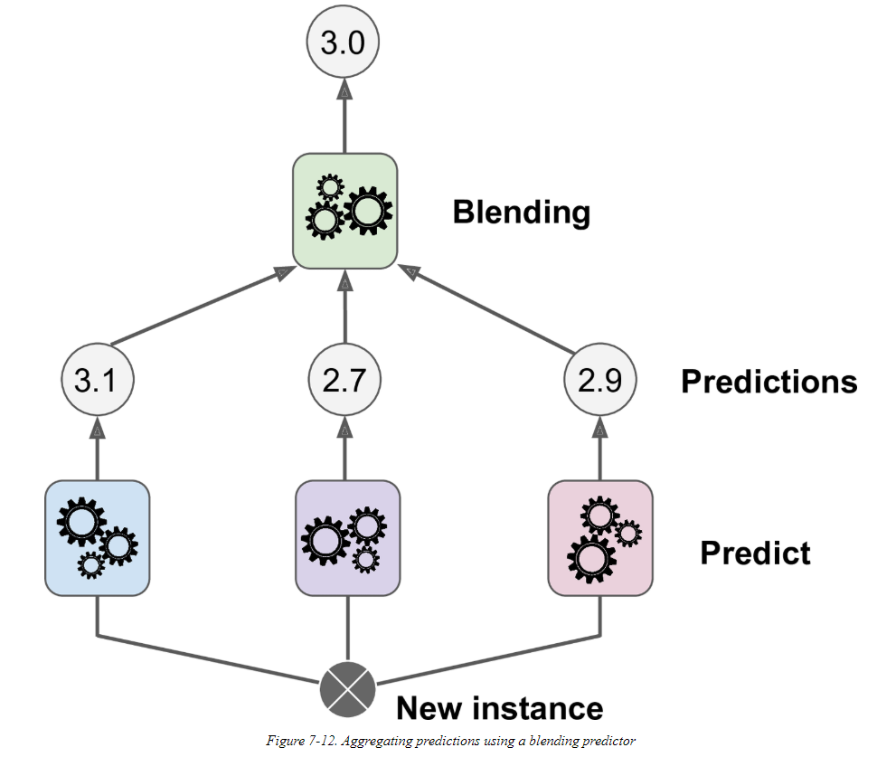 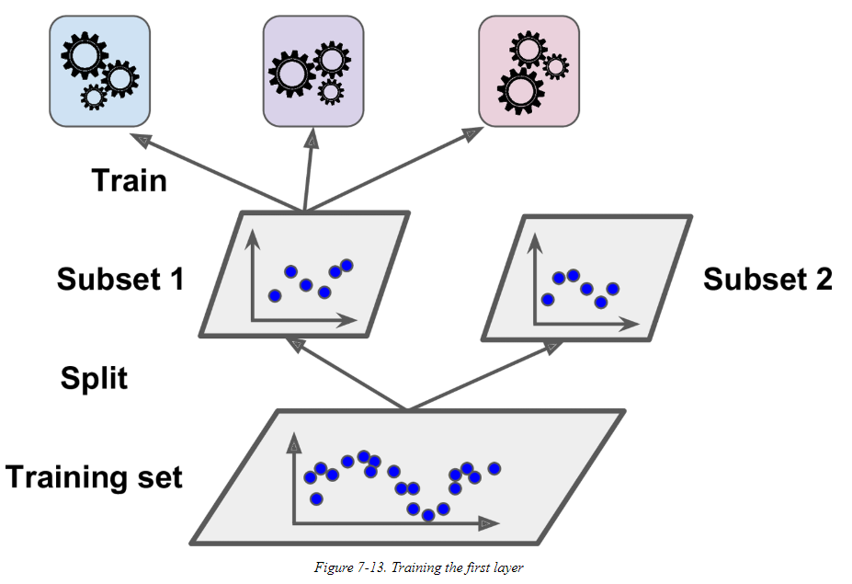 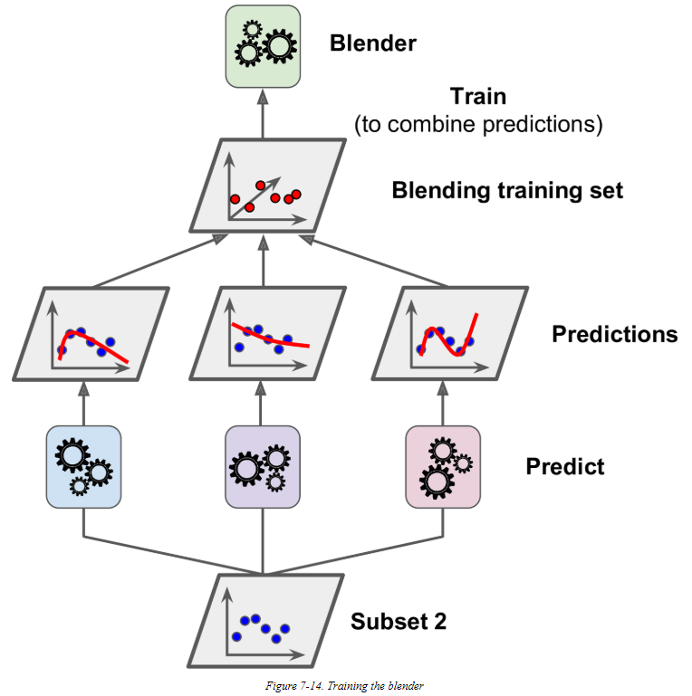 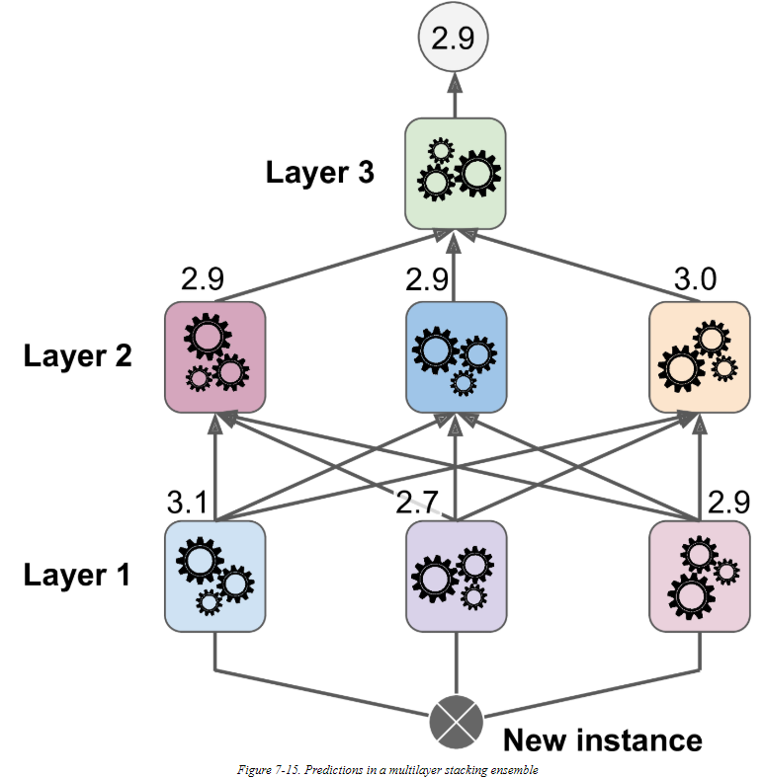 - Last Ensemble method we will discuss is Stacking - instead of using trivial function (such as hard voting) toa ggregate the predictions of all predictors in an ensemble, why don't we train a model to perform this aggregation. - To train the blender, a common approcach to use a hold-out set. - Unfortunately, Scikit-Learn does not support stacking directly, but it is not too hard to roll out your own implementation (see the following exercises). Alternatively, you can use an open source implementation such as DESlib.
152 | Dimnesionality Reduction
153 | - The curse of Dimensionality
154 | - Main approaches for Dimensionality Reduction
155 | - Mainfold Learning
156 | - PCA
157 | - Preseving the Variance
158 | - Principal Components
159 | - Projecting Down to d Dimensions
160 | - Using Scikit-Learn
161 | - Explained Variance Ratio
162 | - Choosing the right number of Dimensions
163 | - PCA for Compression
164 | - Randomized PCA
165 | - Incremental PCA
166 | - Kernel PCA
167 | - Selecting a kernel and Tuing Hyperparameters
168 | - LLE
169 | - Other Dimensionality Reduction Techniques
170 | Unsupervised Learning
171
172
173

