Pressure_Test_1_hour
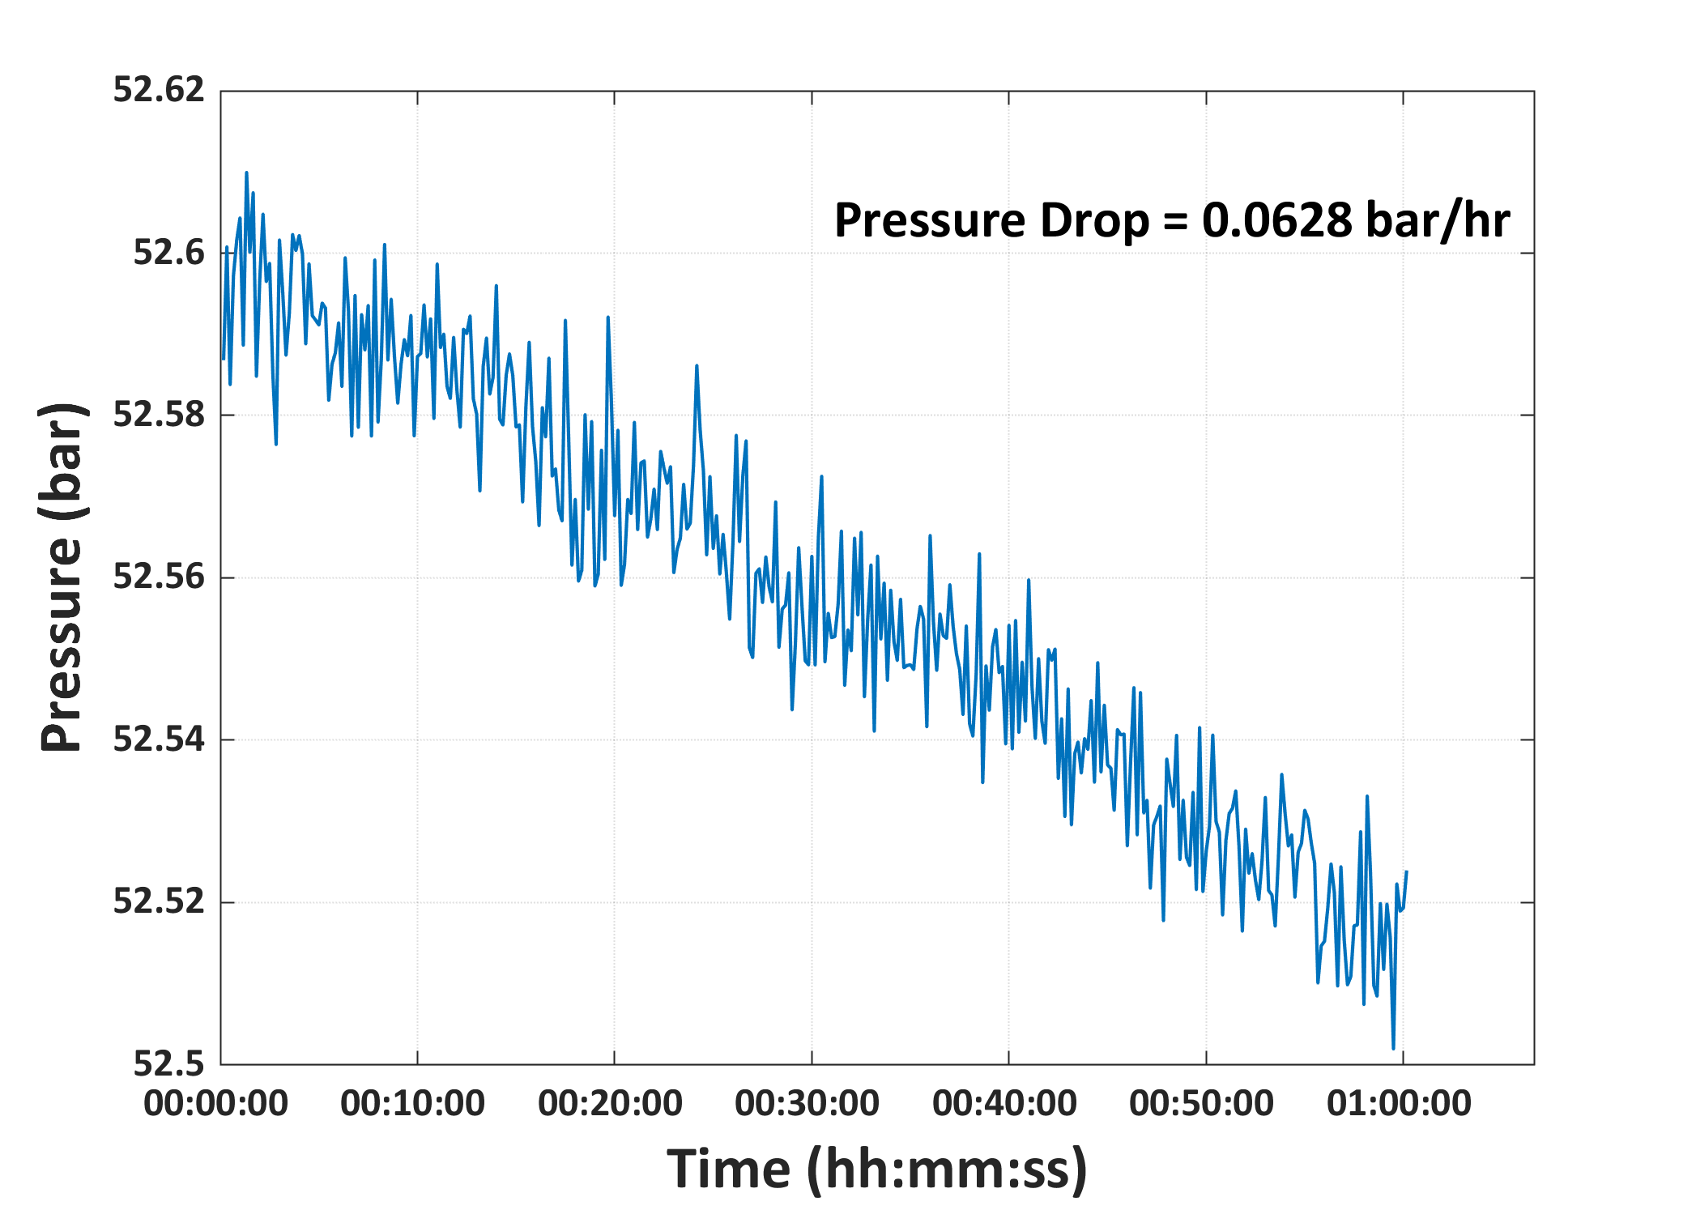
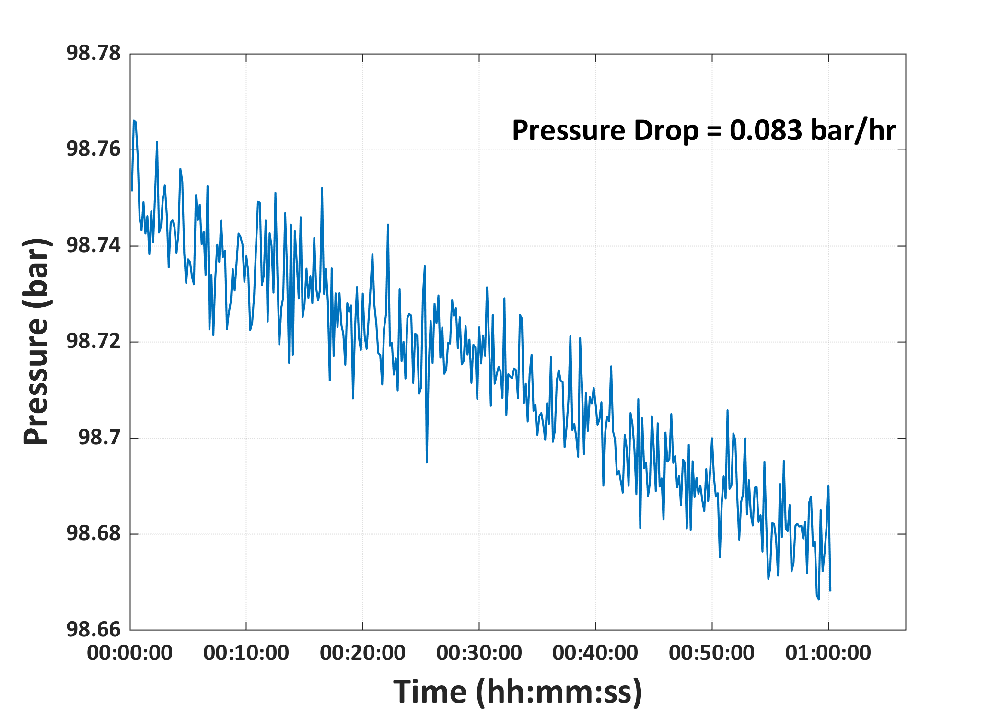
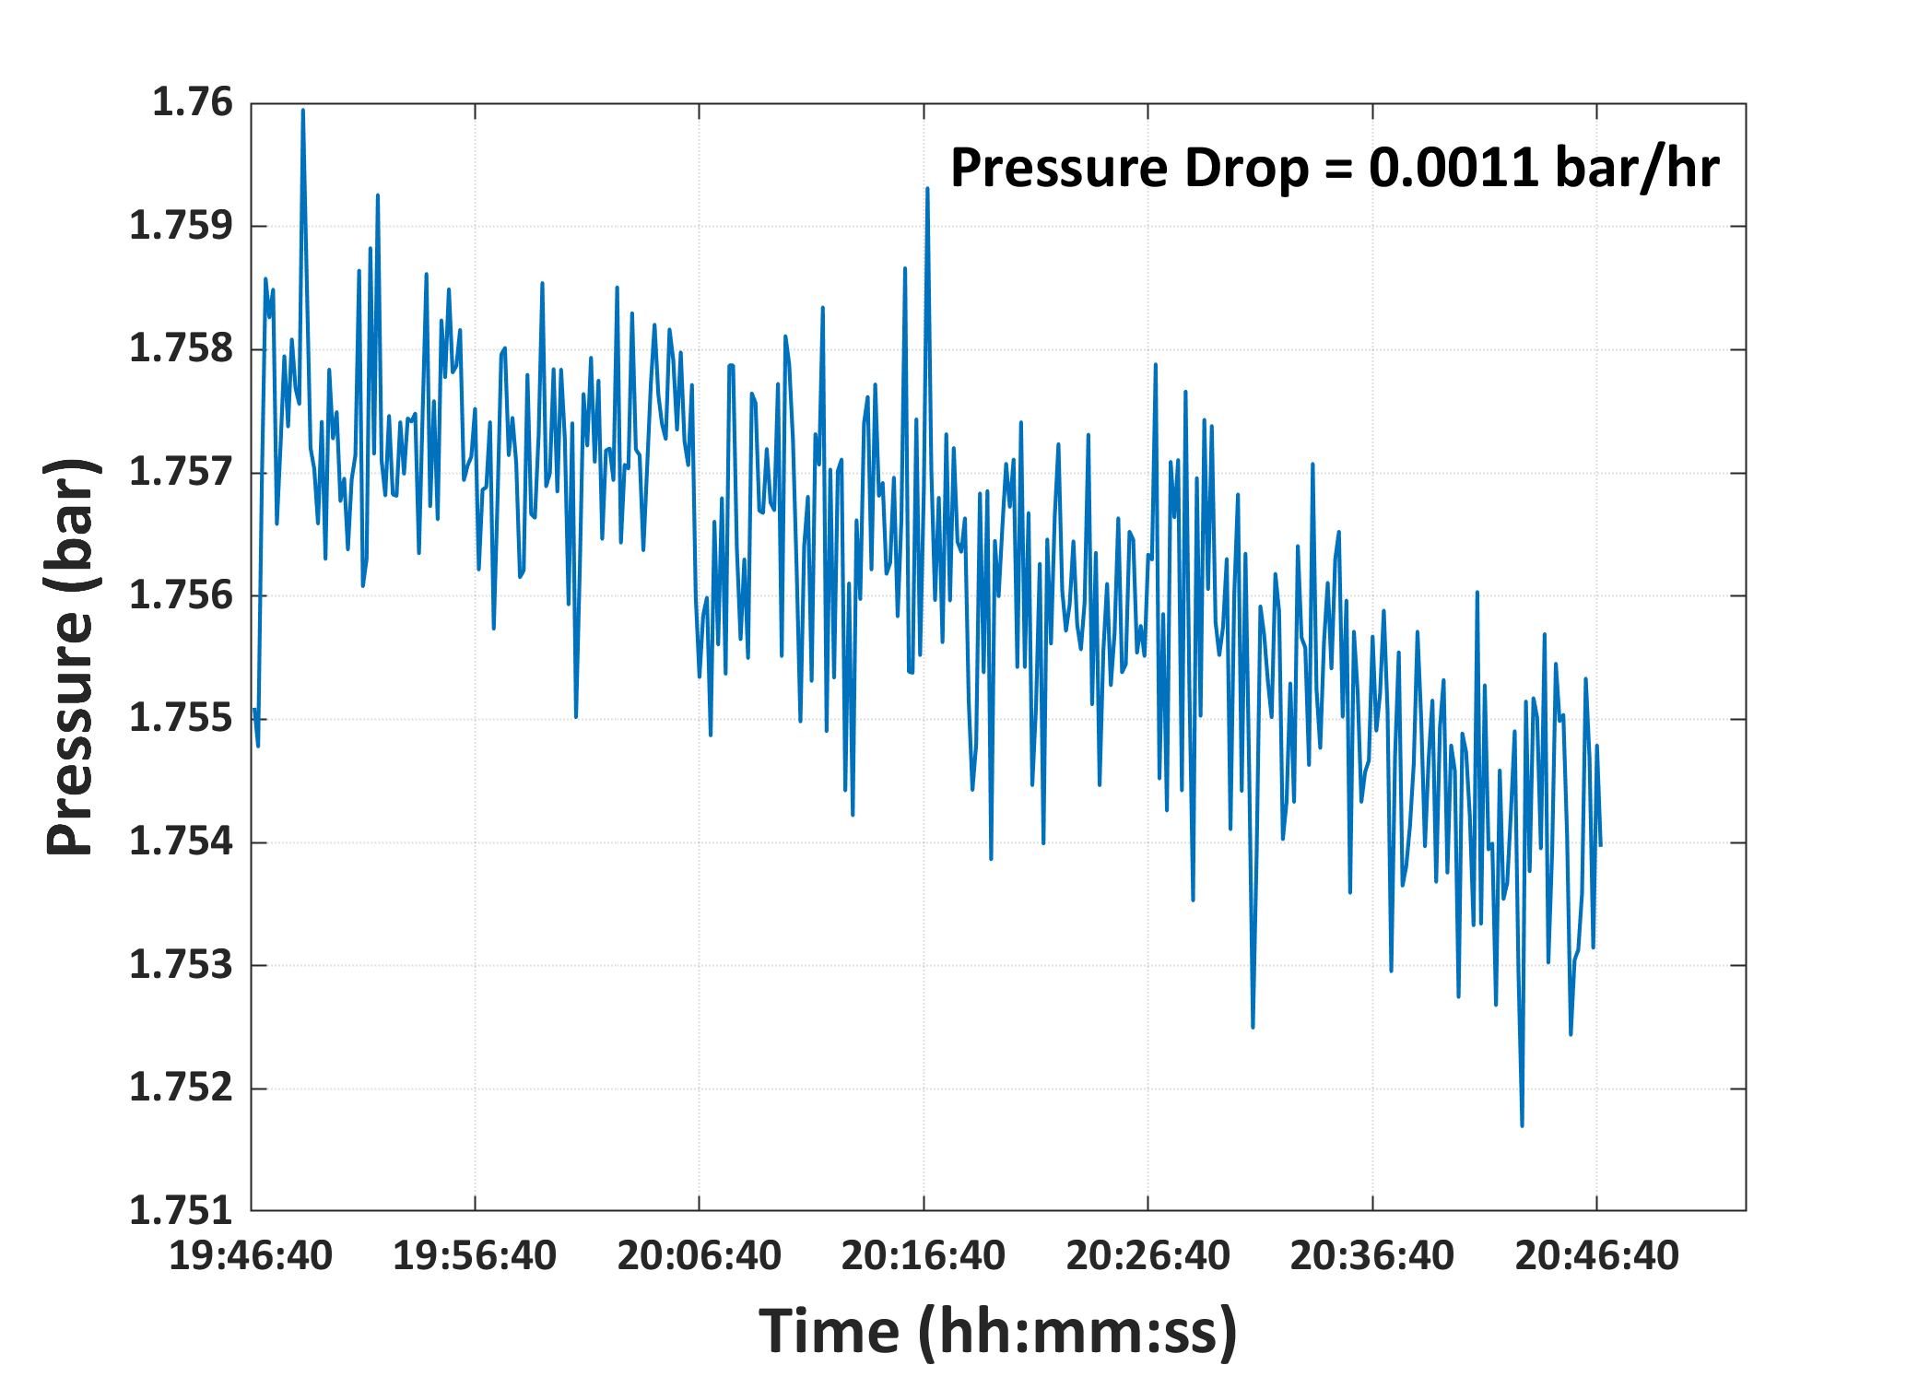

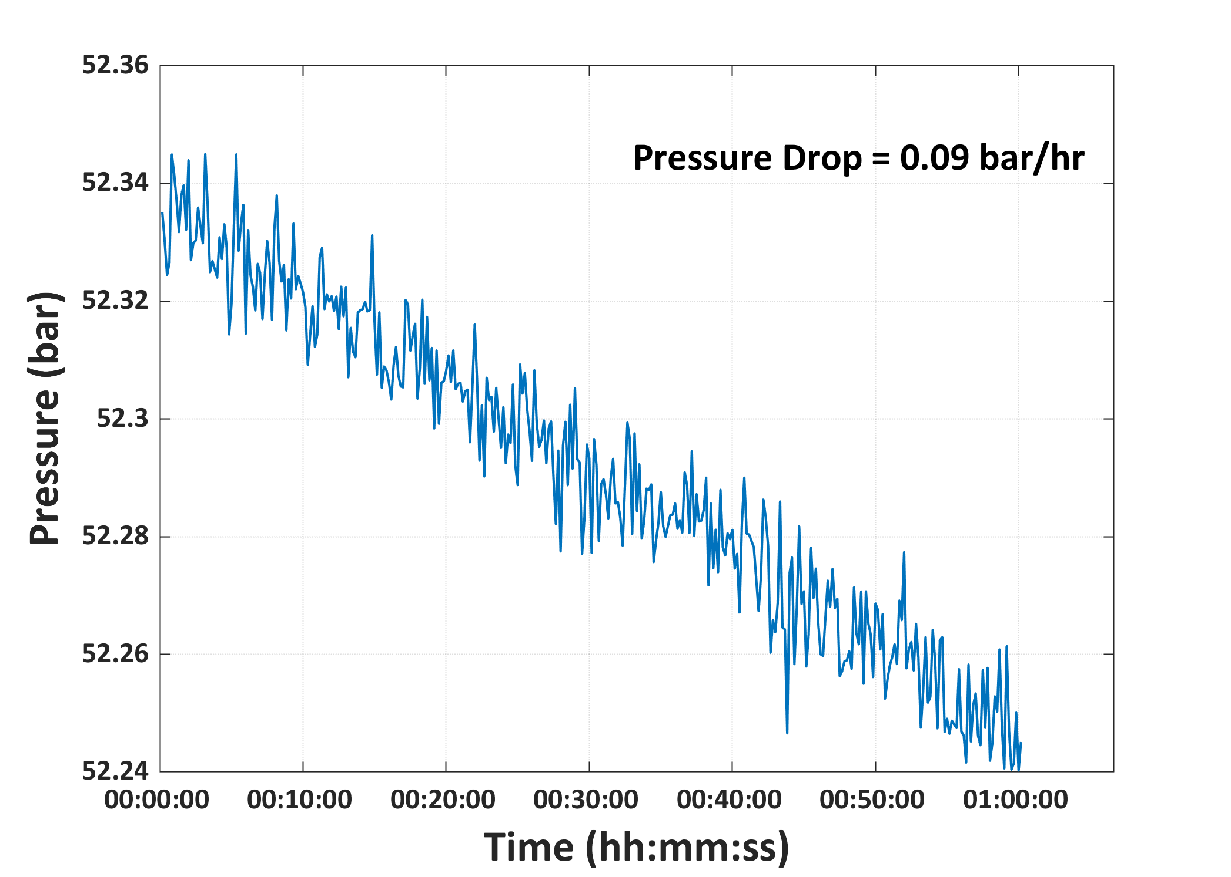
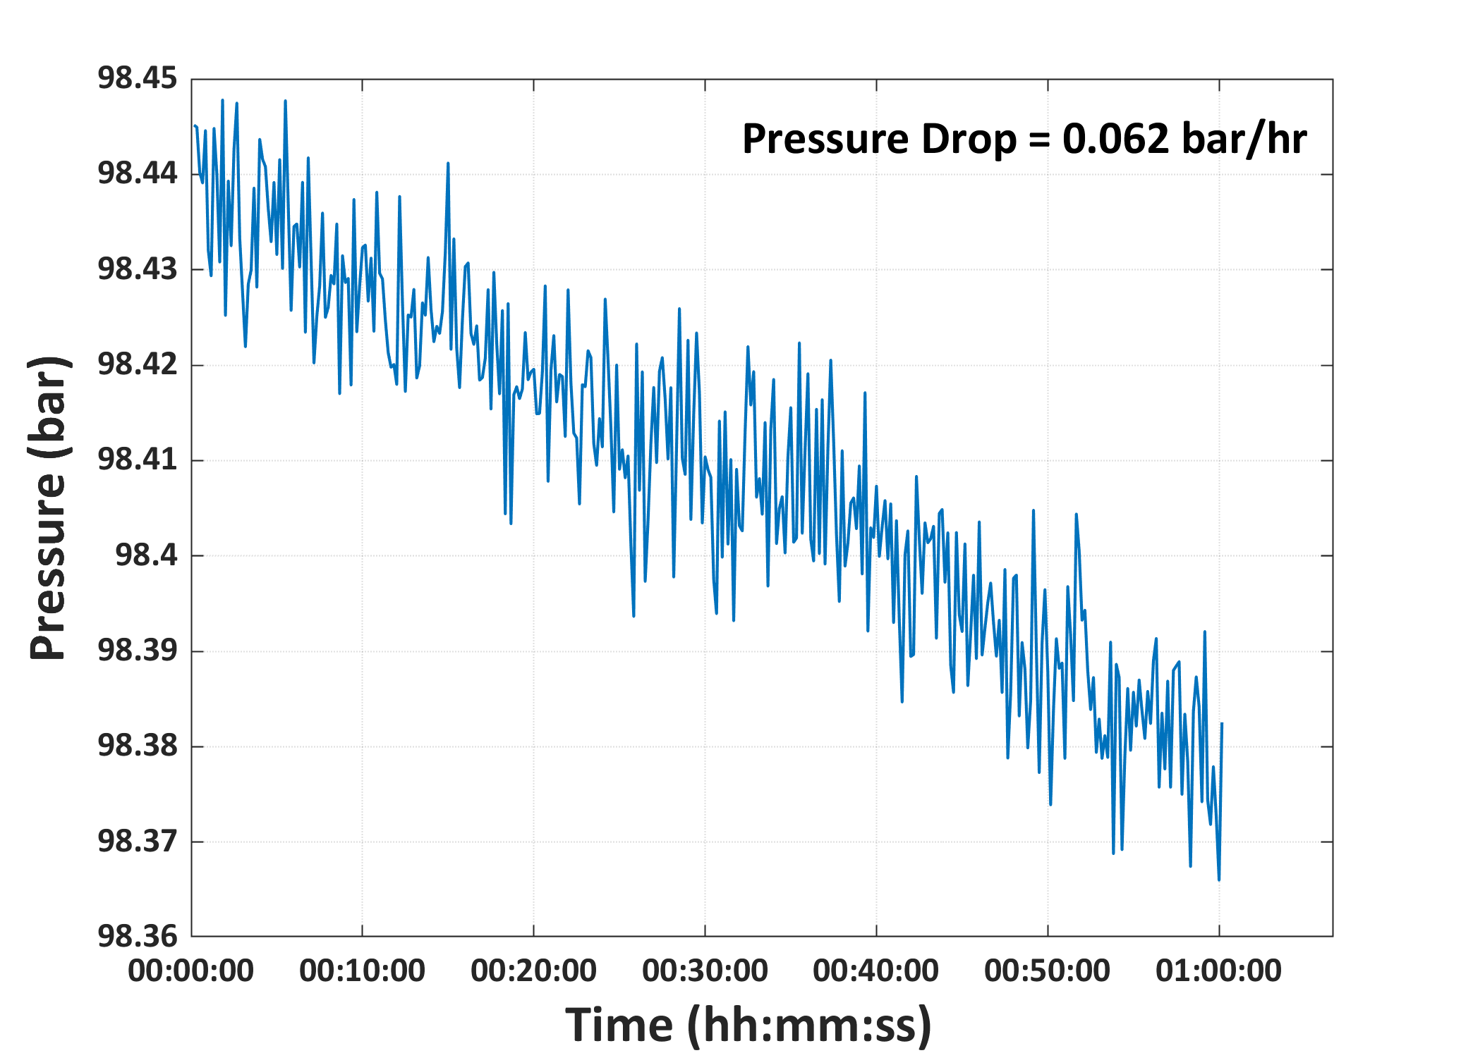
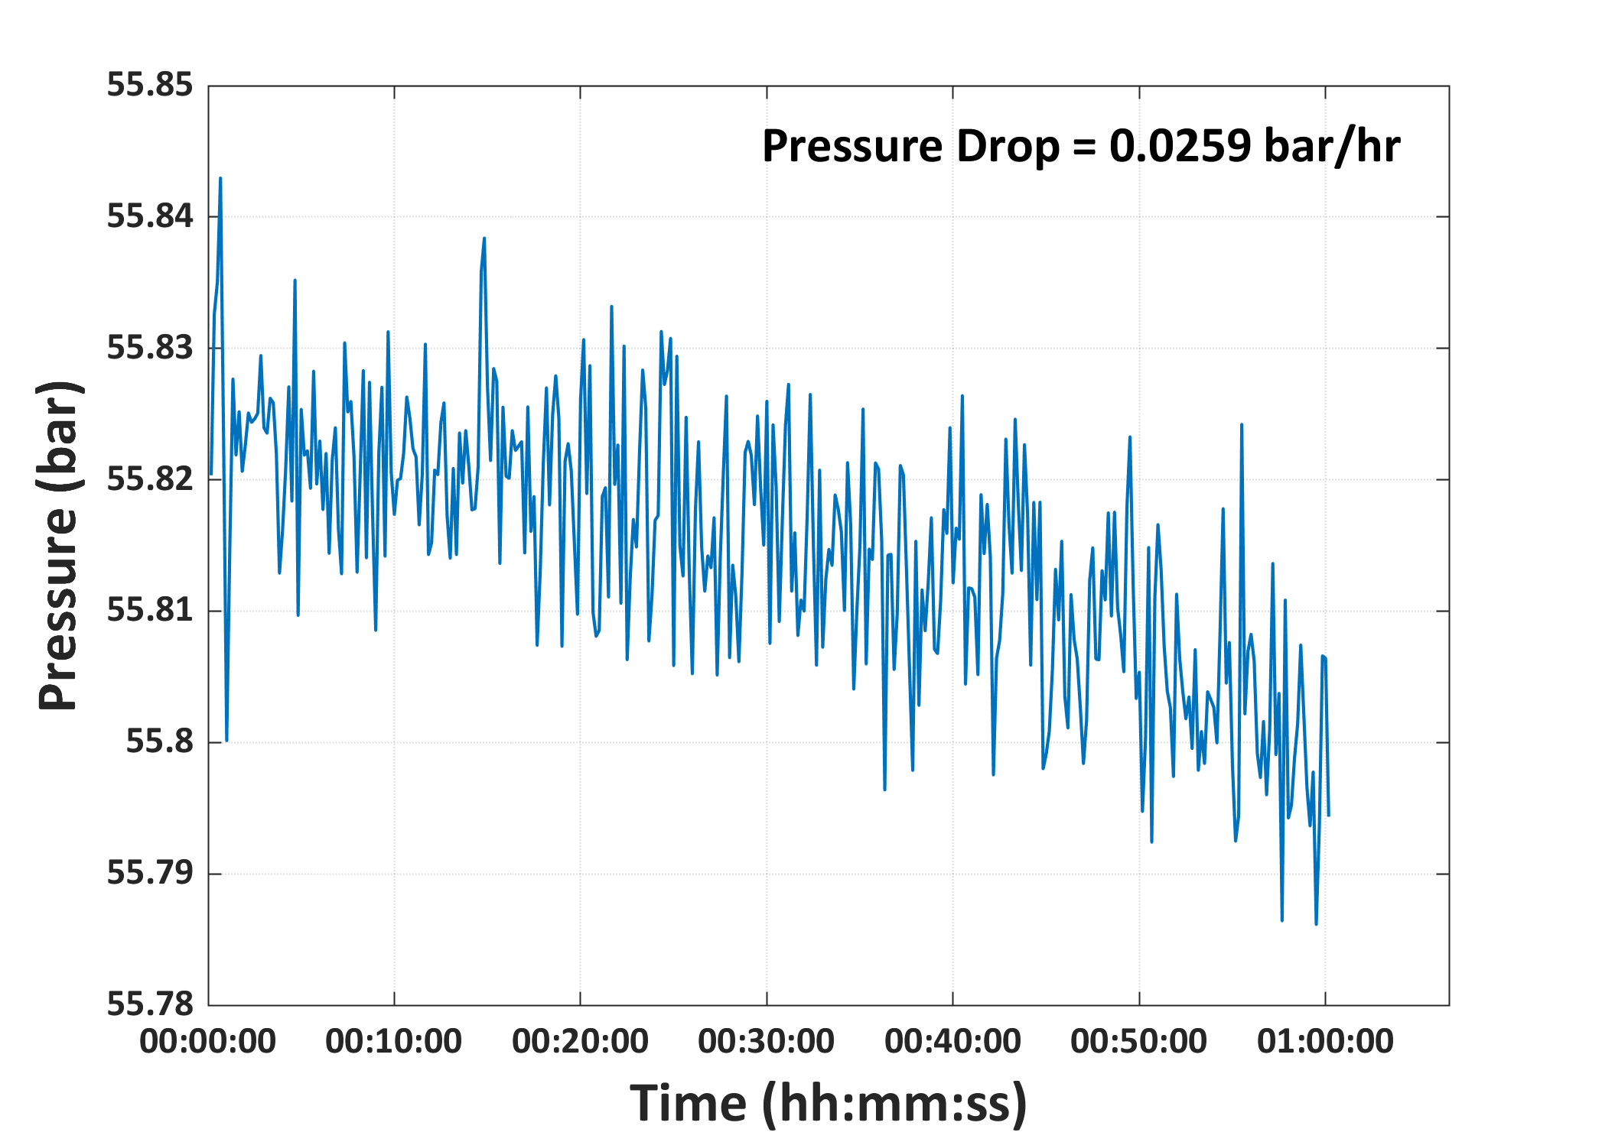

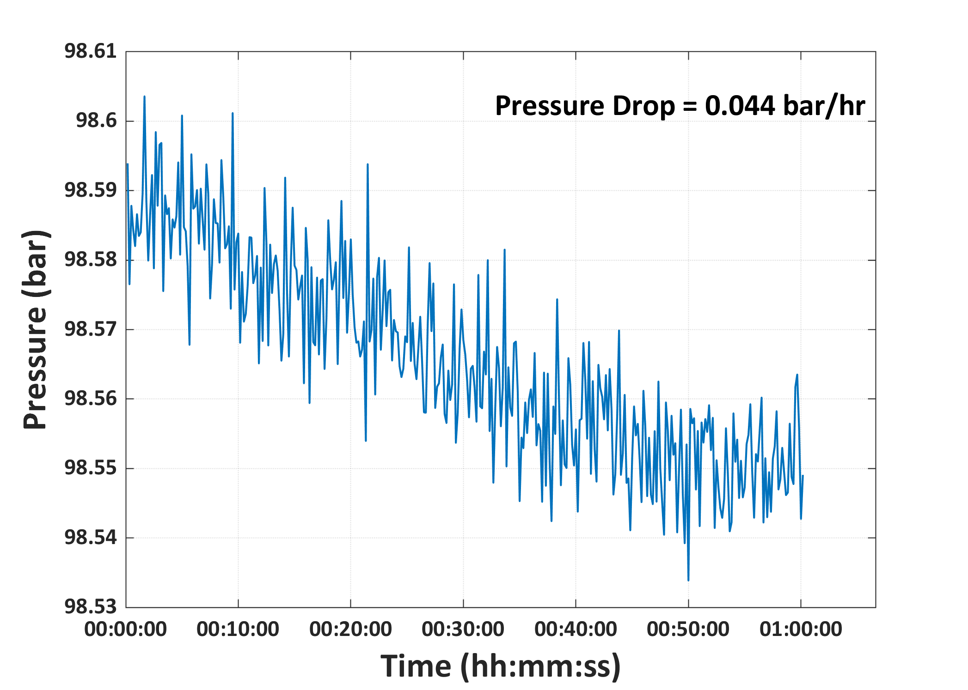

Pressure_Test_Graphs_24_Hours
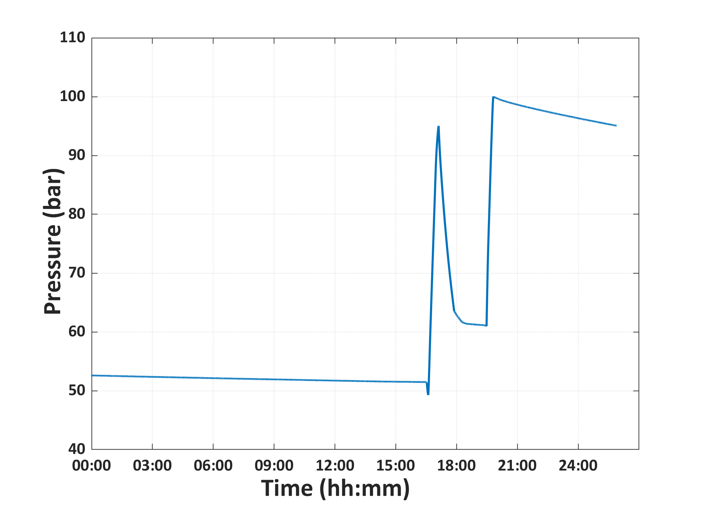
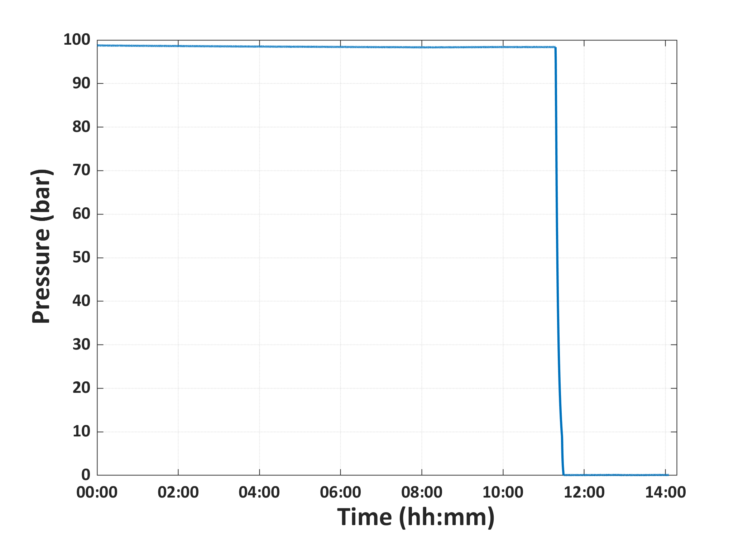

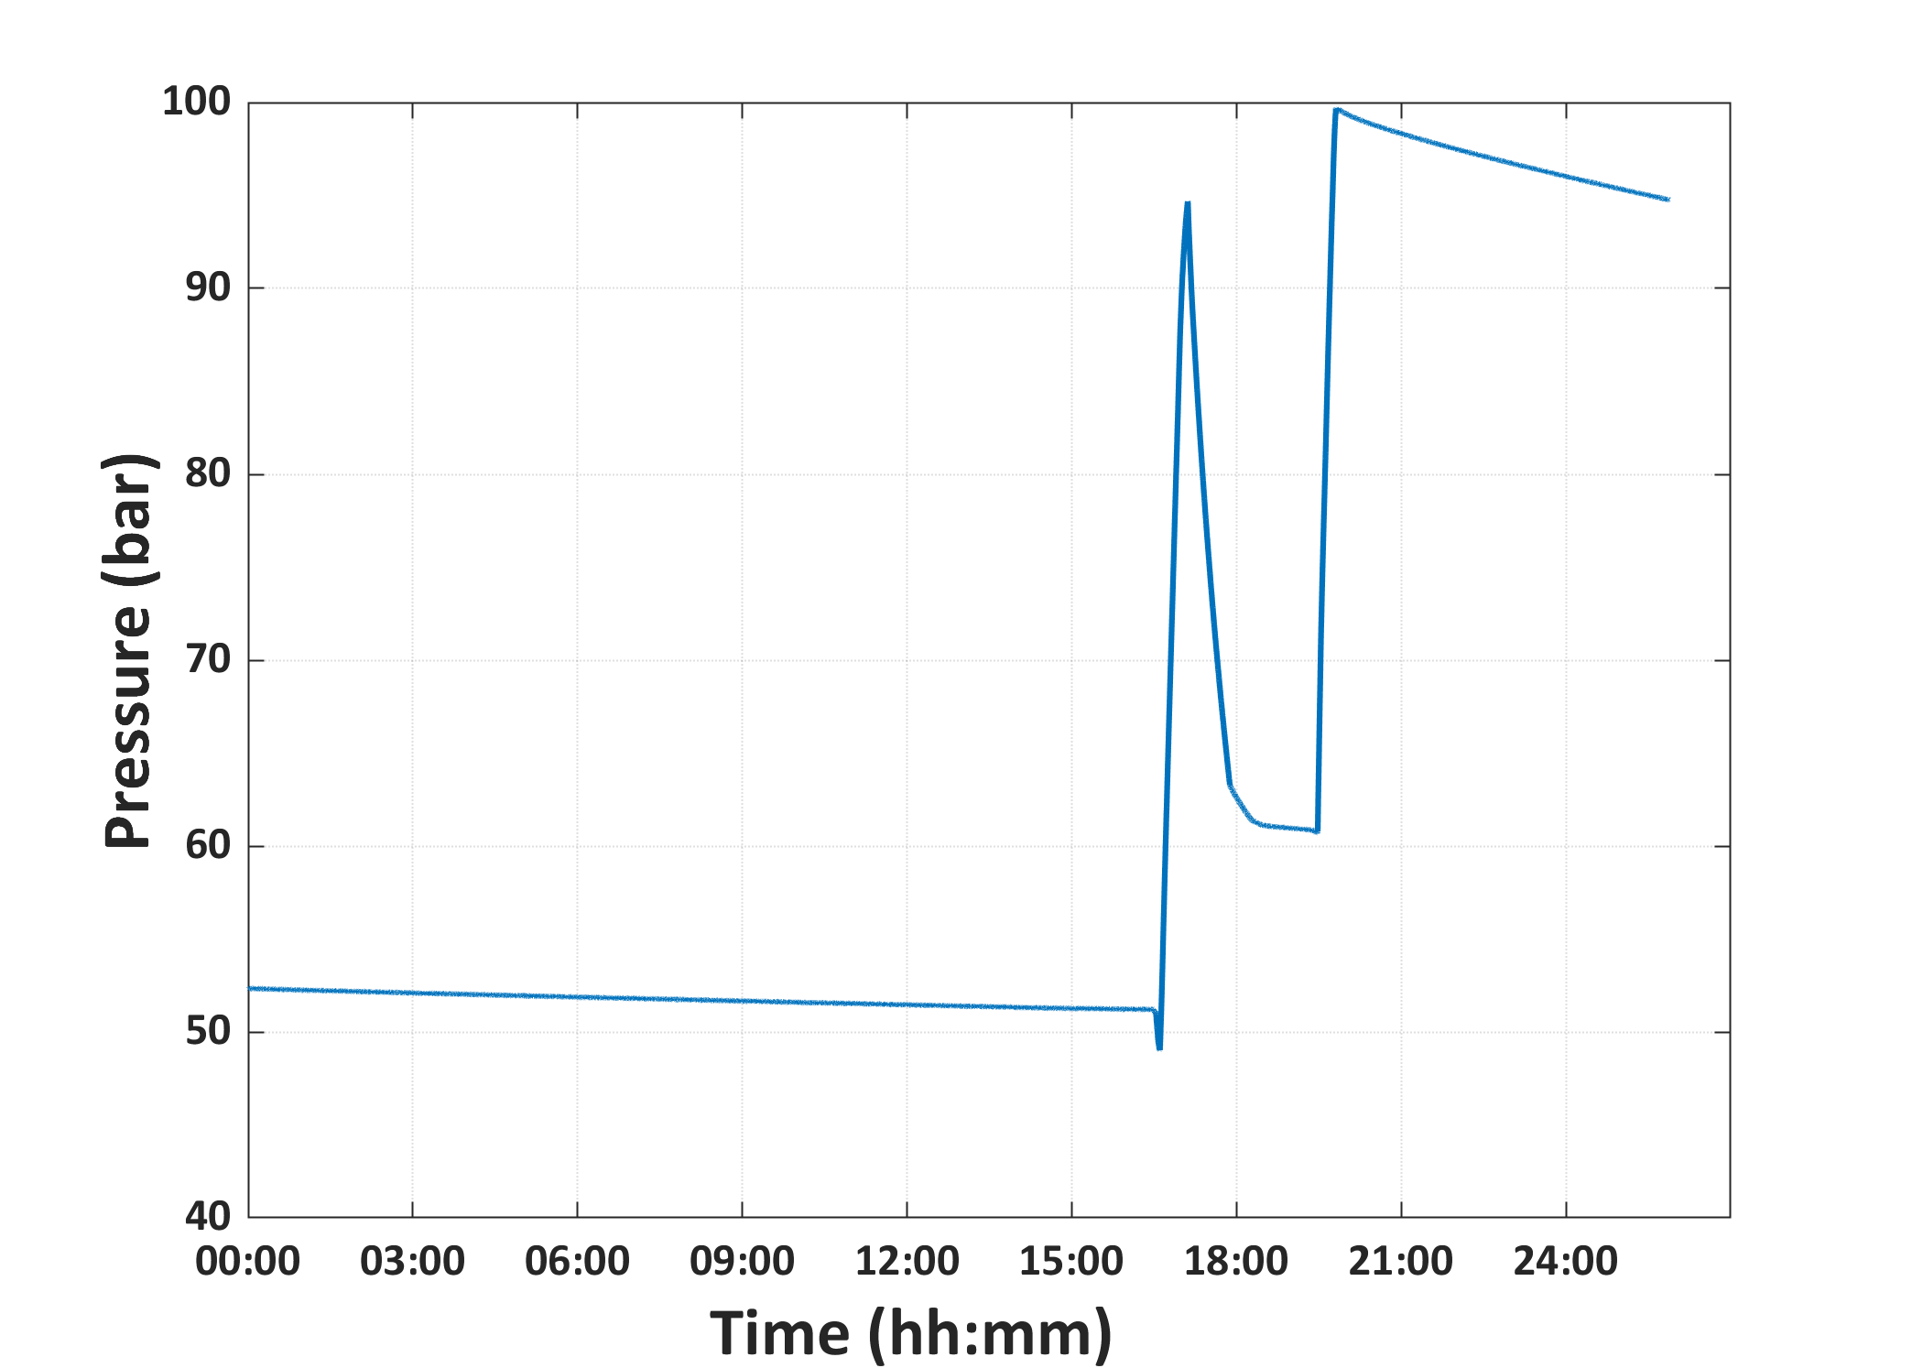
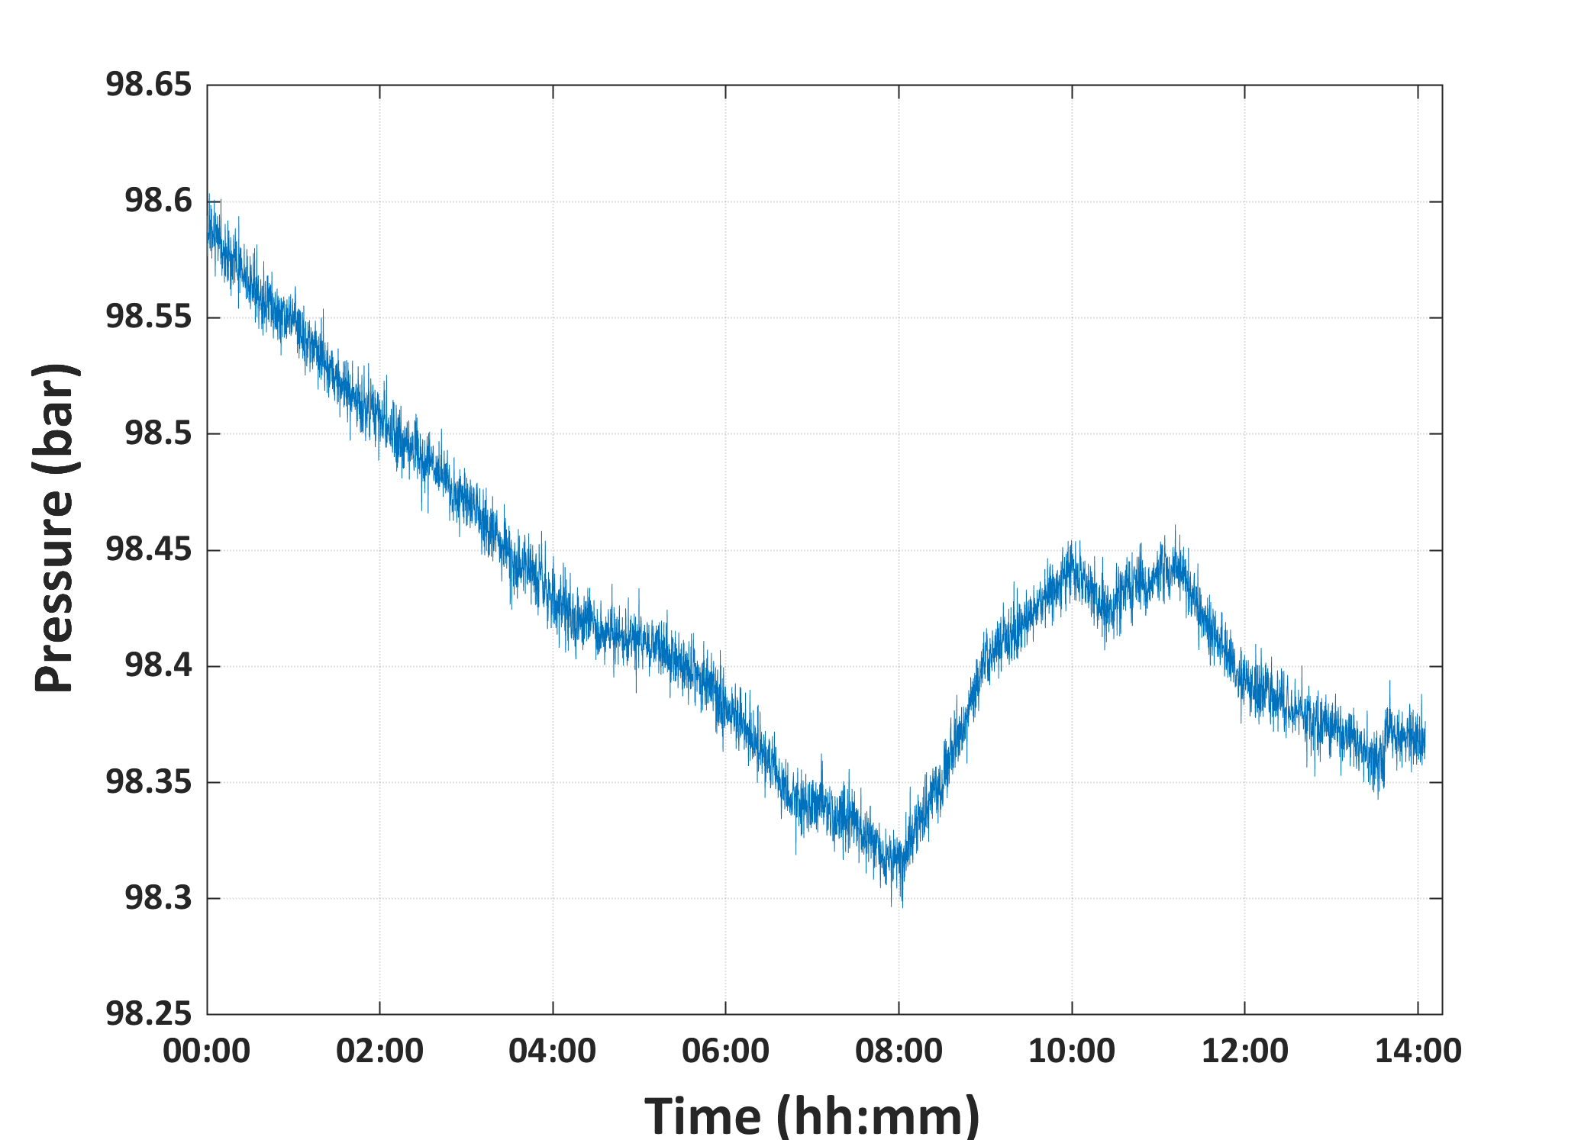
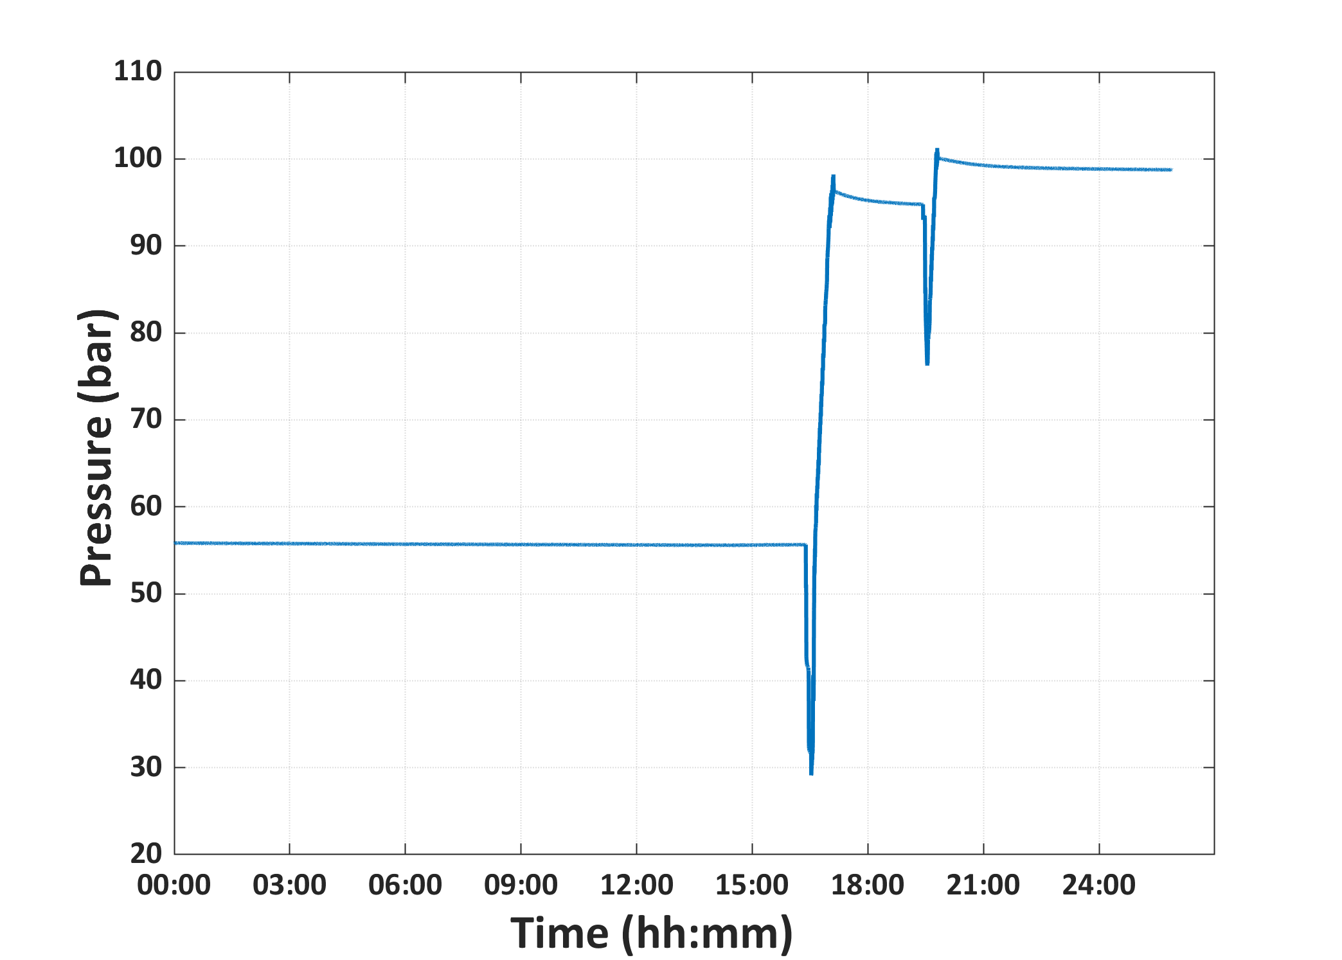



FIC1009_Flow_Data_and_Graphs
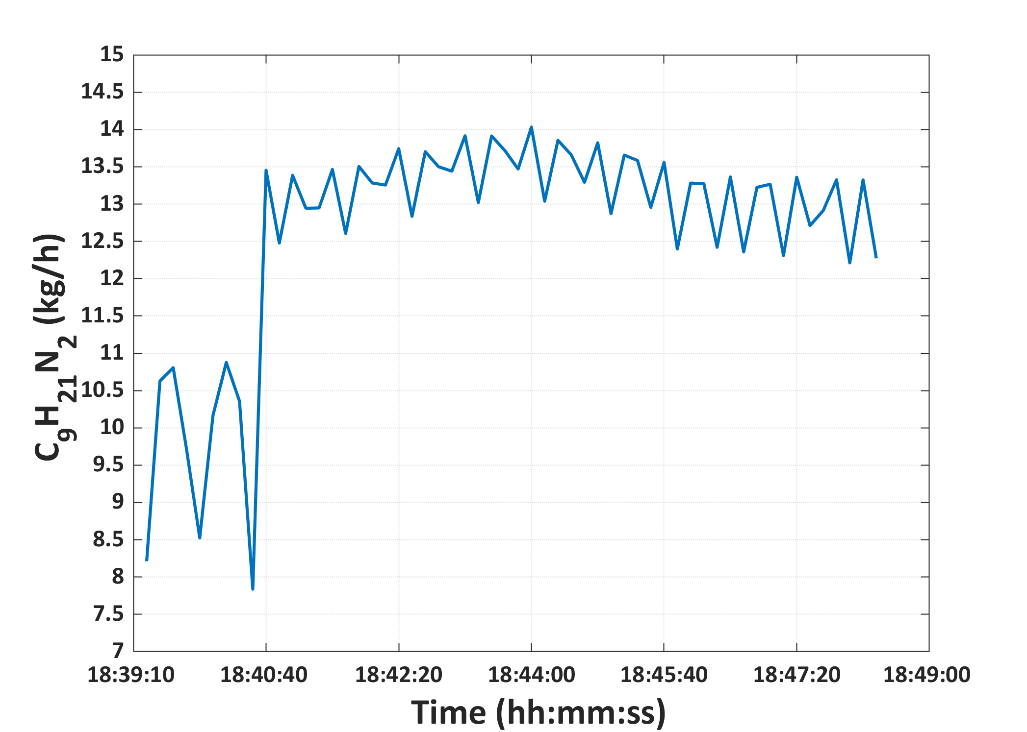
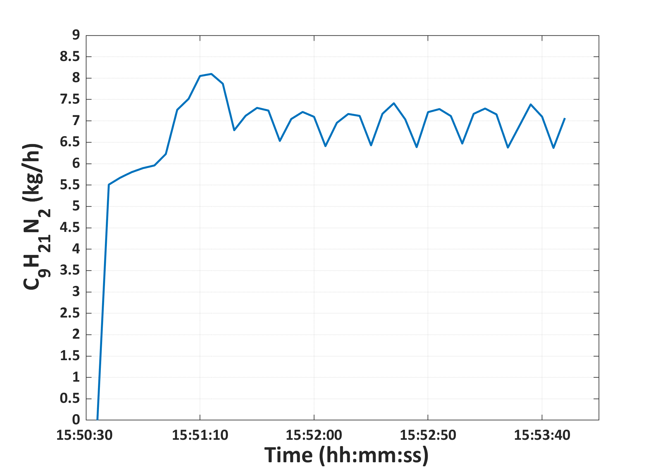
FIC1009 |  | FIC1009
Time | C9H21N2 (kg/h) | Time | C9H21N2 (kg/h)
18:39:10 | 8.21254 | 15:50:30 | 5.607765
18:39:20 | 10.627656 | 15:50:40 | 5.509139
18:39:30 | 10.80711 | 15:50:50 | 5.67136
18:39:40 | 9.72033 | 15:51:00 | 5.800748
18:39:50 | 8.52418 | 15:51:10 | 5.895404
18:40:00 | 10.168427 | 15:51:20 | 5.95766
18:40:10 | 10.877751 | 15:51:30 | 6.224856
18:40:20 | 10.356067 | 15:51:40 | 7.258711
18:40:30 | 7.83697 | 15:51:50 | 7.516717
18:40:40 | 13.45362 | 15:52:00 | 8.050678
18:40:50 | 12.477591 | 15:52:10 | 8.097971
18:41:00 | 13.385254 | 15:52:20 | 7.869298
18:41:10 | 12.943844 | 15:52:30 | 6.781647
18:41:20 | 12.947981 | 15:52:40 | 7.120049
18:41:30 | 13.464281 | 15:52:50 | 7.304435
18:41:40 | 12.604708 | 15:53:00 | 7.241855
18:41:50 | 13.504437 | 15:53:10 | 6.531518
18:42:00 | 13.282815 | 15:53:20 | 7.043925
18:42:10 | 13.254747 | 15:53:30 | 7.209004
18:42:20 | 13.742723 | 15:53:40 | 7.095813
18:42:30 | 12.834669 | 15:53:50 | 6.409594
18:42:40 | 13.701986 | 15:54:00 | 6.954619
18:42:50 | 13.500611 | 15:54:10 | 7.162143
18:43:00 | 13.440247 | 15:54:20 | 7.116972
18:43:10 | 13.915939 | 15:54:30 | 6.427959
18:43:20 | 13.020404 | 15:54:40 | 7.166241
18:43:30 | 13.913373 | 15:54:50 | 7.412592
18:43:40 | 13.717015 | 15:55:00 | 7.035651
18:43:50 | 13.469813 | 15:55:10 | 6.385935
18:44:00 | 14.032514 | 15:55:20 | 7.205457
18:44:10 | 13.037866 | 15:55:30 | 7.276502
18:44:20 | 13.854633 | 15:55:40 | 7.113206
18:44:30 | 13.661129 | 15:55:50 | 6.470071
18:44:40 | 13.291628 | 15:56:00 | 7.165059
18:44:50 | 13.821887 | 15:56:10 | 7.289026
18:45:00 | 12.871628 | 15:56:20 | 7.15164
18:45:10 | 13.656722 | 15:56:30 | 6.375585
18:45:20 | 13.584015 | 15:56:40 | 6.878977
18:45:30 | 12.955987 | 15:56:50 | 7.385233
18:45:40 | 13.558395 | 15:57:00 | 7.098829
18:45:50 | 12.397091 | 15:57:10 | 6.367606
18:46:00 | 13.281363 | 15:57:20 | 7.066802
18:46:10 | 13.272374
18:46:20 | 12.420093
18:46:30 | 13.364668
18:46:40 | 12.357183
18:46:50 | 13.224468
18:47:00 | 13.265326
18:47:10 | 12.309444
18:47:20 | 13.360539
18:47:30 | 12.711225
18:47:40 | 12.913424
18:47:50 | 13.3257
18:48:00 | 12.211225
18:48:10 | 13.324303
18:48:20 | 12.272717

