Slide 1 - Categorical Feature ...
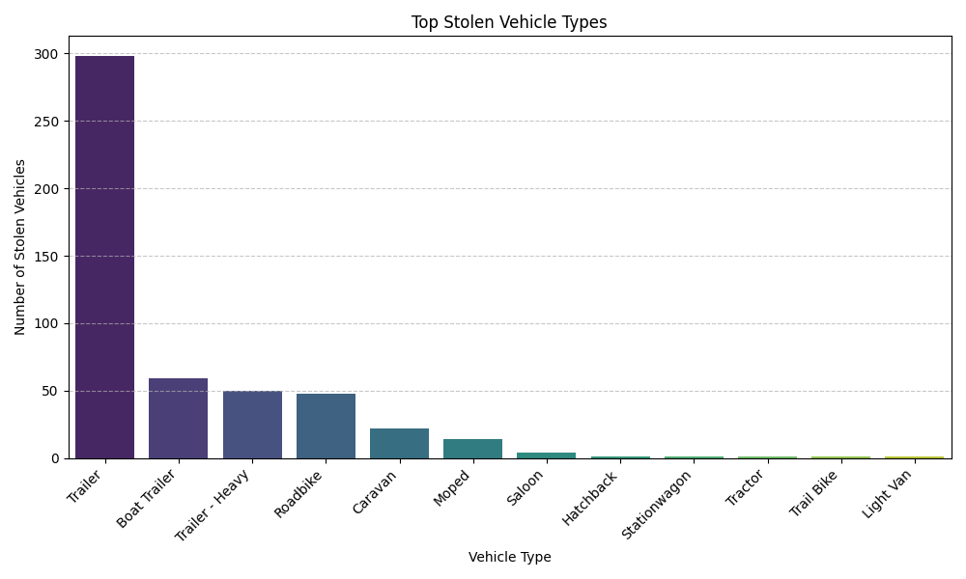
Slide 1: Categorical Feature Analysis - Top Stolen Vehicle Types

Task: | Identify which vehicle_type is most frequently stolen.
Prompt Used: | Identify which `vehicle_type` is most frequently stolen.
Chart: | Bar Chart showing counts of each vehicle type.
Insights: | 'Trailer' (and its variants like 'Boat Trailer' and 'Trailer - Heavy') are overwhelmingly the most frequently stolen vehicle types.
Prescription: | Implement targeted prevention campaigns and security measures specifically for trailers and boat trailers.

Slide 2 - Categorical Feature ...
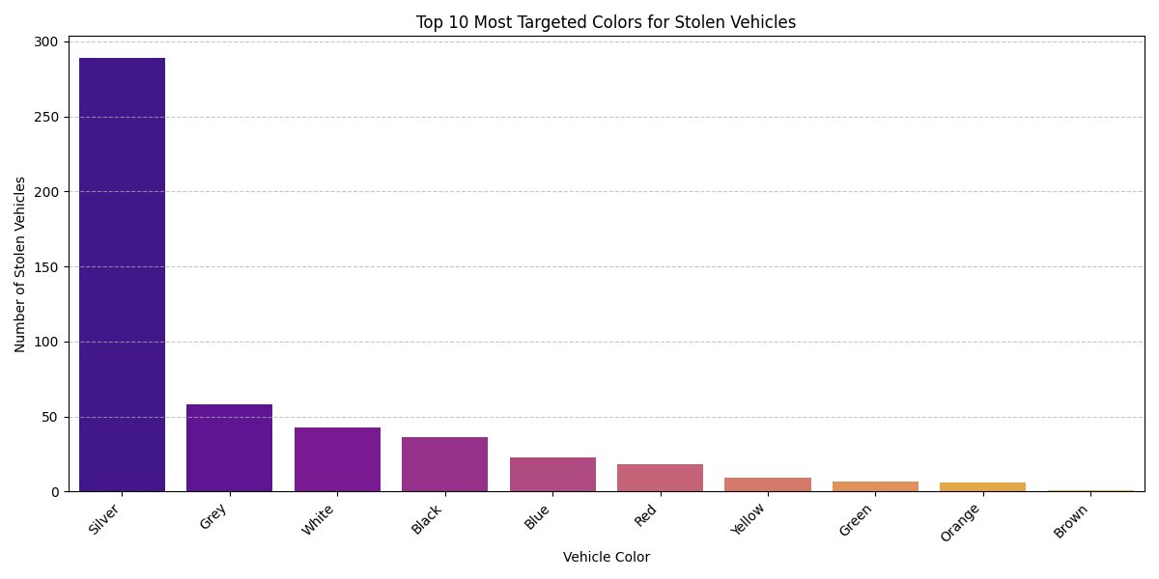
Slide 2: Categorical Feature Analysis - Most Targeted Colors

Task: | Determine if certain colors are stolen more often than others.
Prompt Used: | Determine if certain `color`s are stolen more often than others.
Chart: | Bar Chart of top 10 most targeted colors.
Insights: | 'Silver' is identified as the most targeted vehicle color, followed by 'Grey' and 'White'.
Prescription: | Raise awareness among owners of silver, grey, and white vehicles regarding their higher theft risk.

Slide 3 - Categorical Feature ...
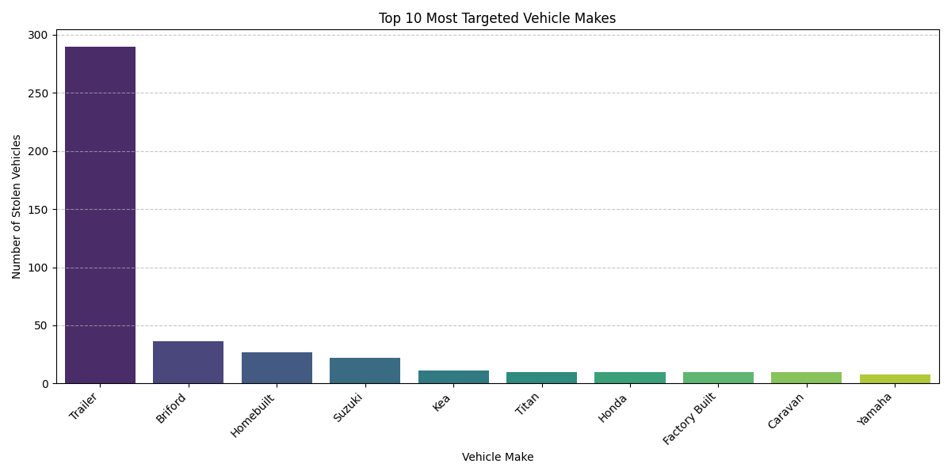
Slide 3: Categorical Feature Analysis - Popular Makes

Task: | Analyze Make_name to see which brands are most targeted by thieves.
Prompt Used: | Analyze `Make_name` to see which brands are most targeted by thieves.
Chart: | Bar Chart of top 10 most targeted vehicle makes.
Insights: | 'Trailer' (as a make, aligning with vehicle type) is by far the most common make name among stolen vehicles, indicating a high targeting of generic or specialized trailers.
Prescription: | Collaborate with manufacturers and retailers of top stolen makes to enhance built-in security features and promote aftermarket anti-theft solutions.

Slide 4 - Categorical Feature ...
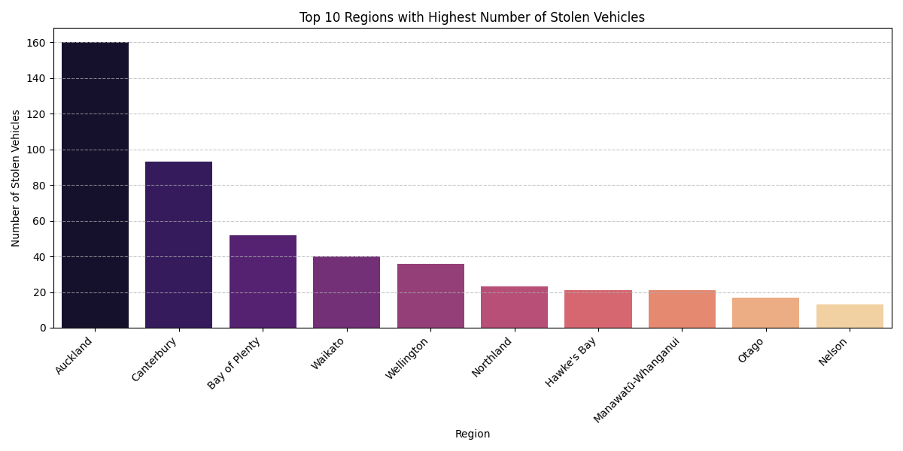
Slide 4: Categorical Feature Analysis - Regional Theft Patterns

Task: | Investigate Region to identify high-theft areas.
Prompt Used: | Investigate `Region` to identify high-theft areas and potentially compare the distribution of vehicle types or makes within those regions.
Chart: | Bar Chart of top 10 regions with the highest number of stolen vehicles.
Insights: | 'Auckland' consistently reports the highest number of vehicle thefts, followed by 'Canterbury'.
Prescription: | Allocate additional law enforcement resources and community watch programs to high-risk regions like Auckland and Canterbury.

Slide 5 - Temporal Analysis - ...
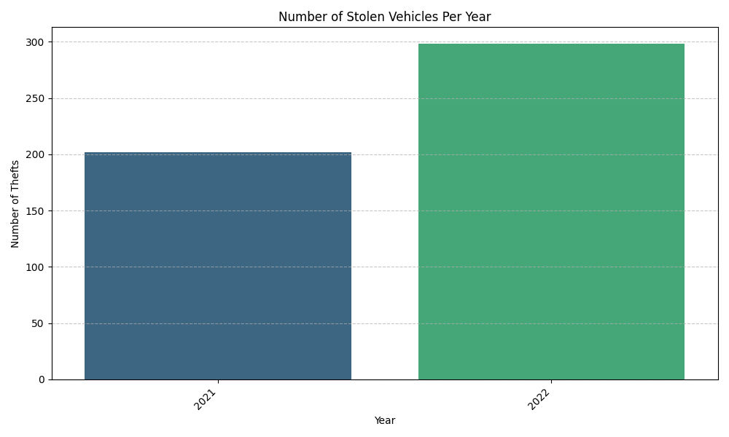
Slide 5: Temporal Analysis - Yearly Theft Trends

Task: | Analyze the date_stolen column for yearly patterns in thefts.
Prompt Used: | Analyze the `date_stolen` column to look for trends (e.g., daily, weekly, monthly, or yearly patterns in thefts).
Chart: | Bar Chart showing the number of stolen vehicles per year.
Insights: | Thefts show an increasing trend from 2021 to 2022.
Prescription: | Conduct a deeper dive into the factors contributing to the year-over-year increase and adjust annual resource planning accordingly.

Slide 6 - Temporal Analysis - ...
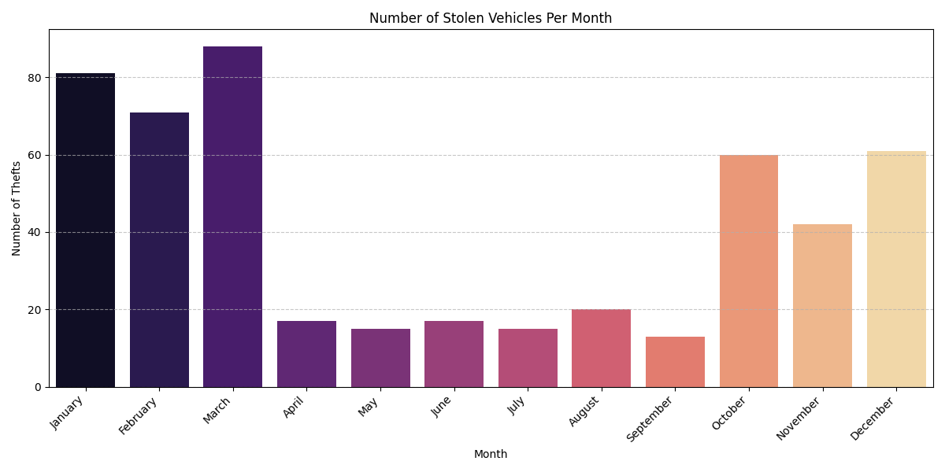
Slide 6: Temporal Analysis - Monthly Theft Trends

Task: | Determine if there are specific months when thefts are more prevalent.
Prompt Used: | Determine if there are specific days of the week or months when thefts are more prevalent.
Chart: | Bar Chart showing the number of stolen vehicles per month.
Insights: | Seasonal peaks in thefts are observed in the early and late parts of the year, with March exhibiting the highest theft count.
Prescription: | Increase patrols and public awareness campaigns during identified peak months (e.g., March, January, October, December).

Slide 7 - Temporal Analysis - ...
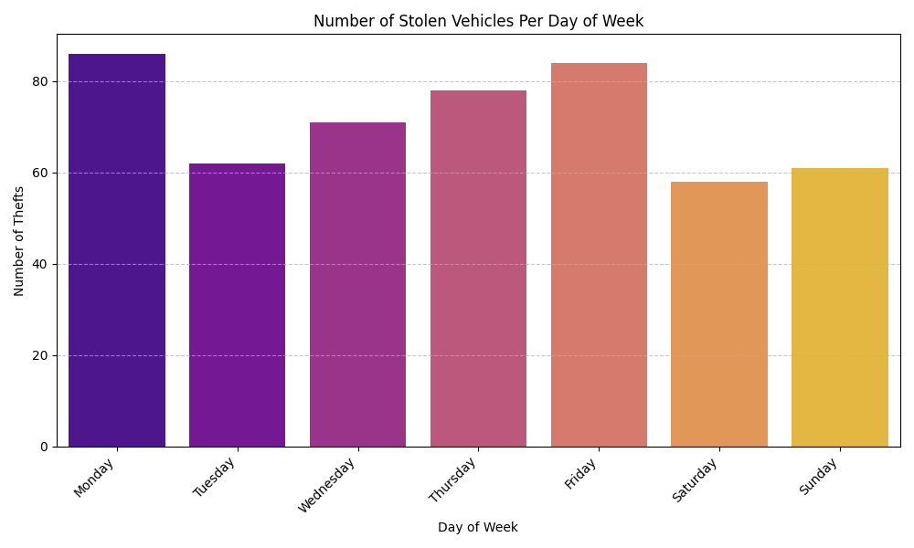
Slide 7: Temporal Analysis - Day of Week Theft Trends

Task: | Analyze if certain days of the week are more prone to vehicle thefts.
Prompt Used: | Analyze if certain days of the week are more prone to vehicle thefts.
Chart: | Bar Chart showing the number of stolen vehicles per day of the week.
Insights: | Thefts are more prevalent on weekdays, particularly Monday and Friday.
Prescription: | Enhance surveillance and preventative measures on weekdays, especially at the beginning and end of the work week.

Slide 8 - Temporal Analysis - ...
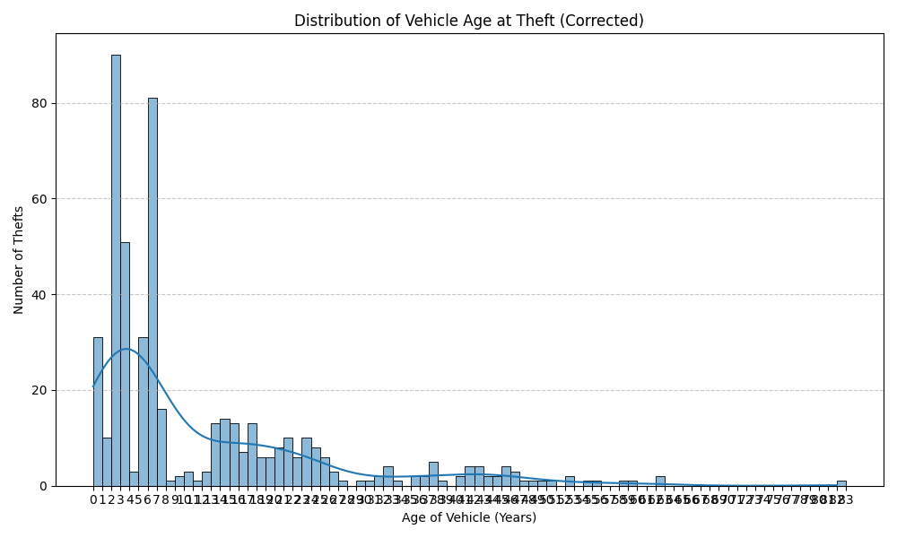
Slide 8: Temporal Analysis - Vehicle Age at Theft

Task: | Calculate the age of the vehicle when it was stolen to see if older or newer vehicles are more vulnerable.
Prompt Used: | Calculate the age of the vehicle when it was stolen (`stolen_year` - `model_year`) to see if older or newer vehicles are more vulnerable.
Chart: | Histogram of vehicle age at theft (corrected for negative ages).
Insights: | There is a high concentration of thefts for newer vehicles, specifically those between 0 and 5 years old.
Prescription: | Develop and promote specialized theft insurance products or security upgrades for vehicles within their first five years of age.

Slide 9 - Relationship Analysi...
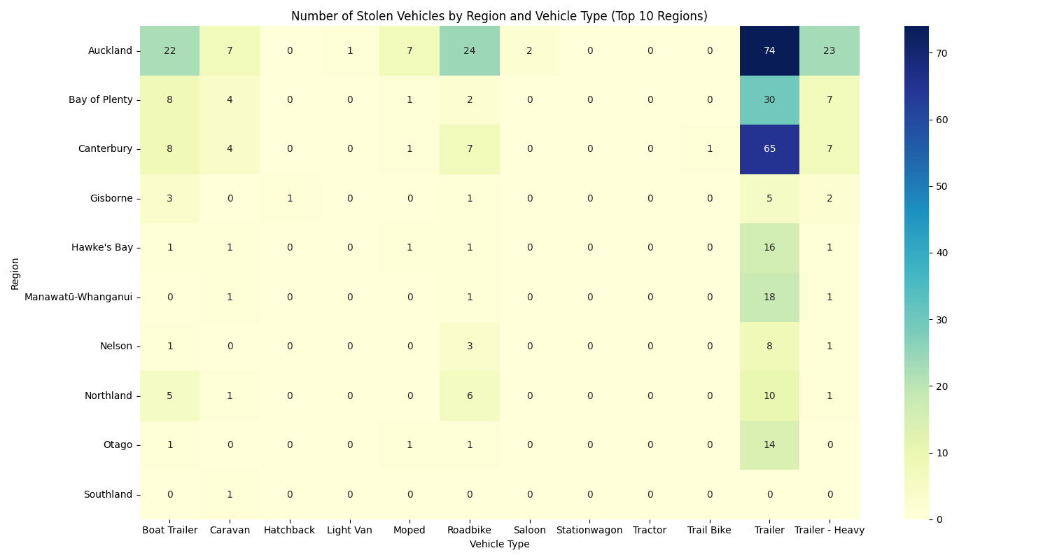
Slide 9: Relationship Analysis - Vehicle Type vs. Region

Task: | Investigate if a particular vehicle_type is stolen more often in specific Regions.
Prompt Used: | Investigate if a particular `vehicle_type` is stolen more often in specific `Region`s.
Chart: | Heatmap displaying number of stolen vehicles by region and vehicle type.
Insights: | 'Trailers' and their variants are consistently the most stolen vehicle types across regions, with Auckland and Canterbury showing the highest numbers for these specific types.
Prescription: | Tailor regional theft prevention strategies to address the dominant stolen vehicle types in each area, particularly focusing on trailer security in Auckland and Canterbury.

