JASP- RT
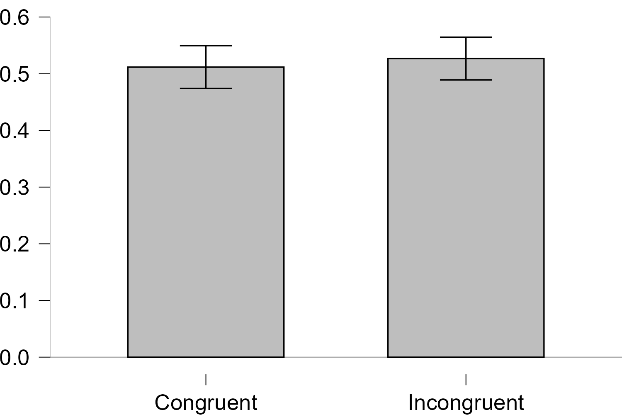
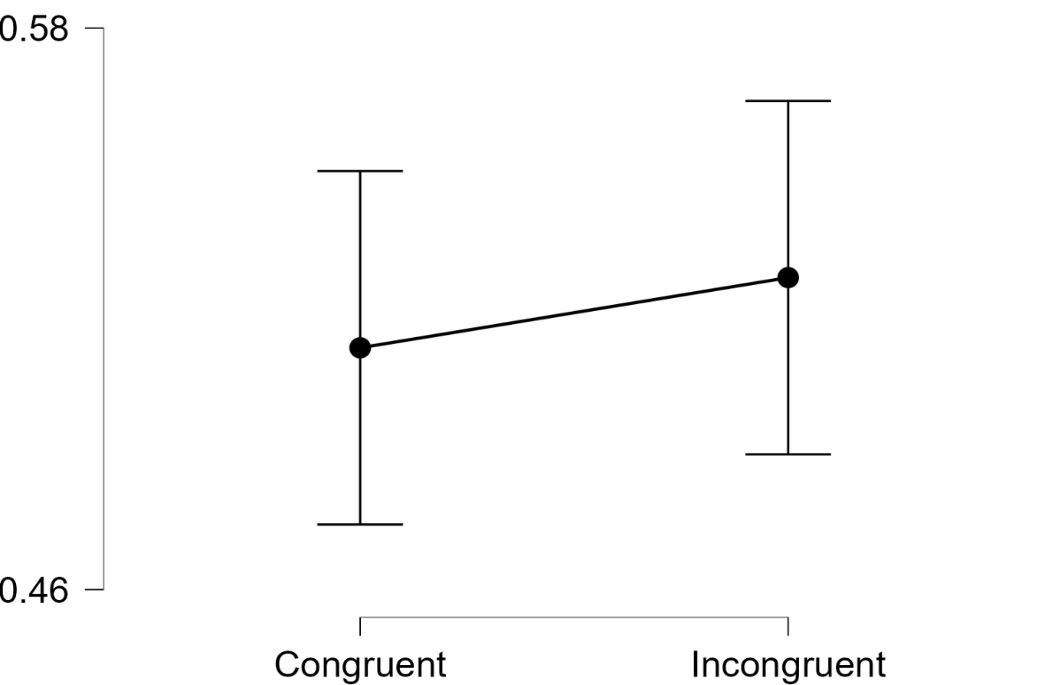
Paired Samples T-Test
Paired Samples T-Test
Measure 1 |  | Measure 2 | t | df | p | Mean Difference | SE Difference | Cohen's d | SE Cohen's d
Congruent | - | Incongruent | -0.722 | 5 | 0.503 | -0.015 | 0.021 | -0.295 | 0.132

Note. Student's t-test.

Descriptives
Descriptives
 | N | Mean | SD | SE | Coefficient of variation
Congruent | 6 | 0.512 | 0.116 | 0.047 | 0.226
Incongruent | 6 | 0.527 | 0.074 | 0.03 | 0.141

Descriptives Plots
Congruent - Incongruent

Bar Plots
Congruent - Incongruent

JASP-Accuracy
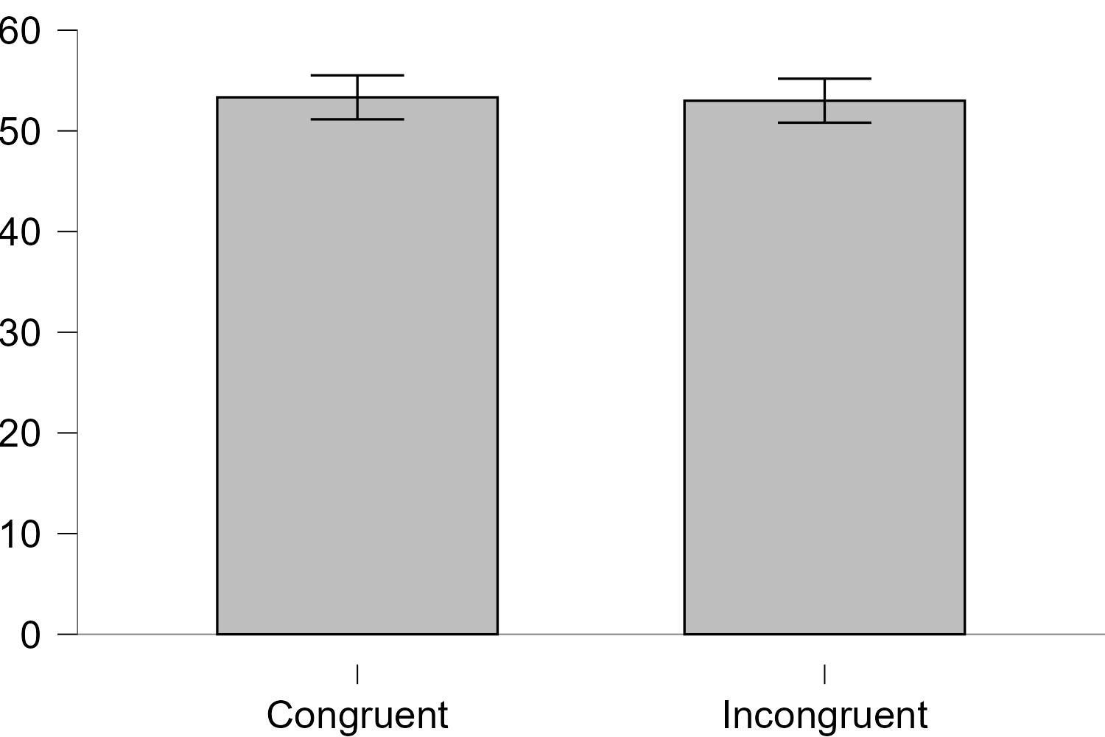
Paired Samples T-Test
Measure 1 |  | Measure 2 | t | df | p | Mean Difference | SE Difference | Cohen's d | SE Cohen's d
Congruent | - | Incongruent | 0.277 | 5 | 0.793 | 0.333 | 1.202 | 0.113 | 0.028

Note. Student's t-test.

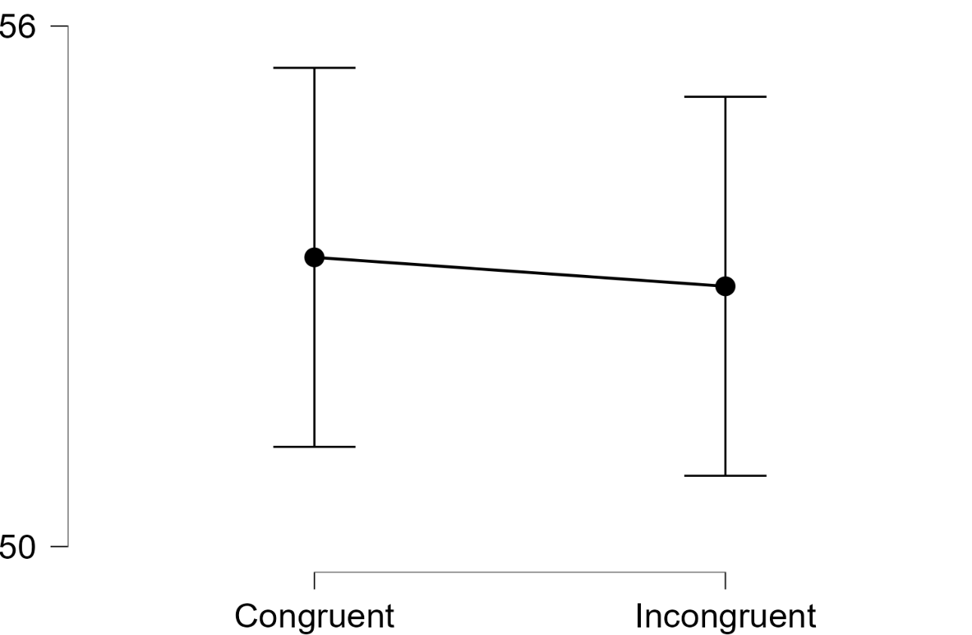
Descriptives
 | N | Mean | SD | SE | Coefficient of variation |  |  |  |  | Congruent - Incongruent
Congruent | 6 | 53.33 | 43.22 | 17.65 | 0.81
Incongruent | 6 | 53 | 42.76 | 17.46 | 0.807
 |  |  |  |  |  |  |  |  |  |  | Congruent - Incongruent

