About
Quick Instructions
Written by Tiran Dagan/2010 (Tiran@Tirandagan.com)
General: | This program will convert every row in the worksheet "Master Table" into a single slide using a powerpoint template you can create and modify. If you have enabled macros then you should see a menu named "One sheets" to the left of your help menu:

Preferences: | The first thing you need to do is open the preference menu and point to your template file (One Sheets -> Preferences). You can change the template you are using at any time. Feel free to change the format and location of any field in your table. Just make sure you change the preferences to indicate the two only fields that this program requires: the UID and item description. UID is a unique ID that identifies a line item. It could be a product code or serial number or a unique date. The description field describes the item in plain english. Once you map the two columns, you may change the name of the columns at any time (by adjusting row #1 of the master table). When you re-enter the preferences screen you will observe the program caught up with the name change. However please note that you will need to adjust your template to match the column names in your table. | 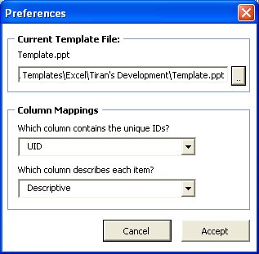
The template | Use powerpoint to open/edit your template. Any field you wish to include from your table needs to be surrounded with "{". Simply include the {fieldname} in any text box on your powerpoint template file. You can include as many fields you want in a single textbox but remember that text may overflow in the resulting document.
Creating the one-sheets | Select One sheets -> Create One Sheets to start the process. If your template refers to any field that does not exist in the master table, the program will abort and report the error. Your template does not need to refer to all the fields in the table. Once the report is complete, the output file is stored in the same directory as this spreadsheet using the current date and time as the filename.
Images: | You can assign a single image to any line/row. Just open the "Add/Update Screenshot" menu. Choose the product you are updating and then copy into your clipboard an image. You can do this by selecting "copy" from an image in your browser or hitting Alt+Print Screen or Ctrl+Print Screen, depending what you wish to capture. In the template, a single textbox containing the keyword {#screenshot} will be replace with the image, if one eixsts. If not - the "template" image will be used, so place in the cell for "Template" any image you want to use as a default image.
Settings Tab: | The settings for this program are in a hidden worksheet named "settings".

Screenshots
 | TEMPLATE
2 | 2 | 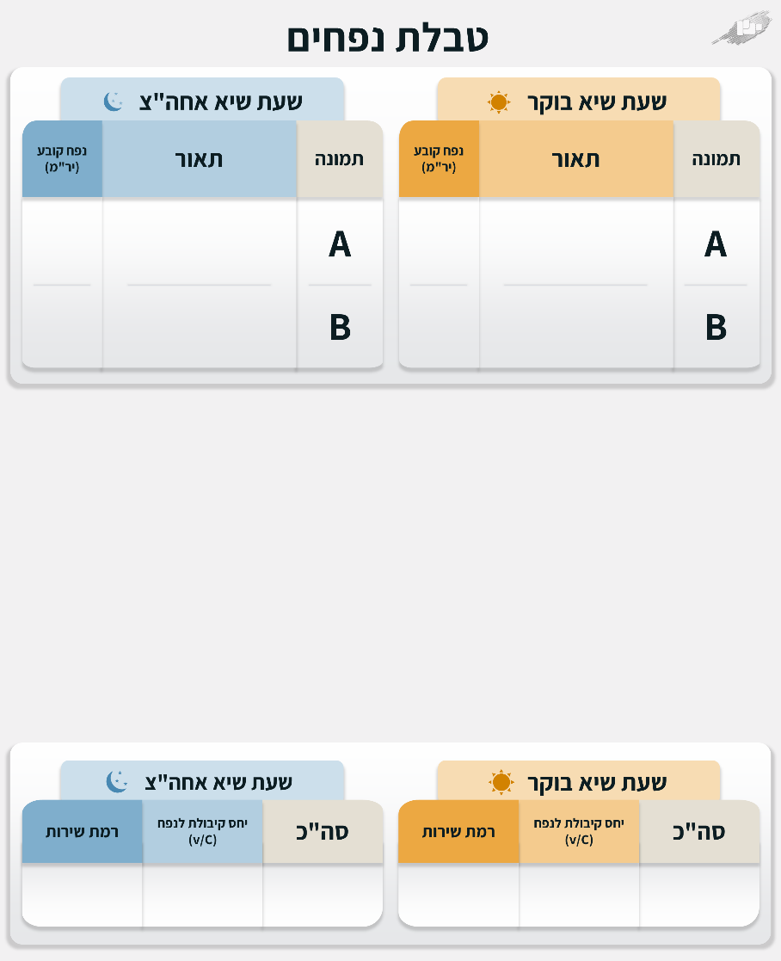
3 | 3 | 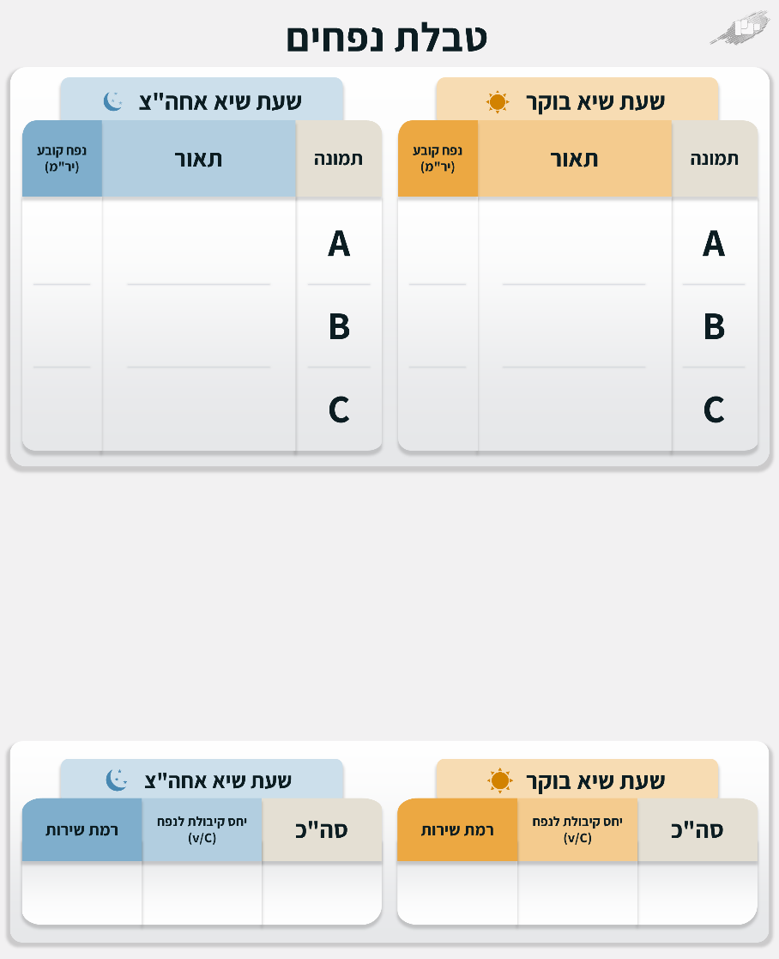
4 | 4 | 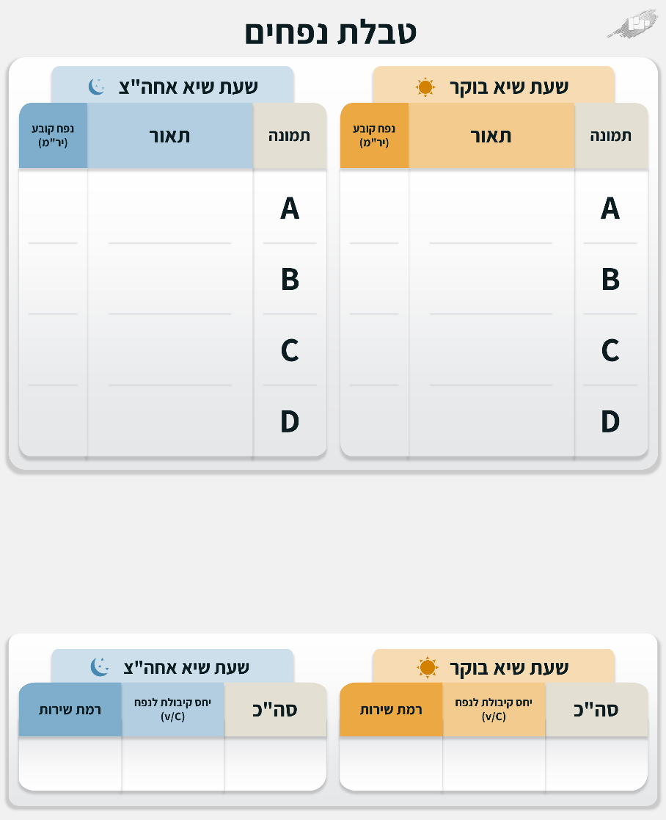
5 | 5 | 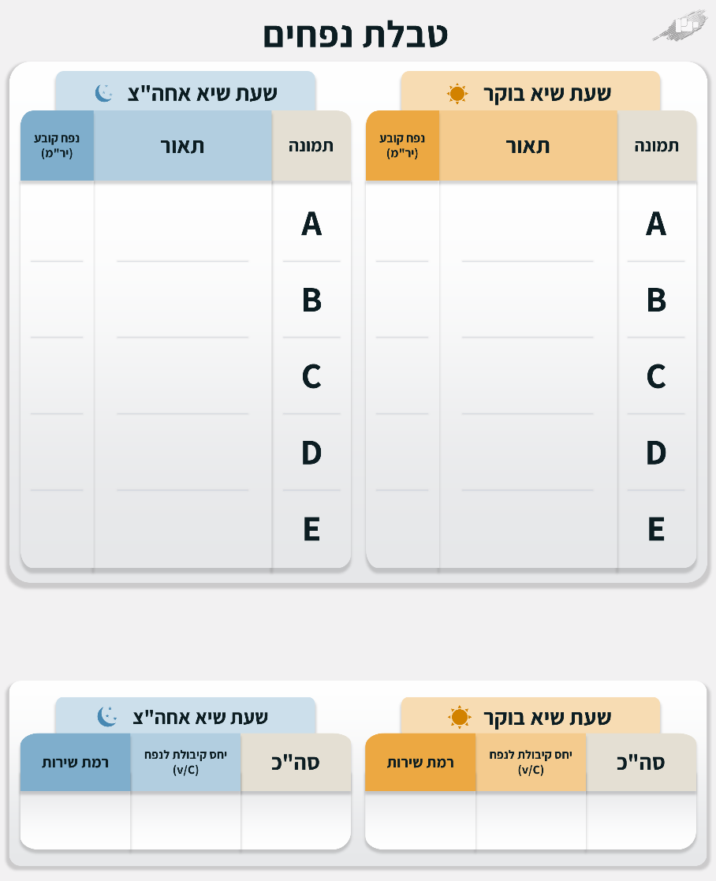
6 | 6 | 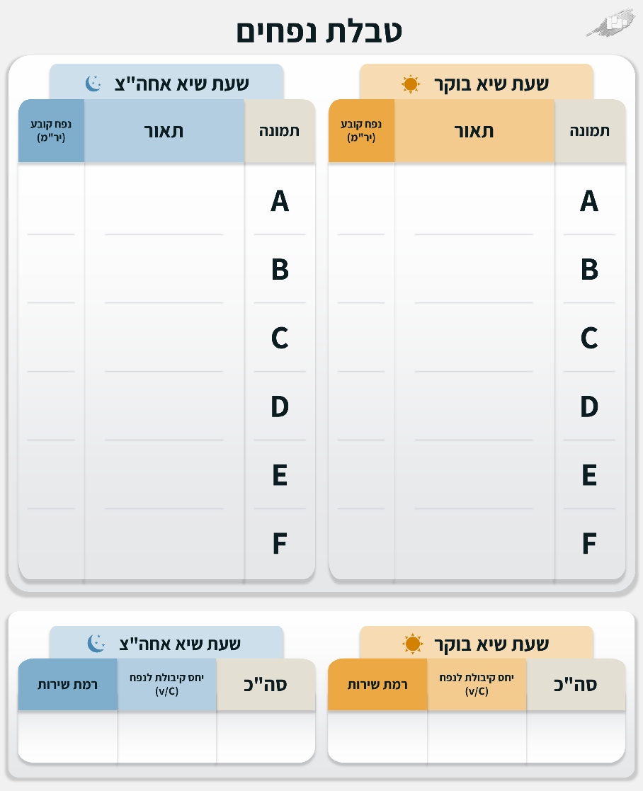
12 | 12 | 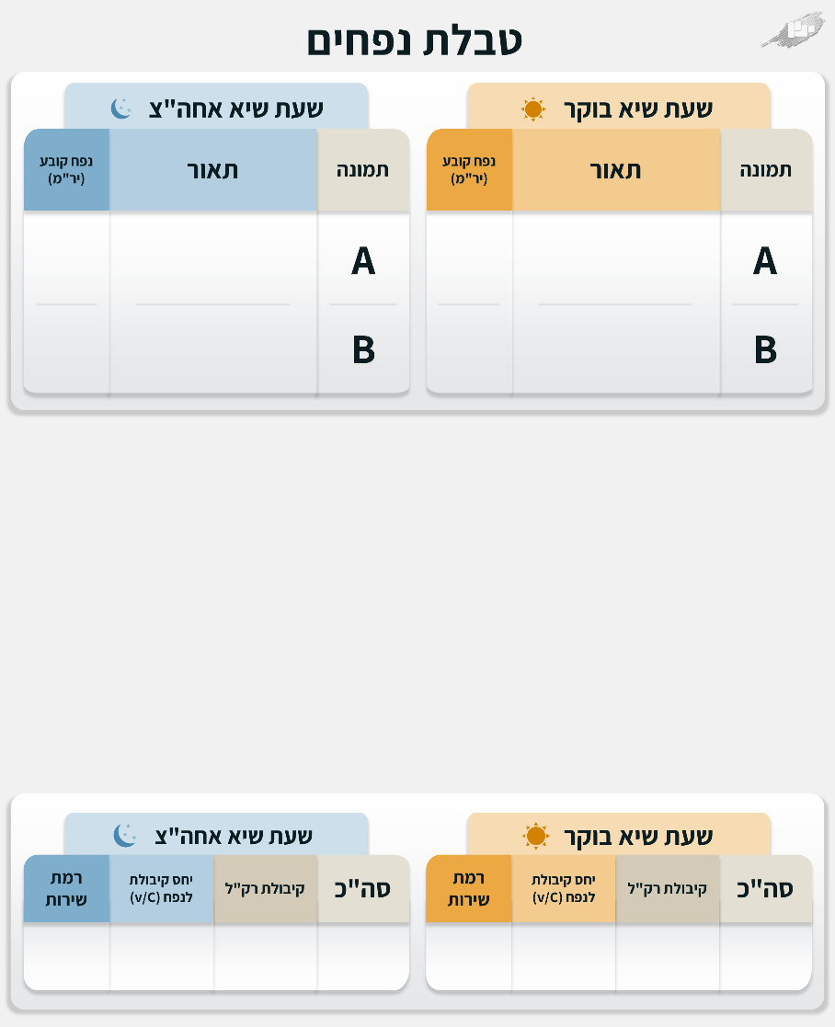
13 | 13 | 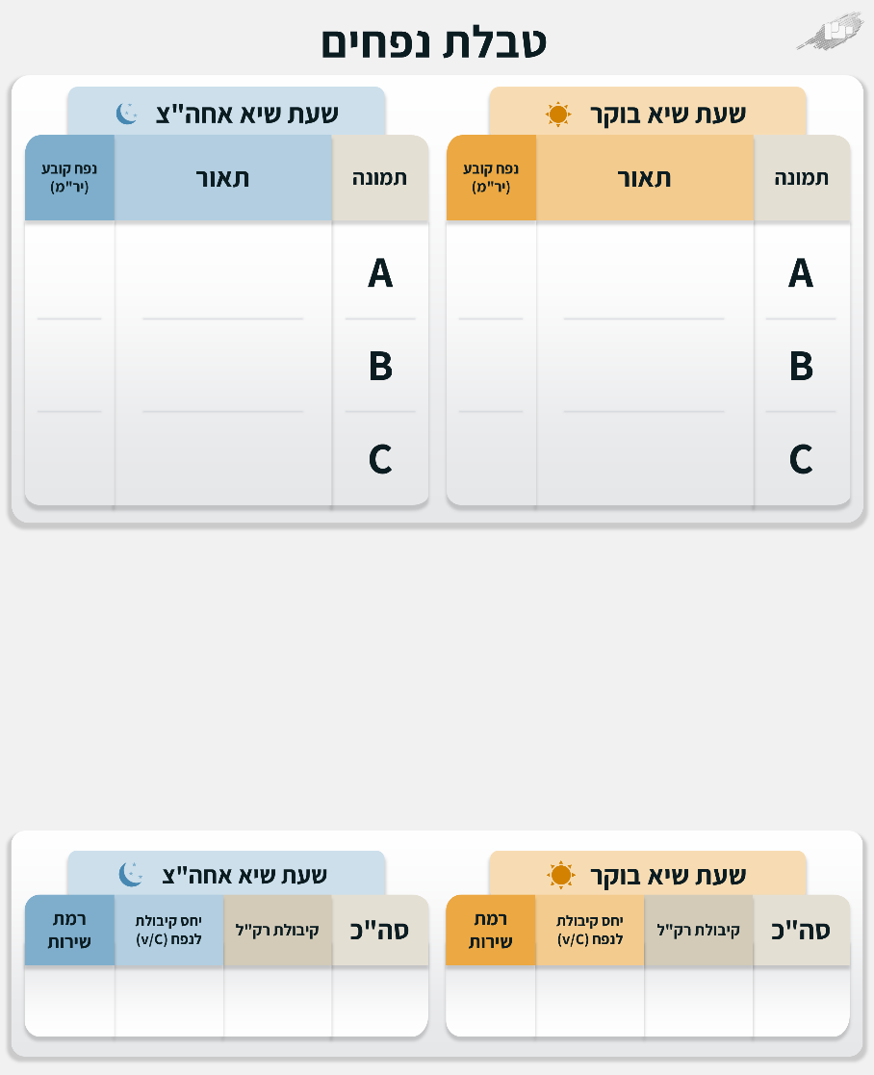
14 | 14 | 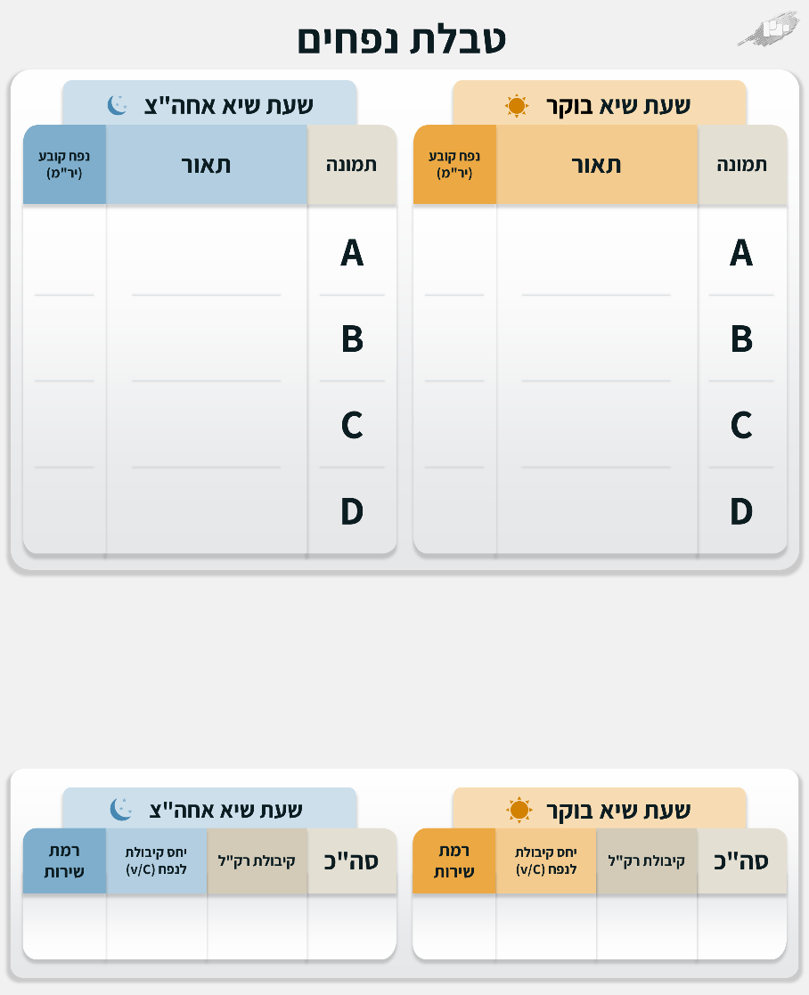
15 | 15 | 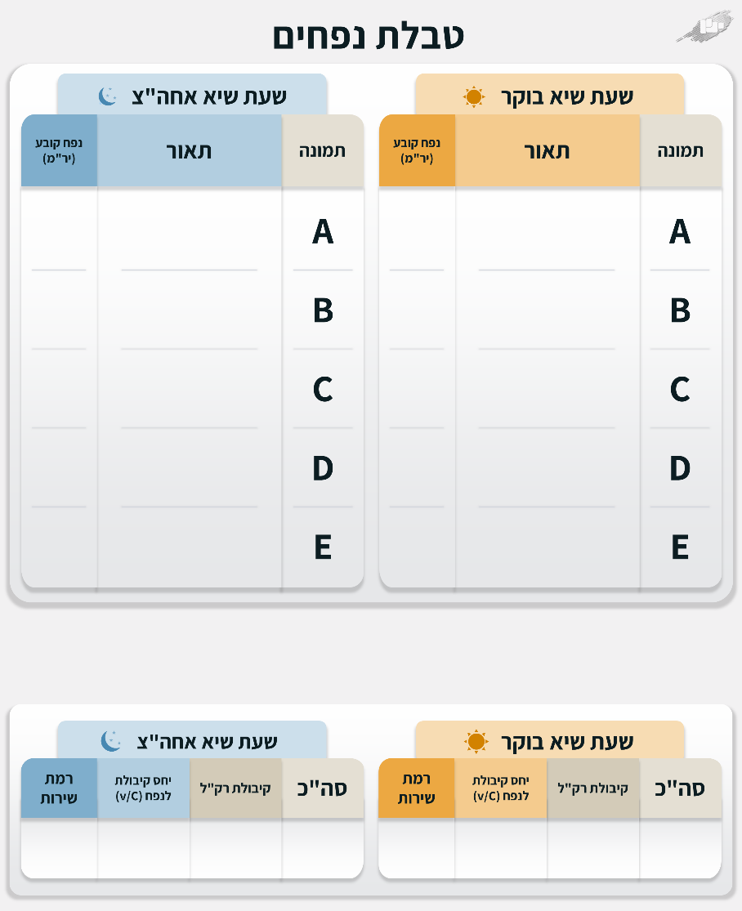
16 | 16 | 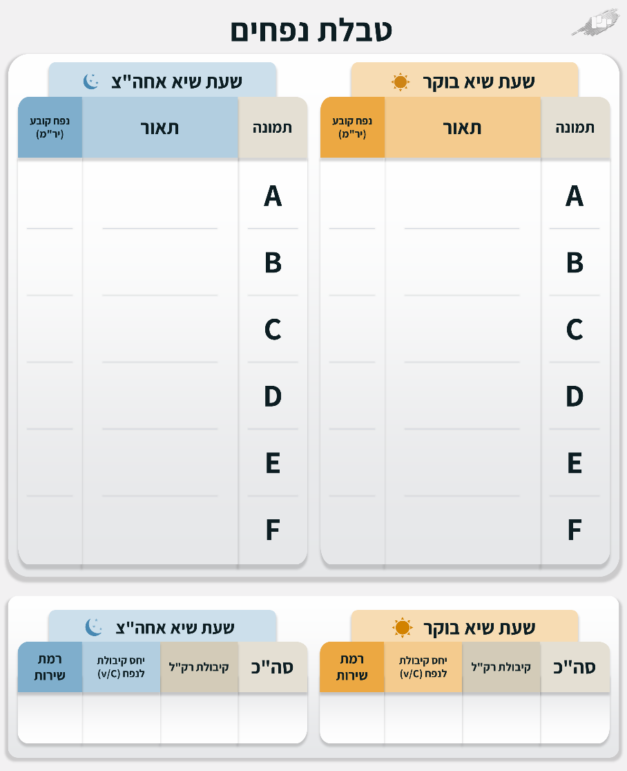
#REF! | #REF!
#REF! | #REF!
#REF! | #REF!
#REF! | #REF!
#REF! | #REF!
#REF! | #REF!
#REF! | #REF!
#REF! | #REF!
#REF! | #REF!
#REF! | #REF!
#REF! | #REF!
#REF! | #REF!
#REF! | #REF!
#REF! | #REF!
#REF! | #REF!
#REF! | #REF!
#REF! | #REF!
#REF! | #REF!
#REF! | #REF!
#REF! | #REF!
#REF! | #REF!
#REF! | #REF!
#REF! | #REF!
#REF! | #REF!
#REF! | #REF!
#REF! | #REF!
#REF! | #REF!
#REF! | #REF!
#REF! | #REF!
#REF! | #REF!
#REF! | #REF!
#REF! | #REF!
#REF! | #REF!
#REF! | #REF!
#REF! | #REF!
#REF! | #REF!
#REF! | #REF!
#REF! | #REF!
#REF! | #REF!
#REF! | #REF!
#REF! | #REF!
#REF! | #REF!
#REF! | #REF!
#REF! | #REF!
0 | 0
0 | 0
0 | 0
0 | 0
0 | 0
0 | 0
0 | 0
0 | 0
0 | 0
0 | 0
0 | 0
0 | 0
0 | 0
0 | 0
0 | 0
0 | 0
0 | 0
0 | 0
0 | 0
0 | 0
0 | 0
0 | 0
0 | 0
0 | 0
0 | 0
0 | 0
0 | 0
0 | 0
0 | 0
0 | 0
0 | 0
0 | 0
0 | 0
0 | 0
0 | 0
0 | 0
0 | 0
0 | 0
0 | 0
0 | 0
0 | 0
0 | 0
0 | 0
0 | 0
0 | 0
0 | 0
0 | 0
0 | 0
0 | 0
0 | 0
0 | 0
0 | 0
0 | 0
0 | 0
0 | 0
0 | 0
0 | 0
0 | 0
0 | 0
0 | 0
0 | 0
0 | 0
0 | 0
0 | 0
0 | 0
0 | 0
0 | 0
0 | 0
0 | 0
0 | 0
0 | 0
0 | 0
0 | 0
0 | 0
0 | 0
0 | 0

