Sheet1
Desktop rendering wireframe |  |  |  |  |  |  |  |  |  |  |  | Mobile rendering wireframe

Holiday UK |  |  |  |  |  |  |  |  | Home | Holidays | Contact us | Holiday UK |  |  |  |  |  |  |  |  | ≡ | → | Home
 |  |  |  |  |  |  |  |  |  |  |  |  |  |  |  |  |  |  |  |  |  |  | Holidays
 |  |  |  |  |  |  |  |  |  |  |  |  |  |  |  |  |  |  |  |  |  |  | Contact us

How many people |  |  | Choose your holiday housing |  |  | Set your holiday dates |  |  | Pick your price |  |  | How many people |  |  |  |  |  | Choose your holiday housing

- | 0 | + | ✔ | Hotel |  | 01/01/2019 - 01/02/2019 |  |  |  |  |  |  |  | - | 0 | + |  |  | ✔ | Hotel
 |  |  | ✔ | Motel |  |  |  |  |  |  |  |  |  |  |  |  |  |  | ✔ | Motel
How many rooms |  |  | ✔ | Inn |  | calendar date picker |  |  |  |  |  | How many rooms |  |  |  |  |  |  | ✔ | Inn
 |  |  | ✔ | Cottage |  |  |  |  |  |  |  |  |  |  |  |  |  |  | ✔ | Cottage
- | 0 | + |  |  |  |  |  |  |  |  |  |  |  | - | 0 | +

Find hotels in: |  | Enter city name |  |  |  |  |  | Available hotels: |  |  |  | Set your holiday dates |  |  |  |  |  | Pick your price

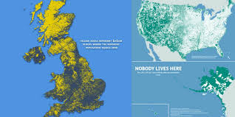 |  |  |  |  |  |  |  | Hotel listed |  |  |  |  | 01/01/2019 - 02/01/2019
 |  |  |  |  |  |  |  | Hotel listed
 |  |  |  |  |  |  |  | Hotel listed |  |  |  |  | calendar date picker
 |  |  |  |  |  |  |  | Hotel listed
 |  |  |  |  |  |  |  | Hotel listed
 |  |  |  |  |  |  |  | Hotel listed
 |  |  |  |  |  |  |  | Hotel listed
 |  |  |  |  |  |  |  | Hotel listed |  |  |  | Find hotels in: |  |  | Enter city: |  |  |  |  | Available hotels:
 |  |  |  |  |  |  |  | Hotel listed
 |  |  |  |  |  |  |  | Hotel listed |  |  |  |  |  |  |  |  |  |  |  | Hotel listed
 |  |  |  |  |  |  |  | Hotel listed |  |  |  |  |  |  |  |  |  |  |  | Hotel listed
 |  |  |  |  |  |  |  | Hotel listed |  |  |  |  |  |  |  |  |  |  |  | Hotel listed
 |  |  |  |  |  |  |  | Hotel listed |  |  |  |  |  |  |  |  |  |  |  | Hotel listed
 |  |  |  |  |  |  |  |  |  |  |  |  |  |  |  |  |  |  |  | Hotel listed
Featured holiday deals |  |  |  | ★★★★★ |  |  |  |  |  |  |  |  |  |  |  |  |  |  |  | Hotel listed
 |  |  |  |  |  |  |  |  |  |  |  |  |  |  |  |  |  |  |  | Hotel listed
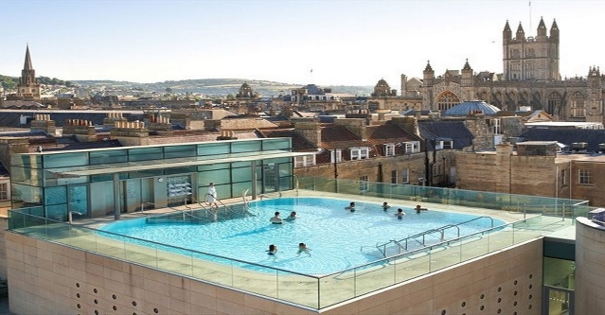 |  |  |  |  |  |  |  |  |  |  |  |  |  |  |  |  |  |  |  | Hotel listed
 |  |  |  |  |  |  |  |  |  |  |  |  |  |  |  |  |  |  |  | Hotel listed
 |  |  |  |  |  |  |  |  |  |  |  |  |  |  |  |  |  |  |  | Hotel listed
 |  |  |  |  |  |  |  |  |  |  |  |  |  |  |  |  |  |  |  | Hotel listed
featured holiday 1 |  | featured holiday 2 |  | featured holiday 3 |  | featured holiday 4 |  | featured holiday 5 |  | featured holiday 6 |  |  |  |  |  |  |  |  |  | Hotel listed
 |  |  |  |  |  |  |  |  |  |  |  |  |  |  |  |  |  |  |  | Hotel listed

 |  |  |  |  |  |  |  |  |  |  |  | Featured holiday deals
 |  |  |  |  |  |  |  |  |  |  |  | ★★★★★

 |  |  |  |  | Contact Us |  |  |  |  |  |  |  |  |  |  |  |  |  | 

 |  |  | sign up for promotion and deals |  |  | Email
 |  |  | name |  |  | 123123@132
 |  |  |  |  |  | Telephone |  |  |  |  |  |  | featured holiday 1 |  |  |  |  |  | featured holiday 2
 |  |  | email |  |  | 123123123
 |  |  |  |  |  | Address
 |  |  | sign up |  |  | 123123, 132, 13132

 |  |  |  | instagram | facebook | youtube | twitter
 |  |  |  |  |  |  |  |  |  |  |  | Contact Us

 |  |  |  |  |  |  |  |  |  |  |  |  | sign up for promotion and deals |  |  |  |  | Email
 |  |  |  |  |  |  |  |  |  |  |  |  | name |  |  |  |  | 123123@132
 |  |  |  |  |  |  |  |  |  |  |  |  |  |  |  |  |  | Telephone
 |  |  |  |  |  |  |  |  |  |  |  |  | email |  |  |  |  | 123123123
 |  |  |  |  |  |  |  |  |  |  |  |  |  |  |  |  |  | Address
 |  |  |  |  |  |  |  |  |  |  |  |  | sign up |  |  |  |  | 123123, 132, 13132

 |  |  |  |  |  |  |  |  |  |  |  |  |  |  |  | instagram | facebook | youtube | twitter

