Sheet1
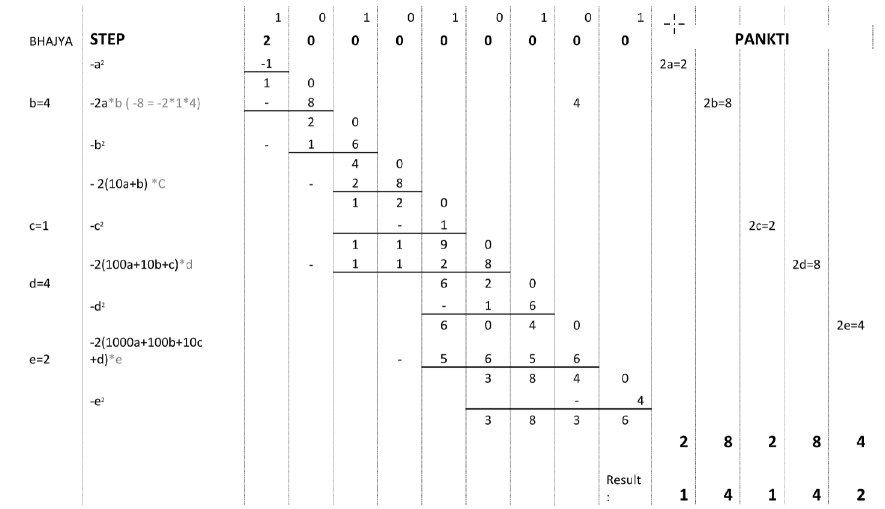
 |  |  |  |  |  |  |  |  |  |  |  |  |  |  |  |  | 1.7320508076

Bhajya | Step | 3 | 0 | 0 | 0 | 0 | 0 | 0 | 0 | 0
a=1 |  |  |  |  |  |  |  |  |  |  |  |  |  |  |  |  | 1.7349
 | -a^2 => 1 | -1 |  |  |  |  |  |  |  |  | 2a=2
 |  | 2 | 0
b=7 | -2b*a => 2*7*1 | -1 | 4 |  |  |  |  |  | 7 |  |  | 2b=14
 | Remainder |  | 6 | 0
 | b^2 => 49 |  | -4 | 9
 |  |  | 1 | 1 | 0
c=3 | -2c*(10a+b) => 2*3*17 |  | -1 | 0 | 2 |  |  |  |  |  |  |  | 2c=6
 | Remainder |  |  | 1 | 8 | 0
 | c^2 => 9 |  |  |  |  | -9
 |  |  |  | 1 | 7 | 1 | 0
d=4 | -2d*(100a+10b+c) => 2*4*(100 + 70 +3) |  |  | -1 | 3 | 8 | 4 |  |  |  |  |  |  | 2d=8
 | Remainder |  |  |  | 3 | 2 | 6 | 0 |  |  |  |  |  |  |  | <= 346
 | d^2=16 |  |  |  |  |  | -1 | 6
 |  |  |  |  | 3 | 2 | 4 | 4 | 0
e=9 | -2e*(1000a+100b+10c+d) => 2*9*(1000+700+30+4) |  |  |  | -3 | 2 | 2 | 1 | 2 |  |  |  |  |  | 2e=18
 | Remainder |  |  |  |  |  | 2 | 2 | 8 | 0 |  |  |  |  |  | <= 1760
 | e^2=81 |  |  |  |  |  |  |  | -8 | 1
 |  |  |  |  |  |  | 2 | 1 | 9 | 9 | 0
f=0 | -2f*(10000a+1000b+100c+10d+e) => 2*(10000+7000+300+40+9) |  |  |  |  |  |  |  |  |  | 0
 |  |  |  |  |  |  | 2 | 1 | 9 | 9 | 0 | 0
 | f^2=0 |  |  |  |  |  |  |  |  |  |  | 0
 |  |  |  |  |  |  | 2 | 1 | 9 | 9 | 0 | 0

