SmartSheet
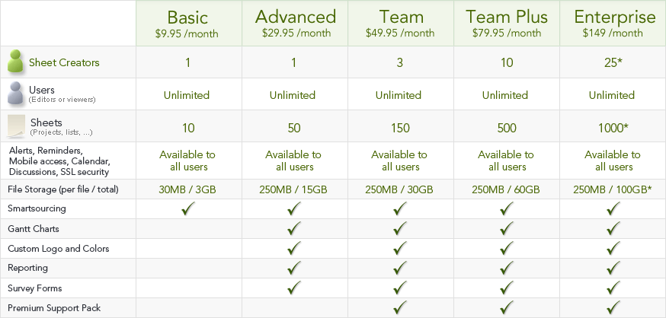
 | SAAS Based
Website | http://www.smartsheet.com
Product Name | Smart Sheet
Modules
Project Management | Who needs MS Project? Smartsheet makes it easy to set up your project, share it online and get real-time updates.
Sales | Track your sales pipeleline, prospect and customer lists in an online tool that your reps will actually use.
Task Management | Easily create tasks and sub-tasks, assign to others, set reminders and get alerts.
Marketing | Manage events, track team activity, collaborate on projects, and report on status.
Human Resources | Share on-boarding and exit checklists, manage recruiting candidate pipeline and track employee review process.
Crowdsourcing | Use paid crowdsourcing to get high quality work done at an affordable price.
Smartsheet for Google Apps | Extend Google Apps with integrated Smartsheet solutions.
Goals & Objectives Tracking | Track team objectives and status in real time.
IT Management | Manage IT projects, track helpdesk inquiries, manage issue logs and bug tracking sheets.
Product Management | Manage feature and enhancement request lists, track customer feedback, and share product release timelines.

