Special Confirmation
CeraVe Product Confirmation
Please compare the two catalogue entries below. No products will be combined without your confirmation.

CATALOGUE ENTRY A |  | CATALOGUE ENTRY B
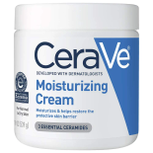 | SKU |  | SKU
 | SK80CT0136 |  | SK80CT0138
 | Product name |  | Product name
 | CeraVe Moisturizing Face Cream |  | CeraVe Moisturizing Cream
 | Known size / pack |  | Known size / pack
 | Not yet confirmed |  | 177ml
 | Current stock |  | Current stock
 | 1 |  | 1
Are these two separate products / pack sizes?
Your answer
Options: Yes - Keep as separate products | No - They are the same product | Unsure - Contact me
If No: which SKU / product should be kept?

