学习目标
二分查找(Binary Search)
分类：查找算法
数据结构：数组
概念定义：
实际应用： binary search can be used to solve a wider range of problems, such as finding the next-smallest or next-largest element in the array relative to the target even if it is absent from the array.
另请参阅： https://en.wikipedia.org/wiki/Binary_search_algorithm https://en.wikipedia.org/wiki/Big_O_notation#Orders_of_common_functions https://en.wikipedia.org/wiki/Time_complexity#Logarithmic_time
https://en.wikipedia.org/wiki/Iteration
https://en.wikipedia.org/wiki/Recursion https://www.youtube.com/watch?v=T98PIp4omUA
示例工程(含讲义)： https://github.com/dastructhm/AlgorithmBinarySearch

- 在有序数组中查找目标值的位置的查找算法
- 把数组的中位数和目标值作比较
- 如果不相等，目标不在的那一半被去除，继续在剩余的那一半中查找
再次把中位数与目标值作比较，重复直至找到目标值
如果查找剩余的一半结束时，剩余的一般是空的，则说明目标值不在数组中

复杂度
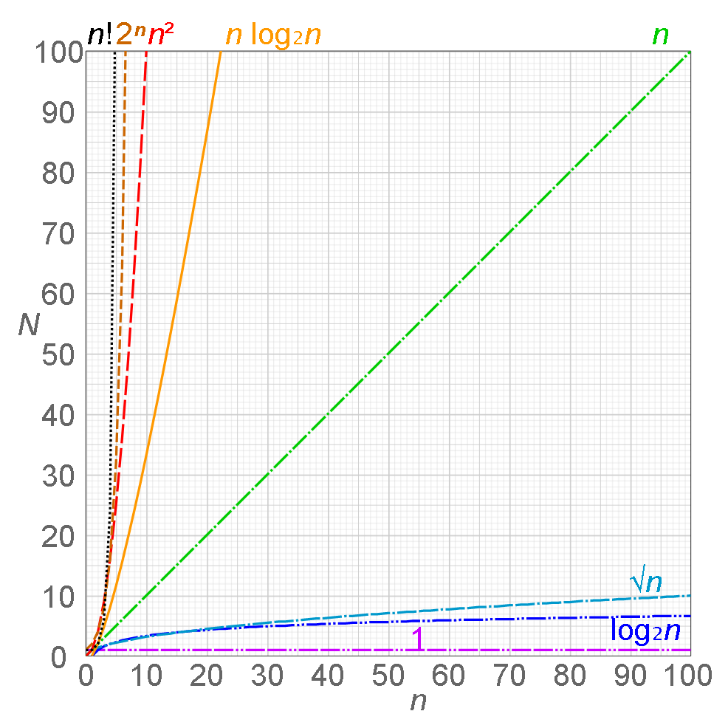

最坏时间复杂度：O(log n), where n is the number of elements in the array
最好时间复杂度：O(1)
平均时间复杂度：O(log n), where n is the number of elements in the array
最坏空间复杂度：O(1)

步骤
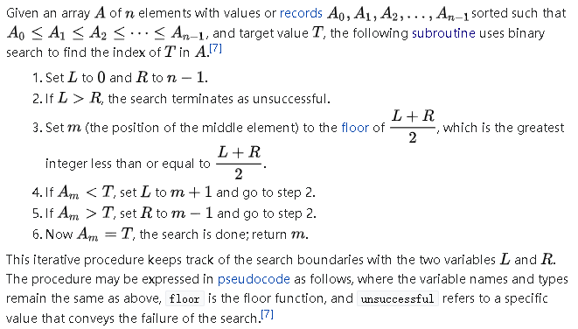

图解1
中位数
1 | 3 | 4 | 6 | 7 | 8 | 10 | 13 | 14 | 18 | 19 | 21 | 24 | 37 | 40 | 45 | 71
[0] | [1] | [2] | [3] | [4] | [5] | [6] | [7] | [8] | [9] | [10] | [11] | [12] | [13] | [14] | [15] | [16]

左界
右界

第1次迭代
左界 = 0
右界 = 16
middle = (0+16)/2 = 16/2 = 8
7 (target at index 4) < 14 (middle at index 8)
high = middle - 1 = 7
数组的长度：17
下标：

图解2
第2次迭代
左界 = 0
右界 = 7
middle = (0+7)/2 = 7/2 = 3 R 1
7 (target at index 4) > 6 (middle at index 3)
low = middle + 1 = 4

图解3
第3次迭代
左界 = 4
右界 = 7
middle = (4+7)/2 = 11/2 = 5 R 1
7 (target at index 4) < 8 (middle at index 5)
high = middle - 1 = 4

图解4
第4次迭代
左界 = 4
右界 = 4
middle = (4+4)/2 = 8/2 = 4
7 (target at index 4) == 7 (middle at index 4)

