Sheets_method
Data
Variant | Impressions | Sales | Unitary_price | Products | Proportion_Products_Impressions
B | 3000 | 500 | 20 | 25 | 0.008
A | 3600 | 10000 | 1000 | 10 | 0.003

Results |  |  |  |  | Notes of results:
0.00530 | Pooled sample proportion: p = (p1 * n1 + p2 * n2) / (n1 + n2) |  |  |  | Where: p is the pooled sample proportion, p1 and p2 are the proportion of the first and second variant, respectively, n1 and n2 are the sample size of the first and second variant, respectively.
3.09428 | z statistic: (p1-p2) / √p * (1-p) * [ (1/n1) + (1/n2)]
1.97E-03 | p-value, two-tailed |  |  |  | This P-value indicates if the proportions of both variants differ. The P-value has a condition such that the color green indicates when the value is lower than 0.05. Please, follow the formula.
9.86E-04 | p-value, one-tailed |  |  |  | This P-value indicates if the proportion of the first variant is greater than the proportion of the second variant. The P-value has a condition such that the color green indicates when the value is lower than 0.05. Please, follow the formula.

How to report the results?
The two-proportions z-test indicates that the proportion of the A variant and the B variant differ significantly (write the proportions, the z-statistic and the p-value in this way: variant A: 10/3600, variant B: 25/3000; z= 3.094, p= 1.97 e-3)
The two-proportions z-test indicates that the proportion of the B variant is greater than the A variant significantly (variant A: 10/3600, variant B: 25/3000; z= 3.094, p= 8.86 e-4)
The two-proportions z-test indicates that the proportion of the A variant and the B variant are similar (This in case that the p-value be equal or greater than 0.05. Example: variant A: 20/3600, variant B: 25/3000; z= 1.365, p= 1.72 e-1)

Comparison of methods
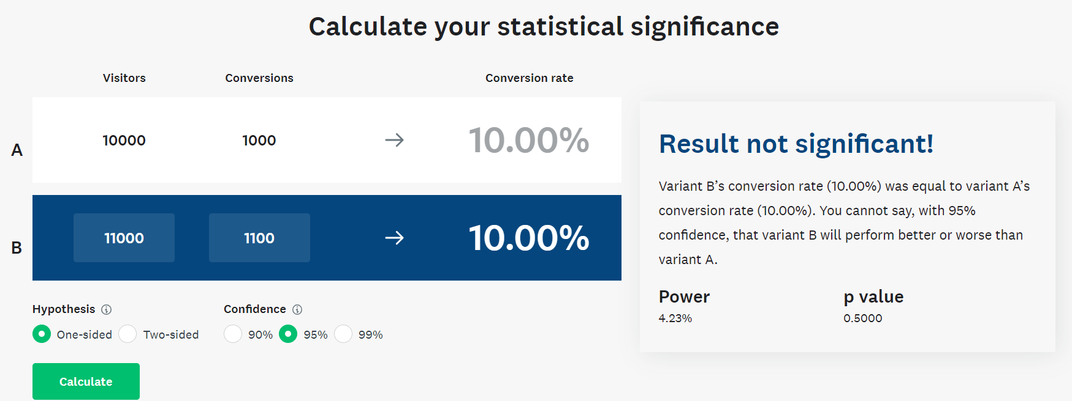
Data |  |  |  |  |  |  | Mine | Conclussion
Variant | Impressions | Sales | Unitary_price | Conversions | Conversion_rate | Difference between conversion rates |  | My method matches professional marketing methods comparing A/B test conversion rates
B | 10000 | 10 | 100 | 1000 | 0.100
A | 11000 | 10 | 110 | 1100 | 0.100 | 0.000

Results | 0.100 | 0.100 |  |  | Notes of results:
0.10000 | Pooled sample proportion |  |  |  | Where: p is the pooled sample proportion, p1 and p2 are the proportion of the first and second variant, respectively, n1 and n2 are the sample size of the first and second variant, respectively.
0.00000 | z statistic
1.0000 | p-value, two-tailed |  |  |  | This P-value indicates if the proportions of both variants differ. The P-value has a condition such that the color green indicates when the value is lower than 0.05. Please, follow the formula.
0.5000 | p-value, one-tailed |  |  |  | This P-value indicates if the proportion of the first variant is greater than the proportion of the second variant. The P-value has a condition such that the color green indicates when the value is lower than 0.05. Please, follow the formula.

Data |  |  |  |  |  |  | Siroker D, Koomen P (2013) A/B testing. Wiley, USA. ISBN 978-1-118-65920-5
Variant | Impressions | Sales | Unitary_price | Conversions | Conversion_rate | Difference between conversion rates
B | 10000 | 10 | 100 | 1000 | 0.100
A | 11000 | 10 | 110 | 1100 | 0.100 | 0.000

Results
0.1000 | p
0.00000 | z statistic
1.0000 | p-value, two-tailed
0.5000 | p-value, one-tailed

Data |  |  |  |  |  |  | Wei M (2022) How to Select the Right Statistical Tests for Different A/B Metrics. Towards Data Science. Url: https://towardsdatascience.com/how-to-select-the-right-statistical-tests-for-different-a-b-metrics-c8a1865851e
Variant | Impressions | Sales | Unitary_price | Conversions | Conversion_rate | Difference between conversion rates
B | 10000 | 10 | 100 | 1000 | 0.100
A | 11000 | 10 | 110 | 1100 | 0.100 | 0.000

0.00 | z statistic
1.0000 | p-value, two-tailed | 0.0000
0.5000 | p-value, one-tailed

 |  |  |  |  |  |  | Survey Monkey (2023) AB testing calculator. Url: https://www.surveymonkey.com/mp/ab-testing-significance-calculator/

