Correlation_Matrix
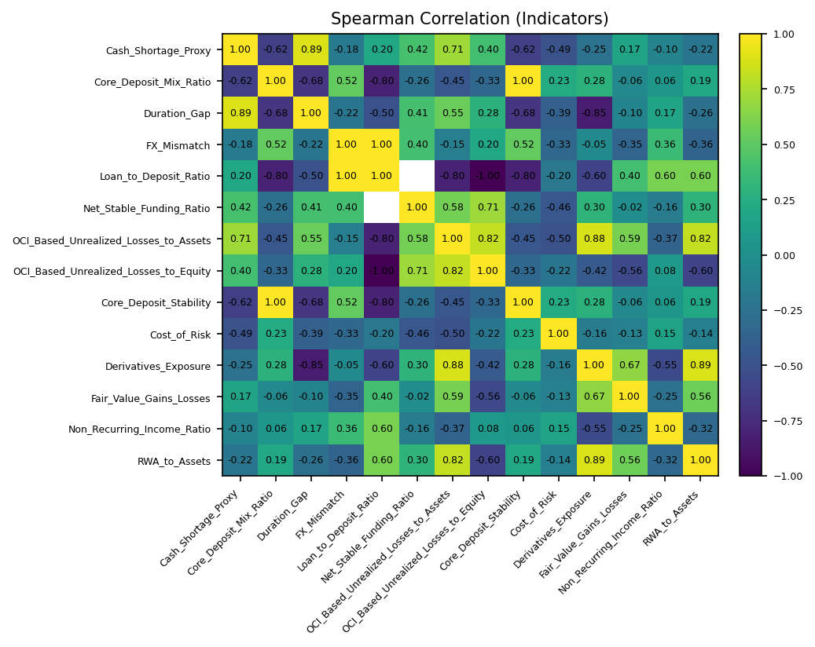
 | Cash_Shortage_Proxy | Core_Deposit_Mix_Ratio | Duration_Gap | FX_Mismatch | Loan_to_Deposit_Ratio | Net_Stable_Funding_Ratio | OCI_Based_Unrealized_Losses_to_Assets | OCI_Based_Unrealized_Losses_to_Equity | Core_Deposit_Stability | Cost_of_Risk | Derivatives_Exposure | Fair_Value_Gains_Losses | Non_Recurring_Income_Ratio | RWA_to_Assets
Cash_Shortage_Proxy | 1 | -0.62241134916 | 0.89285714286 | -0.17857142857 | 0.2 | 0.41823408118 | 0.71489896944 | 0.39642857143 | -0.62241134916 | -0.48774509804 | -0.25383205261 | 0.16911764706 | -0.10357780082 | -0.22058823529
Core_Deposit_Mix_Ratio | -0.62241134916 | 1 | -0.68417231912 | 0.51568212113 | -0.8 | -0.26206896552 | -0.45456354168 | -0.3344275142 | 1 | 0.23366150977 | 0.28410221355 | -0.059030276153 | 0.058055669726 | 0.19218586196
Duration_Gap | 0.89285714286 | -0.68417231912 | 1 | -0.22142857143 | -0.5 | 0.41251432366 | 0.55357142857 | 0.28214285714 | -0.68417231912 | -0.38928571429 | -0.84642857143 | -0.096428571429 | 0.17117811791 | -0.26428571429
FX_Mismatch | -0.17857142857 | 0.51568212113 | -0.22142857143 | 1 | 1 | 0.40334733869 | -0.14642857143 | 0.19642857143 | 0.51568212113 | -0.33214285714 | -0.046428571429 | -0.34642857143 | 0.36217686 | -0.35714285714
Loan_to_Deposit_Ratio | 0.2 | -0.8 | -0.5 | 1 | 1 |  | -0.8 | -1 | -0.8 | -0.2 | -0.6 | 0.4 | 0.6 | 0.6
Net_Stable_Funding_Ratio | 0.41823408118 | -0.26206896552 | 0.41251432366 | 0.40334733869 |  | 1 | 0.58332236589 | 0.7104413352 | -0.26206896552 | -0.45994423503 | 0.30236861664 | -0.017343001315 | -0.16057951201 | 0.30376538319
OCI_Based_Unrealized_Losses_to_Assets | 0.71489896944 | -0.45456354168 | 0.55357142857 | -0.14642857143 | -0.8 | 0.58332236589 | 1 | 0.81785714286 | -0.45456354168 | -0.50485071371 | 0.88137737175 | 0.58761440093 | -0.36548672566 | 0.81943042972
OCI_Based_Unrealized_Losses_to_Equity | 0.39642857143 | -0.3344275142 | 0.28214285714 | 0.19642857143 | -1 | 0.7104413352 | 0.81785714286 | 1 | -0.3344275142 | -0.22142857143 | -0.425 | -0.55714285714 | 0.082886246568 | -0.59642857143
Core_Deposit_Stability | -0.62241134916 | 1 | -0.68417231912 | 0.51568212113 | -0.8 | -0.26206896552 | -0.45456354168 | -0.3344275142 | 1 | 0.23366150977 | 0.28410221355 | -0.059030276153 | 0.058055669726 | 0.19218586196
Cost_of_Risk | -0.48774509804 | 0.23366150977 | -0.38928571429 | -0.33214285714 | -0.2 | -0.45994423503 | -0.50485071371 | -0.22142857143 | 0.23366150977 | 1 | -0.15947291306 | -0.12631578947 | 0.14978118906 | -0.1353253408
Derivatives_Exposure | -0.25383205261 | 0.28410221355 | -0.84642857143 | -0.046428571429 | -0.6 | 0.30236861664 | 0.88137737175 | -0.425 | 0.28410221355 | -0.15947291306 | 1 | 0.66635181445 | -0.54955752212 | 0.88627761124
Fair_Value_Gains_Losses | 0.16911764706 | -0.059030276153 | -0.096428571429 | -0.34642857143 | 0.4 | -0.017343001315 | 0.58761440093 | -0.55714285714 | -0.059030276153 | -0.12631578947 | 0.66635181445 | 1 | -0.25374695558 | 0.56128551823
Non_Recurring_Income_Ratio | -0.10357780082 | 0.058055669726 | 0.17117811791 | 0.36217686 | 0.6 | -0.16057951201 | -0.36548672566 | 0.082886246568 | 0.058055669726 | 0.14978118906 | -0.54955752212 | -0.25374695558 | 1 | -0.31774162577
RWA_to_Assets | -0.22058823529 | 0.19218586196 | -0.26428571429 | -0.35714285714 | 0.6 | 0.30376538319 | 0.81943042972 | -0.59642857143 | 0.19218586196 | -0.1353253408 | 0.88627761124 | 0.56128551823 | -0.31774162577 | 1

