Correlation_Matrix
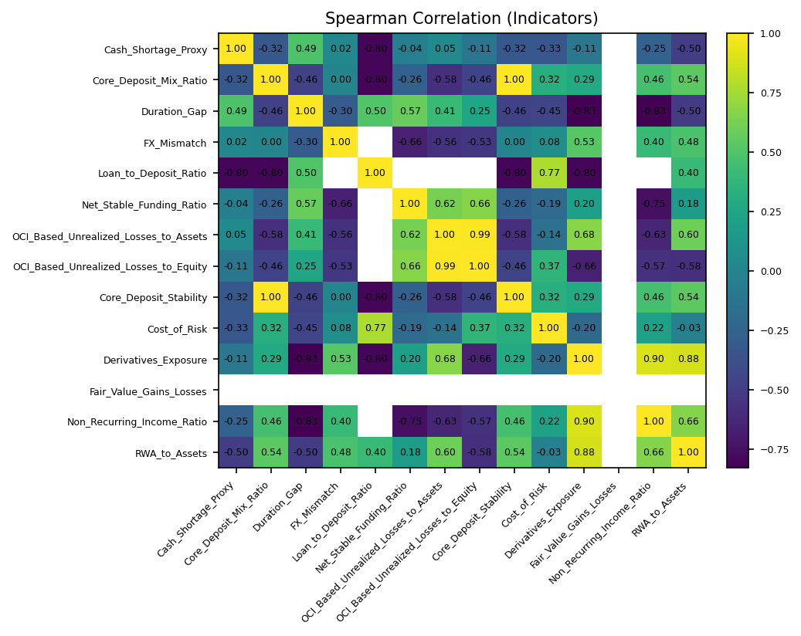
 | Cash_Shortage_Proxy | Core_Deposit_Mix_Ratio | Duration_Gap | FX_Mismatch | Loan_to_Deposit_Ratio | Net_Stable_Funding_Ratio | OCI_Based_Unrealized_Losses_to_Assets | OCI_Based_Unrealized_Losses_to_Equity | Core_Deposit_Stability | Cost_of_Risk | Derivatives_Exposure | Fair_Value_Gains_Losses | Non_Recurring_Income_Ratio | RWA_to_Assets
Cash_Shortage_Proxy | 1 | -0.32273181067 | 0.48928571429 | 0.021978021978 | -0.8 | -0.04281136264 | 0.047150031082 | -0.10989010989 | -0.32273181067 | -0.33445728889 | -0.10668303661 |  | -0.25448192137 | -0.49509803922
Core_Deposit_Mix_Ratio | -0.32273181067 | 1 | -0.46462448537 | 0 | -0.8 | -0.26206896552 | -0.57509051496 | -0.46291004989 | 1 | 0.31816572395 | 0.29274880266 |  | 0.46116870456 | 0.53713484496
Duration_Gap | 0.48928571429 | -0.46462448537 | 1 | -0.2967032967 | 0.5 | 0.57293656064 | 0.40860477516 | 0.25274725275 | -0.46462448537 | -0.44734667498 | -0.82857142857 |  | -0.82796230756 | -0.50357142857
FX_Mismatch | 0.021978021978 | 0 | -0.2967032967 | 1 |  | -0.6576736869 | -0.56043956044 | -0.53296703297 | 0 | 0.077349246815 | 0.52747252747 |  | 0.4010989011 | 0.47802197802
Loan_to_Deposit_Ratio | -0.8 | -0.8 | 0.5 |  | 1 |  |  |  | -0.8 | 0.77459666924 | -0.8 |  |  | 0.4
Net_Stable_Funding_Ratio | -0.04281136264 | -0.26206896552 | 0.57293656064 | -0.6576736869 |  | 1 | 0.62387003763 | 0.66438464289 | -0.26206896552 | -0.18911055078 | 0.20036631411 |  | -0.75439185261 | 0.1814178301
OCI_Based_Unrealized_Losses_to_Assets | 0.047150031082 | -0.57509051496 | 0.40860477516 | -0.56043956044 |  | 0.62387003763 | 1 | 0.98901098901 | -0.57509051496 | -0.13739493867 | 0.67631474642 |  | -0.63309352518 | 0.59868543466
OCI_Based_Unrealized_Losses_to_Equity | -0.10989010989 | -0.46291004989 | 0.25274725275 | -0.53296703297 |  | 0.66438464289 | 0.98901098901 | 1 | -0.46291004989 | 0.37017139547 | -0.65934065934 |  | -0.56593406593 | -0.58241758242
Core_Deposit_Stability | -0.32273181067 | 1 | -0.46462448537 | 0 | -0.8 | -0.26206896552 | -0.57509051496 | -0.46291004989 | 1 | 0.31816572395 | 0.29274880266 |  | 0.46116870456 | 0.53713484496
Cost_of_Risk | -0.33445728889 | 0.31816572395 | -0.44734667498 | 0.077349246815 | 0.77459666924 | -0.18911055078 | -0.13739493867 | 0.37017139547 | 0.31816572395 | 1 | -0.19544596037 |  | 0.21900143994 | -0.031042578802
Derivatives_Exposure | -0.10668303661 | 0.29274880266 | -0.82857142857 | 0.52747252747 | -0.8 | 0.20036631411 | 0.67631474642 | -0.65934065934 | 0.29274880266 | -0.19544596037 | 1 |  | 0.89964735583 | 0.88221634368
Fair_Value_Gains_Losses
Non_Recurring_Income_Ratio | -0.25448192137 | 0.46116870456 | -0.82796230756 | 0.4010989011 |  | -0.75439185261 | -0.63309352518 | -0.56593406593 | 0.46116870456 | 0.21900143994 | 0.89964735583 |  | 1 | 0.66308669653
RWA_to_Assets | -0.49509803922 | 0.53713484496 | -0.50357142857 | 0.47802197802 | 0.4 | 0.1814178301 | 0.59868543466 | -0.58241758242 | 0.53713484496 | -0.031042578802 | 0.88221634368 |  | 0.66308669653 | 1

