Correlation_Matrix
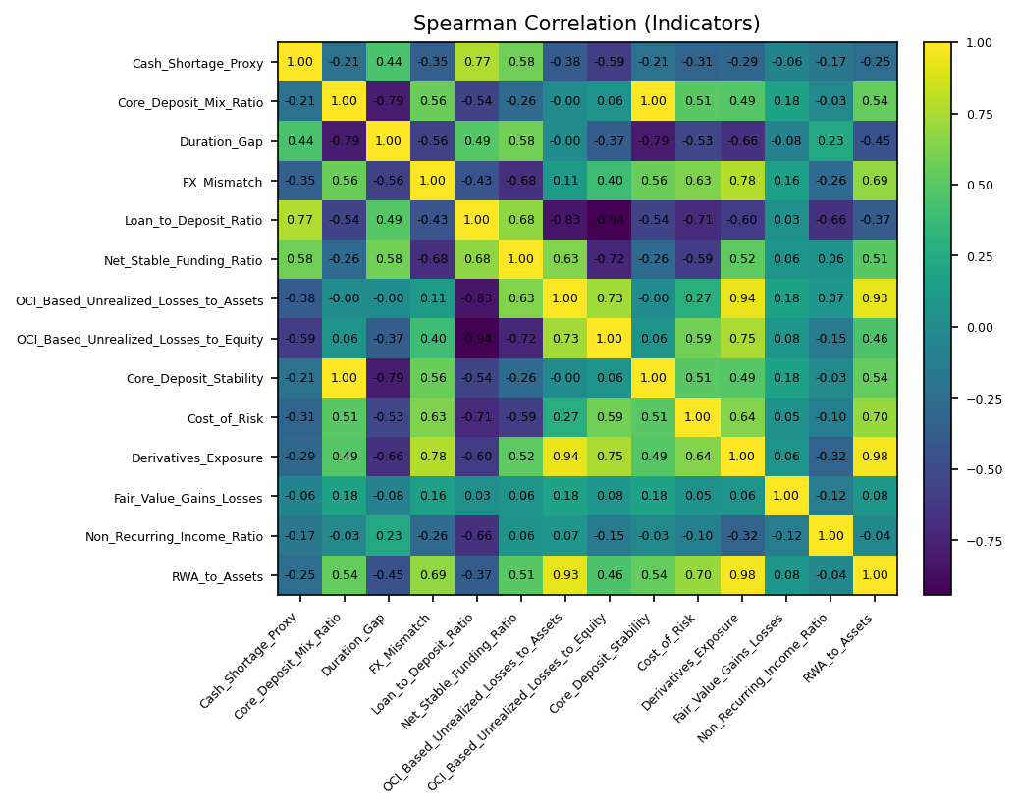
 | Cash_Shortage_Proxy | Core_Deposit_Mix_Ratio | Duration_Gap | FX_Mismatch | Loan_to_Deposit_Ratio | Net_Stable_Funding_Ratio | OCI_Based_Unrealized_Losses_to_Assets | OCI_Based_Unrealized_Losses_to_Equity | Core_Deposit_Stability | Cost_of_Risk | Derivatives_Exposure | Fair_Value_Gains_Losses | Non_Recurring_Income_Ratio | RWA_to_Assets
Cash_Shortage_Proxy | 1 | -0.20953839561 | 0.43928571429 | -0.35 | 0.77142857143 | 0.5817860981 | -0.37647058824 | -0.59285714286 | -0.20953839561 | -0.31470588235 | -0.28529411765 | -0.064705882353 | -0.17457431219 | -0.25
Core_Deposit_Mix_Ratio | -0.20953839561 | 1 | -0.78914863508 | 0.56102215599 | -0.54285714286 | -0.26341361987 | -0.002130148935 | 0.0642133793 | 1 | 0.50608523435 | 0.48993425505 | 0.18106265947 | -0.03036369196 | 0.53892768055
Duration_Gap | 0.43928571429 | -0.78914863508 | 1 | -0.55882352941 | 0.48571428571 | 0.58392656178 | -0.0029411764706 | -0.36764705882 | -0.78914863508 | -0.52941176471 | -0.66470588235 | -0.082352941176 | 0.22649412708 | -0.45294117647
FX_Mismatch | -0.35 | 0.56102215599 | -0.55882352941 | 1 | -0.42857142857 | -0.68274490301 | 0.11470588235 | 0.4 | 0.56102215599 | 0.62647058824 | 0.77647058824 | 0.16470588235 | -0.26273318742 | 0.68823529412
Loan_to_Deposit_Ratio | 0.77142857143 | -0.54285714286 | 0.48571428571 | -0.42857142857 | 1 | 0.67612340378 | -0.82857142857 | -0.94285714286 | -0.54285714286 | -0.71428571429 | -0.6 | 0.028571428571 | -0.65714285714 | -0.37142857143
Net_Stable_Funding_Ratio | 0.5817860981 | -0.26341361987 | 0.58392656178 | -0.68274490301 | 0.67612340378 | 1 | 0.63091389407 | -0.71568435008 | -0.26341361987 | -0.58806532446 | 0.51845933425 | 0.063772932194 | 0.058418690757 | 0.50531529479
OCI_Based_Unrealized_Losses_to_Assets | -0.37647058824 | -0.002130148935 | -0.0029411764706 | 0.11470588235 | -0.82857142857 | 0.63091389407 | 1 | 0.73235294118 | -0.002130148935 | 0.27416562552 | 0.94112529002 | 0.18097447796 | 0.069458198972 | 0.92923433875
OCI_Based_Unrealized_Losses_to_Equity | -0.59285714286 | 0.0642133793 | -0.36764705882 | 0.4 | -0.94285714286 | -0.71568435008 | 0.73235294118 | 1 | 0.0642133793 | 0.58823529412 | 0.75 | 0.076470588235 | -0.14646620218 | 0.45882352941
Core_Deposit_Stability | -0.20953839561 | 1 | -0.78914863508 | 0.56102215599 | -0.54285714286 | -0.26341361987 | -0.002130148935 | 0.0642133793 | 1 | 0.50608523435 | 0.48993425505 | 0.18106265947 | -0.03036369196 | 0.53892768055
Cost_of_Risk | -0.31470588235 | 0.50608523435 | -0.52941176471 | 0.62647058824 | -0.71428571429 | -0.58806532446 | 0.27416562552 | 0.58823529412 | 0.50608523435 | 1 | 0.64323473679 | 0.050966686795 | -0.10418729846 | 0.69947383946
Derivatives_Exposure | -0.28529411765 | 0.48993425505 | -0.66470588235 | 0.77647058824 | -0.6 | 0.51845933425 | 0.94112529002 | 0.75 | 0.48993425505 | 0.64323473679 | 1 | 0.064385150812 | -0.32464158215 | 0.97534802784
Fair_Value_Gains_Losses | -0.064705882353 | 0.18106265947 | -0.082352941176 | 0.16470588235 | 0.028571428571 | 0.063772932194 | 0.18097447796 | 0.076470588235 | 0.18106265947 | 0.050966686795 | 0.064385150812 | 1 | -0.12079686778 | 0.083236658933
Non_Recurring_Income_Ratio | -0.17457431219 | -0.03036369196 | 0.22649412708 | -0.26273318742 | -0.65714285714 | 0.058418690757 | 0.069458198972 | -0.14646620218 | -0.03036369196 | -0.10418729846 | -0.32464158215 | -0.12079686778 | 1 | -0.036239060333
RWA_to_Assets | -0.25 | 0.53892768055 | -0.45294117647 | 0.68823529412 | -0.37142857143 | 0.50531529479 | 0.92923433875 | 0.45882352941 | 0.53892768055 | 0.69947383946 | 0.97534802784 | 0.083236658933 | -0.036239060333 | 1

