Correlation_Matrix
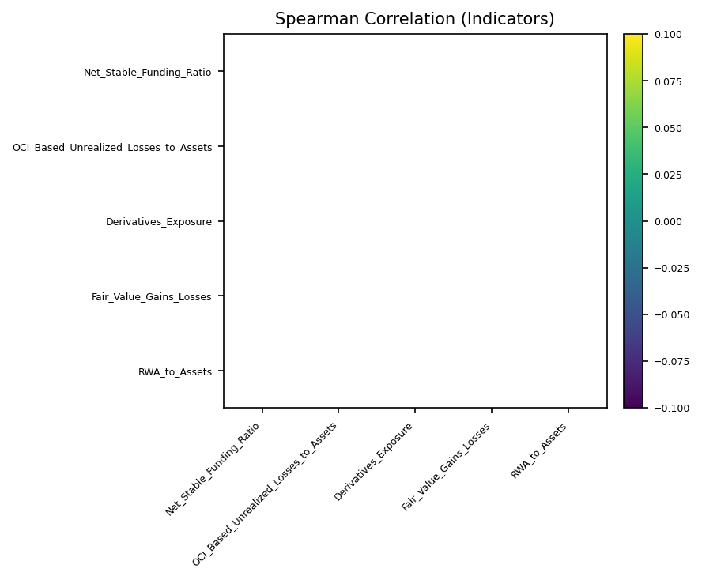
 | Net_Stable_Funding_Ratio | OCI_Based_Unrealized_Losses_to_Assets | Derivatives_Exposure | Fair_Value_Gains_Losses | RWA_to_Assets
Net_Stable_Funding_Ratio
OCI_Based_Unrealized_Losses_to_Assets
Derivatives_Exposure
Fair_Value_Gains_Losses
RWA_to_Assets

