Correlation_Matrix
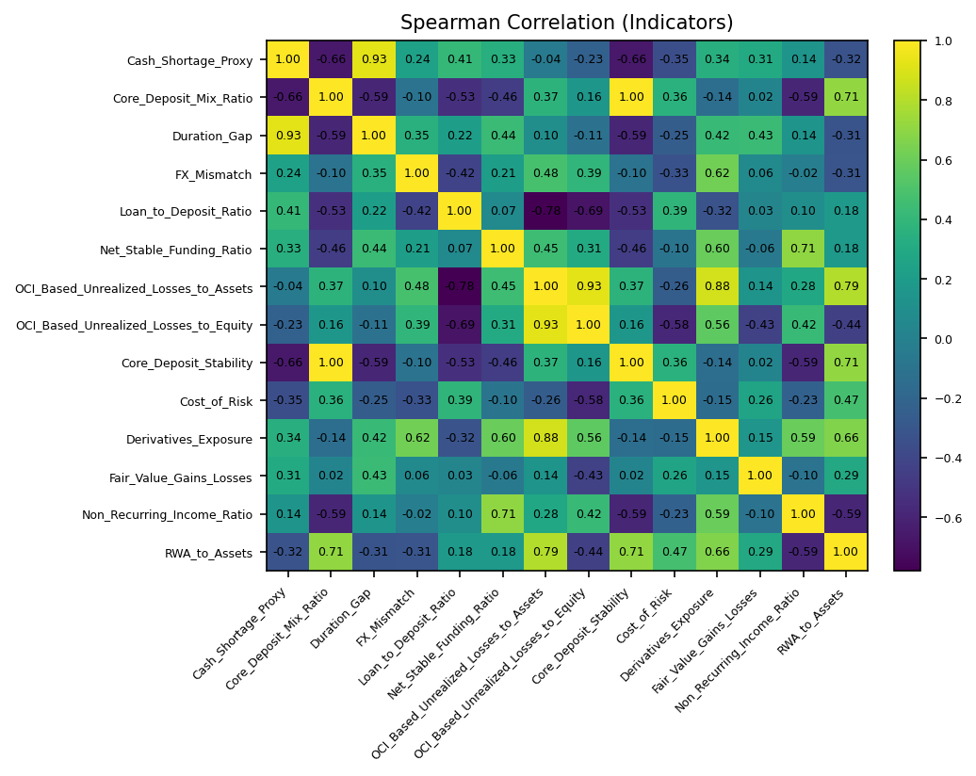
 | Cash_Shortage_Proxy | Core_Deposit_Mix_Ratio | Duration_Gap | FX_Mismatch | Loan_to_Deposit_Ratio | Net_Stable_Funding_Ratio | OCI_Based_Unrealized_Losses_to_Assets | OCI_Based_Unrealized_Losses_to_Equity | Core_Deposit_Stability | Cost_of_Risk | Derivatives_Exposure | Fair_Value_Gains_Losses | Non_Recurring_Income_Ratio | RWA_to_Assets
Cash_Shortage_Proxy | 1 | -0.65714285714 | 0.92857142857 | 0.237712338 | 0.40714285714 | 0.33459495142 | -0.042857142857 | -0.22857142857 | -0.65714285714 | -0.35357142857 | 0.34137636509 | 0.30929478707 | 0.13884677042 | -0.32142857143
Core_Deposit_Mix_Ratio | -0.65714285714 | 1 | -0.58928571429 | -0.10008940547 | -0.53235294118 | -0.45791332791 | 0.36937447486 | 0.16071428571 | 1 | 0.35518848306 | -0.13667859658 | 0.023386170701 | -0.59160797831 | 0.71487603306
Duration_Gap | 0.92857142857 | -0.58928571429 | 1 | 0.34852560834 | 0.22142857143 | 0.43543178609 | 0.096428571429 | -0.10714285714 | -0.58928571429 | -0.25357142857 | 0.42359266244 | 0.43301270189 | 0.14488358652 | -0.31428571429
FX_Mismatch | 0.237712338 | -0.10008940547 | 0.34852560834 | 1 | -0.41823073001 | 0.2110291574 | 0.48078660843 | 0.38963375701 | -0.10008940547 | -0.33065250022 | 0.62432915921 | 0.061914262706 | -0.018126640047 | -0.30920477047
Loan_to_Deposit_Ratio | 0.40714285714 | -0.53235294118 | 0.22142857143 | -0.41823073001 | 1 | 0.067618491378 | -0.77941176471 | -0.68571428571 | -0.53235294118 | 0.38823529412 | -0.32153532225 | 0.028005601681 | 0.096589057683 | 0.18235294118
Net_Stable_Funding_Ratio | 0.33459495142 | -0.45791332791 | 0.43543178609 | 0.2110291574 | 0.067618491378 | 1 | 0.45070052384 | 0.3070939965 | -0.45791332791 | -0.095924198749 | 0.59553744244 | -0.057907440849 | 0.70502398791 | 0.17849958082
OCI_Based_Unrealized_Losses_to_Assets | -0.042857142857 | 0.36937447486 | 0.096428571429 | 0.48078660843 | -0.77941176471 | 0.45070052384 | 1 | 0.92857142857 | 0.36937447486 | -0.25639015303 | 0.87599242792 | 0.14049294609 | 0.27769354084 | 0.79150190607
OCI_Based_Unrealized_Losses_to_Equity | -0.22857142857 | 0.16071428571 | -0.10714285714 | 0.38963375701 | -0.68571428571 | 0.3070939965 | 0.92857142857 | 1 | 0.16071428571 | -0.57857142857 | 0.56121559497 | -0.43301270189 | 0.41654031126 | -0.44285714286
Core_Deposit_Stability | -0.65714285714 | 1 | -0.58928571429 | -0.10008940547 | -0.53235294118 | -0.45791332791 | 0.36937447486 | 0.16071428571 | 1 | 0.35518848306 | -0.13667859658 | 0.023386170701 | -0.59160797831 | 0.71487603306
Cost_of_Risk | -0.35357142857 | 0.35518848306 | -0.25357142857 | -0.33065250022 | 0.38823529412 | -0.095924198749 | -0.25639015303 | -0.57857142857 | 0.35518848306 | 1 | -0.14879313919 | 0.25819888975 | -0.229399012 | 0.47275995682
Derivatives_Exposure | 0.34137636509 | -0.13667859658 | 0.42359266244 | 0.62432915921 | -0.32153532225 | 0.59553744244 | 0.87599242792 | 0.56121559497 | -0.13667859658 | -0.14879313919 | 1 | 0.14642388345 | 0.59213690821 | 0.6599629978
Fair_Value_Gains_Losses | 0.30929478707 | 0.023386170701 | 0.43301270189 | 0.061914262706 | 0.028005601681 | -0.057907440849 | 0.14049294609 | -0.43301270189 | 0.023386170701 | 0.25819888975 | 0.14642388345 | 1 | -0.1045607221 | 0.29350459477
Non_Recurring_Income_Ratio | 0.13884677042 | -0.59160797831 | 0.14488358652 | -0.018126640047 | 0.096589057683 | 0.70502398791 | 0.27769354084 | 0.41654031126 | -0.59160797831 | -0.229399012 | 0.59213690821 | -0.1045607221 | 1 | -0.5855711622
RWA_to_Assets | -0.32142857143 | 0.71487603306 | -0.31428571429 | -0.30920477047 | 0.18235294118 | 0.17849958082 | 0.79150190607 | -0.44285714286 | 0.71487603306 | 0.47275995682 | 0.6599629978 | 0.29350459477 | -0.5855711622 | 1

