Correlation_Matrix
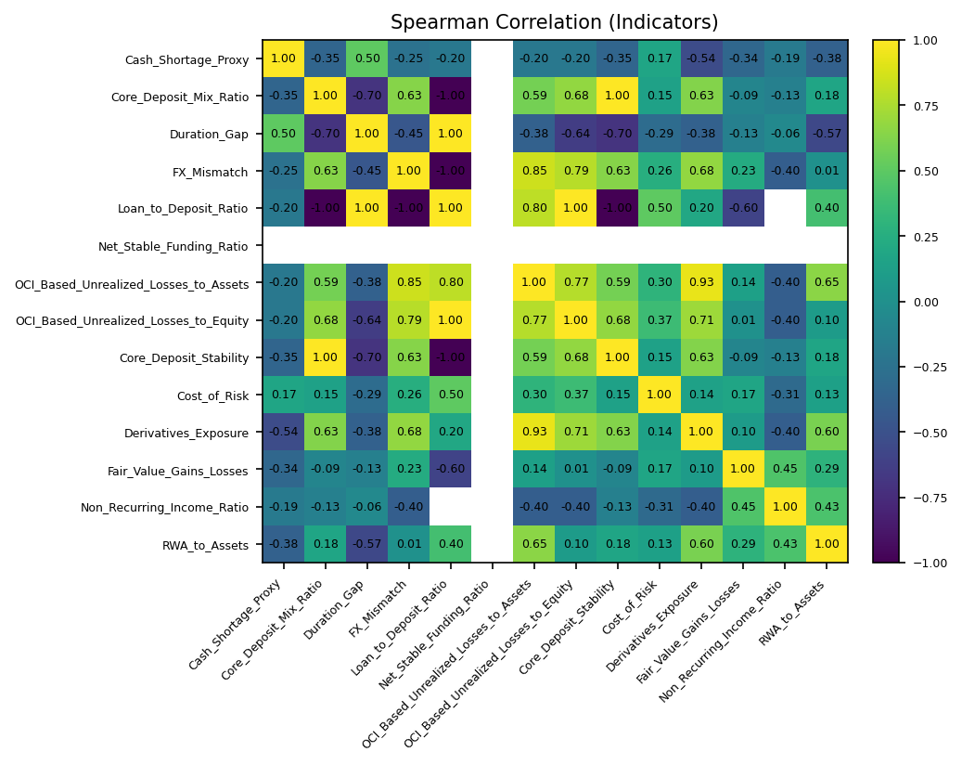
 | Cash_Shortage_Proxy | Core_Deposit_Mix_Ratio | Duration_Gap | FX_Mismatch | Loan_to_Deposit_Ratio | Net_Stable_Funding_Ratio | OCI_Based_Unrealized_Losses_to_Assets | OCI_Based_Unrealized_Losses_to_Equity | Core_Deposit_Stability | Cost_of_Risk | Derivatives_Exposure | Fair_Value_Gains_Losses | Non_Recurring_Income_Ratio | RWA_to_Assets
Cash_Shortage_Proxy | 1 | -0.3494757269 | 0.50357142857 | -0.24843620287 | -0.2 |  | -0.19729104919 | -0.20196612176 | -0.3494757269 | 0.17352941176 | -0.53515197092 | -0.33511907158 | -0.18557687224 | -0.37890871622
Core_Deposit_Mix_Ratio | -0.3494757269 | 1 | -0.69948960985 | 0.63368072253 | -1 |  | 0.58586574266 | 0.6796736782 | 1 | 0.14780312481 | 0.63080886812 | -0.093335571357 | -0.13265162886 | 0.17668418116
Duration_Gap | 0.50357142857 | -0.69948960985 | 1 | -0.45397694625 | 1 |  | -0.37890989214 | -0.63985727069 | -0.69948960985 | -0.28928571429 | -0.38248451377 | -0.12541088931 | -0.061858957413 | -0.56785714286
FX_Mismatch | -0.24843620287 | 0.63368072253 | -0.45397694625 | 1 | -1 |  | 0.84615384615 | 0.78890876565 | 0.63368072253 | 0.25558544611 | 0.67799642218 | 0.23074083364 | -0.40244270759 | 0.010723864872
Loan_to_Deposit_Ratio | -0.2 | -1 | 1 | -1 | 1 |  | 0.8 | 1 | -1 | 0.5 | 0.2 | -0.6 |  | 0.4
Net_Stable_Funding_Ratio
OCI_Based_Unrealized_Losses_to_Assets | -0.19729104919 | 0.58586574266 | -0.37890989214 | 0.84615384615 | 0.8 |  | 1 | 0.77459749553 | 0.58586574266 | 0.30152759092 | 0.93258426966 | 0.13521116923 | -0.40244270759 | 0.65003204372
OCI_Based_Unrealized_Losses_to_Equity | -0.20196612176 | 0.6796736782 | -0.63985727069 | 0.78890876565 | 1 |  | 0.77459749553 | 1 | 0.6796736782 | 0.37354795971 | 0.71019677996 | 0.011075560015 | -0.40244270759 | 0.096514783848
Core_Deposit_Stability | -0.3494757269 | 1 | -0.69948960985 | 0.63368072253 | -1 |  | 0.58586574266 | 0.6796736782 | 1 | 0.14780312481 | 0.63080886812 | -0.093335571357 | -0.13265162886 | 0.17668418116
Cost_of_Risk | 0.17352941176 | 0.14780312481 | -0.28928571429 | 0.25558544611 | 0.5 |  | 0.30152759092 | 0.37354795971 | 0.14780312481 | 1 | 0.14293868497 | 0.17318414451 | -0.30929478707 | 0.1334714489
Derivatives_Exposure | -0.53515197092 | 0.63080886812 | -0.38248451377 | 0.67799642218 | 0.2 |  | 0.93258426966 | 0.71019677996 | 0.63080886812 | 0.14293868497 | 1 | 0.096782731661 | -0.40244270759 | 0.59779356451
Fair_Value_Gains_Losses | -0.33511907158 | -0.093335571357 | -0.12541088931 | 0.23074083364 | -0.6 |  | 0.13521116923 | 0.011075560015 | -0.093335571357 | 0.17318414451 | 0.096782731661 | 1 | 0.4472135955 | 0.28997959816
Non_Recurring_Income_Ratio | -0.18557687224 | -0.13265162886 | -0.061858957413 | -0.40244270759 |  |  | -0.40244270759 | -0.40244270759 | -0.13265162886 | -0.30929478707 | -0.40244270759 | 0.4472135955 | 1 | 0.43301270189
RWA_to_Assets | -0.37890871622 | 0.17668418116 | -0.56785714286 | 0.010723864872 | 0.4 |  | 0.65003204372 | 0.096514783848 | 0.17668418116 | 0.1334714489 | 0.59779356451 | 0.28997959816 | 0.43301270189 | 1

