Correlation_Matrix
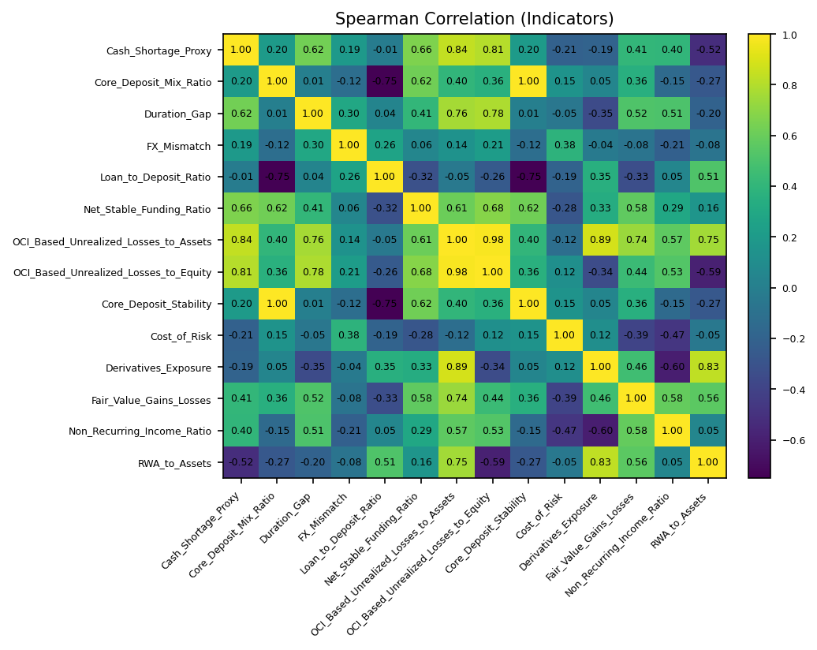
 | Cash_Shortage_Proxy | Core_Deposit_Mix_Ratio | Duration_Gap | FX_Mismatch | Loan_to_Deposit_Ratio | Net_Stable_Funding_Ratio | OCI_Based_Unrealized_Losses_to_Assets | OCI_Based_Unrealized_Losses_to_Equity | Core_Deposit_Stability | Cost_of_Risk | Derivatives_Exposure | Fair_Value_Gains_Losses | Non_Recurring_Income_Ratio | RWA_to_Assets
Cash_Shortage_Proxy | 1 | 0.20294117647 | 0.625 | 0.19285714286 | -0.011764705882 | 0.65879730171 | 0.84032399497 | 0.80714285714 | 0.20294117647 | -0.20882352941 | -0.18984552601 | 0.41070935044 | 0.40335532247 | -0.51764705882
Core_Deposit_Mix_Ratio | 0.20294117647 | 1 | 0.0071428571429 | -0.11785714286 | -0.75 | 0.62236517323 | 0.40477867531 | 0.36071428571 | 1 | 0.14868355105 | 0.045667337728 | 0.35653701641 | -0.1455142619 | -0.27066115702
Duration_Gap | 0.625 | 0.0071428571429 | 1 | 0.3 | 0.042857142857 | 0.40793083118 | 0.76428571429 | 0.78214285714 | 0.0071428571429 | -0.053571428571 | -0.35 | 0.51644900689 | 0.51312923934 | -0.2
FX_Mismatch | 0.19285714286 | -0.11785714286 | 0.3 | 1 | 0.26428571429 | 0.055001909822 | 0.14285714286 | 0.21428571429 | -0.11785714286 | 0.37857142857 | -0.035714285714 | -0.076376261583 | -0.21444207017 | -0.078571428571
Loan_to_Deposit_Ratio | -0.011764705882 | -0.75 | 0.042857142857 | 0.26428571429 | 1 | -0.31684093103 | -0.045621793072 | -0.25714285714 | -0.75 | -0.19411764706 | 0.35172930788 | -0.33068142554 | 0.051057635755 | 0.51470588235
Net_Stable_Funding_Ratio | 0.65879730171 | 0.62236517323 | 0.40793083118 | 0.055001909822 | -0.31684093103 | 1 | 0.60527711224 | 0.68294038029 | 0.62236517323 | -0.2819743657 | 0.33088482136 | 0.57576447953 | 0.29486808514 | 0.16293558468
OCI_Based_Unrealized_Losses_to_Assets | 0.84032399497 | 0.40477867531 | 0.76428571429 | 0.14285714286 | -0.045621793072 | 0.60527711224 | 1 | 0.98214285714 | 0.40477867531 | -0.11618413542 | 0.88708671241 | 0.73817338434 | 0.56929263867 | 0.75493286792
OCI_Based_Unrealized_Losses_to_Equity | 0.80714285714 | 0.36071428571 | 0.78214285714 | 0.21428571429 | -0.25714285714 | 0.68294038029 | 0.98214285714 | 1 | 0.36071428571 | 0.12142857143 | -0.34285714286 | 0.44007274531 | 0.53099941186 | -0.58928571429
Core_Deposit_Stability | 0.20294117647 | 1 | 0.0071428571429 | -0.11785714286 | -0.75 | 0.62236517323 | 0.40477867531 | 0.36071428571 | 1 | 0.14868355105 | 0.045667337728 | 0.35653701641 | -0.1455142619 | -0.27066115702
Cost_of_Risk | -0.20882352941 | 0.14868355105 | -0.053571428571 | 0.37857142857 | -0.19411764706 | -0.2819743657 | -0.11618413542 | 0.12142857143 | 0.14868355105 | 1 | 0.11618413542 | -0.39198829702 | -0.46973024895 | -0.047496134363
Derivatives_Exposure | -0.18984552601 | 0.045667337728 | -0.35 | -0.035714285714 | 0.35172930788 | 0.33088482136 | 0.88708671241 | -0.34285714286 | 0.045667337728 | 0.11618413542 | 1 | 0.46209723401 | -0.59992722013 | 0.82982461458
Fair_Value_Gains_Losses | 0.41070935044 | 0.35653701641 | 0.51644900689 | -0.076376261583 | -0.33068142554 | 0.57576447953 | 0.73817338434 | 0.44007274531 | 0.35653701641 | -0.39198829702 | 0.46209723401 | 1 | 0.58493870164 | 0.56159253958
Non_Recurring_Income_Ratio | 0.40335532247 | -0.1455142619 | 0.51312923934 | -0.21444207017 | 0.051057635755 | 0.29486808514 | 0.56929263867 | 0.53099941186 | -0.1455142619 | -0.46973024895 | -0.59992722013 | 0.58493870164 | 1 | 0.053610517543
RWA_to_Assets | -0.51764705882 | -0.27066115702 | -0.2 | -0.078571428571 | 0.51470588235 | 0.16293558468 | 0.75493286792 | -0.58928571429 | -0.27066115702 | -0.047496134363 | 0.82982461458 | 0.56159253958 | 0.053610517543 | 1

