Correlation_Matrix
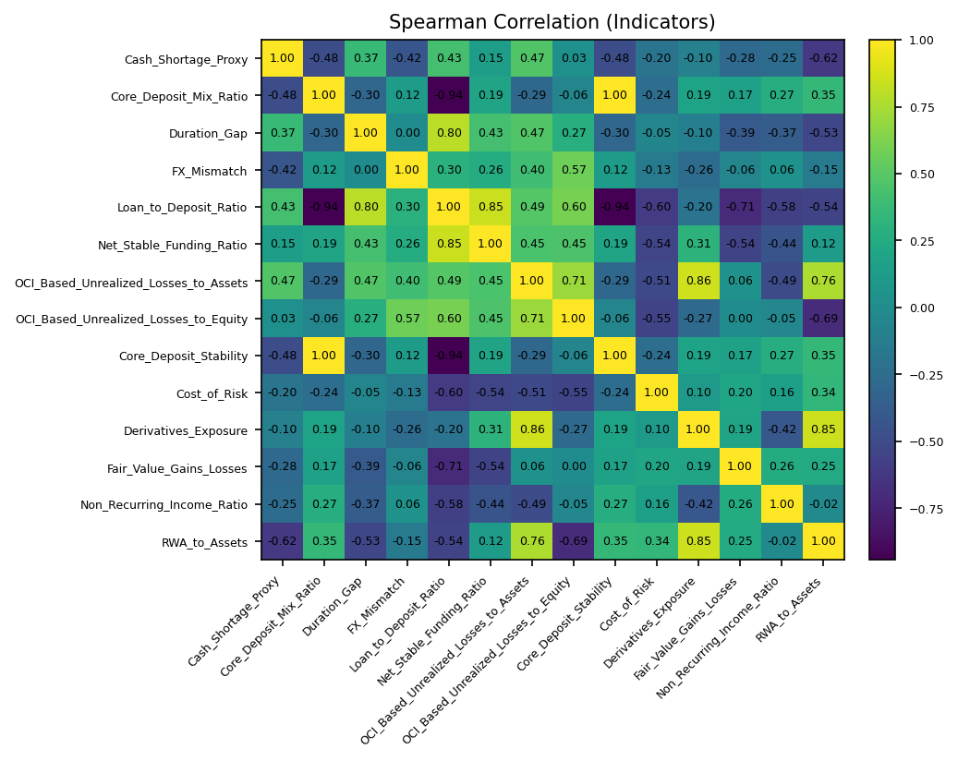
 | Cash_Shortage_Proxy | Core_Deposit_Mix_Ratio | Duration_Gap | FX_Mismatch | Loan_to_Deposit_Ratio | Net_Stable_Funding_Ratio | OCI_Based_Unrealized_Losses_to_Assets | OCI_Based_Unrealized_Losses_to_Equity | Core_Deposit_Stability | Cost_of_Risk | Derivatives_Exposure | Fair_Value_Gains_Losses | Non_Recurring_Income_Ratio | RWA_to_Assets
Cash_Shortage_Proxy | 1 | -0.48160034475 | 0.36785714286 | -0.425 | 0.42857142857 | 0.146693515 | 0.47058823529 | 0.028571428571 | -0.48160034475 | -0.19705882353 | -0.1 | -0.28108911215 | -0.25482180591 | -0.62058823529
Core_Deposit_Mix_Ratio | -0.48160034475 | 1 | -0.30192271145 | 0.12119432784 | -0.94285714286 | 0.19487907917 | -0.28700001043 | -0.059534055779 | 1 | -0.24338451864 | 0.18599571491 | 0.16618913559 | 0.26750890599 | 0.35419665649
Duration_Gap | 0.36785714286 | -0.30192271145 | 1 | 0 | 0.8 | 0.42633125856 | 0.47142857143 | 0.27142857143 | -0.30192271145 | -0.053571428571 | -0.10357142857 | -0.39285714286 | -0.37118623463 | -0.53214285714
FX_Mismatch | -0.425 | 0.12119432784 | 0 | 1 | 0.3 | 0.26294682414 | 0.40357142857 | 0.57142857143 | 0.12119432784 | -0.13214285714 | -0.25714285714 | -0.060714285714 | 0.057659997613 | -0.15
Loan_to_Deposit_Ratio | 0.42857142857 | -0.94285714286 | 0.8 | 0.3 | 1 | 0.84515425473 | 0.48571428571 | 0.6 | -0.94285714286 | -0.6 | -0.2 | -0.71428571429 | -0.57681790368 | -0.54285714286
Net_Stable_Funding_Ratio | 0.146693515 | 0.19487907917 | 0.42633125856 | 0.26294682414 | 0.84515425473 | 1 | 0.44646089472 | 0.45441295822 | 0.19487907917 | -0.53531123498 | 0.30984667772 | -0.54133839786 | -0.4382974511 | 0.1223990025
OCI_Based_Unrealized_Losses_to_Assets | 0.47058823529 | -0.28700001043 | 0.47142857143 | 0.40357142857 | 0.48571428571 | 0.44646089472 | 1 | 0.70714285714 | -0.28700001043 | -0.51189354574 | 0.85746436609 | 0.057516309393 | -0.49292035398 | 0.75816619403
OCI_Based_Unrealized_Losses_to_Equity | 0.028571428571 | -0.059534055779 | 0.27142857143 | 0.57142857143 | 0.6 | 0.45441295822 | 0.70714285714 | 1 | -0.059534055779 | -0.54642857143 | -0.27142857143 | 0 | -0.04684874806 | -0.69285714286
Core_Deposit_Stability | -0.48160034475 | 1 | -0.30192271145 | 0.12119432784 | -0.94285714286 | 0.19487907917 | -0.28700001043 | -0.059534055779 | 1 | -0.24338451864 | 0.18599571491 | 0.16618913559 | 0.26750890599 | 0.35419665649
Cost_of_Risk | -0.19705882353 | -0.24338451864 | -0.053571428571 | -0.13214285714 | -0.6 | -0.53531123498 | -0.51189354574 | -0.54642857143 | -0.24338451864 | 1 | 0.098242195646 | 0.20332223699 | 0.1556037528 | 0.34176566248
Derivatives_Exposure | -0.1 | 0.18599571491 | -0.10357142857 | -0.25714285714 | -0.2 | 0.30984667772 | 0.85746436609 | -0.27142857143 | 0.18599571491 | 0.098242195646 | 1 | 0.18906957024 | -0.41592920354 | 0.8496181474
Fair_Value_Gains_Losses | -0.28108911215 | 0.16618913559 | -0.39285714286 | -0.060714285714 | -0.71428571429 | -0.54133839786 | 0.057516309393 | 0 | 0.16618913559 | 0.20332223699 | 0.18906957024 | 1 | 0.25600252843 | 0.24572914466
Non_Recurring_Income_Ratio | -0.25482180591 | 0.26750890599 | -0.37118623463 | 0.057659997613 | -0.57681790368 | -0.4382974511 | -0.49292035398 | -0.04684874806 | 0.26750890599 | 0.1556037528 | -0.41592920354 | 0.25600252843 | 1 | -0.022948006305
RWA_to_Assets | -0.62058823529 | 0.35419665649 | -0.53214285714 | -0.15 | -0.54285714286 | 0.1223990025 | 0.75816619403 | -0.69285714286 | 0.35419665649 | 0.34176566248 | 0.8496181474 | 0.24572914466 | -0.022948006305 | 1

