Correlation_Matrix
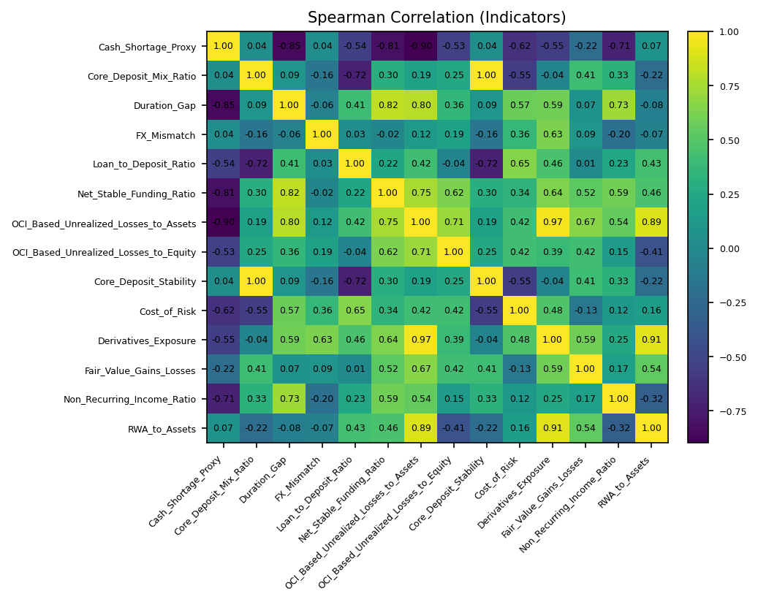
 | Cash_Shortage_Proxy | Core_Deposit_Mix_Ratio | Duration_Gap | FX_Mismatch | Loan_to_Deposit_Ratio | Net_Stable_Funding_Ratio | OCI_Based_Unrealized_Losses_to_Assets | OCI_Based_Unrealized_Losses_to_Equity | Core_Deposit_Stability | Cost_of_Risk | Derivatives_Exposure | Fair_Value_Gains_Losses | Non_Recurring_Income_Ratio | RWA_to_Assets
Cash_Shortage_Proxy | 1 | 0.038235294118 | -0.85 | 0.035294117647 | -0.54117647059 | -0.81025465444 | -0.89705882353 | -0.52647058824 | 0.038235294118 | -0.62352941176 | -0.54705882353 | -0.22074679698 | -0.70804655445 | 0.067647058824
Core_Deposit_Mix_Ratio | 0.038235294118 | 1 | 0.091176470588 | -0.15588235294 | -0.72352941176 | 0.30184716911 | 0.1862745098 | 0.25 | 1 | -0.54901960784 | -0.044117647059 | 0.41194237683 | 0.32541533563 | -0.2181372549
Duration_Gap | -0.85 | 0.091176470588 | 1 | -0.055882352941 | 0.41176470588 | 0.81673669168 | 0.79705882353 | 0.36176470588 | 0.091176470588 | 0.57352941176 | 0.58529411765 | 0.071113062114 | 0.72950251065 | -0.076470588235
FX_Mismatch | 0.035294117647 | -0.15588235294 | -0.055882352941 | 1 | 0.032352941176 | -0.022687130324 | 0.12058823529 | 0.18529411765 | -0.15588235294 | 0.36470588235 | 0.62647058824 | 0.091854371897 | -0.20383158386 | -0.073529411765
Loan_to_Deposit_Ratio | -0.54117647059 | -0.72352941176 | 0.41176470588 | 0.032352941176 | 1 | 0.21714824739 | 0.41764705882 | -0.044117647059 | -0.72352941176 | 0.65294117647 | 0.45882352941 | 0.013333699146 | 0.23243952545 | 0.43235294118
Net_Stable_Funding_Ratio | -0.81025465444 | 0.30184716911 | 0.81673669168 | -0.022687130324 | 0.21714824739 | 1 | 0.74987128198 | 0.62227557461 | 0.30184716911 | 0.33889204896 | 0.63669676502 | 0.52218340344 | 0.58714225265 | 0.45540128084
OCI_Based_Unrealized_Losses_to_Assets | -0.89705882353 | 0.1862745098 | 0.79705882353 | 0.12058823529 | 0.41764705882 | 0.74987128198 | 1 | 0.71470588235 | 0.1862745098 | 0.42156862745 | 0.96769815418 | 0.66608112187 | 0.54355089029 | 0.89305103149
OCI_Based_Unrealized_Losses_to_Equity | -0.52647058824 | 0.25 | 0.36176470588 | 0.18529411765 | -0.044117647059 | 0.62227557461 | 0.71470588235 | 1 | 0.25 | 0.42058823529 | 0.39117647059 | 0.42075228417 | 0.14661570067 | -0.41470588235
Core_Deposit_Stability | 0.038235294118 | 1 | 0.091176470588 | -0.15588235294 | -0.72352941176 | 0.30184716911 | 0.1862745098 | 0.25 | 1 | -0.54901960784 | -0.044117647059 | 0.41194237683 | 0.32541533563 | -0.2181372549
Cost_of_Risk | -0.62352941176 | -0.54901960784 | 0.57352941176 | 0.36470588235 | 0.65294117647 | 0.33889204896 | 0.42156862745 | 0.42058823529 | -0.54901960784 | 1 | 0.47794117647 | -0.13152377091 | 0.11800775908 | 0.1568627451
Derivatives_Exposure | -0.54705882353 | -0.044117647059 | 0.58529411765 | 0.62647058824 | 0.45882352941 | 0.63669676502 | 0.96769815418 | 0.39117647059 | -0.044117647059 | 0.47794117647 | 1 | 0.58760562249 | 0.25031948895 | 0.9098805646
Fair_Value_Gains_Losses | -0.22074679698 | 0.41194237683 | 0.071113062114 | 0.091854371897 | 0.013333699146 | 0.52218340344 | 0.66608112187 | 0.42075228417 | 0.41194237683 | -0.13152377091 | 0.58760562249 | 1 | 0.17292385784 | 0.53617535171
Non_Recurring_Income_Ratio | -0.70804655445 | 0.32541533563 | 0.72950251065 | -0.20383158386 | 0.23243952545 | 0.58714225265 | 0.54355089029 | 0.14661570067 | 0.32541533563 | 0.11800775908 | 0.25031948895 | 0.17292385784 | 1 | -0.32183934293
RWA_to_Assets | 0.067647058824 | -0.2181372549 | -0.076470588235 | -0.073529411765 | 0.43235294118 | 0.45540128084 | 0.89305103149 | -0.41470588235 | -0.2181372549 | 0.1568627451 | 0.9098805646 | 0.53617535171 | -0.32183934293 | 1

