Sheet1
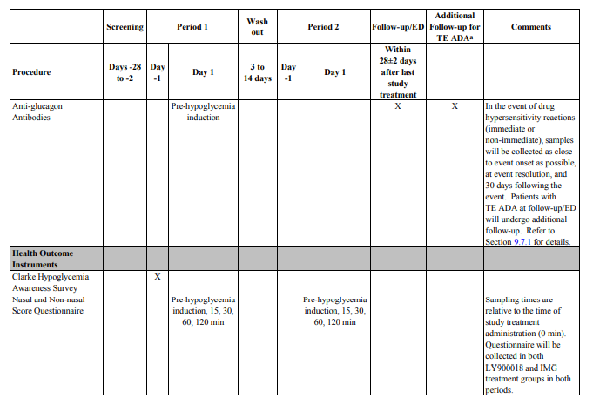
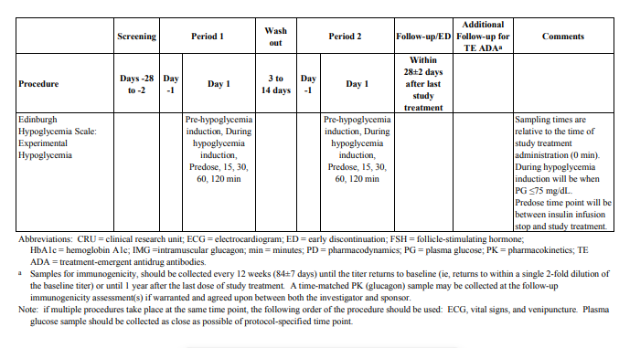
Encoumters
Headers in SoA | Encounter Class USDM |  |  |  |  |  |  |  | EncounterScheduledAtTiming
 | EncounterId | EncounterName | EncounterDescription | previousEncounterId | nextEncounterId | encounterType | EncounterEnvironmentalSetting | EncounterContactModes | Timing ID | TimingType | TimingValue | TimingRelativeToFrom | TimingWindow | relativefromScheduleInstanceId | relativetoScheduleInstanceId
Screening | EID001 | Screening |  | null | EID002 | C25716 / VISIT | C16281 / | C175574 / IN PERSON | TID001 | C25629 / BEFORE | Day -28 to -2 |  | -28 TO -2 DAYS | TID003
Period 1, Day -1 | EID002 | Period 1, Day -1 |  | EID001 | EID003 | C25716 / VISIT | C51282 / CLINIC | C175574 / IN PERSON | TID002 | C25629 / BEFORE | Period 1, Day -1 | Start to start | -1 DAY | TID003
Period 1, Day 1 | EID003 | Period 1, Day 1 |  | EID002 | EID004 | C25716 / VISIT | C51282 / CLINIC | C175574 / IN PERSON | TID003 | C25456 / COINCIDENT | Period 1, Day 1 | Start to start |  | TID003
Period 2, Day -1 | EID004 | Period 2, Day -1 |  | EID003 | EID005 | C25716 / VISIT | C51282 / CLINIC | C175574 / IN PERSON | TID004 | C38008 / AFTER | Period 2, Day -1 | Start to start | 3 TO 14 DAYS | TID003
Period 2, Day 1 | EID005 | Period 2, Day 1 |  | EID004 | EID006 | C25716 / VISIT | C51282 / CLINIC | C175574 / IN PERSON | TID005 | C38008 / AFTER | Period 2, Day 1 | Start to start | 1 DAY | TID004
Follow-up | EID006 | Follow-up |  | EID005 | EID007 | C25716 / VISIT | C16281 / OUTPATIENT CLINIC | C175574 / IN PERSON | TID006 | C38008 / AFTER | 28 days +/- 2 days | Start to start | 26 TO 30 DAYS | TID005
Additional FU | EID007 | Additional FU |  | EID006 | null | TEL CALL | C18002 / HOME | C171537 / TELEPHONE CALL | TID007 | C38008 / AFTER | Additional | Start to start |  | TID006

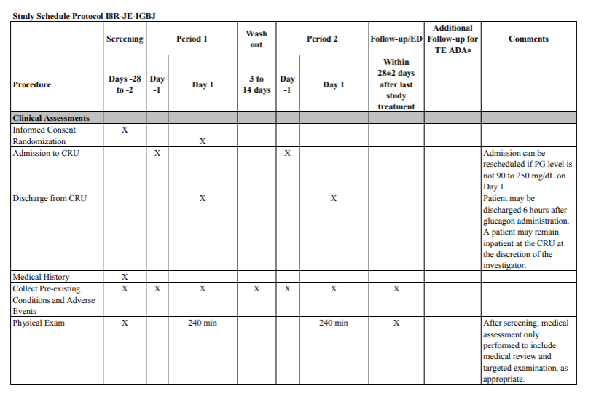
Activities
ActivityId | ActivityName | activityDescription | previousActivityId | nextActivityId | definedProcedures | activityIsConditional | activityConditionalReason | BiomedicalConcepts | bcCategoryIds | bcSurrogateIDs | activityTimelineId
AID001 | INFC | Informed Consent | null | AID002 | PID001 | FALSE
AID002 | RAND | Randomization | AID001 | AID003 |  | TRUE | All eligibility criteria met
AID003 | ADM | Admission to CRU | AID002 | AID004 | PID002
AID004 | DISC | Discharge from CRU | AID003 | AID005 | PID003 | TRUE | At the discretion of the investigator
AID005 | MEDH | Medical History | AID004 | AID006
AID006 | PREAE | Pre-existing conditions | AID005 | AID007
AID007 | PE | Physical Exam | AID006 | AID008 |  |  |  | BC: PE 1, BC: PE 2
AID008 | HW | Height and Weight | AID007 | AID009 |  |  |  | BC: Weight, BC: Height
AID008.2 | WGT | Weight | AID007 | AID009 |  |  |  | BC: Weight, BC: Height
AID009 | HYPO | Hypoglycemic Events | AID008 | AID010
AID010 | CONMED | Concomitant Medication | AID009 | AID011
AID011 | MEAL | Meal | AID010 | AID012 | PID004
AID012 | INSULIN | Insulin infusion | AID011 | AID013 |  | TRUE | Stopped once bedside PG is <60 mg/dL
AID013 | PG | PG Monitoring | AID012 | AID014
AID014 | TREAT | Study Treatment administration | AID013 | AID015 |  | TRUE | 5 minutes after bedside PG reaches <60 mg/dL and insulin infusion is stopped.
AID015 | SITEASS | Injection Site Assessment | AID014 | AID016 |  | TRUE | for IMG only
AID016 | NASAL | Nasal inspection | AID015 | AID017
AID017 | VS | Vital Signs | AID016 | AID018 |  |  |  | BC: SBP, BC: DBP
AID018 | SINGLE_ECG | Single 12-lead ECG | AID017 | AID019
AID019 | TRIPLE_ECG | Triplicate 12-lead ECG | AID018 | AID020
AID020 | SEROL | Clinical Serology Tests | AID019 | AID021
AID021 | LB | Clinical Lab Tests | AID020 | AID022 |  | TRUE | At periods 1 and 2 pts should have fasted at least 8 hoours before any study procedures
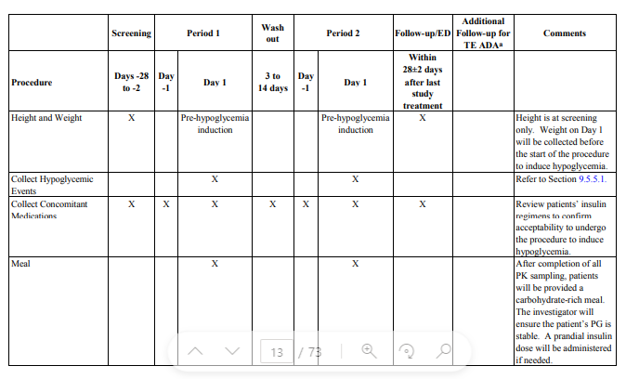
AID022 | HbA1c | HbA1c | AID021 | AID023
AID023.1 | PREGN | Serum Pregnancy Tests | AID022 | AID024 |  | TRUE | Only females of childbearing potential
AID023.2 | PREGN | Urine Pregnancy Tests | AID022 | AID024 |  | TRUE | Only females of childbearing potential
AID024 | FSH | FSH | AID023 | AID025 |  | TRUE | Only Females when needed to confirm postmenopausal status
AID025 | ETHANOL | Ethanol testing | AID024 | AID026
AID026 | DRUGSCR | Urine Drug Screen | AID025 | AID027
AID027 | PKGLUC | PK (Glucagon) | AID026 | AID028
AID028 | PDGLUC | Plasma Glucose for PD | AID027 | AID029
AID029 | GENS | Genetic Sample | AID028 | AID030
AID030 | ABGLUC | Anti-glucagon antibodies | AID029 | AID031
AID031 | CLARKE | Clarke Hypoglycemia Awareness Survey | AID030 | AID032
AID032 | NASQUES | Nasal and Non-nasal Score Quaestionnaire | AID031 | AID033
AID033 | EDINSCALE | Edinburgh Hypoglycemia Scale: Experimental Hypoglycemia | AID032

Procedures
procedureId | procedureType | procedureCode | procedureIsConditional | procedureIsConditionalReason
PID001 | INFC | 414925007 / SNOMED / Obtaining Consent
PID002 | ADM | 305056002 / SNOMED / Admission procedure
PID003 | DISC | 58000006 / SNOMED / Patient Discharge
PID004 | MEAL

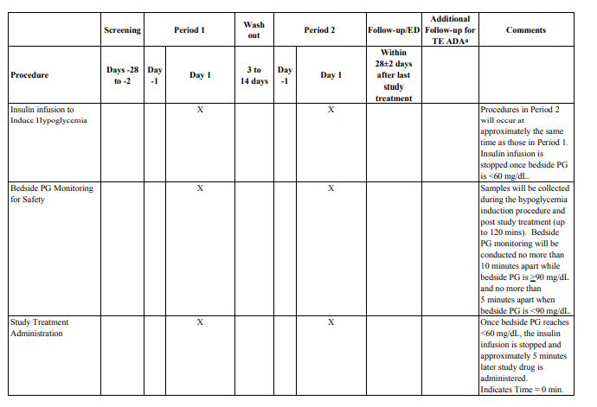
studyScheduleTimelines
scheduleTimelineId | ScheduleTimelineName | scheduleTimelineDescription | entryCondition | scheduledTimelineEntryIds | scheduleTimeLineExits | ScheduleTimeLineInstances
STID001 | Main | Main timeline | Identified as potentially fit for the trial | SIID001 |  | SIID001; SIID002; SIID003; SIID004; SIID005; SIID006; SIID007; SIID014; SIID029; SIID031; SIID032; SIID033; SIID034; SIID035; SIID036
STID002 | Hypoglycemia related | Timeline related to hypoglycemia induction | Start hypoglycemia induction | SIID006 |  | SIID007; SIID011; SIID008; SIID009; SIID010; SIID012; SIID013
STID003 | Treatment related | Timeline related to Treatment administration | Treatment administration |  |  | SIID015; SIID016; SIID017; SIID018; SIID019; SIID020; SIID021; SIID022; SIID023;SIID024;SIID025;SIID026;SIID027;SIID028
STID004 | Continuous during study | Continuous from screening to follow-up | Identified as potentially fit for the trial | SIID001 | … | SIID030
STID005 | Unscheduled 2 | Unscheduled Visit type 2 | Preliminary withdrawal from trial

scheduleTimelineInstances
scheduledInstanceId | scheduledInstanceType | scheduleSequenceNumber | scheduleTimelineExitId | scheduledInstanceEncounterId | scheduledInstanceTimings | scheduledInstanceTimelineId | ActivityIds | Notes
SIID001 | ACTIVITY | 1 |  | EID001 | TID001 | STID004 | AID001 | Informed consent
SIID002 | ACTIVITY | 2 |  | EID001 | TID008 |  | AID005; AID007; AID008; AID017; AID018; AID020; AID021; AID022; AID023.1; AID024; AID025; AID026; | Screening assessments after IC is signed
SIID003 | ACTIVITY | 3 |  | EID002 | TID009 |  | AID003 | Admission Period 1
SIID004 | ACTIVITY | 4 |  | EID002 | TID010 |  | AID023.2; AID029; AID031 | Assessments on day -1 after admission
SIID005 | ACTIVITY | 5 |  | EID003 | TID011 |  | AID002; AID022; AID030 | Activities on day 1 before anytging else
SIID006 | ACTIVITY | 6 |  | EID003 | TID003 |  | AID009 | Activities during the whole day 1
SIID007 | ACTIVITY | 7 |  | EID003 | TID012 | STID002 | AID012; AID013 | Hypoglycemia induction, period 1 as a whole
SIID008 | ACTIVITY | 8 |  |  | TID013 |  | AID008; AID015; AID016; AID017; AID021; AID027; AID028; AID032; AID033 | pre-hypoglycemia induction
SIID009 | ACTIVITY | 9 |  |  | TID014 |  | AID019 | 30 minutes pre-hypoglycemia induction
SIID010 | ACTIVITY | 10 |  |  | TID015 |  | AID019 | 15 minutes pre-hypoglycemia induction
SIID011 | ACTIVITY | 11 |  |  | TID018 |  | AID033 | during hypoglycemia induction (when levels <= 75 mg/dL)
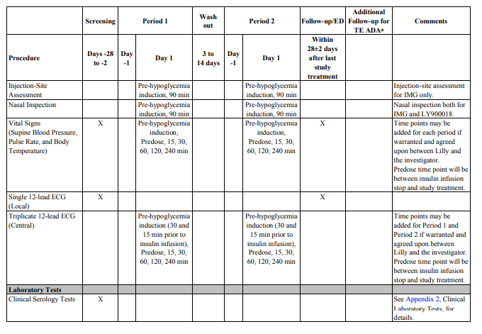
SIID012 | ACTIVITY | 12 |  |  | TID017 |  | AID015; AID016 | 90 minutes after start hypoglycemia induction
SIID013 | ACTIVITY | 13 |  |  | TID019 |  | AID028 | Stop insulin infusion
SIID014 | ACTIVITY | 14 |  | EID003 | TID020 | STID003 | AID014 | treatment administration, period 1
SIID015 | ACTIVITY | 15 |  |  | TID021 |  | AID017; AID019; AID027; AID028; AID033 | pre-dose
SIID016 | ACTIVITY | 16 |  |  | TID022 |  | AID027; AID028 | 5 minutes
SIID017 | ACTIVITY | 17 |  |  | TID023 |  | AID027; AID028 | 10 minutes
SIID018 | ACTIVITY | 18 |  |  | TID024 |  | AID017; AID019; AID027; AID028; AID032; AID033 | 15 minutes
SIID019 | ACTIVITY | 19 |  |  | TID025 |  | AID027; AID028 | 20 minutes
SIID020 | ACTIVITY | 20 |  |  | TID026 |  | AID027; AID028 | 25 minutes
SIID021 | ACTIVITY | 21 |  |  | TID027 |  | AID017; AID019; AID027; AID028; AID032; AID033 | 30 minutes
SIID022 | ACTIVITY | 22 |  |  | TID028 |  | AID027; AID028 | 40 minutes
SIID023 | ACTIVITY | 23 |  |  | TID029 |  | AID027; AID028 | 50 minutes
SIID024 | ACTIVITY | 24 |  |  | TID030 |  | AID017; AID019; AID027; AID028; AID032 | 60 minutes
SIID025 | ACTIVITY | 25 |  |  | TID031 |  | AID027; AID028 | 90 minutes
SIID026 | ACTIVITY | 26 |  |  | TID032 |  | AID017; AID019; AID027; AID028; AID032; AID033 | 120 minutes
SIID027 | ACTIVITY | 27 |  |  | TID033 |  | AID007; AID017; AID019; AID027; AID028 | 240 minutes
SIID028 | ACTIVITY | 28 |  |  | TID034 |  | AID011 | After last PK sample
SIID029 | ACTIVITY | 29 |  | EID003 | TID035 |  | AID004 | 6 hours after glucagon admin
SIID030 | ACTIVITY | 0 |  |  | TID016 |  | AID006; AID010
SIID031 | ACTIVITY | 30 |  | EID004 | TID036 |  | AID003 | Admission Period 2
SIID032 | ACTIVITY | 31 |  | EID004 | TID037 |  | AID023.2 | Period 2, Day -1
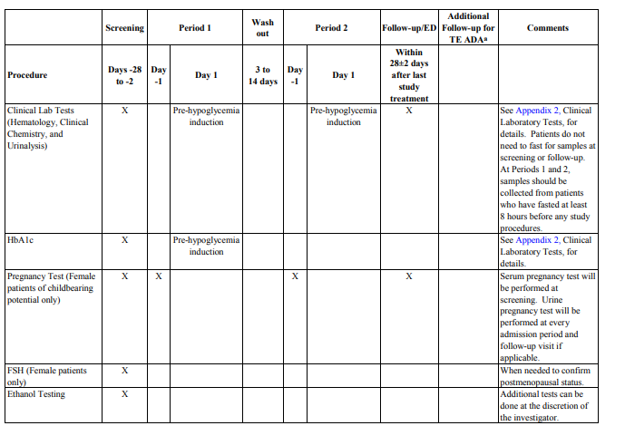
SIID033 | ACTIVITY | 33 |  | EID005 | TID005 |  | AID009 | Activities during the whole day 1
SIID034 | ACTIVITY | 34 |  | EID005 | TID038 | STID002 | AID012; AID013 | Period 2, Day 1 Hypoglyc induct
SIID035 | ACTIVITY | 35 |  | EID005 | TID039 | STID003 | AID014 | period 2, Day 1 Treatment
SIID036 | ACTIVITY | 36 |  | EID005 | TID040 |  | AID004 | 6 hours after glucagon admin
SIID037 | ACTIVITY | 37 |  | EID006 | TID006 |  | AID007; AID008.2; AID017; AID018; AID021; AID023.2; AID027; AID030 | Follow-up
SIID038 | ACTIVITY | 38 |  | EID007 | TID007 |  | AID027; AID030 | Repeated glucagon sampling (every 12 weeks)

More timings
Timing ID | TimingType | TimingValue | TimingRelativeToFrom | TimingWindow | relativefromScheduleInstanceId | relativetoScheduleInstanceId
See Cell J1 and further for timings related to encounters
TID008 | C38008 / AFTER | After informed consent at screening | Start to Start |  | TID001 | TID002
TID009 | C25456 / COINCIDENT | Admission for period 1 | Start to Start |  | TID002
TID010 | C38008 / AFTER | Period 1, Day-1, After admission | End to Start | 0-12 hour | TID009
TID011 | C38008 / AFTER | Start activities Day 1, period 1 | Start to Start | 8-24 hour | TID010
TID012 | C38008 / AFTER | Hypoglycemia induction until bedside PG <60 mg/dL, Period 2 | End to Start |  | TID011
TID013 | C25629 / BEFORE | Pre-Hypoglycemia induction | Start to Start | 0-45 minutes before |  | TID012
TID014 | C25629 / BEFORE | 30 minutes prior to insulin infusion | Start to Start | 30 minutes before |  | TID012
TID015 | C25629 / BEFORE | 15 minutes prior to insulin infusion | Start to Start | 15 minutes before |  | TID012
TID016 | C25456 / COINCIDENT | Start screening to end follow-up | Start to Start |  | TID001 | TID006
TID017 | C38008 / AFTER | 90 minutes after start hypoglycemia induction | Start to Start | 90 minutes after | TID012
TID018 | C38008 / AFTER | During hypoglycemia induction | Start to Start |  | TID012
TID019 | C25456 / COINCIDENT | Stop insulin infusion | End to Start |  | TID012
TID020 | C38008 / AFTER | 5 minutes after end hypoglycemia induction / Treatment administration | End to Start |  | TID012
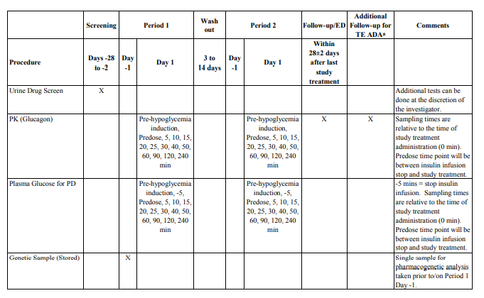
TID021 | C25629 / BEFORE | pre-dose | Start to Start | -5 to 0 minutes | TID020 | TID019
TID022 | C38008 / AFTER | 5 minutes | Start to Start |  | TID020
TID023 | C38008 / AFTER | 10 minutes | Start to Start |  | TID020
TID024 | C38008 / AFTER | 15 minutes | Start to Start |  | TID020
TID025 | C38008 / AFTER | 20 minutes | Start to Start |  | TID020
TID026 | C38008 / AFTER | 25 minutes | Start to Start |  | TID020
TID027 | C38008 / AFTER | 30 minutes | Start to Start |  | TID020
TID028 | C38008 / AFTER | 40 minutes | Start to Start |  | TID020
TID029 | C38008 / AFTER | 50 minutes | Start to Start |  | TID020
TID030 | C38008 / AFTER | 60 minutes | Start to Start |  | TID020
TID031 | C38008 / AFTER | 90 minutes | Start to Start |  | TID020
TID032 | C38008 / AFTER | 120 minutes | Start to Start |  | TID020
TID033 | C38008 / AFTER | 240 minutes | Start to Start |  | TID020
TID034 | C38008 / AFTER | After last PK sample | End to Start |  | TID033
TID035 | C38008 / AFTER | 6 hours after glucagon admin | Start to Start | minimum 6 hours | TID020
TID036 | C25456 / COINCIDENT | Admission for period 2 | Start to Start |  | TID004
TID037 | C38008 / AFTER | Period 2, Day-1, After admission | End to Start |  | TID036
TID038 | C38008 / AFTER | Hypoglycemia induction until bedside PG <60 mg/dL, period 2 | Start to Start | 8-24 hour | TID037
TID039 | C38008 / AFTER | 5 minutes after end hypoglycemia induction / Treatment administration Period 2 | End to Start |  | TID038
TID040 | C38008 / AFTER | 6 hours after glucagon admin | Start to Start | minimum 6 hours | TID039

