documentContent
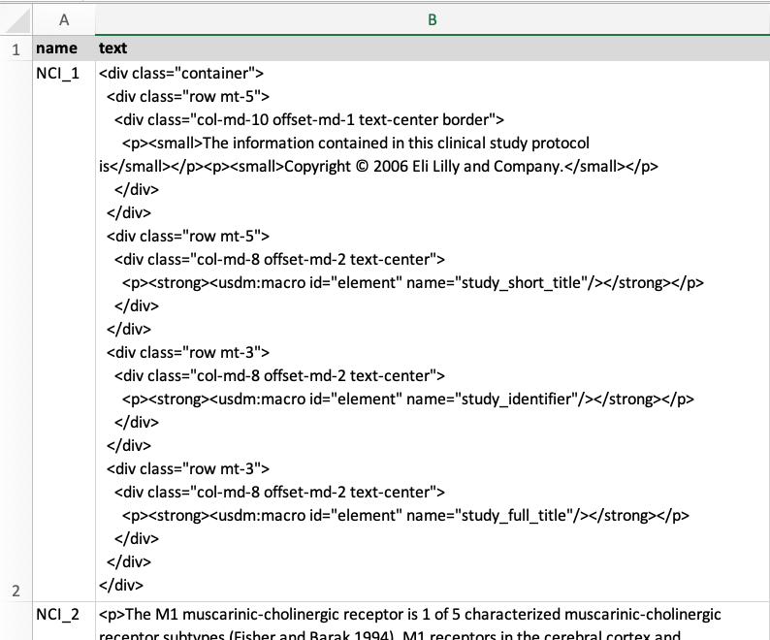
name | text
NCI_1 | <p>Study procedures and their timing are summarized in the SoA. Protocol waivers or exemptions are<br />not allowed.<br />&bull; Immediate safety concerns should be discussed with the Sponsor immediately upon<br />occurrence or awareness to determine if the participant should continue or discontinue<br />study intervention.<br />&bull; Adherence to the study design requirements, including those specified in the SoA, is<br />essential and required for study conduct.<br />&bull; All screening evaluations must be completed and reviewed to confirm that potential<br />participants meet all eligibility criteria. The Investigator will maintain a screening log to<br />record details of all participants screened and to confirm eligibility or record reasons for<br />screening failure, as applicable.<br />&bull; Procedures conducted as part of the participant&rsquo;s routine clinical management (eg, blood<br />count) and obtained before signing of the ICF may be utilized for screening or baseline<br />purposes provided the procedures met the protocol-specified criteria and were performed<br />within the time frame defined in the SoA.</p>
NCI_2 | <p>The primary and secondary efficacy endpoint will be assessed by RECIST 1.1 (Appendix 11: Section 10.11) criteria for participants with HCC, SCCHN and EOC. All participants treated must have at least one measurable intact lesion for inclusion (see Section 5.1,inclusion criterion I 04).</p> <p>For participants with GBM, efficacy will be assessed by RANO criteria (Appendix 15: Section 10.15).</p> <p>Tumor assessment will be performed at fixed intervals as described in SoA, and the assessment<br />window is not impacted by dose delay or dose omission.</p> <p>All tumor assessment data should be recorded to related eCRF pages based on RECIST 1.1 criteria (Appendix 11;Section 10.11). As a requirement of RECIST 1.1 criteria, a partial or complete response must be confirmed on a second examination done at least 4 weeks apart, in order to be documented as a confirmed response to therapy. Based on RECIST for immunotherapies (iRECIST [Appendix 16: Appendix 16: Section 10.16]), progressive disease should also be confirmed on a second examination done at least 4 weeks apart to exclude pseudo progression.</p> <p>Exploratory efficacy endpoints will be assessed by iRECIST (Appendix 16: Section 10.16), for participants with HCC, SCCHN or EOC or iRANO (Appendix 18: Section 10.18), for participants with GBM and some biomarkers.</p> <p>Imaging should be available for a central review upon Sponsor&rsquo;s request.</p>
NCI_3 | <p>Planned time points for all safety assessments are provided in the SoA.</p>
NCI_4 | <p>&bull; A complete physical examination will include, at a minimum, assessments of the major<br />body systems. Height only at baseline and weight will also be measured and recorded.<br />&bull; Performance status as measured by the ECOG (for HCC, SCCHN, and EOC) or<br />Karnofsky scale (for GBM).<br />&bull; Investigators should pay special attention to clinical signs related to previous illnesses.<br />&bull; Any new finding or worsening of previous finding during treatment period should be<br />reported as a new AE.</p>
NCI_5 | <p>During treatment phase, vital signs are to be monitored just before starting infusion of the IMPs,<br />every hour during the infusion, and at the end of infusion. Also to be performed as clinically<br />indicated.<br />&bull; Temperature, pulse rate, respiratory rate, and blood pressure will be assessed.<br />&bull; Blood pressure and pulse measurements will be assessed with a completely automated<br />device. Manual techniques will be used only if an automated device is not available.<br />&bull; Blood pressure and pulse measurements should be preceded by at least 5 minutes of rest<br />for the participant in a quiet setting without distractions (eg, television, cell phones).<br />&bull; Oxygen saturation (SCCHN only).</p>
NCI_6 | <p>&bull; 12-lead ECG will be obtained as outlined in the SoA (see Section 1.3).<br />Single 12-lead ECG will be obtained as outlined in the SoA (see Section 1.3) using an ECG<br />machine that automatically calculates the heart rate and measures PR, QRS, QT, and QTc<br />intervals. Clinically significant abnormalities should be reported as AE, except for at the<br />screening assessment if the detected finding is linked to a preexisting condition. In that case, the<br />diagnosis should be recorded in the patient&rsquo;s medical history.</p>
NCI_7 | <p>See Appendix 2 (Section 10.3) for the list of clinical laboratory tests to be performed and to the SoA for the timing and frequency.<br />&bull; The Investigator must review the laboratory report, document this review, and record any clinically relevant changes occurring during the study in the AE section of the eCRF. The laboratory reports must be filed with the source documents. Clinically significant&nbsp;abnormal laboratory findings are those which are not associated with the underlying disease, unless judged by the Investigator to be more severe than expected for the participant's condition and that either lead to IMP(s) discontinuation or dose modification or fulfill a serious or AESI definition (note: remaining laboratory tests are reported in eCRF pages for Hematology, Biochemistry).</p><p>&bull; All laboratory tests with values considered clinically significantly abnormal during participation in the study or after the last dose of study intervention should be repeated until the values return to normal or baseline or are no longer considered clinically significant by the Investigator or Medical Monitor.<br />- If such values do not return to normal/baseline within a period of time judged reasonable by the Investigator, the etiology should be identified and the Sponsor notified.<br />- All protocol-required laboratory assessments, as defined in Appendix 2 (Section 10.2), must be conducted in accordance with the laboratory manual and the SoA.<br />- If laboratory values from non-protocol specified laboratory assessments performed at the institution&rsquo;s local laboratory require a change in participant management or are considered clinically significant by the Investigator (eg, SAE or AE or dose modification), then the results must be recorded in the eCRF.</p>
NCI_8 | <p>The safety of the participants in this clinical trial is primarily dependent on the clinical Investigator&rsquo;s monitoring and assessment of their participants.</p> <p>After the occurrence of two patients with Grade &ge;3 or one patient with Grade &ge;4 reports of cytokine release syndrome or anaphylactic reactions, unless they result from an obviously unrelated cause, further enrollment will be halted until a thorough safety review is conducted and submitted to FDA for review.</p> <p><strong>Adverse event of special interest</strong></p> <p>An AESI is an AE (serious or non-serious) of scientific and medical concern specific to the I&nbsp;or&nbsp;A programs, for which ongoing monitoring and immediate notification by the Investigator to the Sponsor is required. Such AEs may require further investigation in order to characterize and understand them. Adverse events of special interest may be added, modified or removed during a study by protocol amendment.</p> <p>Dose limiting toxicities (as defined in Section 4.1) are considered as AESIs in the Phase 1 of this study, and as such, the Investigators will be required to report them to the Sponsor within 24 hours of the Investigator becoming aware of the AE. The Investigator will attach the DLT-specific eCRF page to the DLT/AESI form.</p> <p>The following conditions are also considered AESIs and as such, the Investigators will be<br />required to report them to the Sponsor within 24 hours of the Investigator becoming aware of the<br />AE:</p> <p>&bull; Grade &ge;2 acute IARs with I.</p> <p>&bull; Any grade IARs with A.</p> <p>&bull; Grade &ge;3 immune-related TEAEs.</p> <p>&bull; Any grade of the following TEAEs with atezolizumab: pneumonitis, colitis, endocrinopathies (diabetes mellitus, pancreatitis, adrenal insufficiency, hyperthyroidism, and hypophysitis), systemic lupus erythematosus, neurologic disorders (Guillain-Barr&eacute; syndrome, myasthenic syndrome, myasthenia gravis, and meningoencephalitis), n
NCI_9
NCI_10
NCI_11
NCI_12
NCI_13
NCI_14
NCI_15
NCI_16
NCI_17
NCI_18
NCI_19
NCI_20
NCI_21
NCI_22
NCI_23
NCI_24
NCI_25
NCI_26
NCI_27
NCI_28
NCI_29
NCI_30
NCI_31
NCI_32
NCI_33
NCI_34
NCI_35
NCI_36
NCI_37
NCI_38
NCI_39
NCI_40
NCI_41
NCI_42
NCI_43
NCI_44
NCI_45
NCI_46
NCI_47
NCI_48
NCI_49
NCI_50
NCI_51
NCI_52
NCI_53
NCI_54
NCI_55
NCI_56
NCI_57
NCI_58
NCI_59
NCI_60
NCI_61
NCI_62
NCI_63
NCI_64
NCI_65
NCI_66
NCI_67
NCI_68
NCI_69
NCI_70
NCI_71
NCI_72
NCI_73
NCI_74
NCI_75
NCI_76
NCI_77
NCI_78
NCI_79
NCI_80
NCI_81
NCI_82
NCI_83
NCI_84
NCI_85

