Yearly Summary
Row Labels | PEAK VIX HIGH | AVG VIX CLOSE
2009 | 57.1 | 36.04226601
2010 | 35.75 | 21.813769841
2011 | 39.02 | 23.83582996
2012 | 29.55 | 19.722988048
2013 | 36.02 | 18.88868
2014 | 39.3 | 17.107622951
2015 | 35.57 | 17.619758065
2016 | 26.87 | 16.602105263
2017 | 18.2575 | 12.622096774
2018 | 24.035 | 15.075284553
2019 | 30.1825 | 16.534326531
2020 | 86.635 | 26.74734127
2021 | 29.645 | 20.32128
Grand Total | 86.635 | 20.009359058

Monthly Seasonality
Row Labels | AVG VIX
1 | 18.047898833
2 | 19.797890295
3 | 22.345263158
4 | 22.582979592
5 | 22.954094203
6 | 20.19198556
7 | 18.515666667
8 | 19.34876
9 | 19.914959016
10 | 19.246846473
11 | 19.009626556
12 | 17.864370079
Grand Total | 20.009359058

Zone Distribution
Row Labels | Number of Days
Calm | 769
High Fear | 455
Moderate | 1745
Panic | 89
Grand Total | 3058

Dashboard
Dashboard

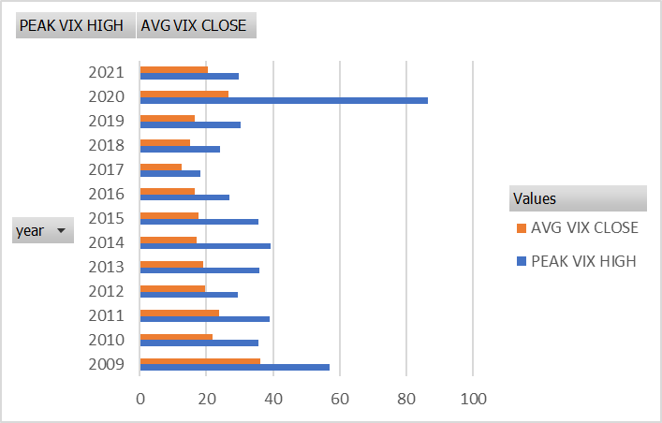
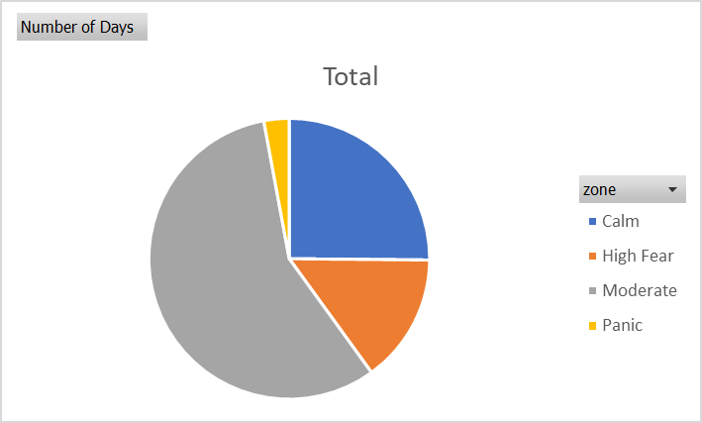
 | Total
1 | 18.047898833
2 | 19.797890295
3 | 22.345263158
4 | 22.582979592
5 | 22.954094203
6 | 20.19198556
7 | 18.515666667
8 | 19.34876
9 | 19.914959016
10 | 19.246846473
11 | 19.009626556
12 | 17.864370079

