Qualitative
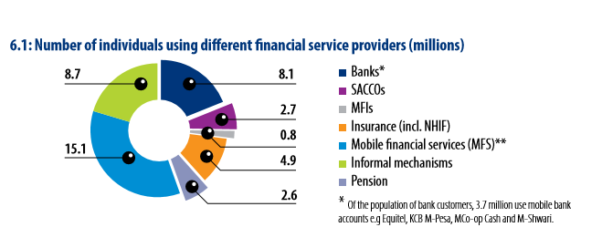
DFS Dashboard
Country | Kenya |  | Region: | East Africa
Regulation and technology
Regulatory environment |  | The Central Bank of Kenya has created an enabling environment for Mobile Financial Services to increase financial inclusion and competition among banks and non-financial institutions.
Agent banking regulations |  | Agent banking regulations support financial inclusion policy allowing MMS providers to qualify and manage agents but require them to take on fiduciary responsibility.
KYC implementation |  | The Integrated Population Registration System launched in 2015 has enabled effective implementation of KYC for Mobile Financial Services and has contributed to increasing use of mobile money services both through greater use by existing clients and new clients. Mobile money agents can reliably register and activate clients through digital/mobile phone processing thanks to verification of individuals through IPRS. IPRS has also had significant impact on Equity Bank's channel mix increasing the use of mobile banking. (see chart)

Interoperabilty |  | Market-led approach is driving interoperabilty with CBK as a facilitator via Payment Service Provider Management Body. Safaricom M-Pesa and Equitel launched interoperability pilot in January 2018 with countrywide roll-out planned for March 2018.
 |  | To compete with M-Pesa, banks have collaboratively launched PesaLink, an Integrated Payments System, that enables exchange of payments using phone numbers.

Competitive dynamics
Competitive dynamics |  | Innovative products launched by MNO-Bank partnerships are driving MFS market development through an extensive agent network. While P2P money transfers still dominate, increasing use of mobile payments by merchants is driving growth in ecosystem transactions. Most successful retail products are:
Leading Telcos in MM |  | M-PESA (Safaricom - CBA) the world's most successful mobile money transfer service, that allows to send money by text, in FY18 H1 (as of Sep '17) generated over $0.29 billion in revenues from 19.3 million active customers on average making 11 transactions per month. There are 140k+ M-Pesa agents (30% Y-o-Y growth).
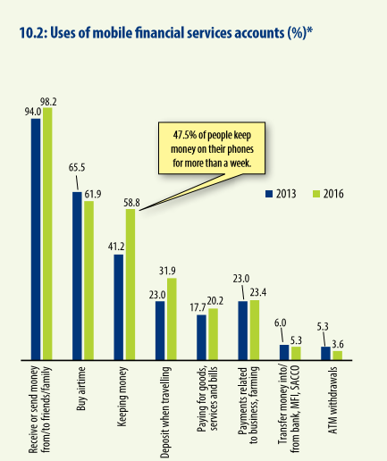
 |  | Increasing uptake of Lipa na M-Pesa by merchants, over 70,000 active with 100% Y-on-Y growth generating $1.7bn transaction value, is helping to increase use of ecosystem transactions.
Leading Banks in DFS |  | My Money, by Equitel, is the most successul Mobile Banking product. It has enabled Equitel to consistently increase market share thanks to average mobile transactions 3x those of M-Pesa. It combines the benefit of Mobile Money with Mobile Banking enabling customers to transfer money P2P, apply for Eazzy Loans, makeg payments and save in their bank accounts.
 |  | CBA has successfully grown its retail mobile financial services platform throuhh a partnership with Safaricom to sell M-Shwari, a banking product offering short-term savings and loans through mobile phone. It can be accessed through M-Pesa and is linked to a bank account with CBA, which performs the operational role. M-Shwari has enabled CBA to acquire 19.5 million accounts, multiplying its customer base by 300x and changing its profile from a small upscale bank with average balance of $20k to a mainstream bank with average balance of $100.
 |  | KCB, Kenya's largest bank, also has an established mobile platform with 10 million customers, acquired either directly or through partnerships over the past 5 years. Currently, non-branch channel systems—Mbenki, KCB M-PESA, Mobi and payments— account for 85% of total transactions. Since inception of the flagship KCB M-Pesa platform in March 2015, the Bank has disbursed over $200 million in loans to over 8 million customers on their mobile phones.
FinTech |  | FinTechs are very active in Kenya and have received close to a third of capital invested in African FinTechs. Some of the leading Fintechs are: Kopo Kopo, which offers a SaaS product to enable 30 million SMEs in emerging markets to accept, process, and manage mobile money payments. BitPesa allows individuals and businesses to send payments to and from Kenya, Nigeria, Uganda, and Tanzania via use of Bitcoins.

