boxplot
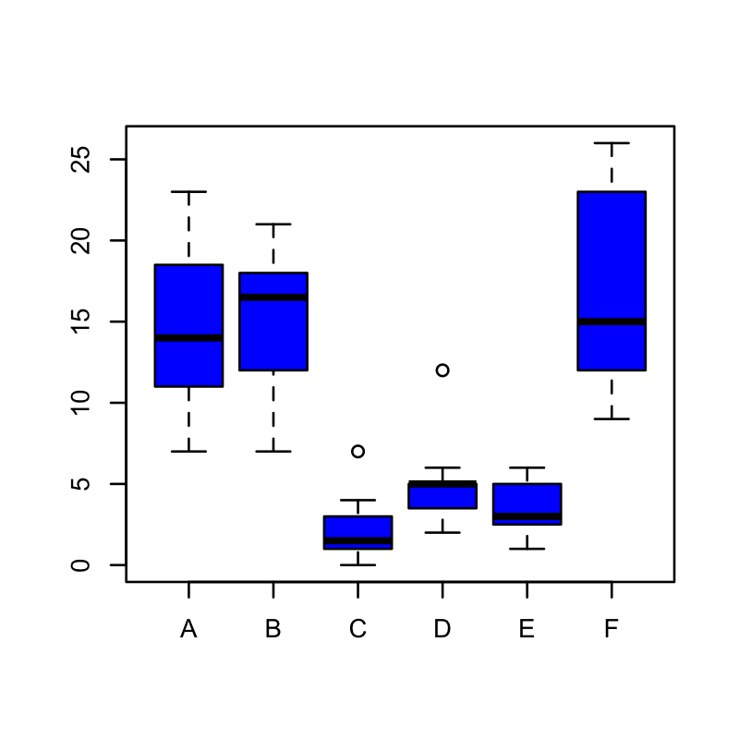
Box plot using InsectSrays data

