Sheet1
Run | Params | Test Accuracy | Test Recall | Confusion Matrix
1 | n_estimators=500, max_features=.33, max_depth=10 |  |  | #NAME?
2 | n_estimators=500, max_features=.2, min_samples_leaf=50, class_weight='balanced_subsample', min_samples_split=2, bootstrap=False, max_depth=None | 0.9396823553 | 0.94 | 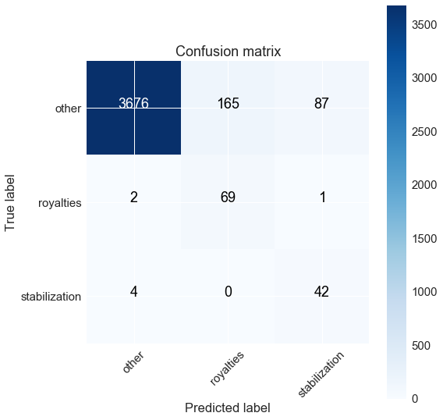
3

