Sheet1
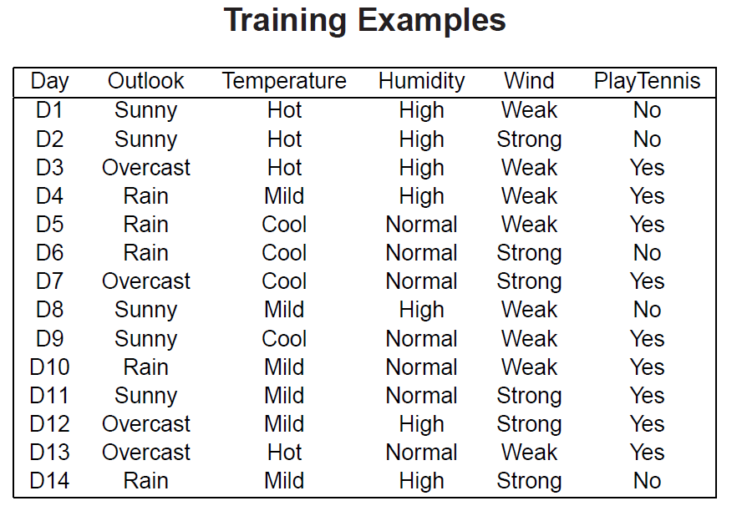
 |  | yes | no | entropy | weighted entropy | root entropy | Information Gain
Outlook | sunny | 2 | 3 | 0.97095059445 | 0.34676806945 | 0.94028595867
 | over | 4 | 0 | 0 | 0
 | rain | 3 | 2 | 0.97095059445 | 0.34676806945
 |  |  | 14 |  | 0.6935361389 |  | 0.24674981977

Temperature | Hot | 2 | 2 | 1 | 0.28571428571
 | Mild | 4 | 2 | 0.91829583405 | 0.39355535745
 | Cool | 3 | 1 | 0.81127812446 | 0.23179374985
 |  |  | 14 |  | 0.91106339301 |  | 0.029222565659

Humidity | High | 3 | 4 | 0.98522813603 | 0.49261406802
 | Normal | 6 | 1 | 0.59167277858 | 0.29583638929
 |  |  | 14 | 1.5769009146 | 0.78845045731 |  | 0.15183550136

Wind | Strong | 3 | 3 | 1 | 0.42857142857
 | Weak | 6 | 2 | 0.81127812446 | 0.46358749969
 |  |  | 14 | 1.8112781245 | 0.89215892826 |  | 0.048127030408

