Sheet1 (3)
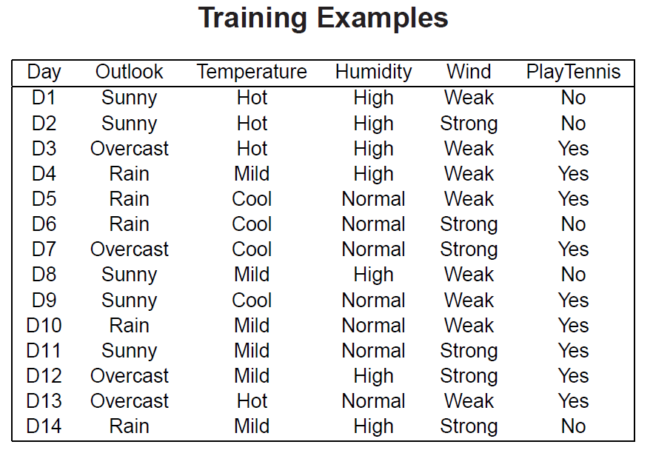
 |  | yes | no | entropy | weighted entropy | root entropy | Information Gain
 |  |  |  |  |  | 0.45914791703

 |  |  |  |  |  |  | 0.45914791703

Humidity | High | 1 | 2 | 0.91829583405 | 0.45914791703
 | Normal | 3 | 0 | 0 | 0
 |  |  | 6 | 0.91829583405 | 0.45914791703 |  | 0

Wind | Strong | 3 | 1 | 0.81127812446 | 0.54085208297
 | Weak | 1 | 1 | 1 | 0.33333333333
 |  |  | 6 | 1.8112781245 | 0.87418541631 |  | -0.41503749928

