2021
www.nenanaakiceclassic.com
http://www.adn.com/2010/04/29/1256049/nenana-ice-classic-clock-stops.html
Reported in The Practice of Staistics in the Life Sciences, by B.Baldi and D. Moore
Date record as number of days after April 19, so April 20 is counted as 1.

 |  |  | SUMMARY OUTPUT
Year | Day since April 19
1917 | 11 |  | Regression Statistics
1918 | 22 |  | Multiple R | 0.40030083183
1919 | 14 |  | R Square | 0.16024075597
1920 | 22 |  | Adjusted R Square | 0.15239253873
1921 | 22 |  | Standard Error | 5.9683305846
1922 | 23 |  | Observations | 109
1923 | 20
1924 | 22 |  | ANOVA
1925 | 16 |  |  | df | SS | MS | F | Significance F
1926 | 7 |  | Regression | 1 | 727.29015847 | 727.29015847 | 20.417472043 | 1.6116645165E-05
1927 | 23 |  | Residual | 107 | 3811.4437865 | 35.620969967
1928 | 17 |  | Total | 108 | 4538.733945
1929 | 16
1930 | 19 |  |  | Coefficients | Standard Error | t Stat | P-value | Lower 95% | Upper 95% | Lower 95.0% | Upper 95.0%
1931 | 21 |  | Intercept | 176.38040033 | 35.814919443 | 4.9247744537 | 3.0896964493E-06 | 105.38149963 | 247.37930104 | 105.38149963 | 247.37930104
1932 | 12 |  | Year | -0.082096191271 | 0.018168623459 | -4.51856969 | 1.6116645165E-05 | -0.11811336827 | -0.046079014267 | -0.11811336827 | -0.046079014267
1933 | 19
1934 | 11
1935 | 26
Nenana Ice Classic Date Ice Melted

1936 | 11
1937 | 23
1938 | 17
1939 | 10
1940 | 1
1941 | 14
1942 | 11
1943 | 9
1944 | 15
1945 | 27
1946 | 16
1947 | 14
1948 | 24
1949 | 25
1950 | 17
1951 | 11
1952 | 23
1953 | 10
http://www.newsminer.com/news/local_news/nenana-ice-classic-tripod-falls-earliest-date-on-record/article_fb399560-5ed6-11e9-9aa0-e300d14b3a97.html 1:21 am Apr 14, 2019
In the earliest breakup since the contest began in 1917, the Nenana Ice Classic Tripod fell early this morning.
1954 | 17
1955 | 20
1956 | 12
1957 | 16
1958 | 10
1959 | 19
1960 | 13
1961 | 16
1962 | 23
1963 | 16
1964 | 31
1965 | 18
1966 | 19
1967 | 15
1968 | 19
1969 | 9
1970 | 15
1971 | 19
1972 | 21
1973 | 15
1974 | 17
1975 | 21
1976 | 13
1977 | 17
1978 | 11
1979 | 11
1980 | 10
1981 | 11
1982 | 21
1983 | 10
1984 | 20
1985 | 23
1986 | 19
1987 | 16
1988 | 8
1989 | 12
1990 | 5
1991 | 12
1992 | 25
1993 | 4
1994 | 10
1995 | 7
1996 | 16
1997 | 11
1998 | 1
1999 | 10
2000 | 12
2001 | 19
2002 | 18
2003 | 10
2004 | 5
2005 | 9
2006 | 13
2007 | 8
2008 | 17
2009 | 12
2010 | 9
2011 | 15
2012 | 4
2013 | 31
2014 | 6
2015 | 5
2016 | 4
2017 | 12
2018 | 12
2019 | -5 | 1:21 am on April 14
2020 | 8 | 12:56 April 27
2021 | 11 | 12:50 pm on April 30
2022 | 13 | 6:42 pm on May 2
2023 | 19 | 4 pm on May 8
2024 | 8 | 6:18 am on April 27
2025 | 8 | 3:56 pm on April 27

2016
www.nenanaakiceclassic.com
http://www.adn.com/2010/04/29/1256049/nenana-ice-classic-clock-stops.html
Reported in The Practice of Staistics in the Life Sciences, by B.Baldi and D. Moore
Date record as number of days after April 19, so April 20 is counted as 1.

 |  | SUMMARY OUTPUT
Year | Day since April 19
1917 | 11 | Regression Statistics
1918 | 22 | Multiple R | 0.35379343546
1919 | 14 | R Square | 0.12516979497
1920 | 22 | Adjusted R Square | 0.11624295614
1921 | 22 | Standard Error | 5.9440786505
1922 | 23 | Observations | 100
1923 | 20
1924 | 22 | ANOVA
1925 | 16 |  | df | SS | MS | F | Significance F
1926 | 7 | Regression | 1 | 495.4170417 | 495.4170417 | 14.021737975 | 0.00030504668278
1927 | 23 | Residual | 98 | 3462.5429583 | 35.332071003
1928 | 17 | Total | 99 | 3957.96
1929 | 16
1930 | 19 |  | Coefficients | Standard Error | t Stat | P-value | Lower 95% | Upper 95% | Lower 95.0% | Upper 95.0%
1931 | 21 | Intercept | 166.652 | 40.498 | 4.115 | 8.1E-05 | 86.285 | 247.020 | 86.284601806 | 247.02002466
1932 | 12 | Year | -0.077 | 0.021 | -3.745 | 0.00031 | -0.118 | -0.036 | -0.11797170996 | -0.036243711587
1933 | 19
1934 | 11
Date Ice Broke on Nenana River
1935 | 26
1936 | 11
1937 | 23
1938 | 17
1939 | 10
1940 | 1
1941 | 14
1942 | 11
1943 | 9
1944 | 15
1945 | 27
1946 | 16
1947 | 14
1948 | 24
1949 | 25
1950 | 17
1951 | 11
1952 | 23
1953 | 10
1954 | 17
1955 | 20
1956 | 12
1957 | 16
1958 | 10
1959 | 19
1960 | 13
1961 | 16
1962 | 23
1963 | 16
1964 | 31
1965 | 18
1966 | 19
1967 | 15
1968 | 19
1969 | 9
1970 | 15
1971 | 19
1972 | 21
1973 | 15
1974 | 17
1975 | 21
1976 | 13
1977 | 17
1978 | 11
1979 | 11
1980 | 10
1981 | 11
1982 | 21
1983 | 10
1984 | 20
1985 | 23
1986 | 19
1987 | 16
1988 | 8
1989 | 12
1990 | 5
1991 | 12
1992 | 25
1993 | 4
1994 | 10
1995 | 7
1996 | 16
1997 | 11
1998 | 1
1999 | 10
2000 | 12
2001 | 19
2002 | 18
2003 | 10
2004 | 5
2005 | 9
2006 | 13
2007 | 8
2008 | 17
2009 | 12
2010 | 9
2011 | 15
2012 | 4
2013 | 31
2014 | 6
2015 | 5
2016 | 4

2014
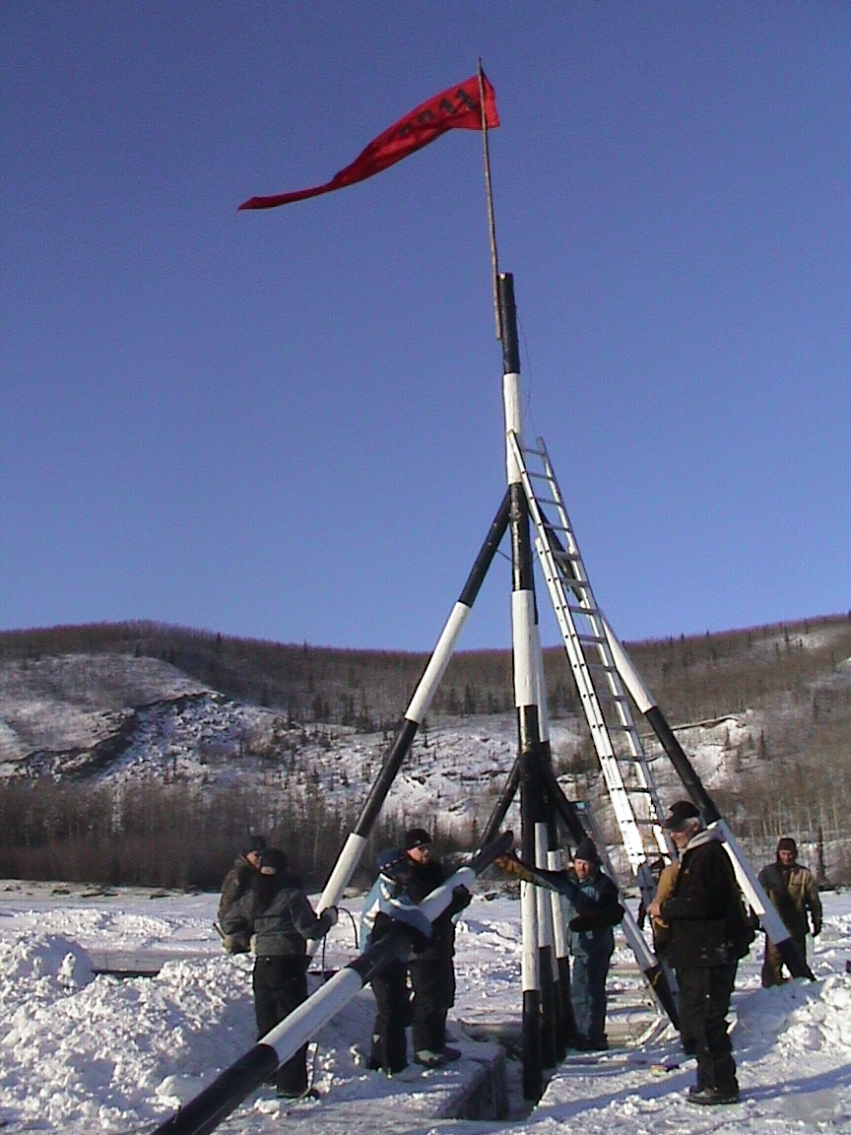
www.nenanaakiceclassic.com
http://www.adn.com/2010/04/29/1256049/nenana-ice-classic-clock-stops.html
Reported in The Practice of Staistics in the Life Sciences, by B.Baldi and D. Moore
Date record as number of days after April 19, so April 20 is counted as 1.

Year | Day since April 19 | SUMMARY OUTPUT for 2014
1917 | 11
1918 | 22 | Regression Statistics
1919 | 14 | Multiple R | 0.31
1920 | 22 | R Square | 0.10
1921 | 22 | Adjusted R Square | 0.09
1922 | 23 | Standard Error | 5.92
1923 | 20 | Observations | 98
1924 | 22
1925 | 16 | ANOVA
1926 | 7 |  | df | SS | MS | F | Significance F
1927 | 23 | Regression | 1 | 368.05 | 368.05 | 10.50 | 0.0016
1928 | 17 | Residual | 96 | 3,363.56 | 35.04
1929 | 16 | Total | 97 | 3,731.60
1930 | 19
1931 | 21 |  | Coefficients | Standard Error | t Stat | P-value | Lower 95% | Upper 95%
1932 | 12 | Intercept | 149.88 | 41.55 | 3.61 | 0.0005 | 67.41 | 232.36
1933 | 19 | Year | -0.069 | 0.021 | -3.24 | 0.0016 | -0.110 | -0.027
1934 | 11
Nanana Ice Classic, AK, 2014
1935 | 26
1936 | 11
1937 | 23
1938 | 17
1939 | 10
1940 | 1
1941 | 14
1942 | 11
1943 | 9
1944 | 15
1945 | 27
1946 | 16
1947 | 14
1948 | 24
1949 | 25
1950 | 17
1951 | 11
1952 | 23
1953 | 10
1954 | 17
1955 | 20
1956 | 12
1957 | 16
1958 | 10
1959 | 19
1960 | 13
1961 | 16
1962 | 23
1963 | 16
1964 | 31
1965 | 18
1966 | 19
1967 | 15
1968 | 19
1969 | 9
1970 | 15
1971 | 19
1972 | 21
1973 | 15
1974 | 17
1975 | 21
1976 | 13
1977 | 17
1978 | 11
1979 | 11
1980 | 10
1981 | 11
1982 | 21
1983 | 10
1984 | 20
1985 | 23
1986 | 19
1987 | 16
1988 | 8
1989 | 12
1990 | 5
1991 | 12
1992 | 25
1993 | 4
1994 | 10
1995 | 7
1996 | 16
1997 | 11
1998 | 1
1999 | 10
2000 | 12
2001 | 19
2002 | 18
2003 | 10
2004 | 5
2005 | 9
2006 | 13
2007 | 8
2008 | 17
2009 | 12
2010 | 9
2011 | 15
2012 | 4
2013 | 31
2014 | 6

2011
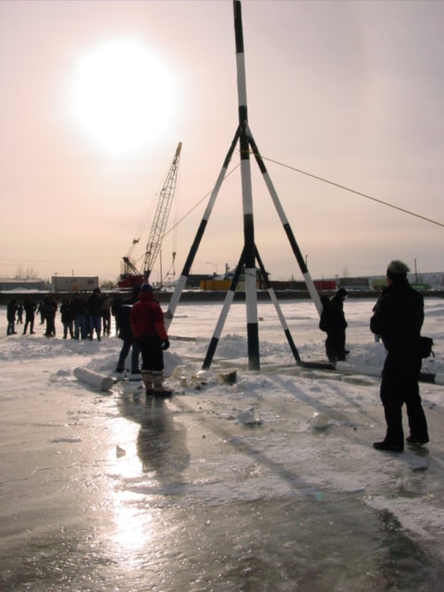
http://www.nenanaakiceclassic.com/

Betting on when ice moves and tripod falls.
Tripod is attachedto clock by rope; when tripod moves, the clock stops.

Putting up tripod; March 6, 2011.

2010
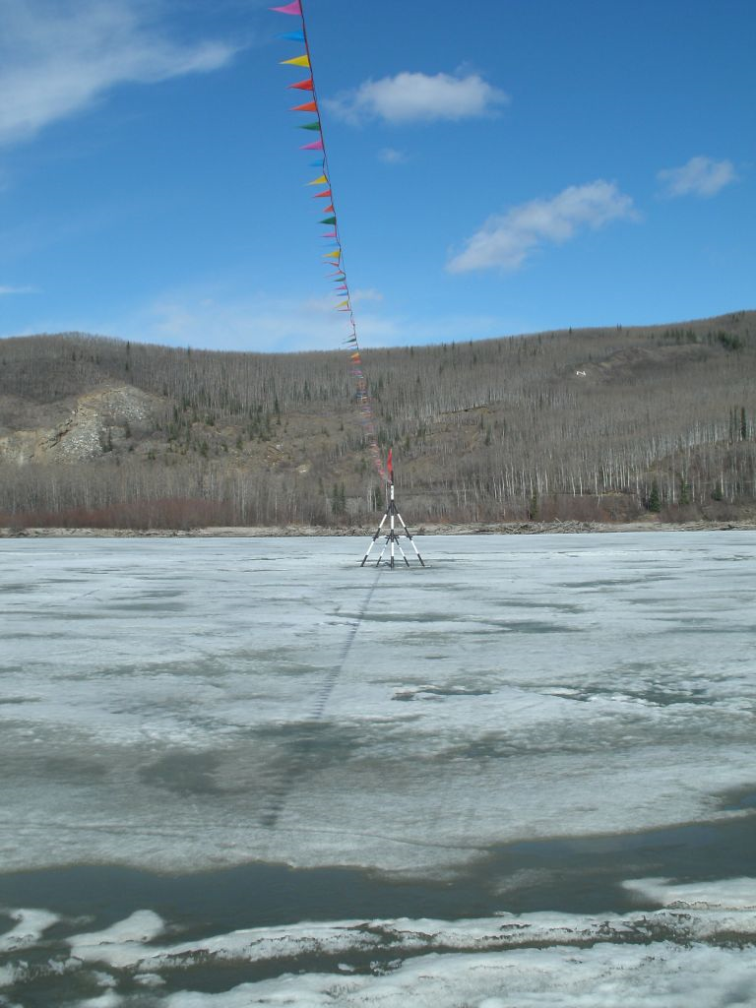
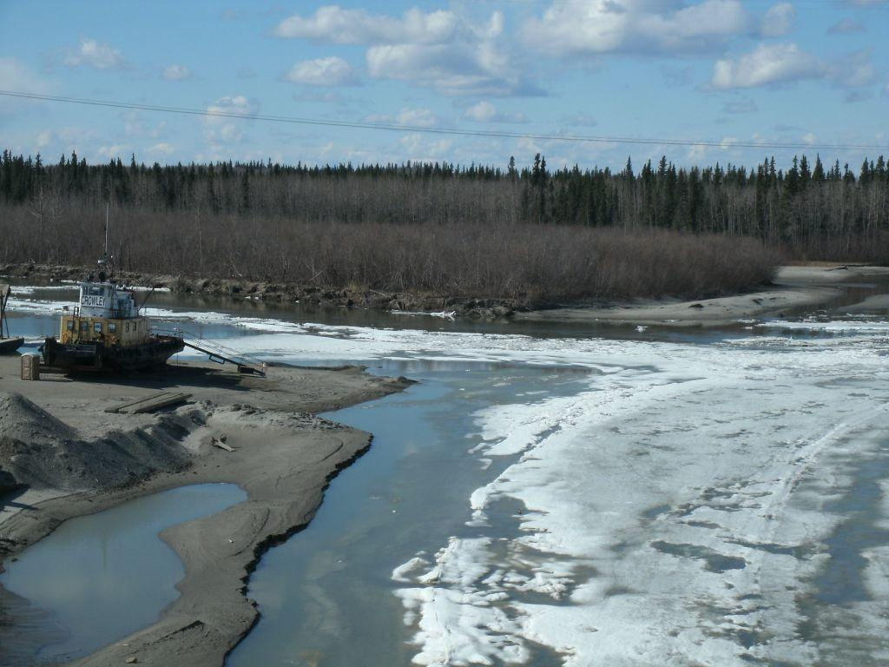
http://www.nenanaakiceclassic.com/current.html
2010 date: April 29, 9:06 am Standard Time

23-Apr-10 | Mouth of Nenana River 2010

