2h tiep- cac APIs
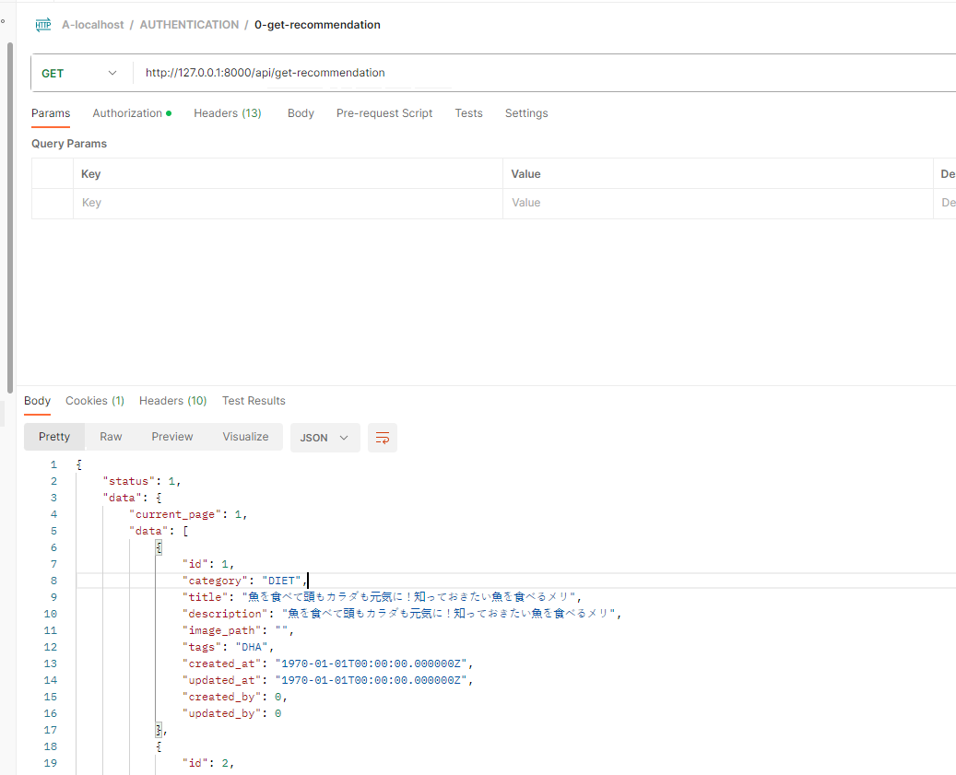
 | https://www.figma.com/file/7qqT3dvv5OagaRlUFK01vB/HealthApp_1203?type=design&node-id=19990-940&mode=design&t=cQhtaPvW32Sf7iEt-0

 | API

1 | achive_rate
2 | my_weight_graph |  |  |  |  | http://127.0.0.1:8000/api/auth/record/get-my-record-graph
 |  |  |  |  |  | GET

 |  |  |  |  |  |  | {
 |  |  |  |  |  |  | "status": 1,
 |  |  |  |  |  |  | "data": {
 |  |  |  |  |  |  | "current_page": 1,
 |  |  |  |  |  |  | "data": [
 |  |  |  |  |  |  | {
 |  |  |  |  |  |  | "weight": "65.00",
 |  |  |  |  |  |  | "fat": "28.00",
 |  |  |  |  |  |  | "date": "2023-06-01",
 |  |  |  |  |  |  | "month": "06"
 |  |  |  |  |  |  | },
 |  |  |  |  |  |  | {
 |  |  |  |  |  |  | "weight": "65.00",
 |  |  |  |  |  |  | "fat": "28.00",
 |  |  |  |  |  |  | "date": "2023-06-02",
 |  |  |  |  |  |  | "month": "06"
 |  |  |  |  |  |  | },

3 | meal_history
 |  |  |  |  |  |  | http://127.0.0.1:8000/api/auth/meal-history/get-meal-history
 |  |  |  |  |  |  | GET
 |  |  |  |  |  |  |  | {
 |  |  |  |  |  |  |  | "status": 1,
 |  |  |  |  |  |  |  | "data": {
 |  |  |  |  |  |  |  | "current_page": 1,
 |  |  |  |  |  |  |  | "data": [
 |  |  |  |  |  |  |  | {
 |  |  |  |  |  |  |  | "id": 1,
 |  |  |  |  |  |  |  | "user_id": 3,
 |  |  |  |  |  |  |  | "date": "2023-06-30",
 |  |  |  |  |  |  |  | "miles_stone": "snack",
 |  |  |  |  |  |  |  | "image_path": null,
 |  |  |  |  |  |  |  | "created_at": 0,
 |  |  |  |  |  |  |  | "updated_at": 0,
 |  |  |  |  |  |  |  | "created_by": 0,
 |  |  |  |  |  |  |  | "updated_by": 0
 |  |  |  |  |  |  |  | },
 |  |  |  |  |  |  |  | {
 |  |  |  |  |  |  |  | "id": 2,
 |  |  |  |  |  |  |  | "user_id": 3,
 |  |  |  |  |  |  |  | "date": "2023-06-30",
 |  |  |  |  |  |  |  | "miles_stone": "morning",
 |  |  |  |  |  |  |  | "image_path": null,
 |  |  |  |  |  |  |  | "created_at": 0,
 |  |  |  |  |  |  |  | "updated_at": 0,

4 | /get-my-diary |  |  |  |  |  | http://127.0.0.1:8000/api/auth/diary/get-my-diary
 |  |  |  |  |  |  | GET |  |  | {
 |  |  |  |  |  |  |  |  |  | "status": 1,
 |  |  |  |  |  |  |  |  |  | "data": {
 |  |  |  |  |  |  |  |  |  | "current_page": 1,
 |  |  |  |  |  |  |  |  |  | "data": [
 |  |  |  |  |  |  |  |  |  | {
 |  |  |  |  |  |  |  |  |  | "id": 1,
 |  |  |  |  |  |  |  |  |  | "user_id": 3,
 |  |  |  |  |  |  |  |  |  | "date": "2023-06-30",
 |  |  |  |  |  |  |  |  |  | "subject": "stand",
 |  |  |  |  |  |  |  |  |  | "description": "description xxxx",
 |  |  |  |  |  |  |  |  |  | "created_at": 1688108360,
 |  |  |  |  |  |  |  |  |  | "updated_at": 1688108360,
 |  |  |  |  |  |  |  |  |  | "created_by": 3,
 |  |  |  |  |  |  |  |  |  | "updated_by": 3
 |  |  |  |  |  |  |  |  |  | }
 |  |  |  |  |  |  |  |  |  | ],
 |  |  |  |  |  |  |  |  |  | "first_page_url": "http://127.0.0.1:8000/api/auth/diary/get-my-diary?page=1",
 |  |  |  |  |  |  |  |  |  | "from": 1,
 |  |  |  |  |  |  |  |  |  | "last_page": 1,

5 | /my-diaray/store |  |  |  |  |  | http://127.0.0.1:8000/api/auth/diary/store
 |  |  |  |  |  |  | POST |  | { |  |  | {
 |  |  |  |  |  |  |  |  | "subject": "stand", |  |  | "user_id": 3,
 |  |  |  |  |  |  |  |  | "description": "description xxxx" |  |  | "date": "2023-06-30",
 |  |  |  |  |  |  |  |  | } |  |  | "subject": "stand",
 |  |  |  |  |  |  |  |  |  |  |  | "description": "description xxxx",
 |  |  |  |  |  |  |  |  |  |  |  | "created_by": 3,
 |  |  |  |  |  |  |  |  |  |  |  | "updated_by": 3,
 |  |  |  |  |  |  |  |  |  |  |  | "created_at": 1688108360,
 |  |  |  |  |  |  |  |  |  |  |  | "updated_at": 1688108360,
 |  |  |  |  |  |  |  |  |  |  |  | "id": 1
 |  |  |  |  |  |  |  |  |  |  |  | }

 |  |  |  |  |  |  |  |  |  | "last_page_url": "http://127.0.0.1:8000/api/auth/diary/get-my-diary?page=1",

6 | /get-my-exersise
 |  |  |  | http://127.0.0.1:8000/api/auth/exersise/get-my-exersise
 |  |  |  | GET |  |  |  |  |  |  | {
 |  |  |  |  |  |  |  |  |  |  | "user_id": 3,
7 | /my-exersise/store |  |  |  |  |  |  |  |  |  | "date": "2023-06-30",
 |  |  |  | http://127.0.0.1:8000/api/auth/exersise/store |  |  |  |  |  |  | "action": "stand",
 |  |  |  | POST |  | { |  |  |  |  | "level": "slight",
 |  |  |  |  |  | "action": "stand", |  |  |  |  | "energy": 26,
 |  |  |  |  |  | "level": "slight", |  |  |  |  | "duration": 10,
 |  |  |  |  |  | "energy": 26.0, |  |  |  |  | "description": "description xxxx",
 |  |  |  |  |  | "duration": 10, |  |  |  |  | "created_by": 3,
 |  |  |  |  |  | "description": "description xxxx" |  |  |  |  | "updated_by": 3,
 |  |  |  |  |  | } |  |  |  |  | "created_at": 1688107610,
 |  |  |  |  |  |  |  |  |  |  | "updated_at": 1688107610,
 |  |  |  |  |  |  |  |  |  |  | "id": 6
 |  |  |  |  |  |  |  |  |  |  | }

8 | /get-my-record?sort_by=weight[desc]&
 |  |  |  |  | http://127.0.0.1:8000/api/auth/record/get-my-record
 |  |  |  |  |  |  |  | {
 |  |  |  |  | get |  |  | "status": 1,
 |  |  |  |  |  |  |  | "data": {
 |  |  |  |  |  |  |  | "current_page": 1,
 |  |  |  |  |  |  |  | "data": [
 |  |  |  |  |  |  |  | {
 |  |  |  |  |  |  |  | "id": 3,
 |  |  |  |  |  |  |  | "user_id": 3,
 |  |  |  |  |  |  |  | "date": "2023-06-30",
 |  |  |  |  |  |  |  | "weight": "10.00",
 |  |  |  |  |  |  |  | "fat": "30.00",
 |  |  |  |  |  |  |  | "created_at": 1688110128,
 |  |  |  |  |  |  |  | "updated_at": 1688110128,
 |  |  |  |  |  |  |  | "created_by": 3,
 |  |  |  |  |  |  |  | "updated_by": 3
 |  |  |  |  |  |  |  | },
 |  |  |  |  |  |  |  | {
 |  |  |  |  |  |  |  | "id": 2,
 |  |  |  |  |  |  |  | "user_id": 3,
 |  |  |  |  |  |  |  | "date": "2023-06-30",
 |  |  |  |  |  |  |  | "weight": "10.00",

9 | /my-record/store |  |  |  | http://127.0.0.1:8000/api/auth/record/store
 |  |  |  |  | POST |  |  | {
 |  |  |  |  |  |  |  | "weight": 10,
 |  |  |  |  |  |  |  | "fat":30 | {
 |  |  |  |  |  |  |  | } | "user_id": 3,
 |  |  |  |  |  |  |  |  | "date": "2023-06-30",
 |  |  |  |  |  |  |  |  | "weight": 10,
 |  |  |  |  |  |  |  |  | "fat": 30,
 |  |  |  |  |  |  |  |  | "created_by": 3,
 |  |  |  |  |  |  |  |  | "updated_by": 3,
 |  |  |  |  |  |  |  |  | "created_at": 1688110128,
 |  |  |  |  |  |  |  |  | "updated_at": 1688110128,
 |  |  |  |  |  |  |  |  | "id": 3
 |  |  |  |  |  |  |  |  | }

10 | /get-recommendation
 |  | http://127.0.0.1:8000/api/get-recommendation

 |  |  | {
 |  |  | "status": 1,
 |  |  | "data": {
 |  |  | "current_page": 1,
 |  |  | "data": [
 |  |  | {
 |  |  | "id": 1,
 |  |  | "category": "DIET",
 |  |  | "title": "魚を食べて頭もカラダも元気に！知っておきたい魚を食べるメリ",
 |  |  | "description": "魚を食べて頭もカラダも元気に！知っておきたい魚を食べるメリ",
 |  |  | "image_path": "",
 |  |  | "tags": "DHA",
 |  |  | "created_at": "1970-01-01T00:00:00.000000Z",
 |  |  | "updated_at": "1970-01-01T00:00:00.000000Z",
 |  |  | "created_by": 0,
 |  |  | "updated_by": 0
 |  |  | },
 |  |  | {
 |  |  | "id": 2,

