Sheet1
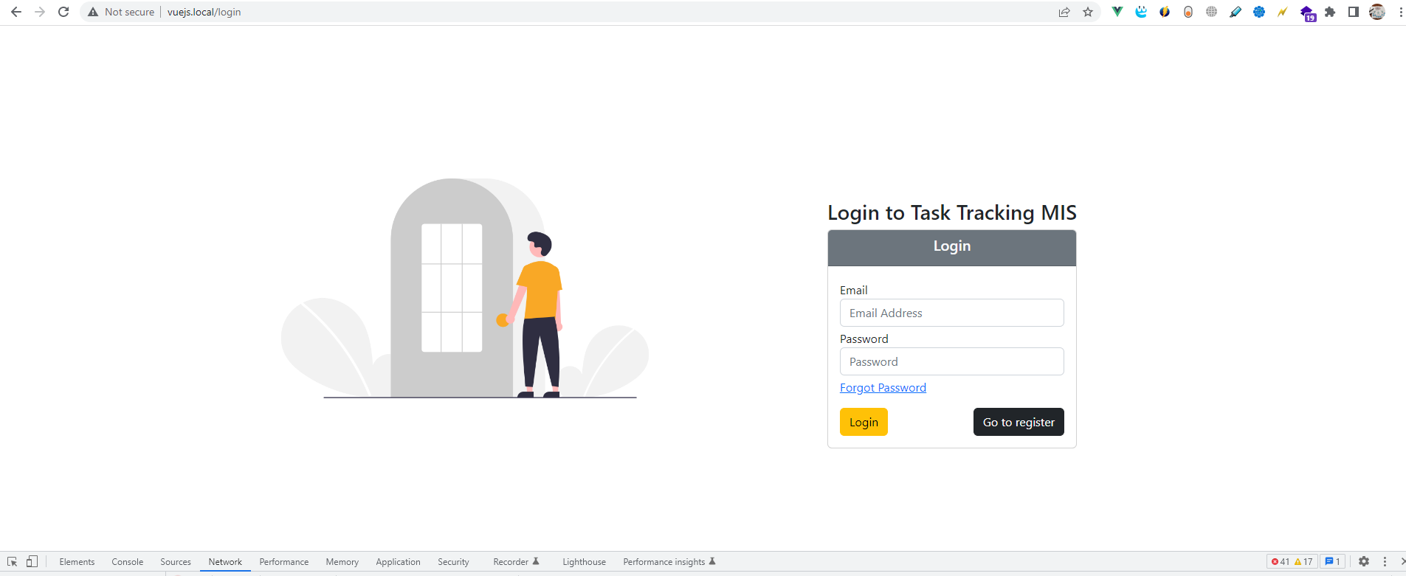

admin@app.com
password

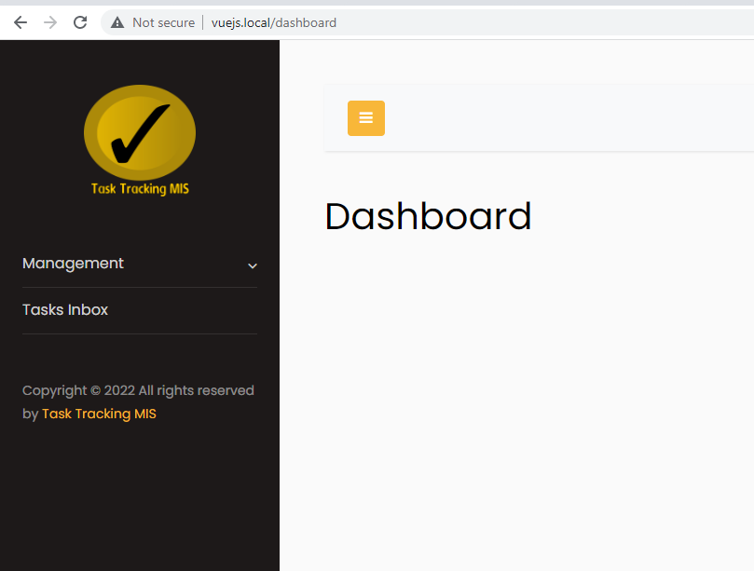

http://vuejs.local/departments/index

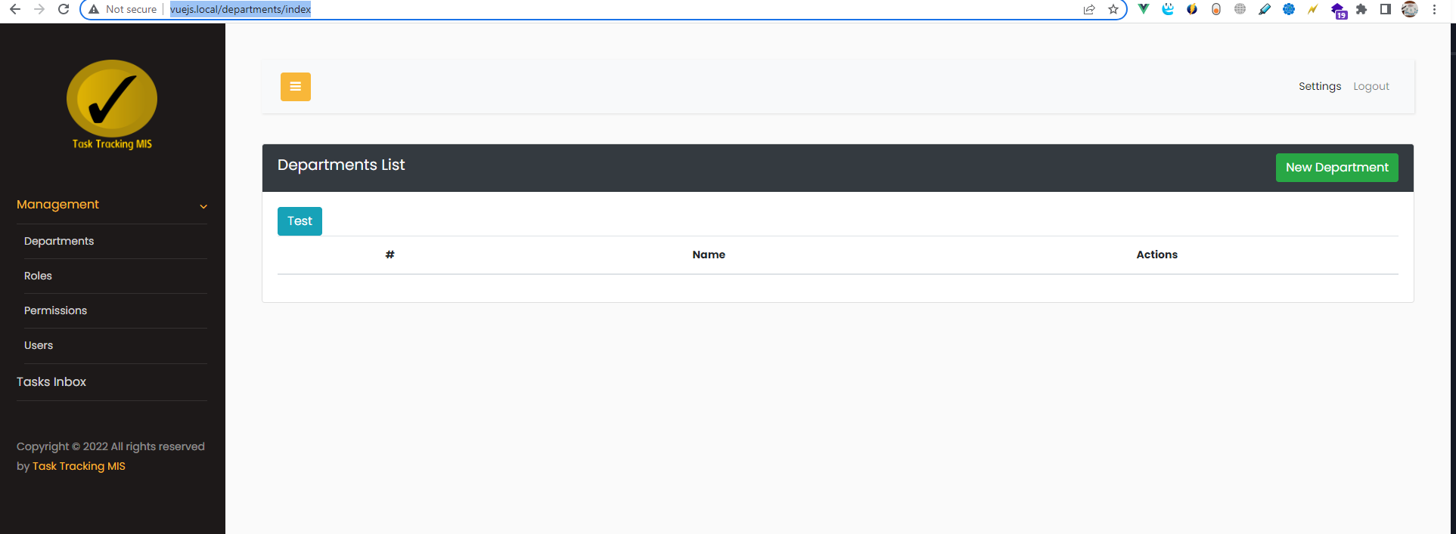

http://vuejs.local/roles/index

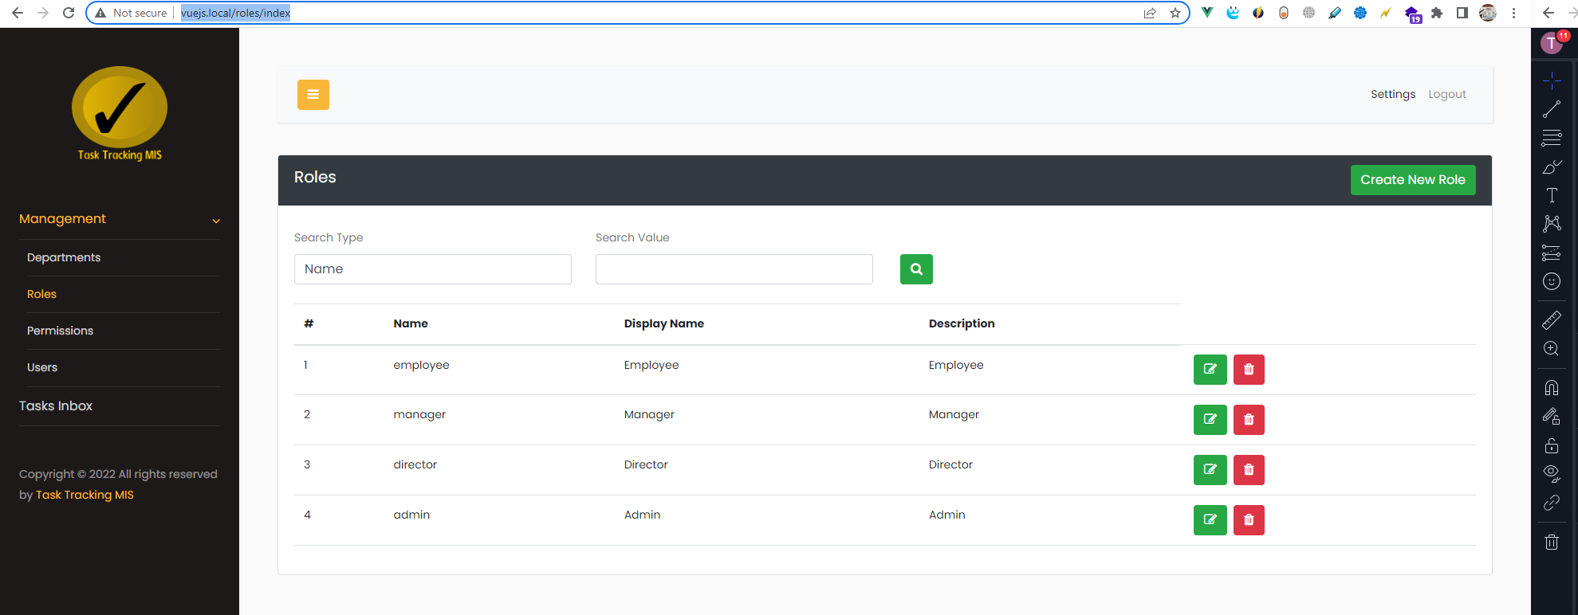

http://vuejs.local/permissions/index

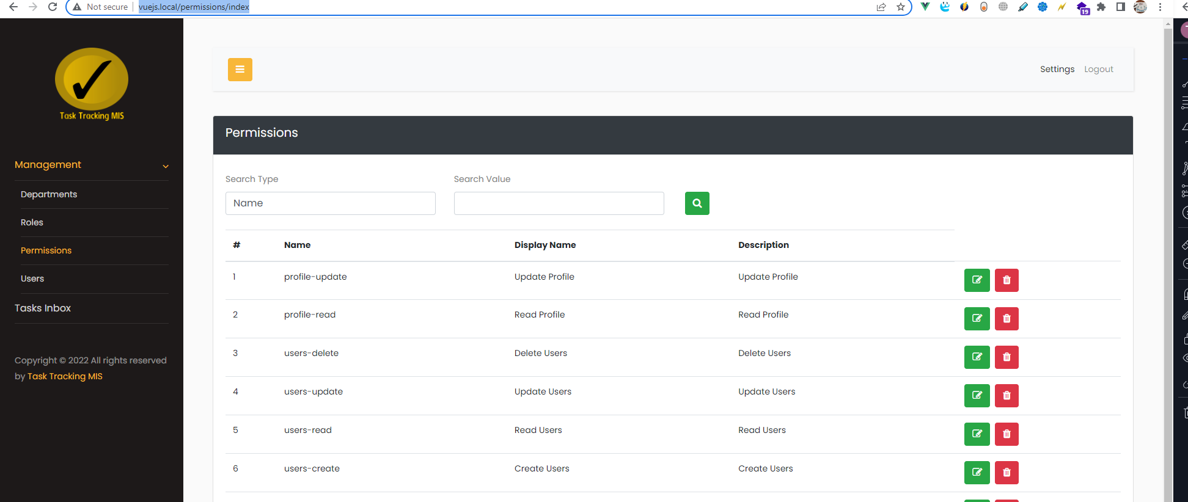

http://vuejs.local/users/index

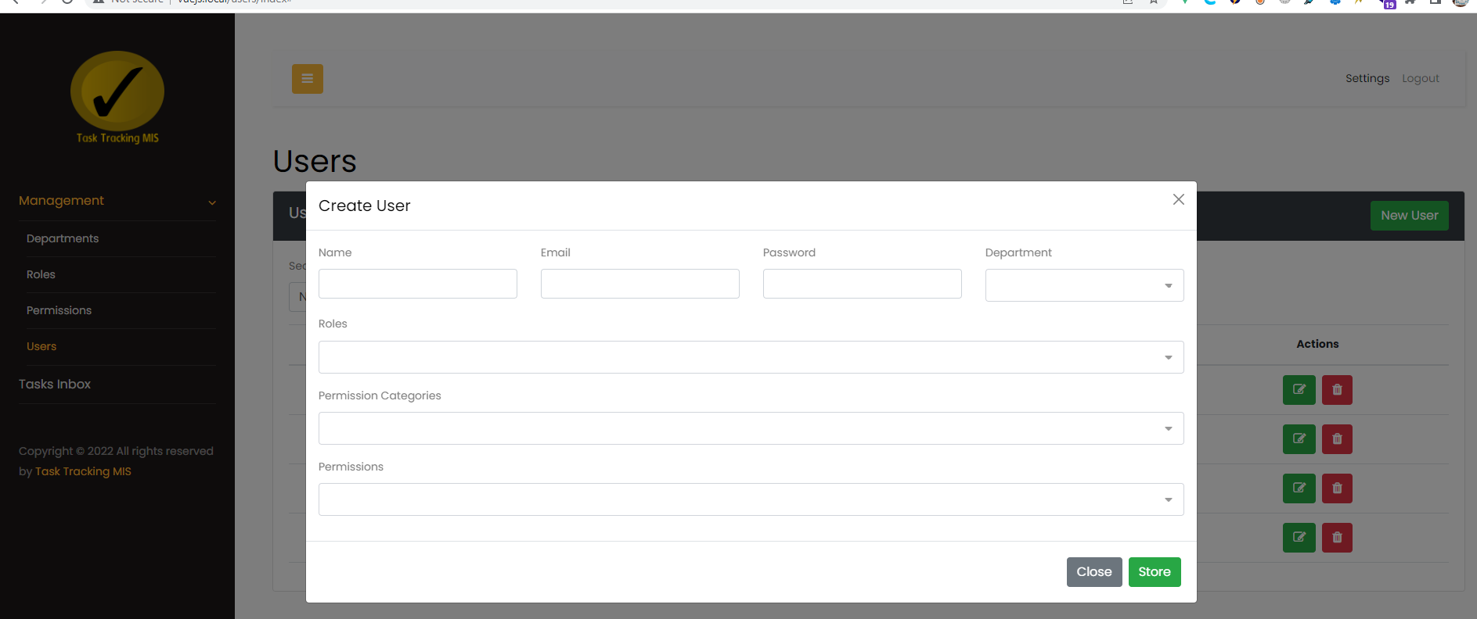

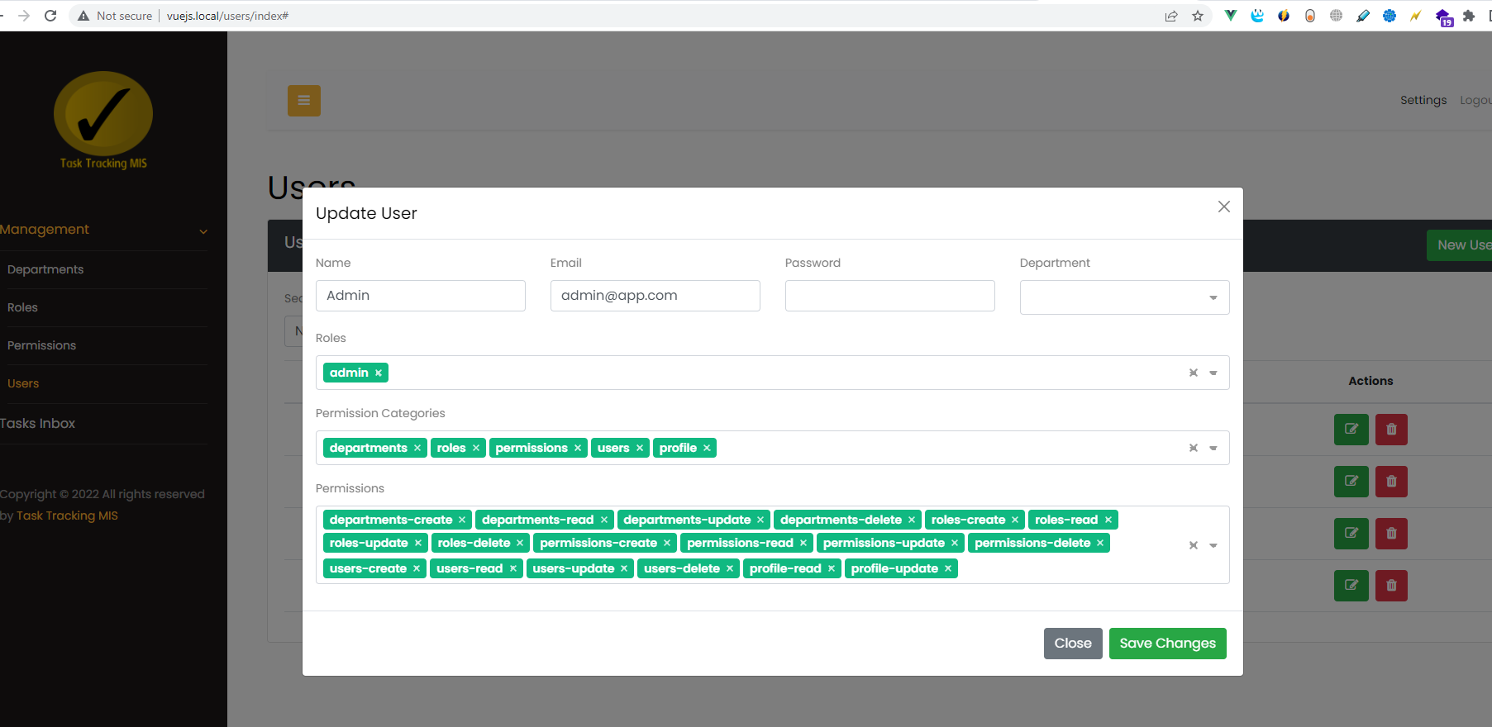

http://vuejs.local/permissions/edit/18

Login
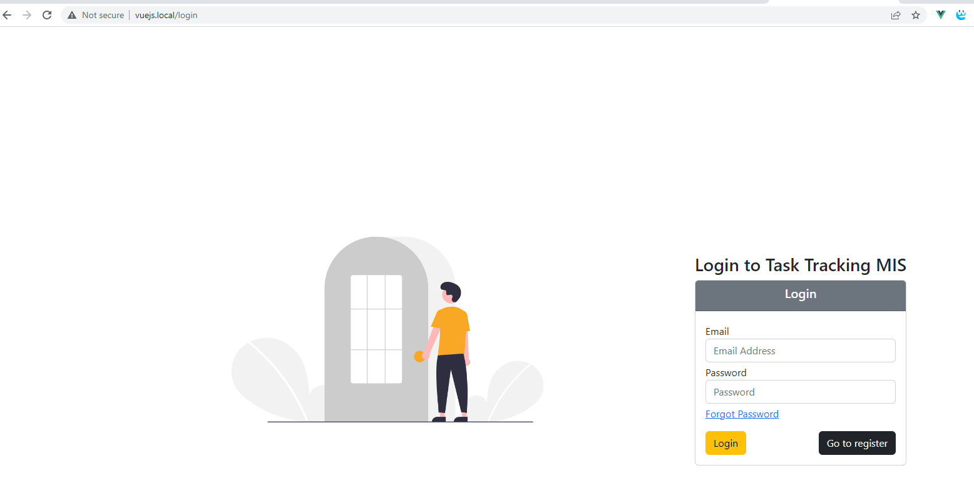

http://vuejs.local/forgot-password

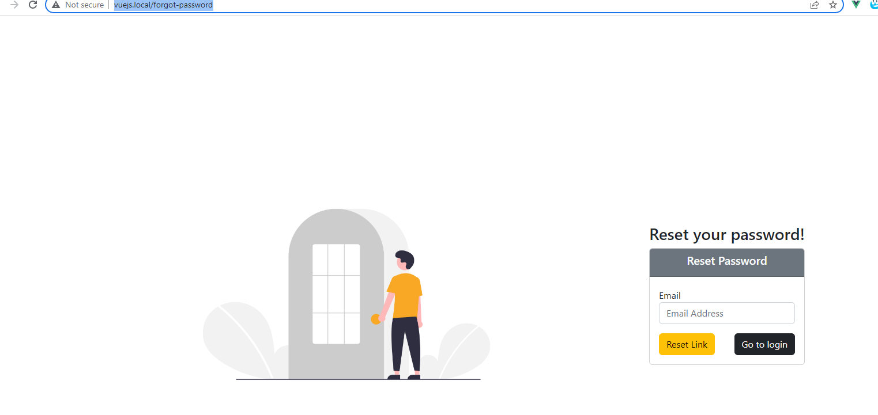

{"message":"We have emailed your password reset link!"}

https://mailtrap.io/inboxes

https://mailtrap.io/inboxes/2193365/messages

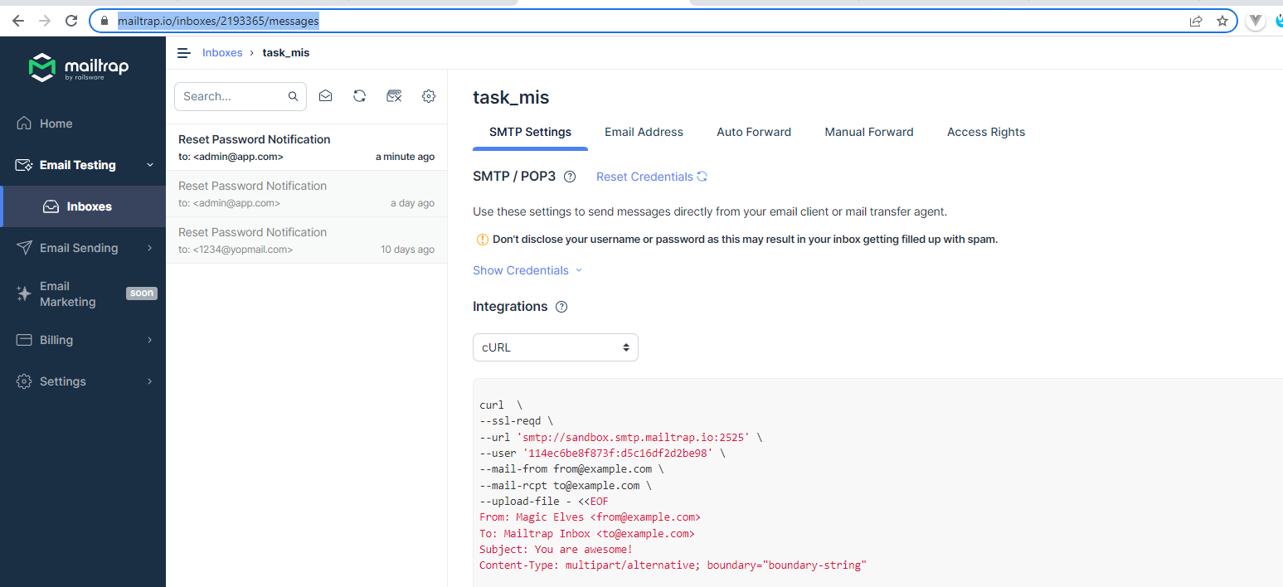

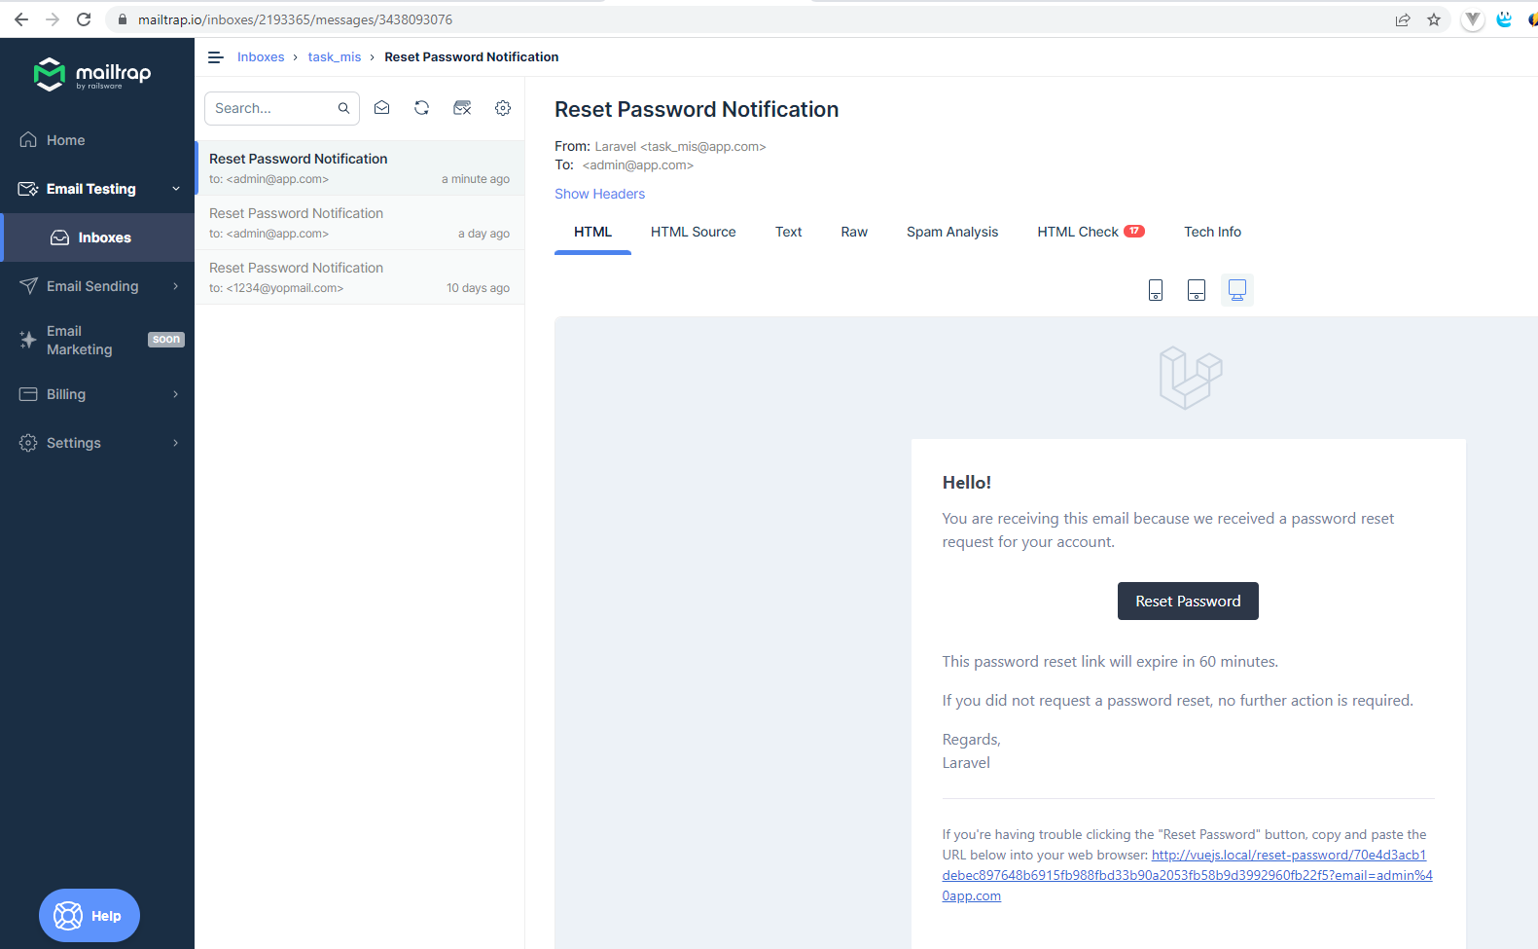

 | https://mailtrap.io/inboxes/2193365/messages/3438093076

Register
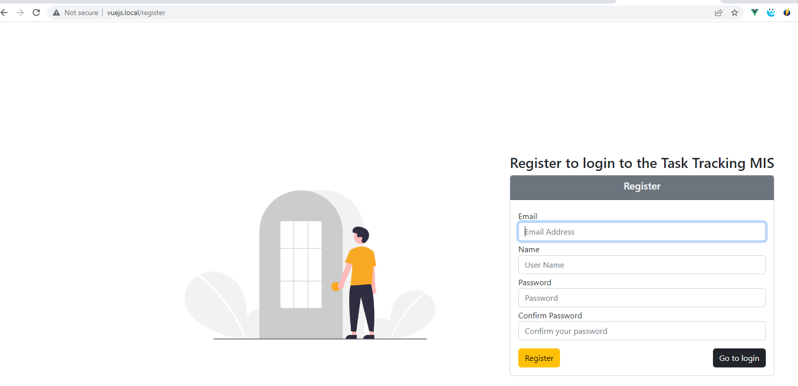

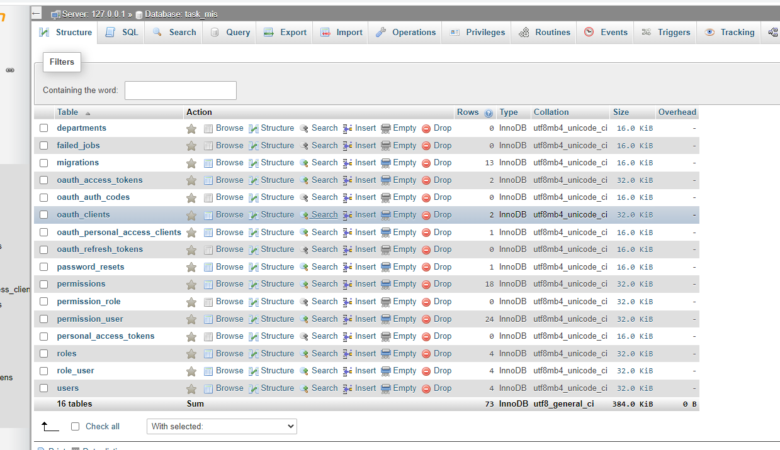

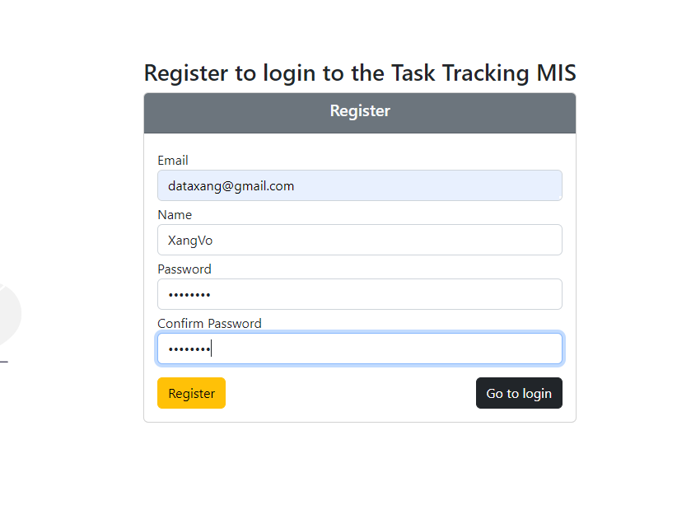

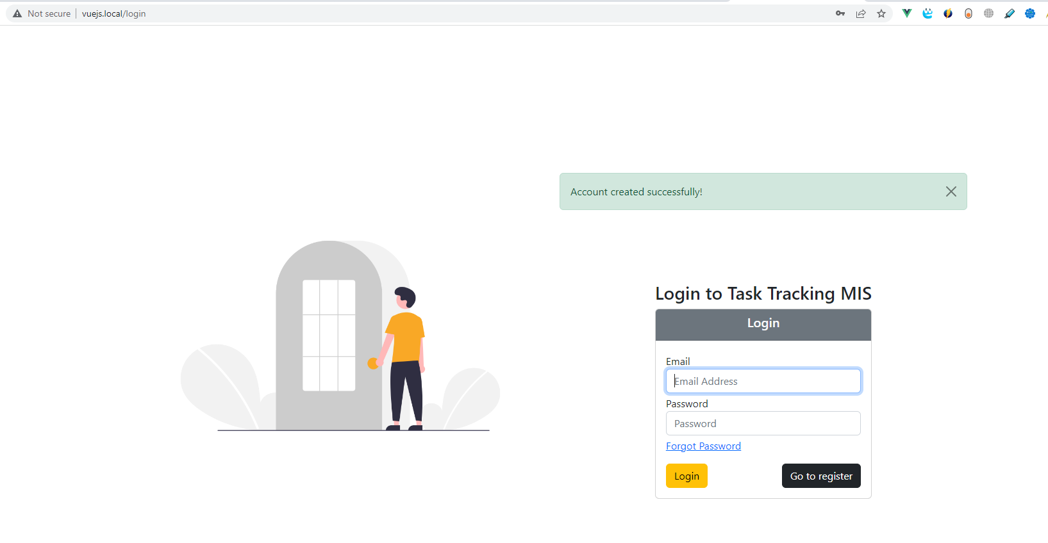

Role
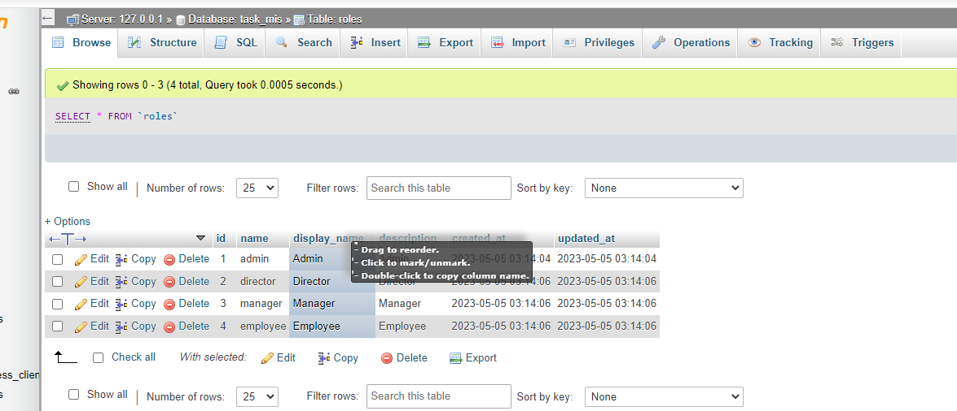

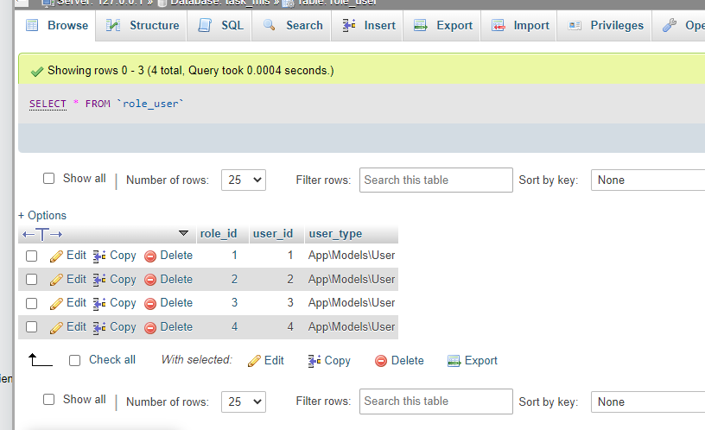

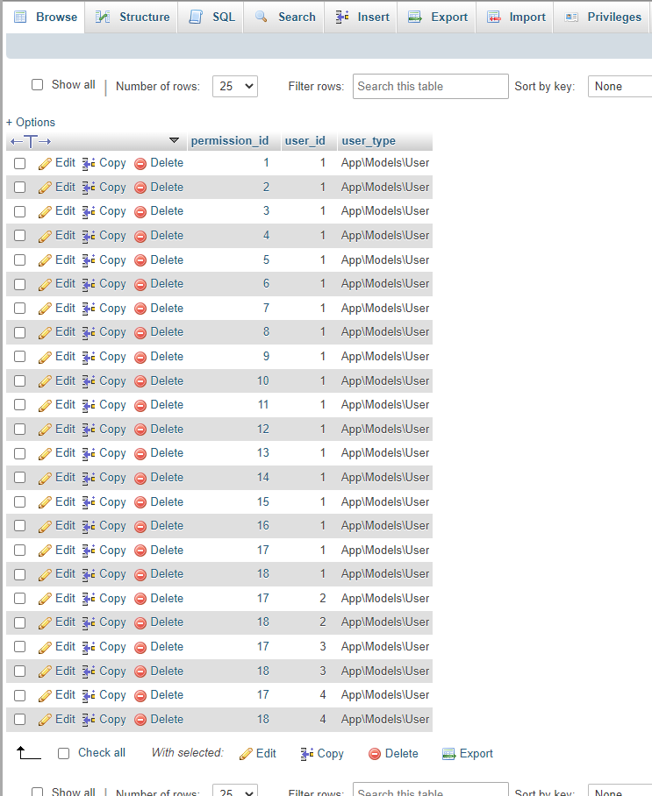

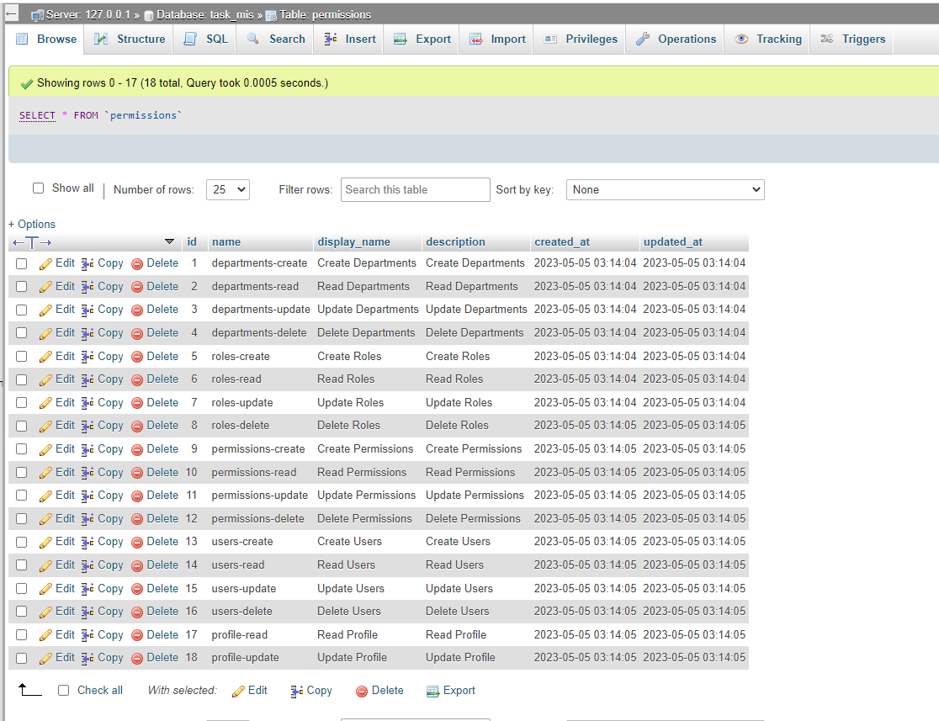

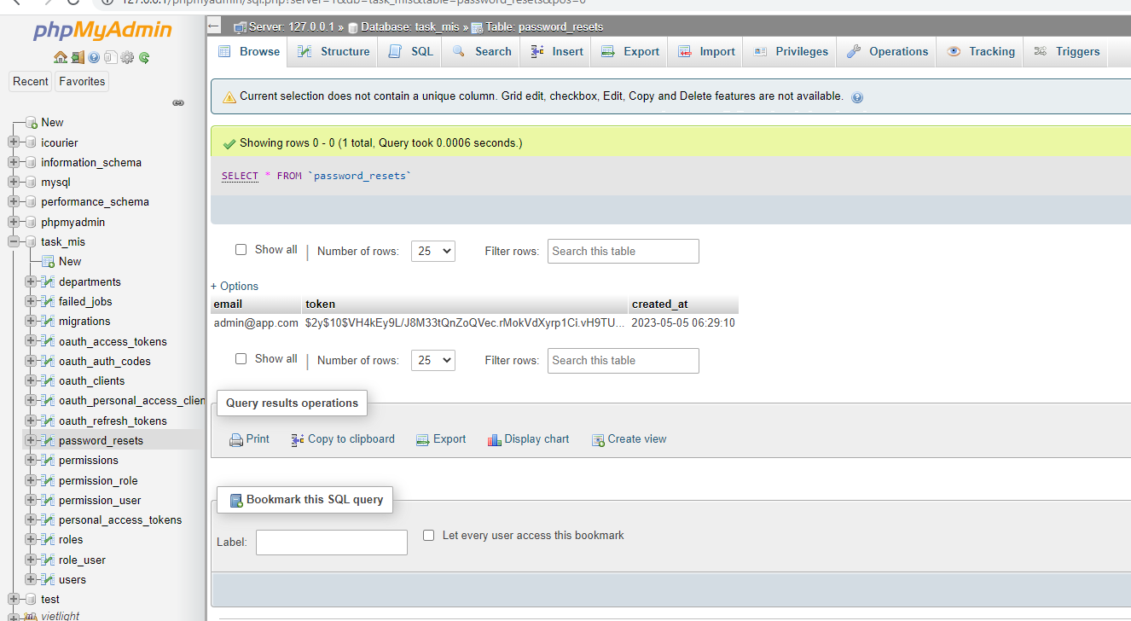

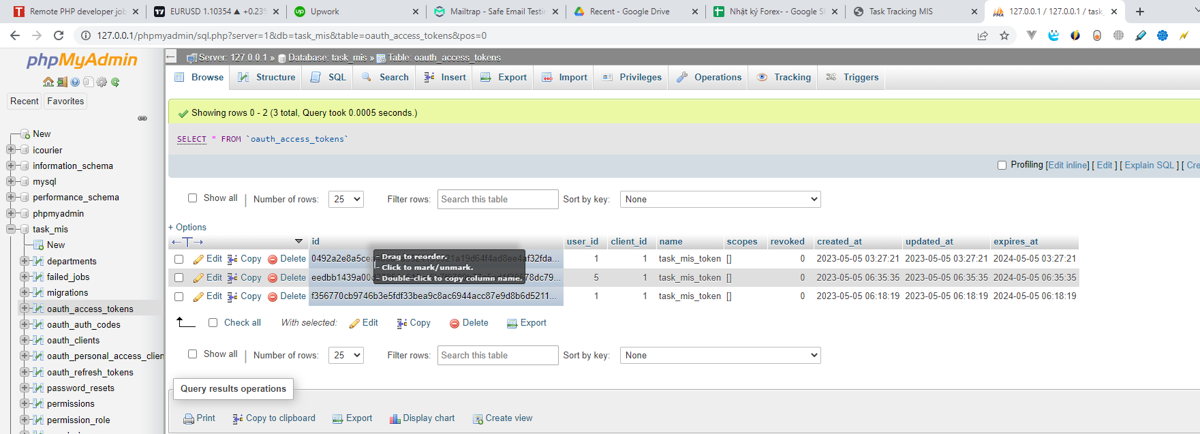

job
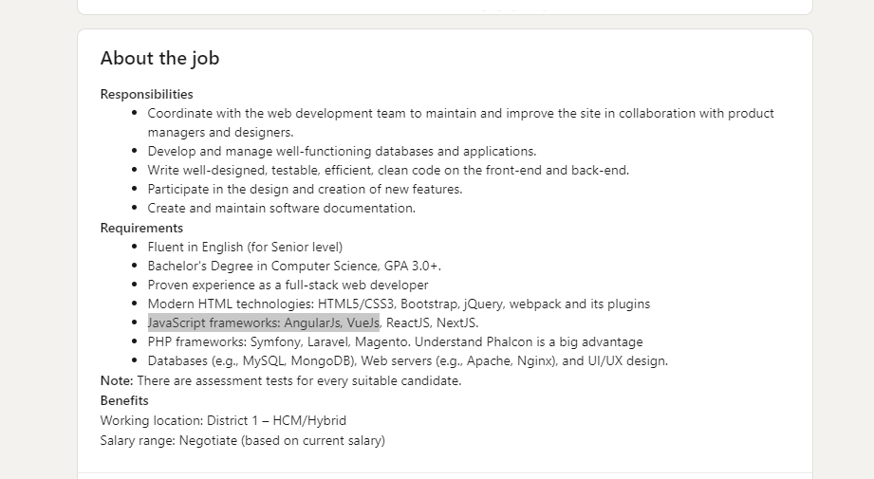
https://www.linkedin.com/jobs/view/3593245640/?trackingId=8FwBkdUG40s4O%2FGpWO4AiQ%3D%3D&refId=933e26bb-1cbf-4ec9-90e3-11fc3a11293e&midToken=AQHx3Y_UFby8Sw&midSig=1R29SdpCne4WM1&trk=eml-email_job_alert_digest_01-job_card-0-jobcard_body&trkEmail=eml-email_job_alert_digest_01-job_card-0-jobcard_body-null-1lmdlq~lha6q00q~eo-null-null&eid=1lmdlq-lha6q00q-eo

