Sheet1
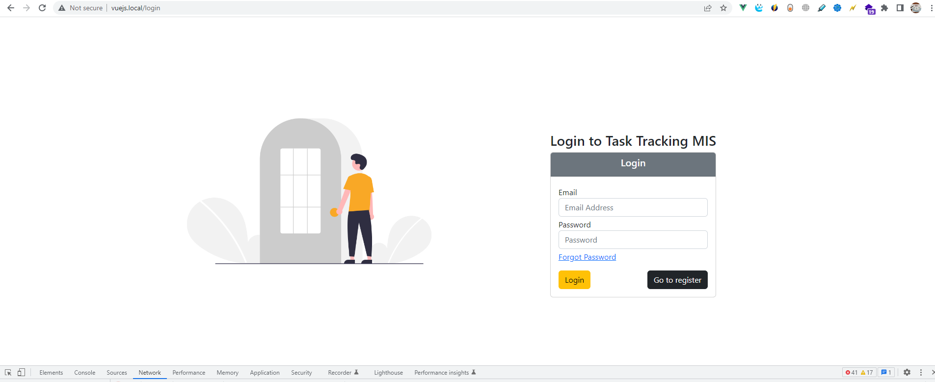

admin@app.com
password

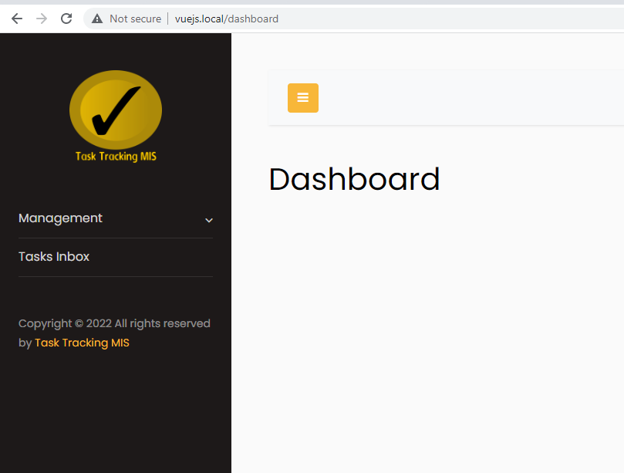

http://vuejs.local/departments/index

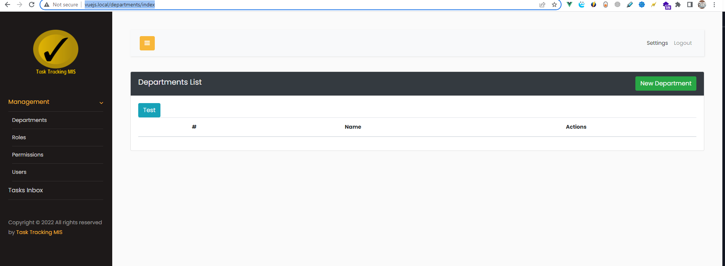

http://vuejs.local/roles/index

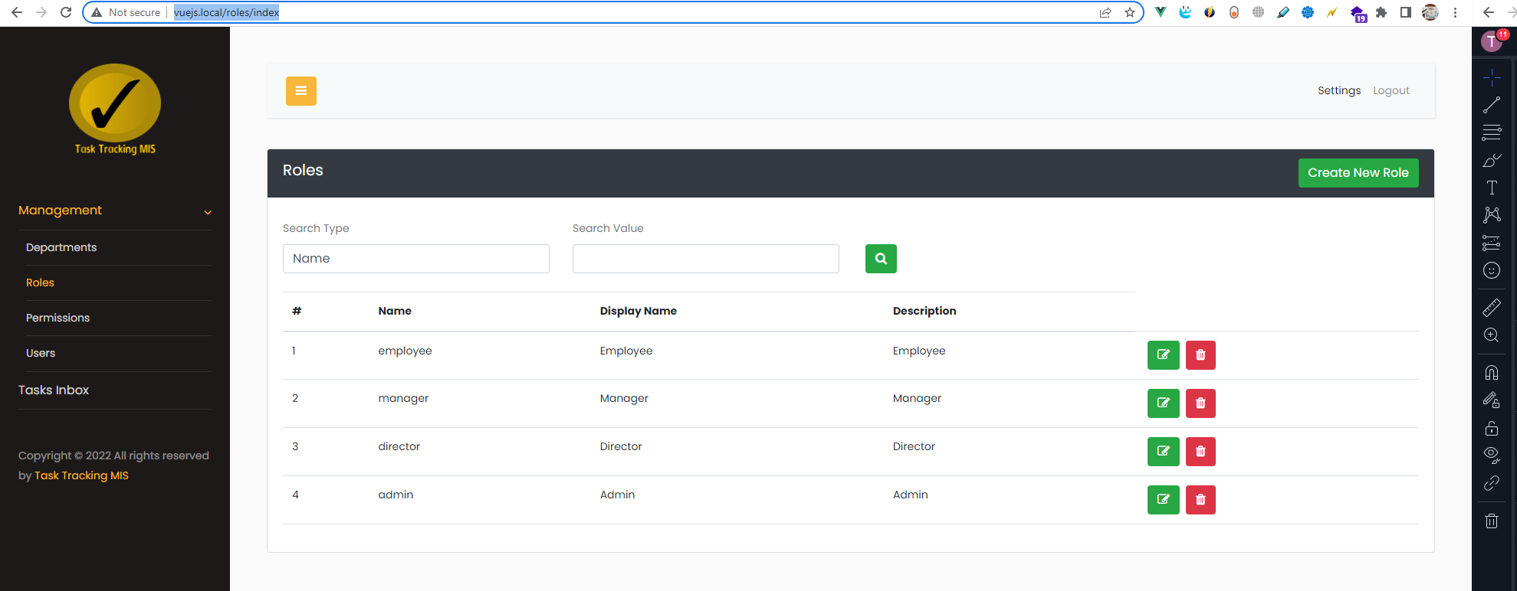

http://vuejs.local/permissions/index

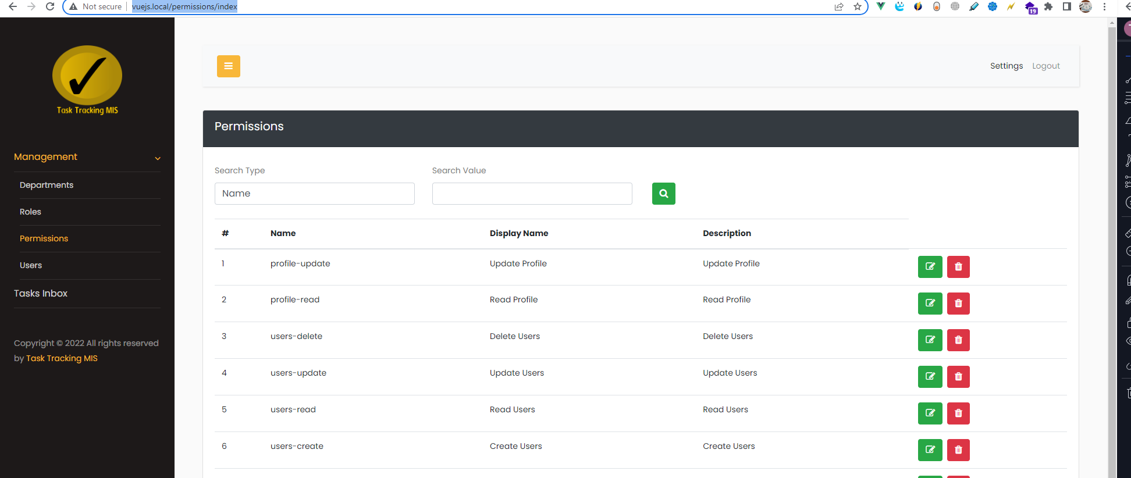

http://vuejs.local/users/index

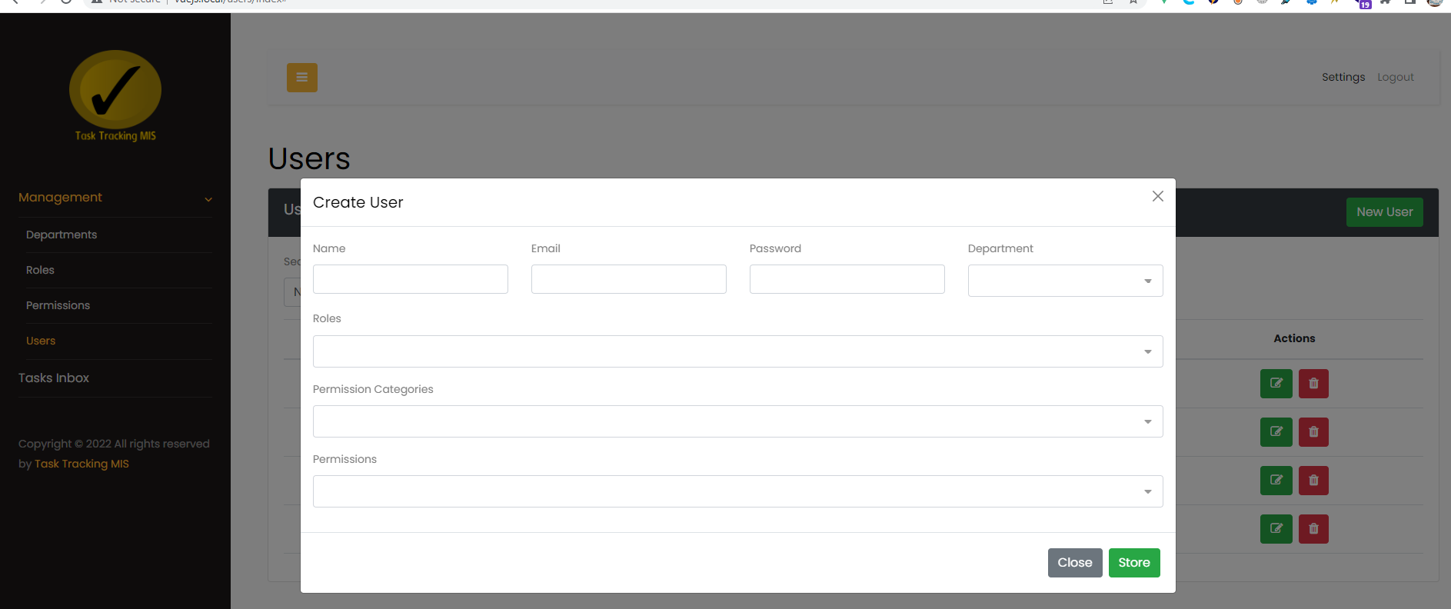

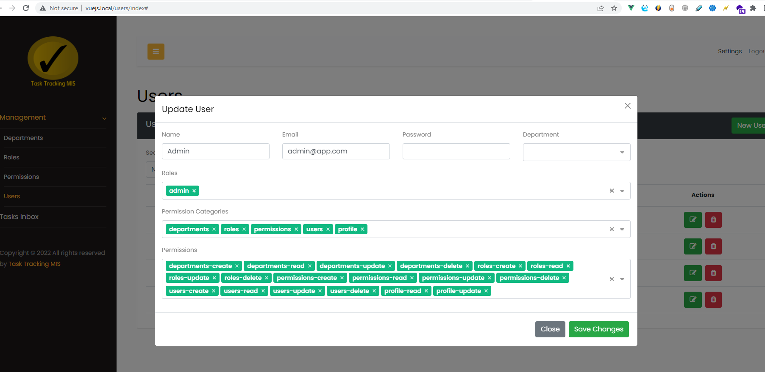

http://vuejs.local/permissions/edit/18

Login
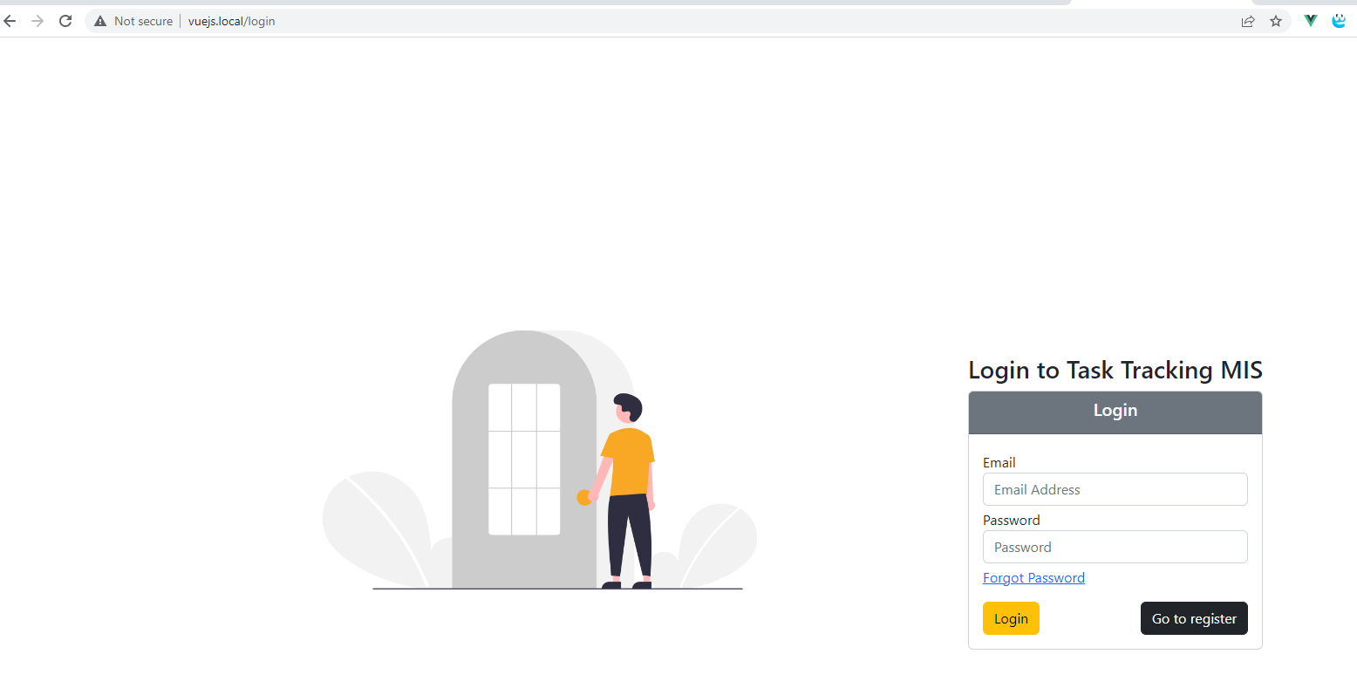

http://vuejs.local/forgot-password

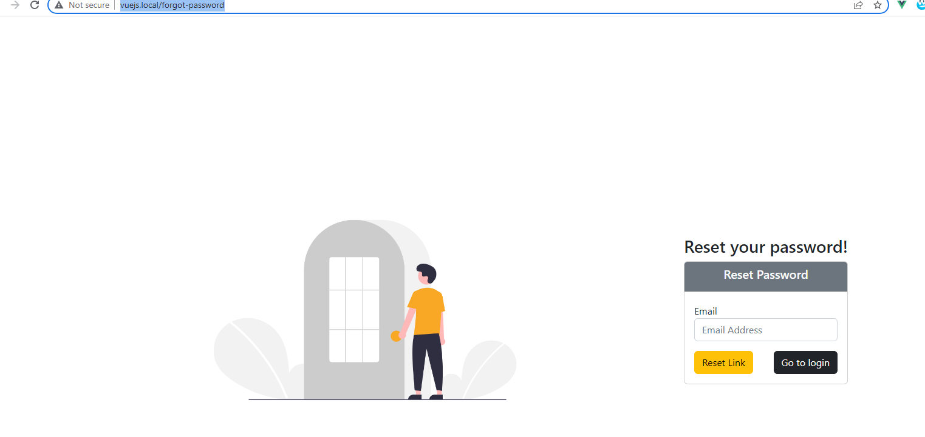

{"message":"We have emailed your password reset link!"}

https://mailtrap.io/inboxes

https://mailtrap.io/inboxes/2193365/messages

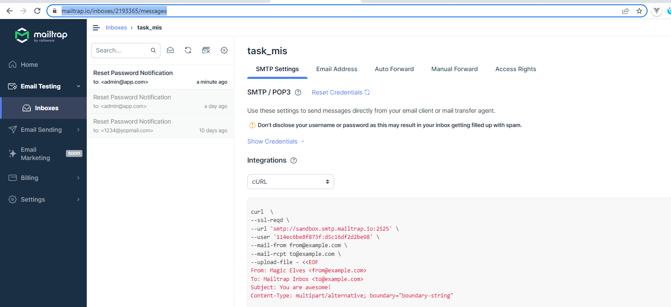

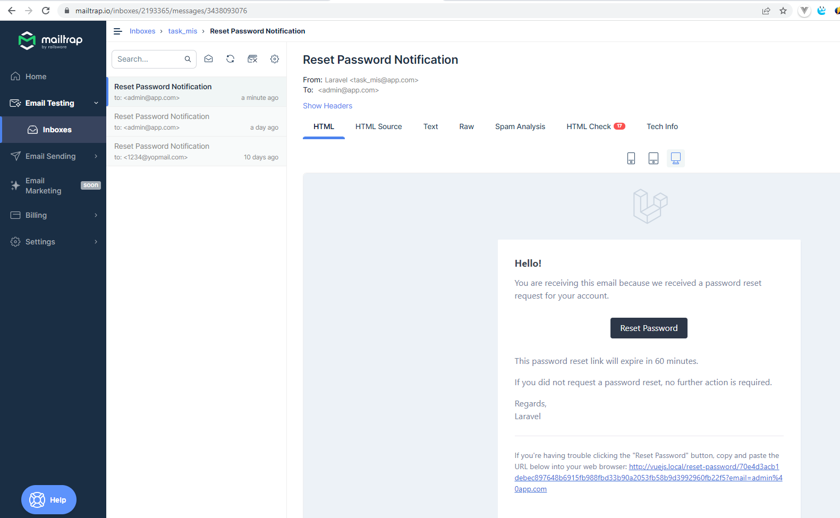

 | https://mailtrap.io/inboxes/2193365/messages/3438093076

Register
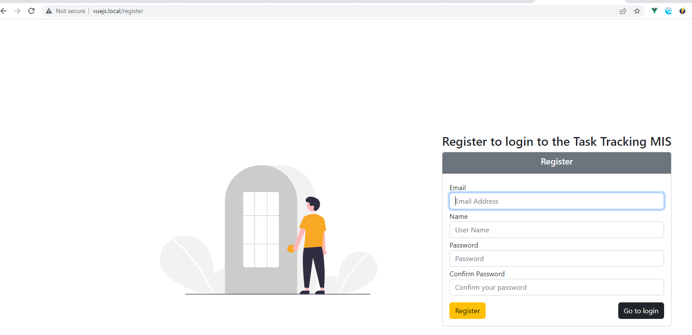

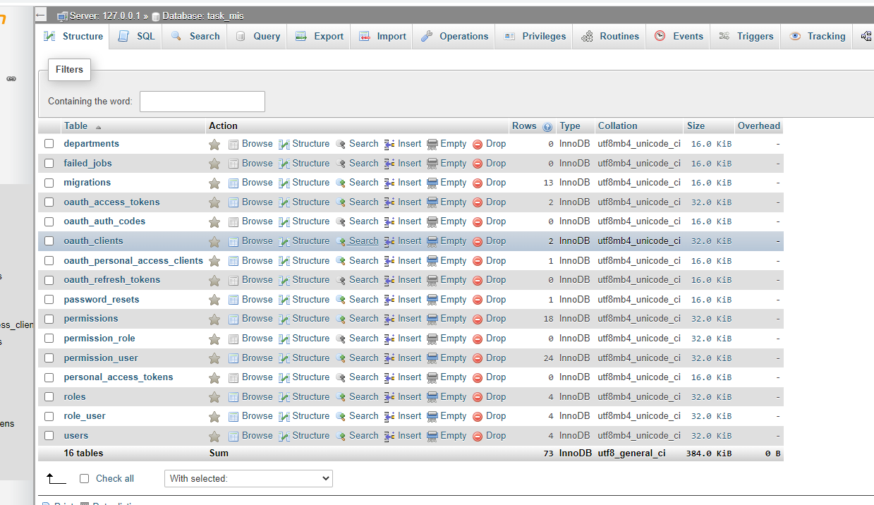

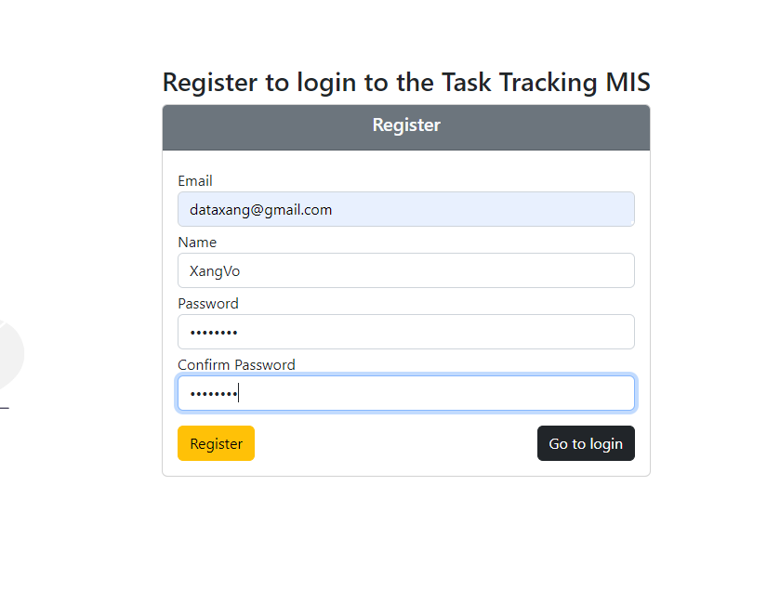

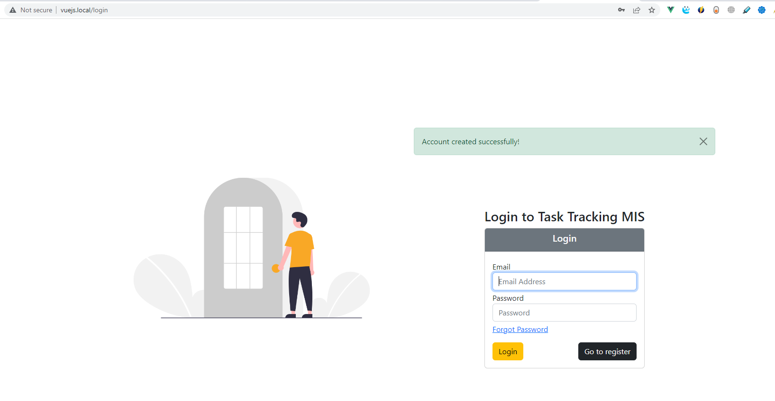

Role
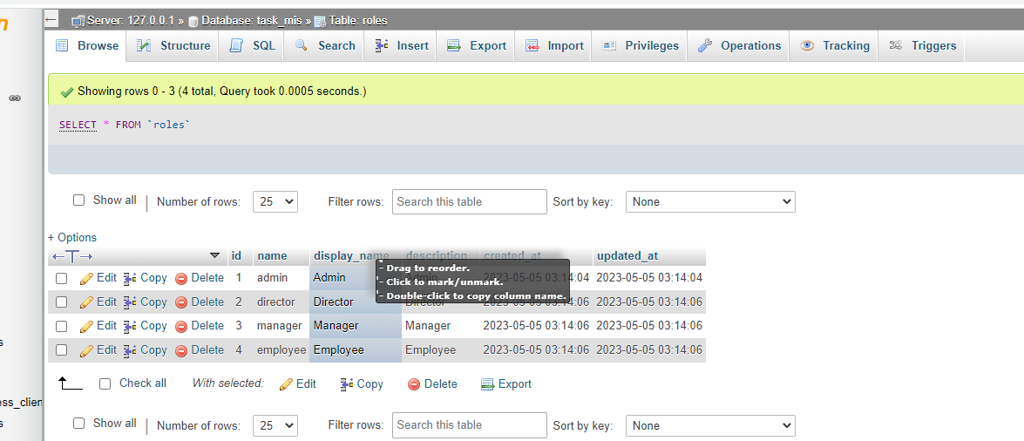

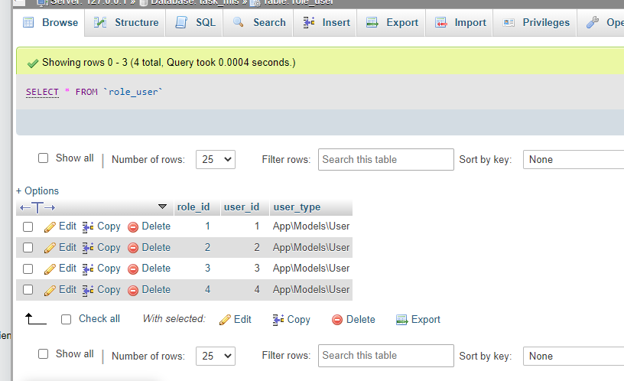

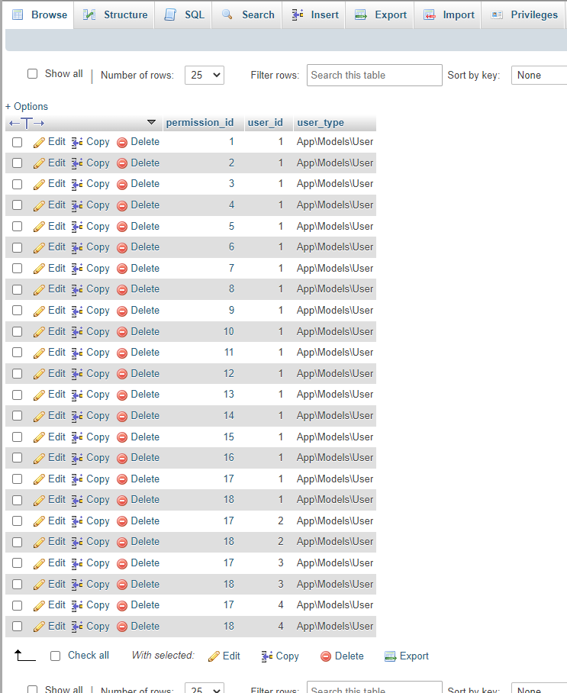

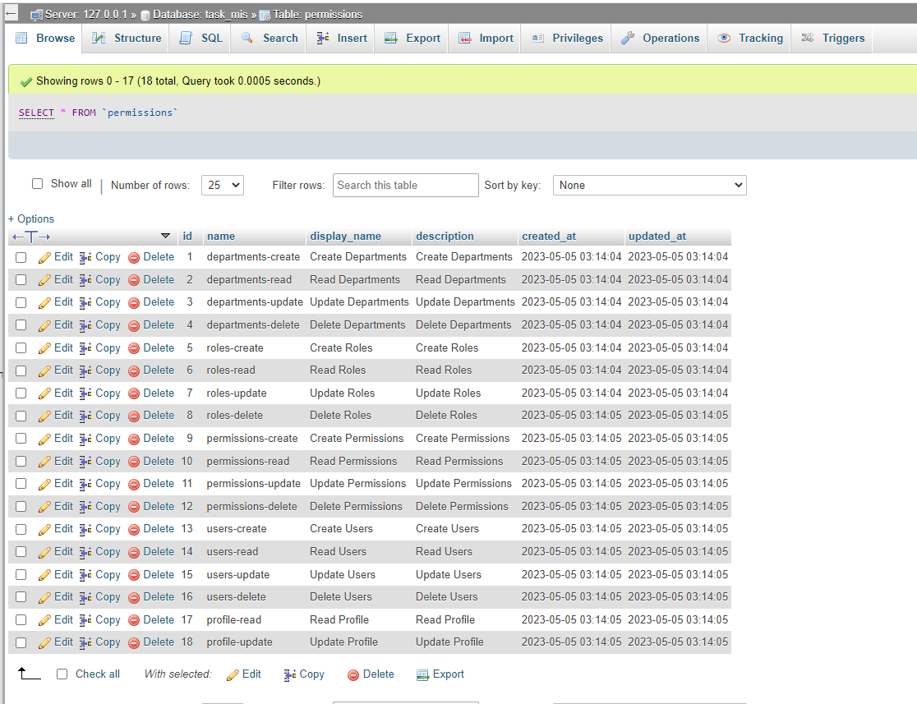

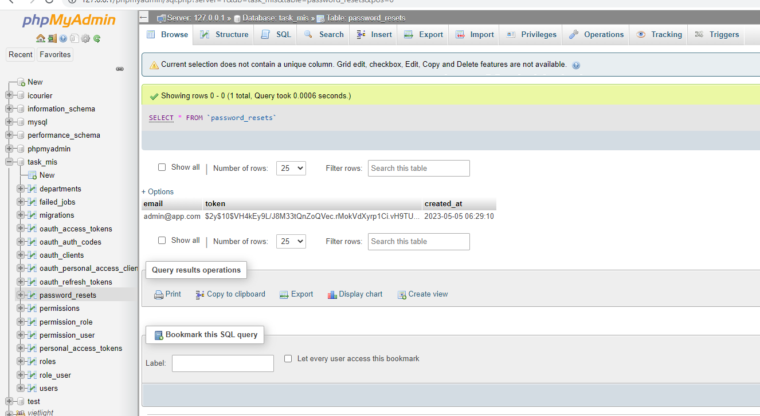

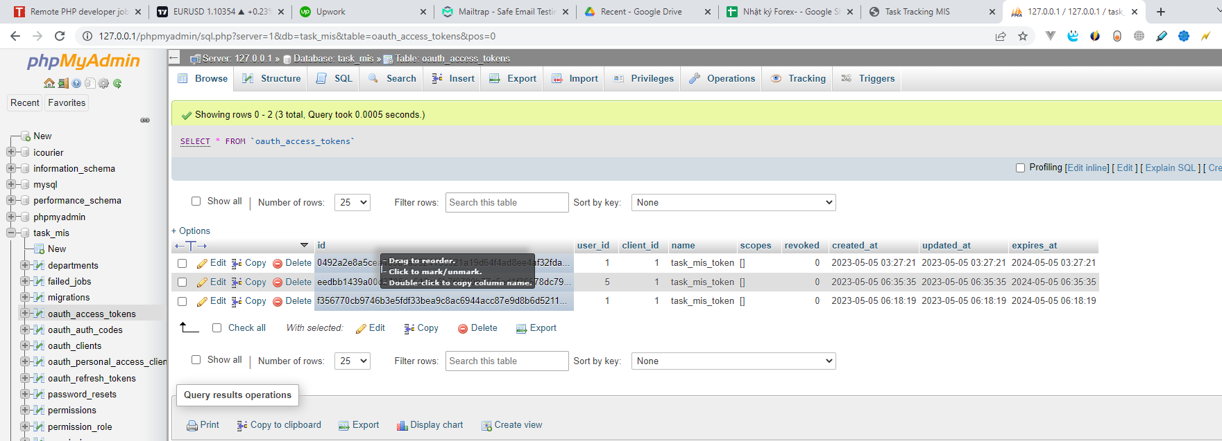

job
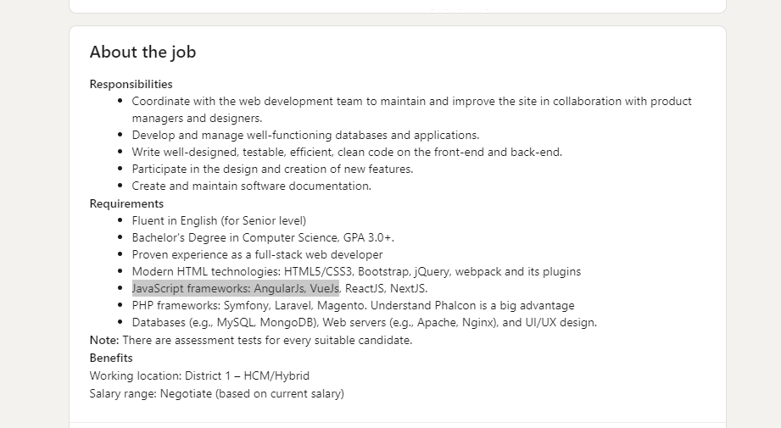
https://www.linkedin.com/jobs/view/3593245640/?trackingId=8FwBkdUG40s4O%2FGpWO4AiQ%3D%3D&refId=933e26bb-1cbf-4ec9-90e3-11fc3a11293e&midToken=AQHx3Y_UFby8Sw&midSig=1R29SdpCne4WM1&trk=eml-email_job_alert_digest_01-job_card-0-jobcard_body&trkEmail=eml-email_job_alert_digest_01-job_card-0-jobcard_body-null-1lmdlq~lha6q00q~eo-null-null&eid=1lmdlq-lha6q00q-eo

Tổng hợp giao diện
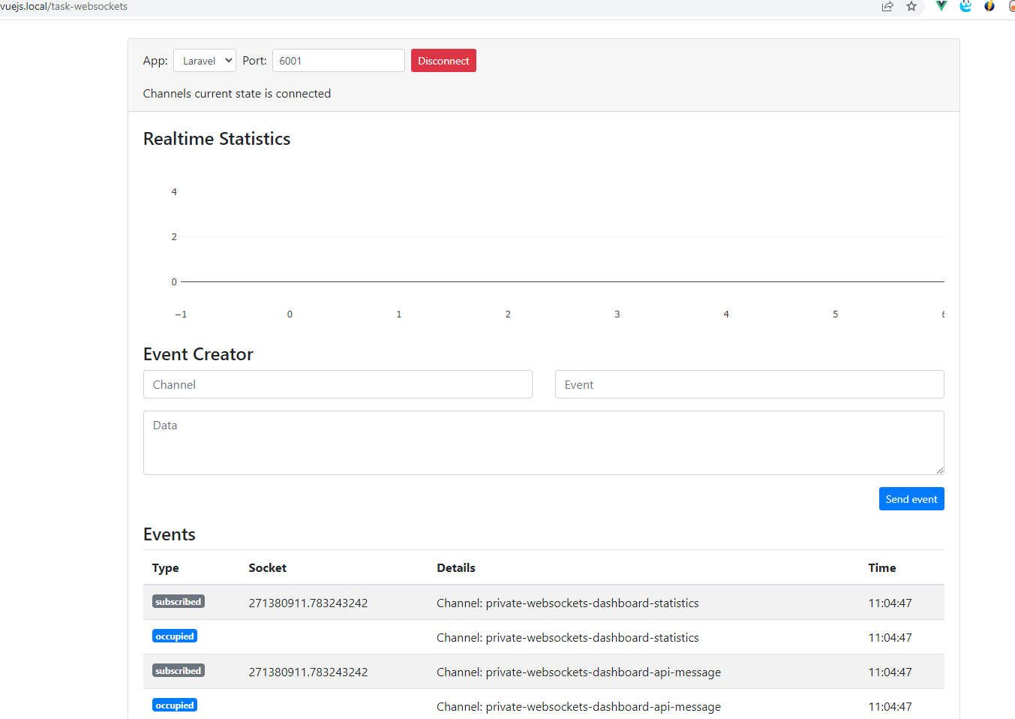
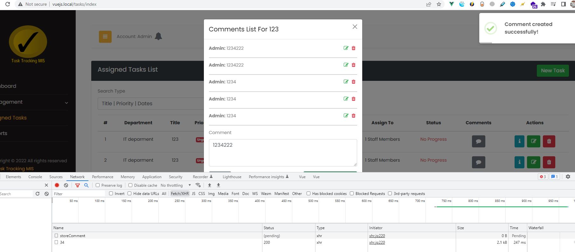
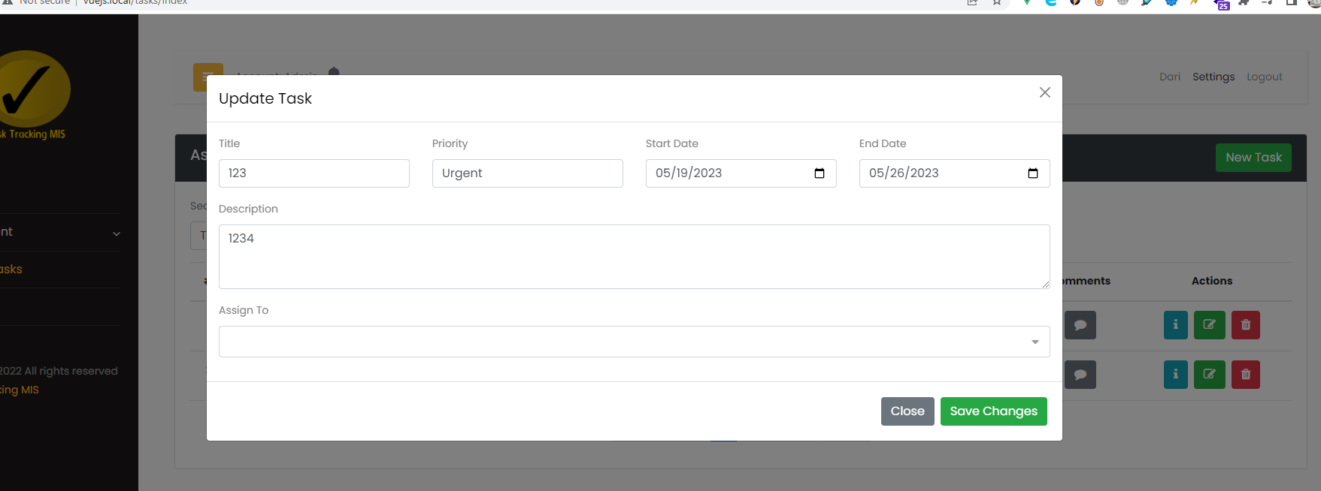
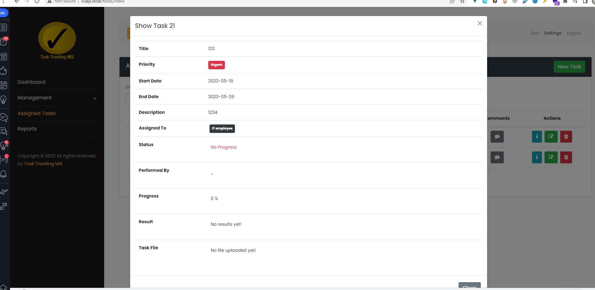
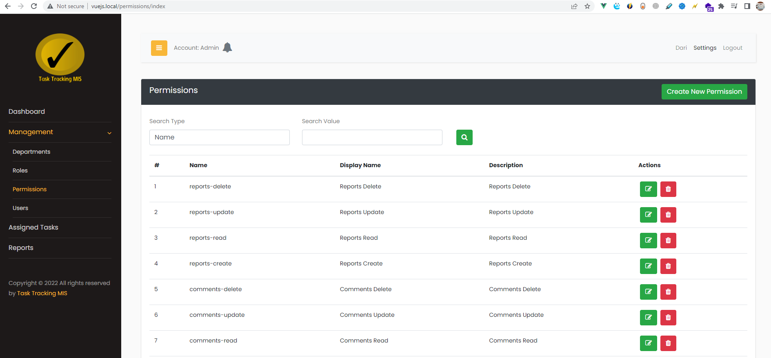
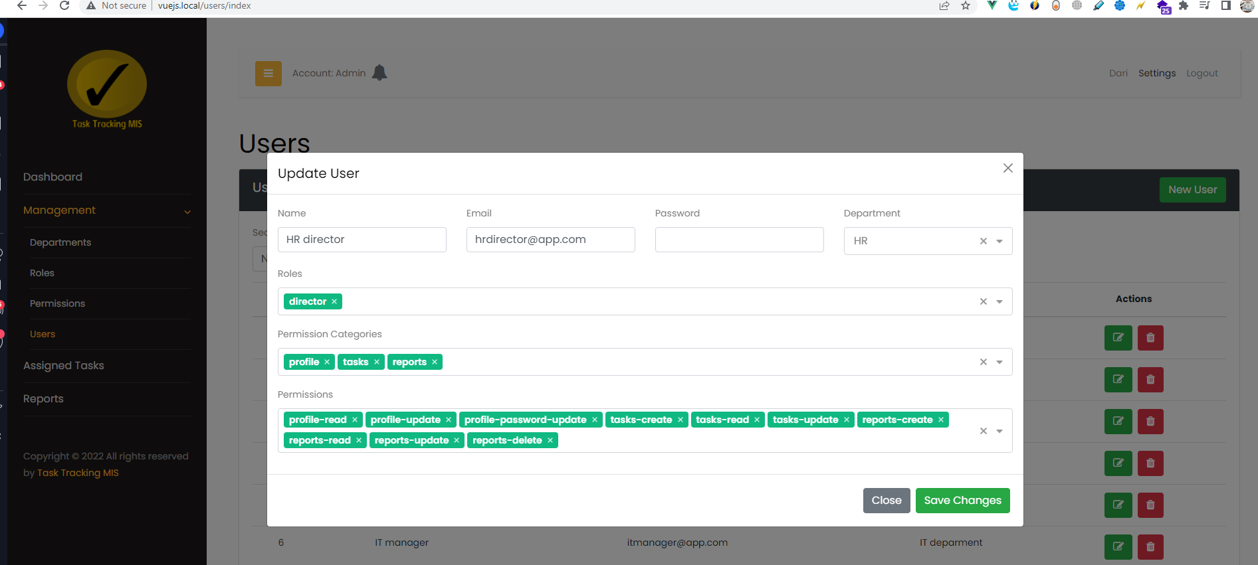
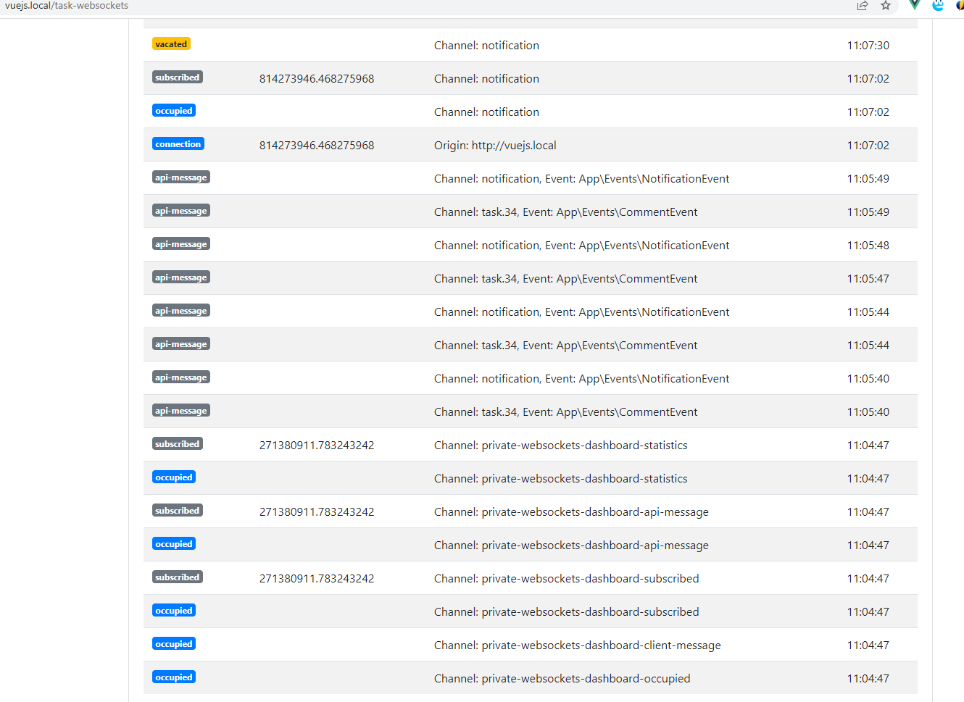
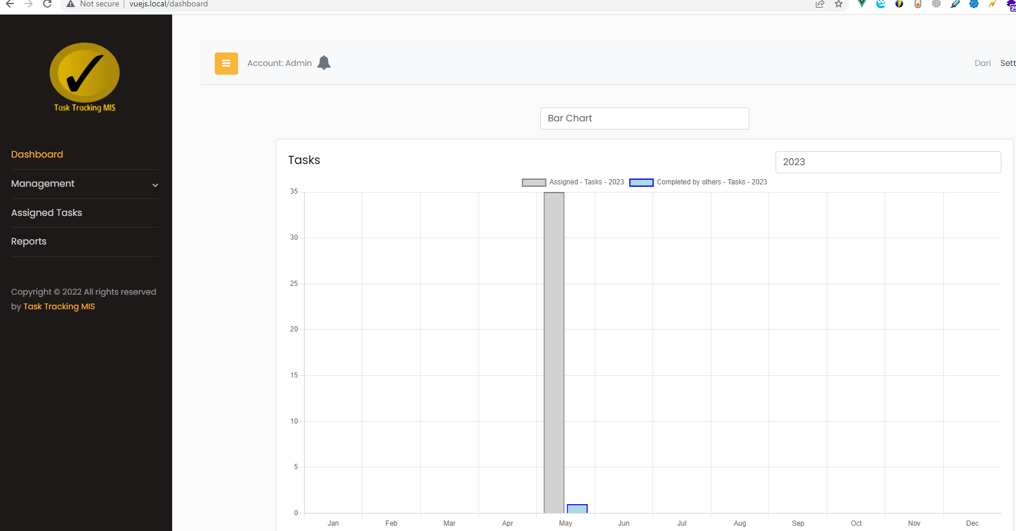
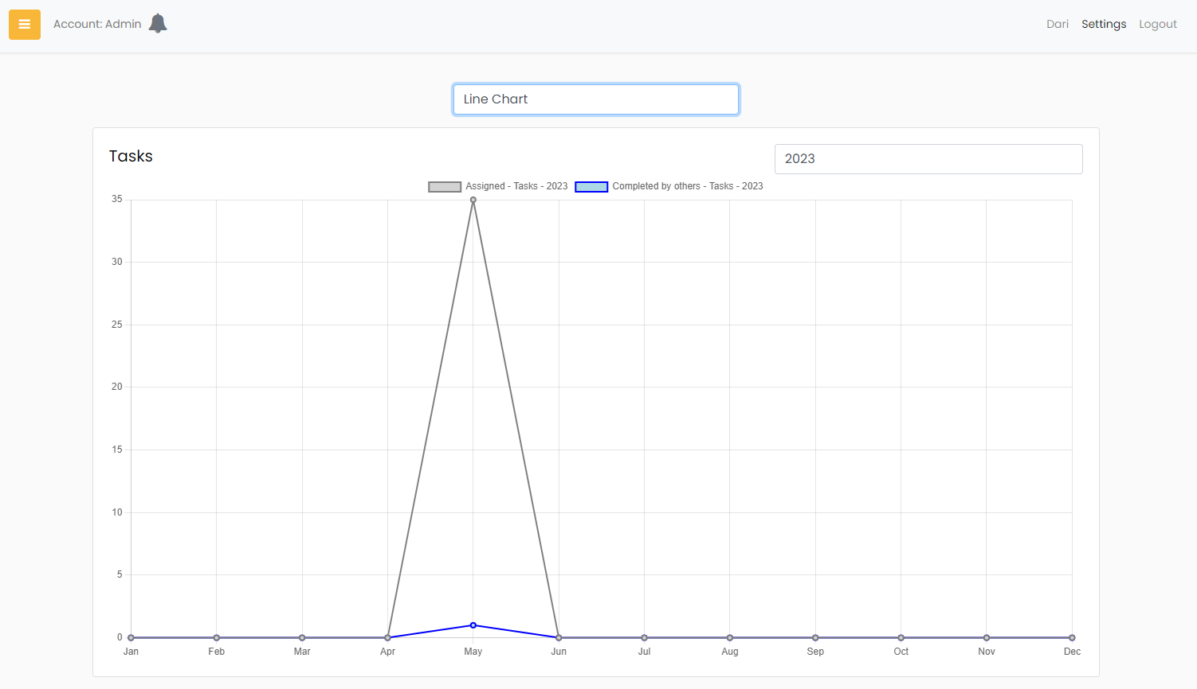
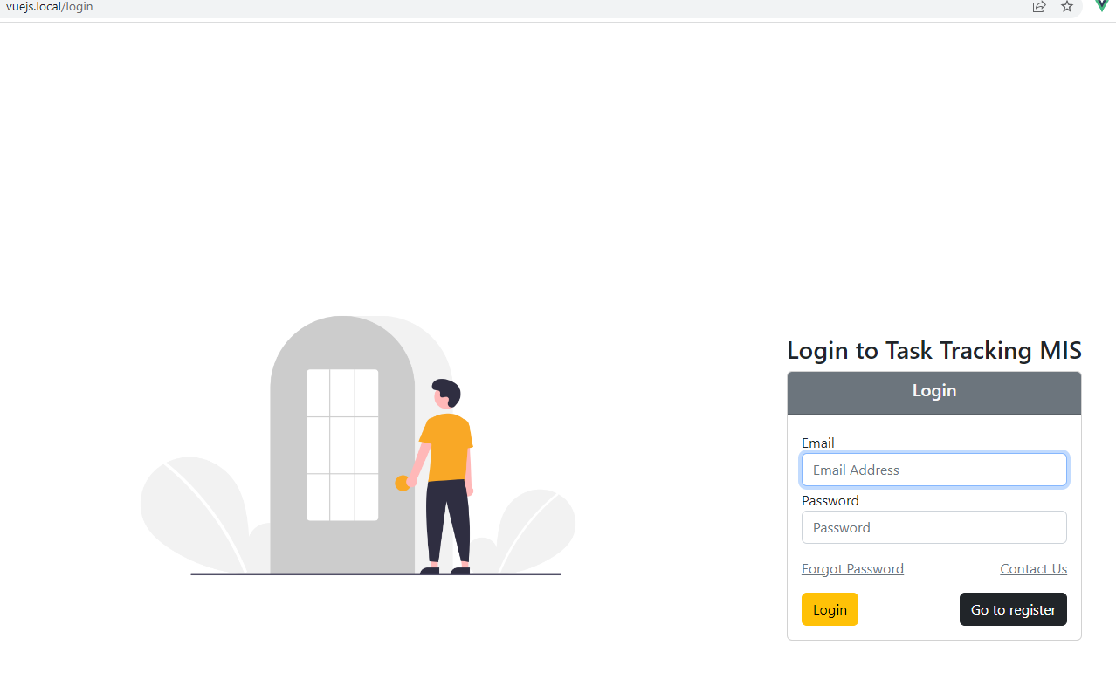
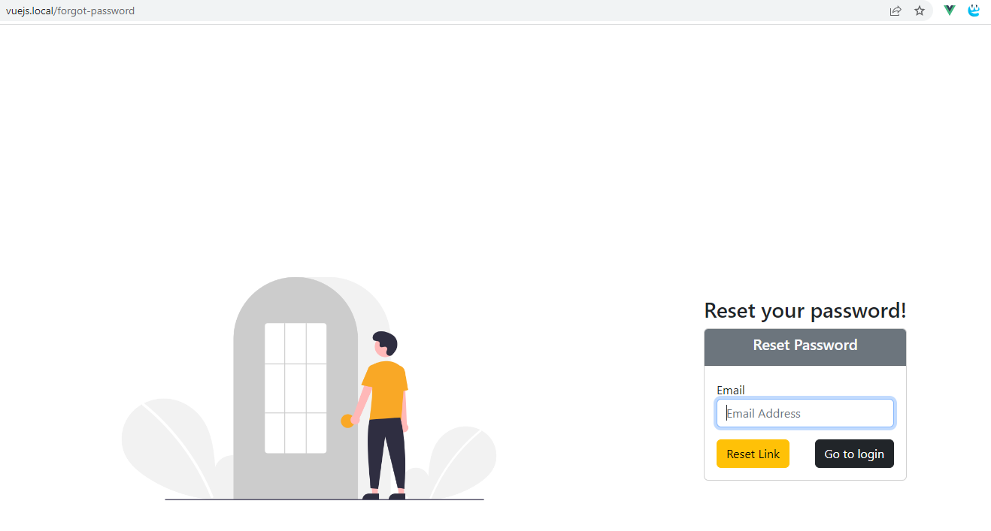
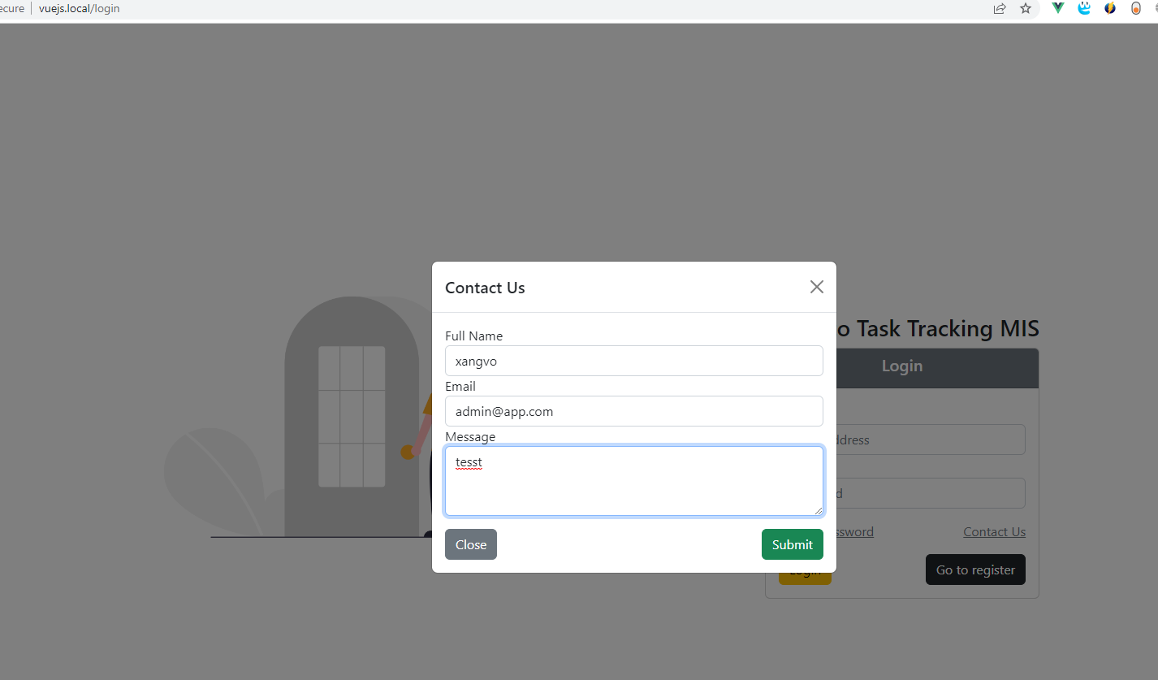
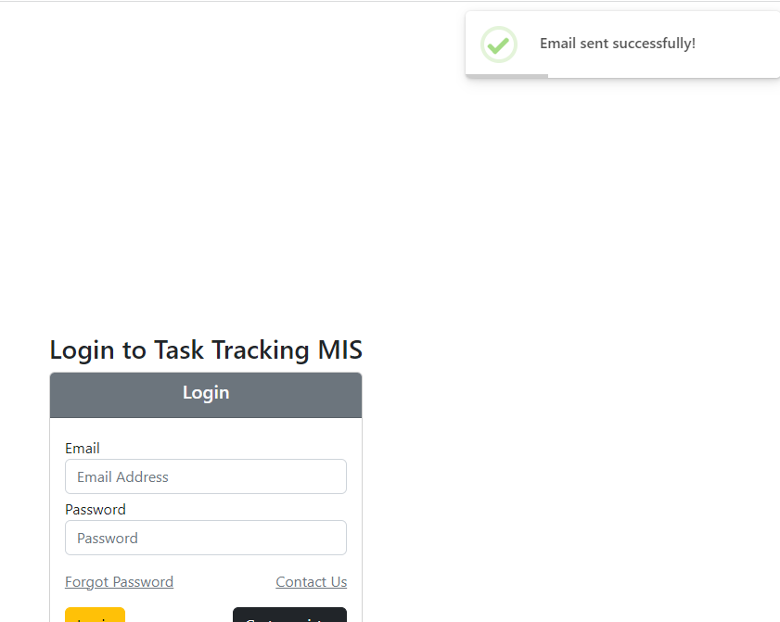
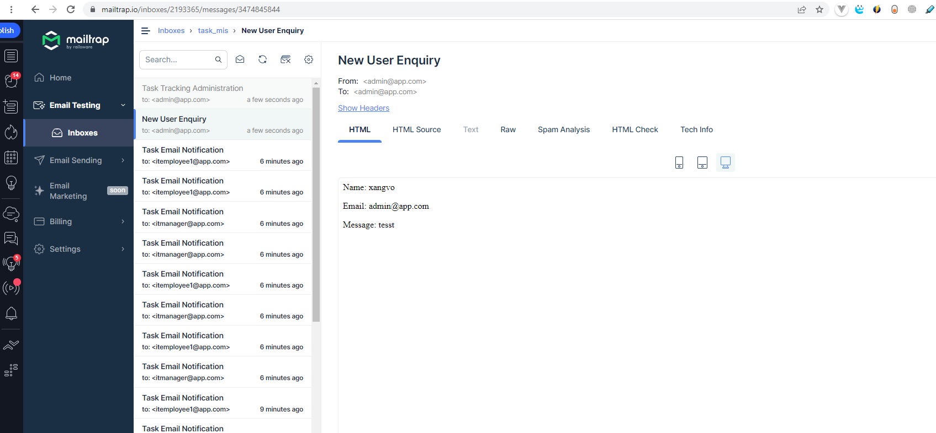
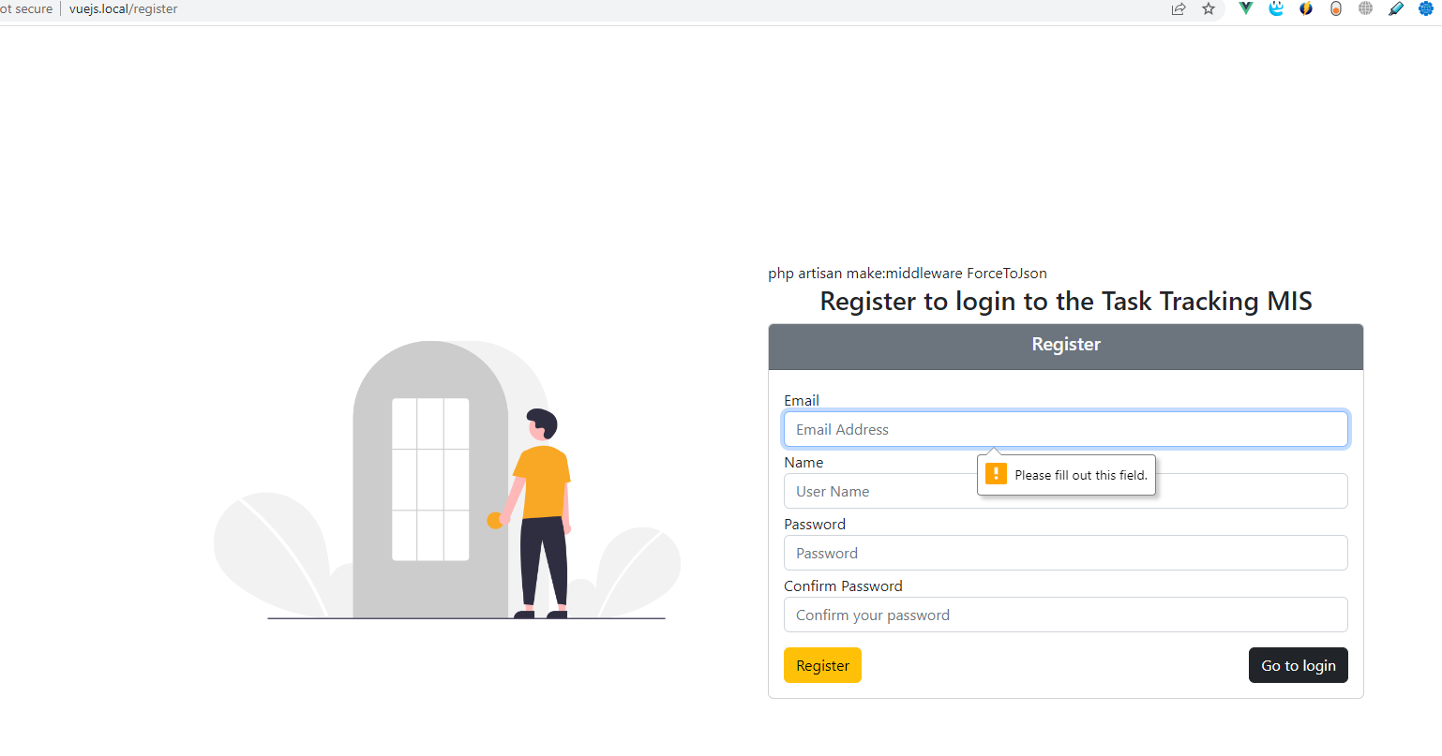
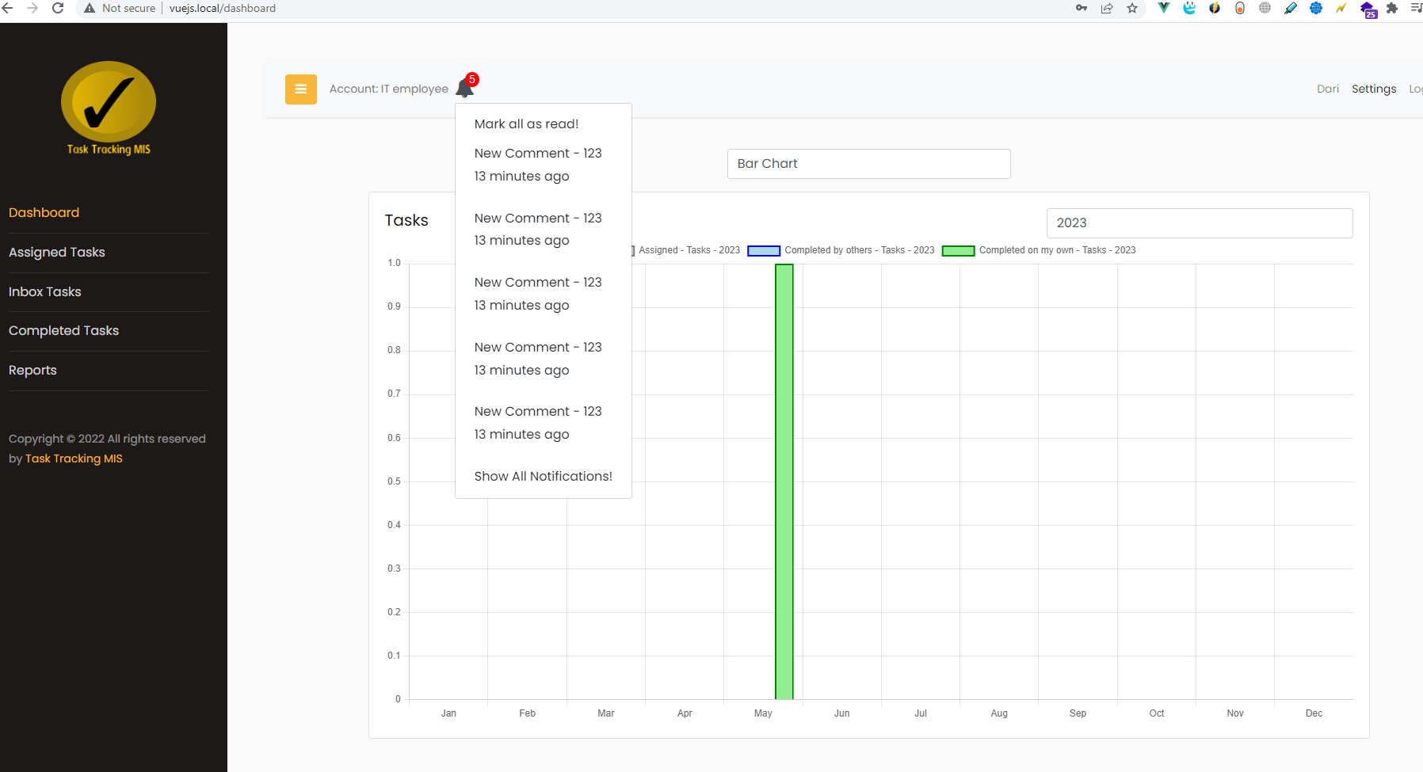
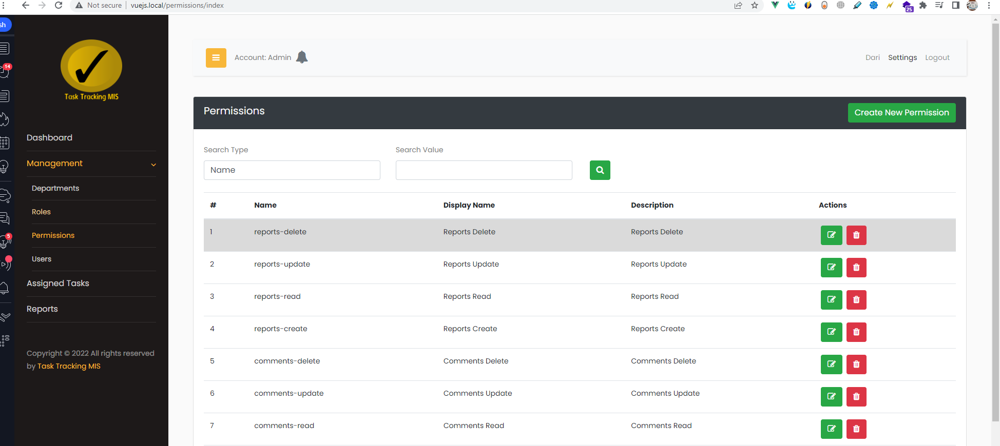

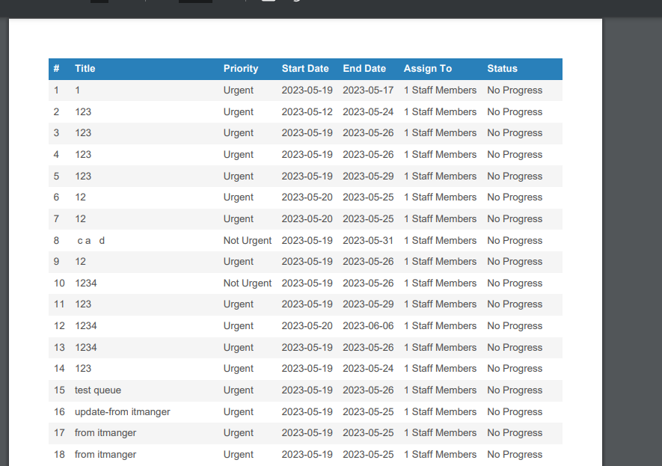

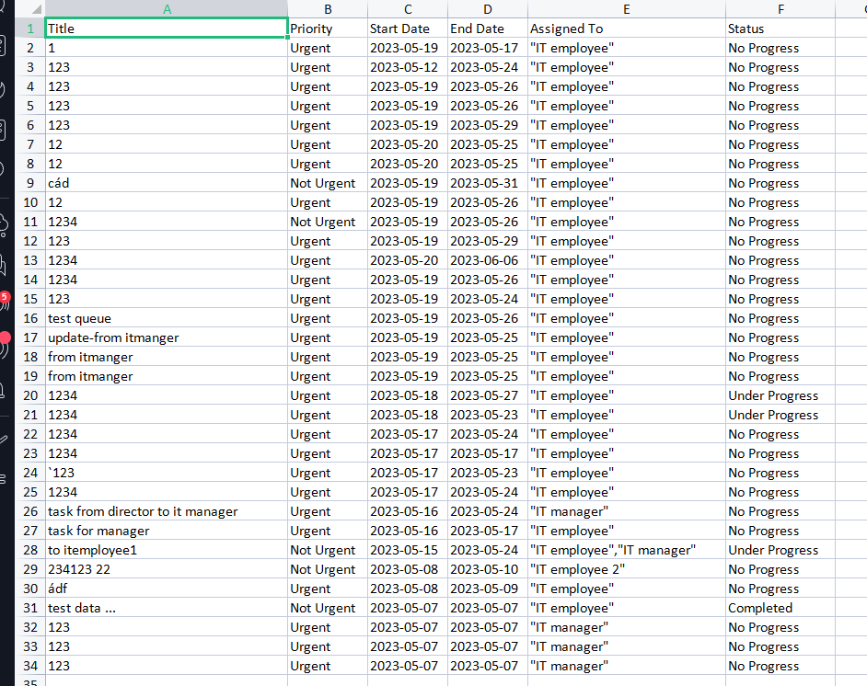

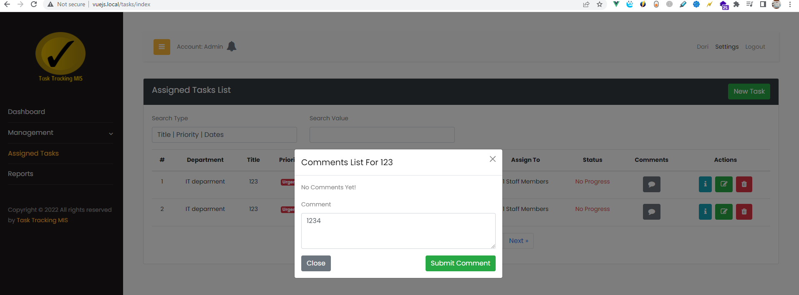

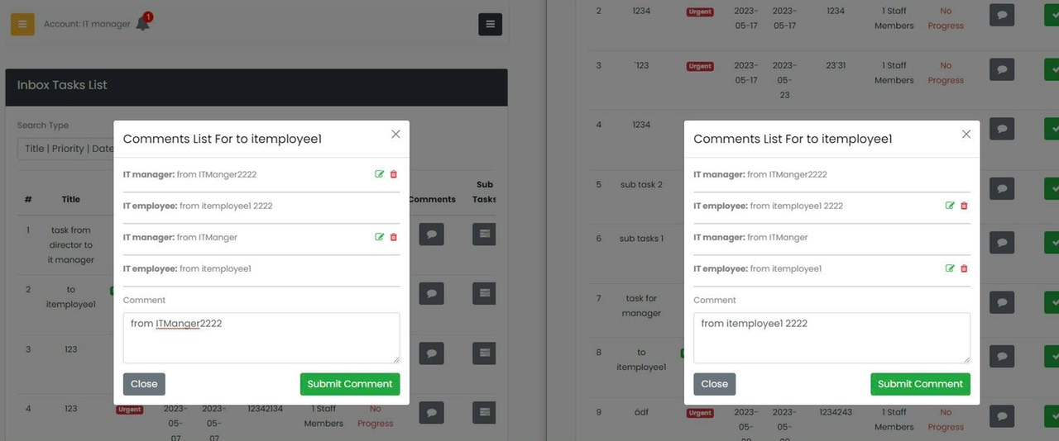

có sử dụng socket
http://vuejs.local/task-websockets

 | 1 php artisan websockets:serve
 | 2 clear
 | 3 php artisan migrate:refresh
 | 4 php .\artisan db:seed
 | 5 php .\artisan db:seed
 | 6 php artisan migrate:refresh
 | 7 php .\artisan db:seed
 | 8 php .\artisan passport:install --force
 | 9 php .\artisan passport:key --force
 | 10 php artisan make:middleware Localization
 | 11 php artisan config:cache
 | 12 yarn add vue-i18n@9

