Network
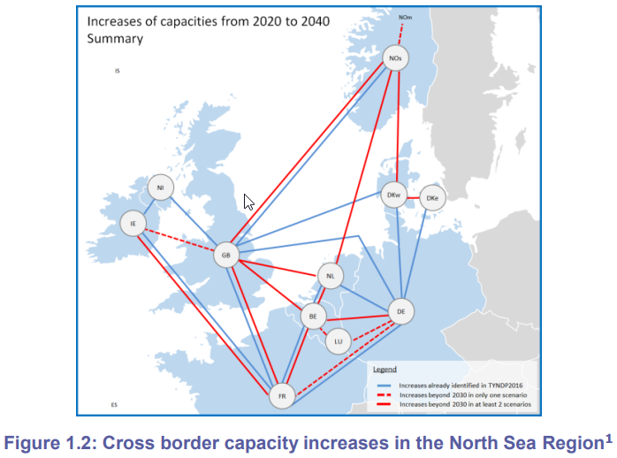
* Network Information

 |  |  |  |  |  | InService | PrintPF | R | X | Pmax
* | From bus i |  | To bus j |  | Circuit ID | [0 - 1] | [0 - 1] | [p.u.] | [p.u.] | [MW]
 | BE | . | NL | . | c1 | 1 | 1 | 0.0010 | 0.1000 | 4400
 | DE | . | NL | . | c1 | 1 | 1 | 0.0010 | 0.1000 | 5000
 | DKw | . | NL | . | c1 | 1 | 1 | 0.0010 | 0.1000 | 700
 | GB | . | NL | . | c1 | 1 | 1 | 0.0010 | 0.1000 | 1000
 | NL | . | NOs | . | c1 | 1 | 1 | 0.0010 | 0.1000 | 1700

