Customer Segmentation analysis
Product Overview
Customers have different needs and behaviours. By grouping together those that are similar, you can adapt your approach to suit those differences. You can do this by targeting the customers who provide maximum value, encouraging new habits in those who cost you and tailoring your service to the different ways people use it. This algorithm will take a list of your customers, and returns an overview of optimally defined segments, as well as a model object that can be used to classify new customers live or by batch.

Customer Base
Skincare, haircare, and beauty product manufacturers
Car companies
Clothing and apparel suppliers
Banks and other financial institutions
Television networks and media outlets

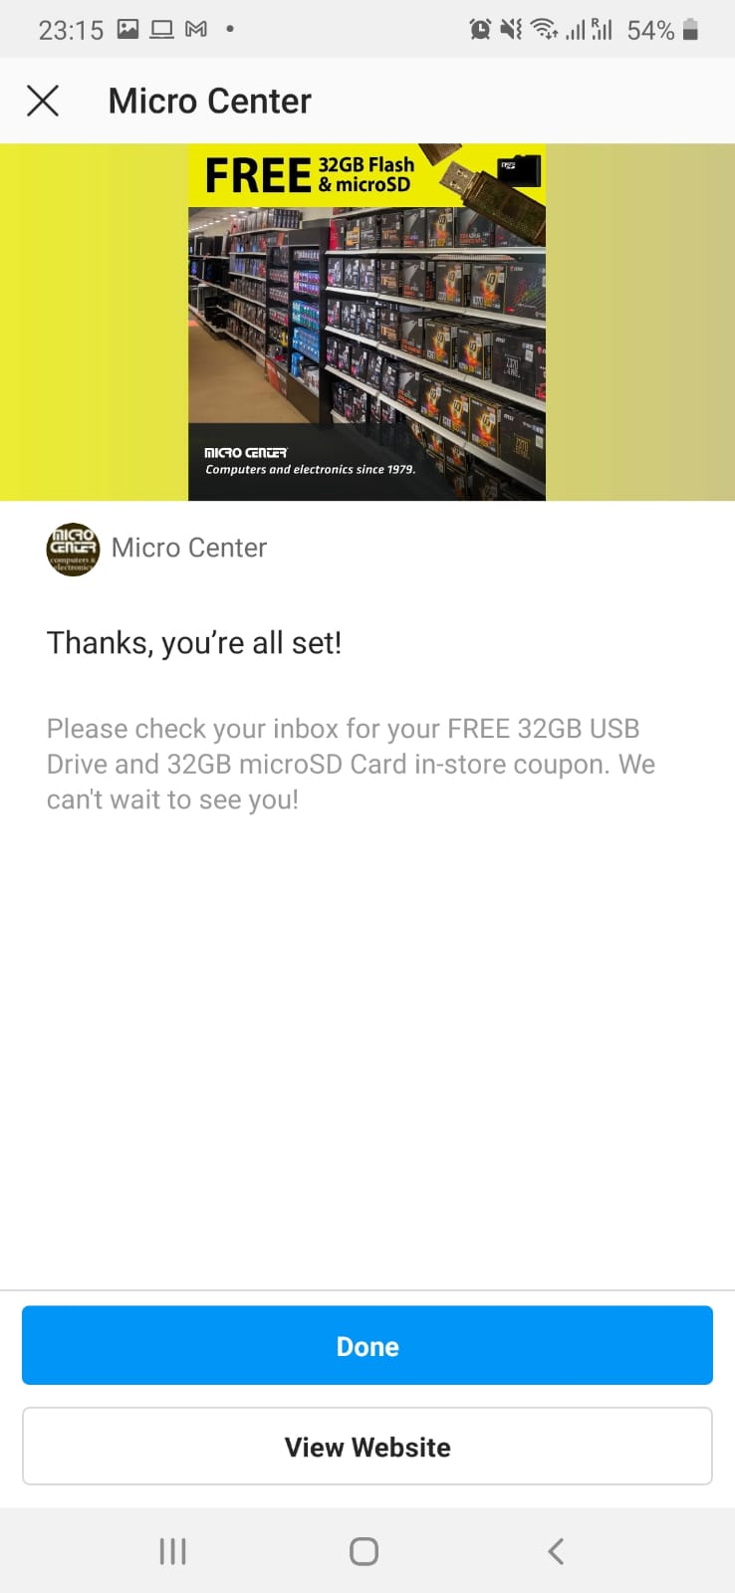
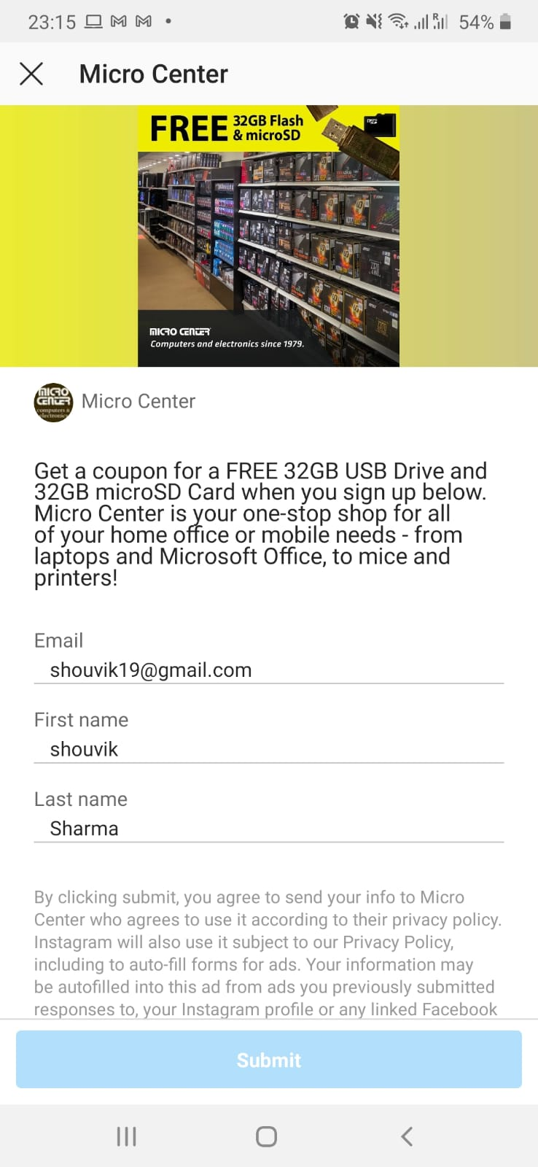
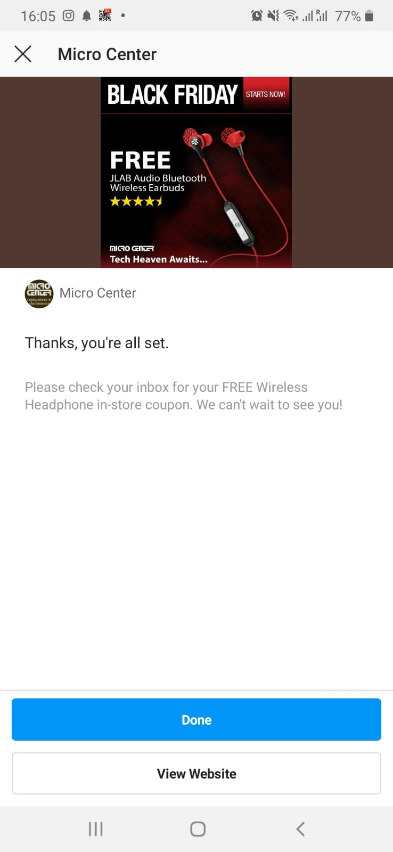
 | Status | Remarks
Extract data from instacart, where we have 3 million records
End product - Customer segmentation model to target customers with applicable promotions and treatment optimizations with a segmentation model. |  | Comparable products https://aws.amazon.com/marketplace/pp/prodview-bqhvvpzieudnm?qid=1605189531601&sr=0-3&ref_=srh_res_product_title

Action Items
Research for potential clients which could deploy customer segmentation for improving their campaign nurturing | In Process | Retail clients can that personalize the user experience see an average increase of 20% in sales. Accenture predicts that there is a $2.95 trillion prize for companies that integrate a smart digital strategy to personalize customers’ experiences. Why companies should focus creating personalized recommendations to their customers:- With a survey of about 1000 customers, it was found that :- 1) Personalization drives impulse purchases - 49% percent of customers bought items they did not intend to buy due to a personalized recommendation from the brand 2) Personalization leads to increased revenue: - 40% of U.S. consumers say they have purchased something more expensive than they planned to because of personalized service. 3) Personalization leads to fewer product returns: - Only 5% of impulse purchases (mentioned above) were returned, and 85 % of impulse buyers were happy with what they bought. source: https://www.forbes.com/sites/shephyken/2017/10/29/personalized-customer-experience-increases-revenue-and-loyalty/?sh=d8082df4bd61
Extract dataset | In Process | Using instacart dataset for customer segmentation https://tech.instacart.com/3-million-instacart-orders-open-sourced-d40d29ead6f2
Data Understanding - As in the given dataset we have multiple dataset with varying information from orders, products, departments. It is important to understand the mapping of these datasets for creating segmentation model | Not Started (2-3 Days)
Feature Engineering | Not Started (1-2 Days)
Estimate best number of clusters (using elbow plots) | Not Started (2 Days)
Create an Association Rule Mining | Not Started (4 Days)
Build a product recommender | Not Started (5 Days)
Recommend products for the user based on user's purchase history and similarity coefficent with other users
Integration and Packaging | Not Started (5 Days)
Tools for AWS implemention | Not Started
Building using AWS tools | Not Started
Creating a Content for PPT, Email, Website (case study format) | Not Started | Sample product https://www.one-count.com/resources/use-cases/increase-response-rates/
 |  | Sample project: https://towardsdatascience.com/creating-a-grocery-product-recommender-for-instacart-c1b6bdf5ae13

Pricing Information ( 7 days free or 1 campaign free)
Software pricing based on algorithm training
0.25 USD per hour

Bottle Necks
finding the potential customers

Sample
https://aws.amazon.com/solutions/implementations/improving-forecast-accuracy-with-machine-learning/?did=sl_card&trk=sl_card

Things to do: -
1. Recommendation Engine - Instacart
2. Top 10 companies
`

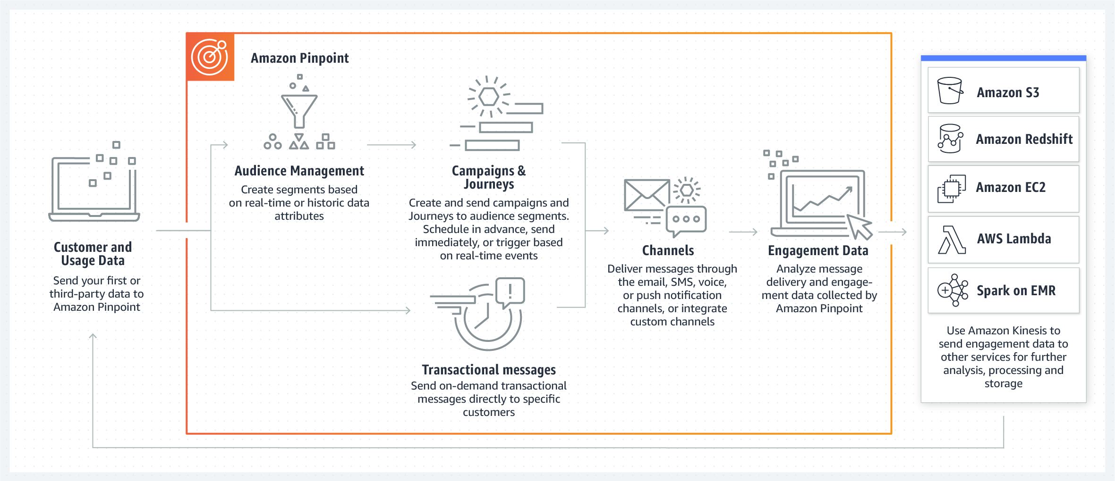

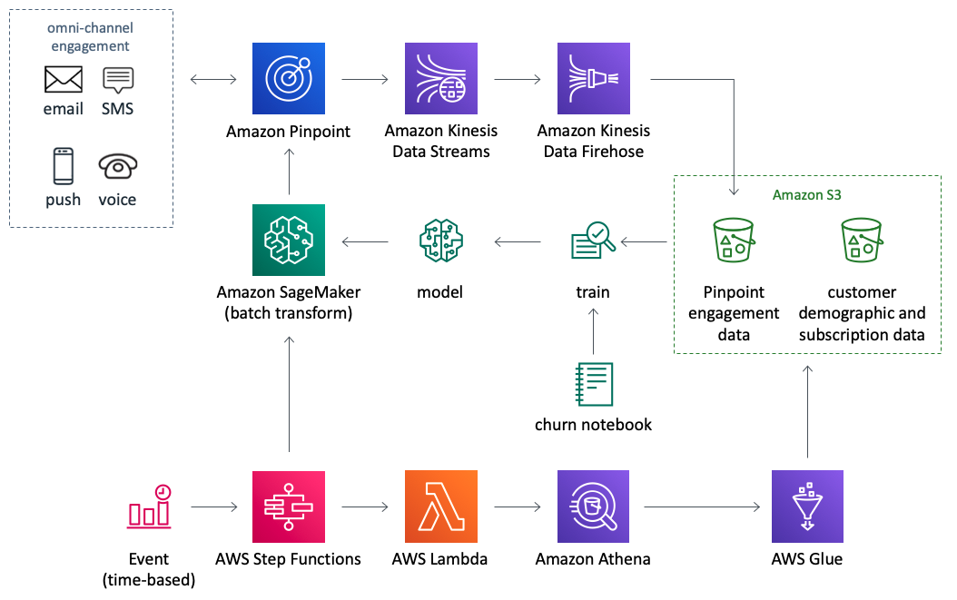

deadline
31st Dec 2020

instacart segmentation
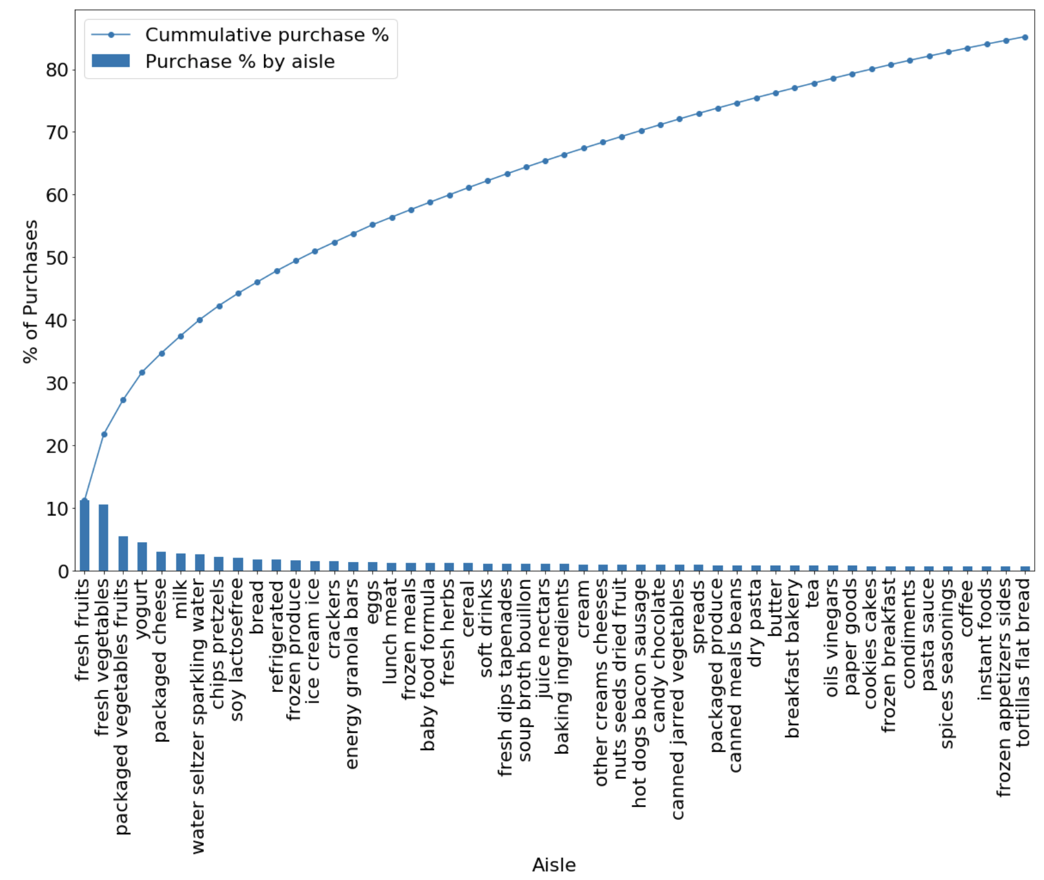
31%
85%
31% of all products purchased via Instacart are from 4 aisles - fresh fruits, fresh vegetables, packaged vegetables fruits, yogurt
85% of all products purchased via Instacart come from 50 aisles
I will use these top 50 aisles to observe the behavior of our customers in order to segment them

Cluster Statistics

% Customers: 81%
%Orders: 54%
Cluster 0
% Customers: 4%
%Orders: 13%
Cluster 1
% Customers: 15%
%Orders: 33%
Cluster 2

Customer Stats
Median Orders: 56
Median Order Gap: 6
Median Basket Size (Variety): 13
Avg Basket Reorder Share: 77%
Customer Stats
Median Orders: 28
Median Order Gap: 9.5
Median Basket Size (Variety): 10.68
Avg Basket Reorder Share: 68%
Customer Stats

Median Orders: 7
Median Order Gap: 16
Median Basket Size (Variety): 6.8
Avg Basket Reorder Share: 50%

 | Paul Stuart

OPTIMOVE | 1. Marketing automation platform 2. Paul Stuart’s Team wanted to move on from existing framework of weekly generic blasts with poor ROI, with optimove they started performing advanced customer segmentation based on dimensions including purchase history, prior campaign response history and predictive analytics (to estimate customer future value and risk churn). 3. Using this segmentation they sent customized messages by Optimail, and other integrated channels. 4. Create Customer One view – in nutshell it means to have all the attributes of a user level information in a single row. Next Steps 1. Implement Optimove’s – Inbuilt recommendation engine 2. Create advanced CRM automation platform

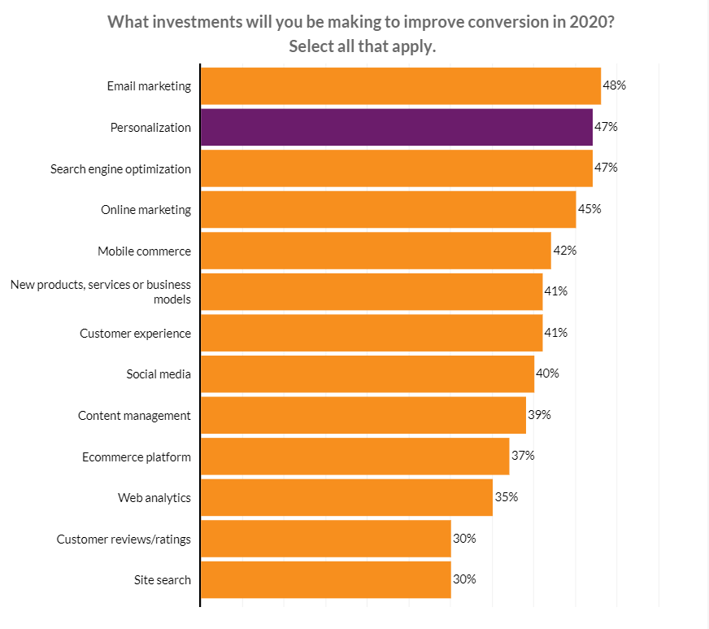

 | Advantages of personalized marketing
 | According to a survey by Kibo of 400 retailers, it was found that:- 1. Personalized marketing has led to 200 % RoI for about 70 % of the retailers. 2. Retailers that integrate personalization across the entire customer experience—including marketing, shopping and other digital channels—had a higher return on investments than those that only used personalization for the shopping experience itself. 3. 47% of retailers said that they would be making investments into personalization to help improve conversion in 2020, according to a Digital Commerce 360 survey of 105 retailers in February 2020

 | GameStop

KIBO | 1. Using Kibo’s Certona, gamestop deployed personalization for the customers who visit their website. 2. They integrated a user’s in-store experience and web browsing history, to enhance a user’s profile 3. This allows for personalization, up-sell and cross-sell items to be delivered to gamestop.com web and mobile sites based not only on browse history and behavior, but also store data – and vice versa.

 | Steps |  | 2020 | 2021
 | 1. Understanding - Customer Data, Marketing Goals, Business KPIs | Cluster 0 | 1000
 | 2. Building customer one view | Cluster 1 | 100 | 100
 | 3. Customer Segmentation - RFM, K mean clustering
 | 4. Predictive modeling to predict who could pursued to be in cluster 1
 |  | Median Orders Gain : 4900
Recommendation System

 | 5. Build an effective, easy-to-operate marketing automation and orchestration engine that supports multi-channel enviornment at scale.

