Directive
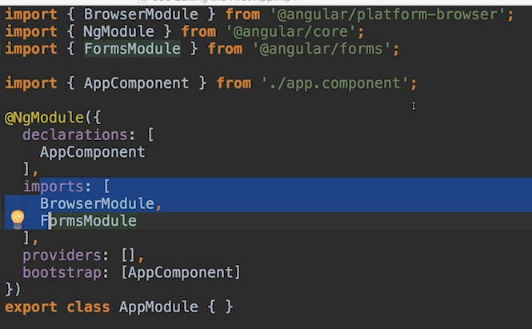

UsingBootstrap
--install Bootstrap v3
$ npm install --save bootstrap@3
edit: angular.json
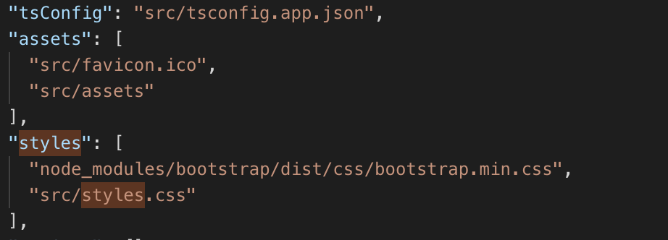

Add this

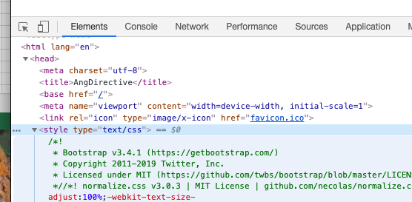

Evidence

NewComponent
$ ng generate component servers
OR
$ ng g c servers
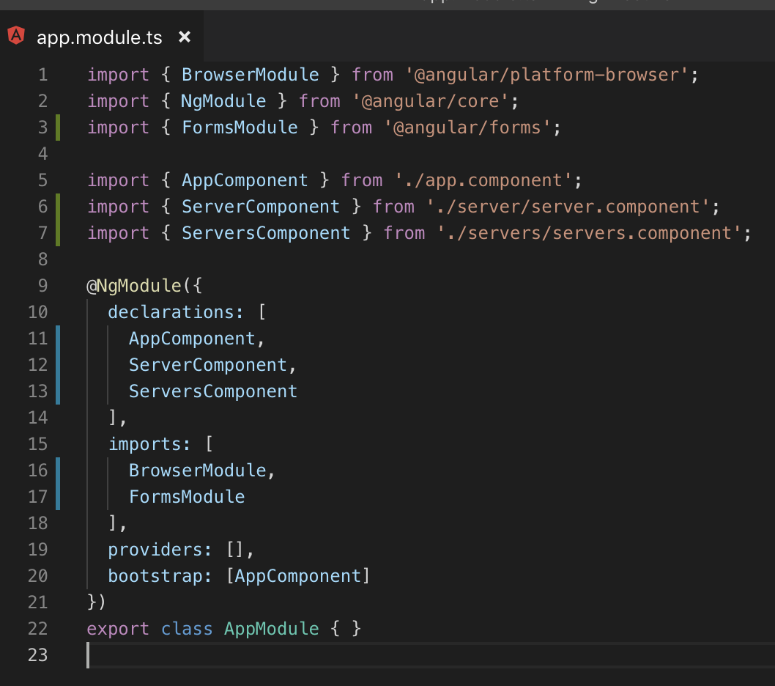
1. Generate | 2. Declare
 |  | 3. Use

