Directives
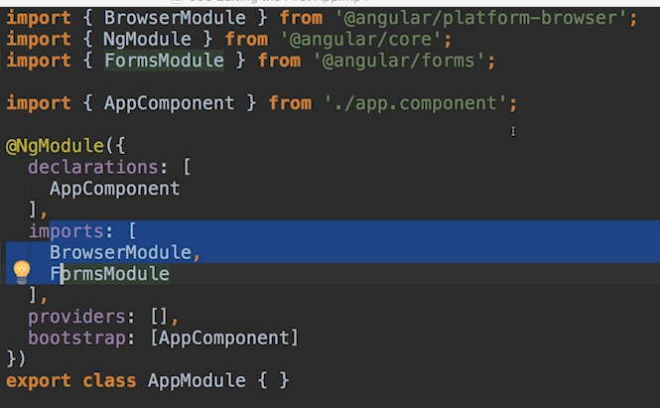

Directives are instructionin the DOM

Componets are kinds of such instruction sin the DOM.
 | They are directives with a template

There are also directives without templates
 | E.g as below image

 |  | This is a directive, with attribute selector
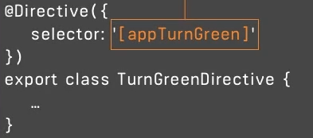

 |  |  |  |  |  |  | Here , we. Define directive with directive decorator

Structural directive
 | E.g | ngIF
 | Because it change the DOM (i.e add or not to add some element(s)) based on a conition

 |  |  |  | The value should be a boolean variable, or a function returns boolean

 | A local reference
 |  | can be considered as a "marker"

 | Directive "ng-template"
 |  | used to mark places in the DOM

 | ngFor directive

 |  | Note: we must have * as a prefix for ngFor |  |  |  | We can track for index of each iteration by this method

Attribute directives
 | it does not add or remove elements. it only changes the element it was placed on

 | An example with ngStyle directive. This directive require some pre-condition to do something. That's why we will use property binding on this
 |  | NOTE: remember that square bracket is not a part of ngStyle directive

 | Another attribute directive is "ngClass"

 |  |  |  |  | The second part is a Boolean condition, so that it determine whether this css Class to be added or not

 |  |  | The first part is the name of the Css Class

UsingBootstrap
--install Bootstrap v3
$ npm install --save bootstrap@3
edit: angular.json
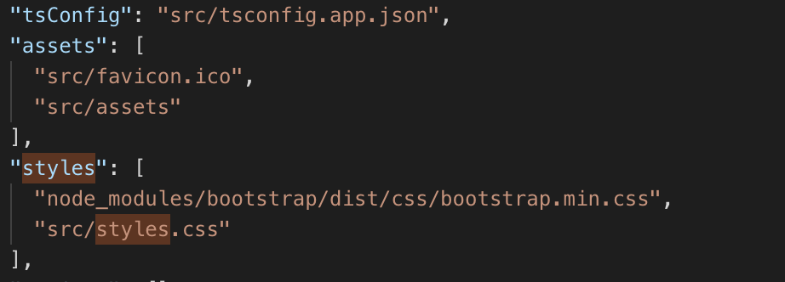

Add this

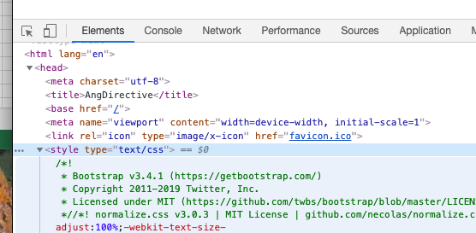

Evidence

NewComponent
$ ng generate component servers
OR
$ ng g c servers
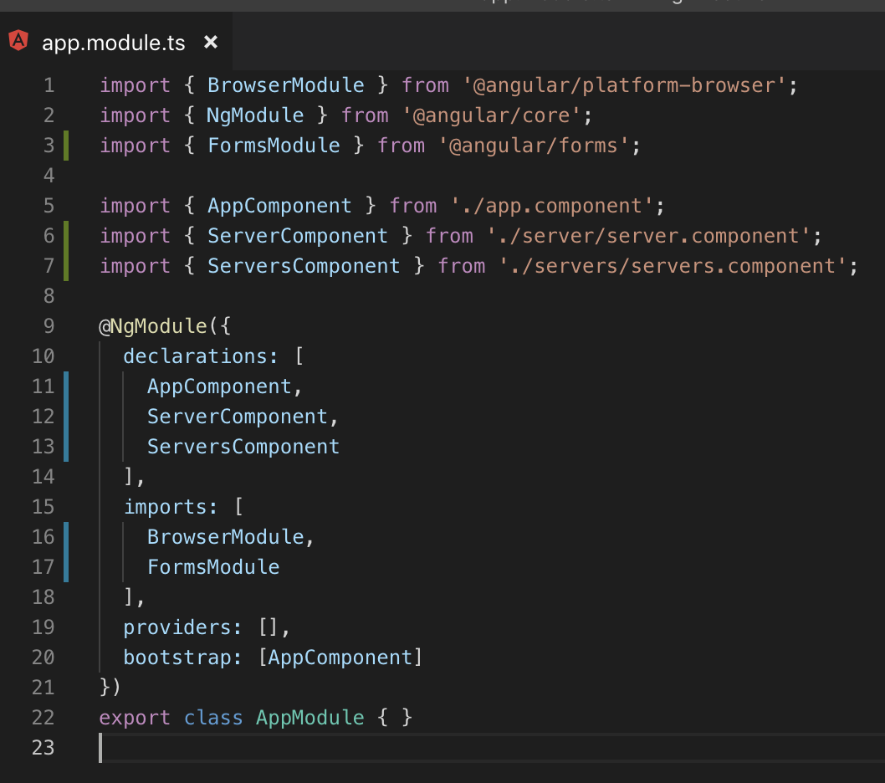
 | 1. Generate |  | 2. Declare
 |  |  |  | 3. Use

A component is just a class
 | Decorator is a TypeScript feature which allow you to enhance your class
 |  | also, enhance elements you use in your code, it is not restricted to class

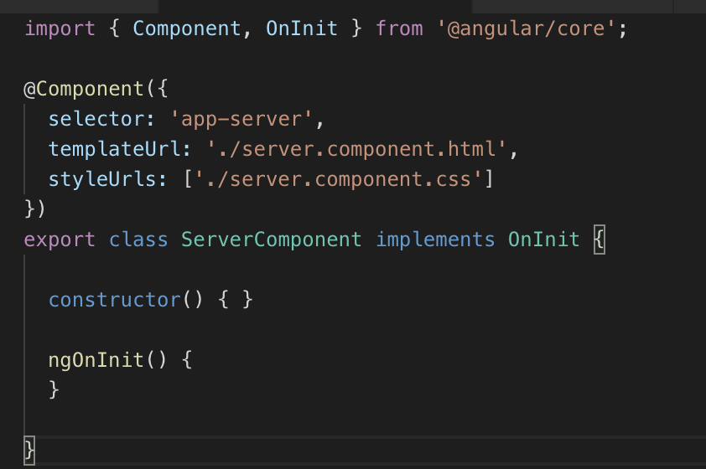

App module bundle (e.g: components) of your app into packages

Selector
 | Here is my explaination for selector (not officially from Angular)
 |  | selector is the NAME , that you declare at key 'selector' from within component, and then, use that NAME at the html you want to render that component

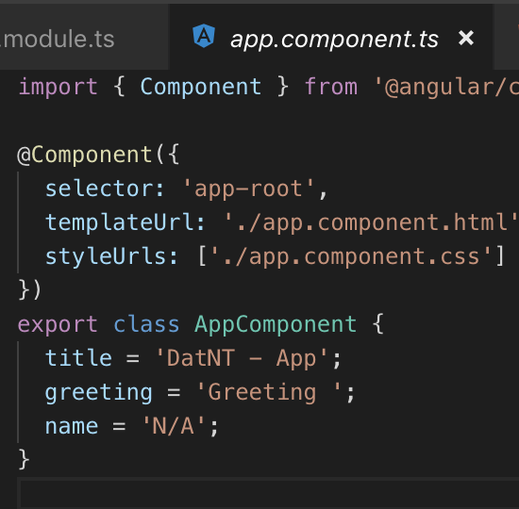
 |  | E.g
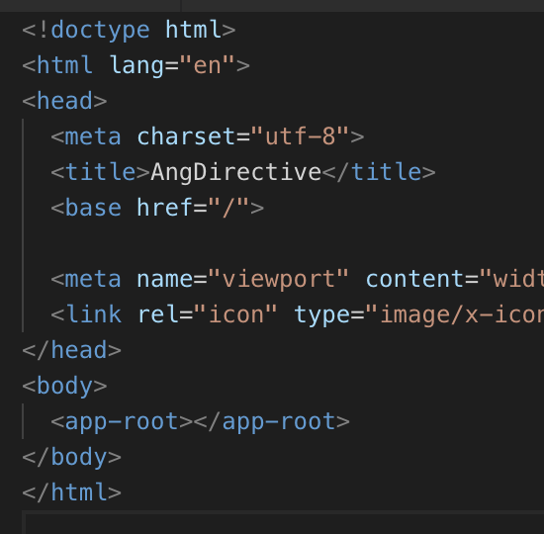

Angular can also selects element by attribute not by element

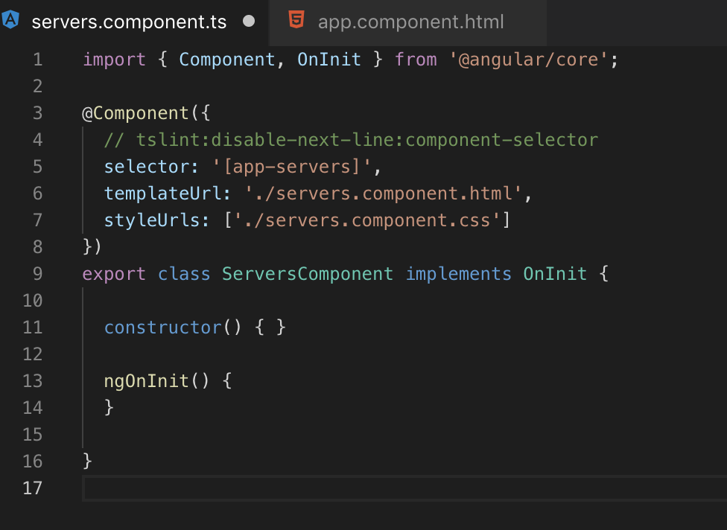

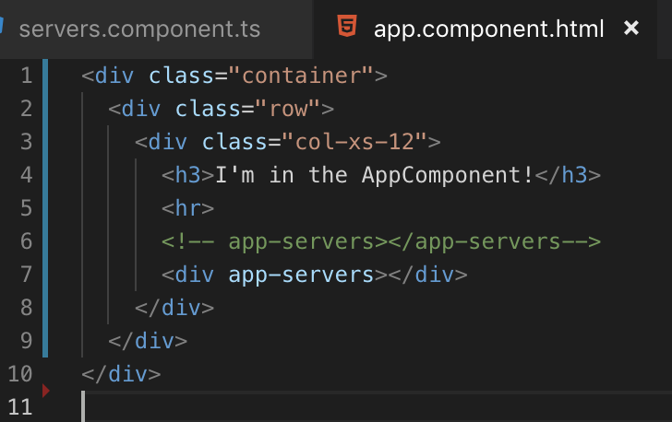

 | Thêm vào dấu ngoặc vuông để chuyển đổi từ component selector, sang dạng attribute
 |  | Bằng cách này angular sẽ select element bằng attribute
Một cách khác nữa là select bằng class

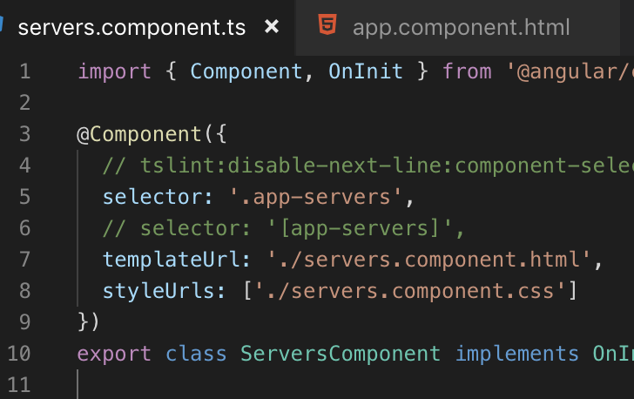
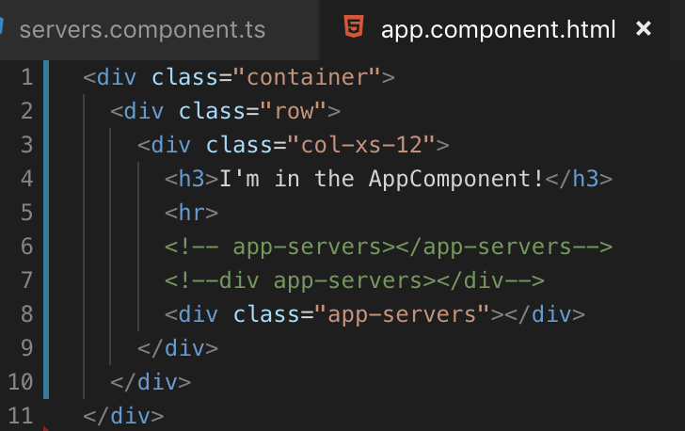

Lưu ý:
 | Angular không hỗ trợ cho select bầng ID

SampleAppMockup
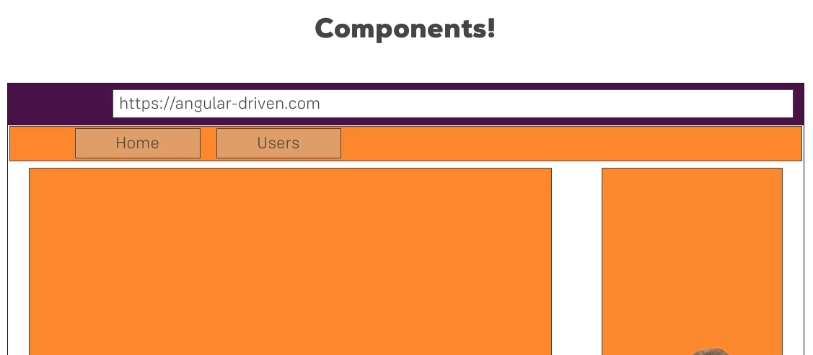

AngularBootstrap
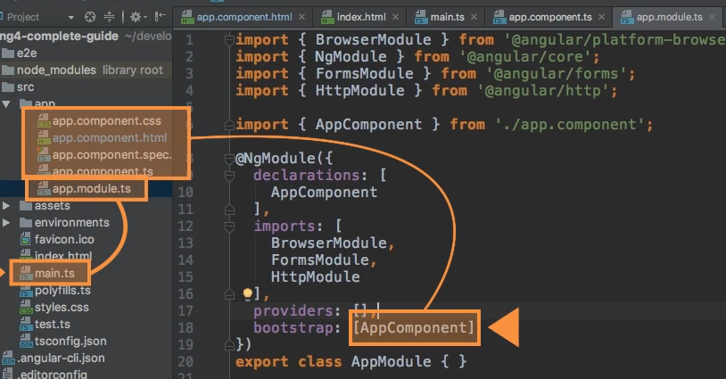
Here is my explaination for selector (not officially from Angular)
 | selector is the NAME , that you declare at key 'selector' from within component, and then, use that NAME at the html you want to render that component

 | E.g

 |  | This script heps to trigger replacement of <app-root>
 |  |  | into DOM HTML

DataBinding
Direct binding from class's variable into DOM's attribute

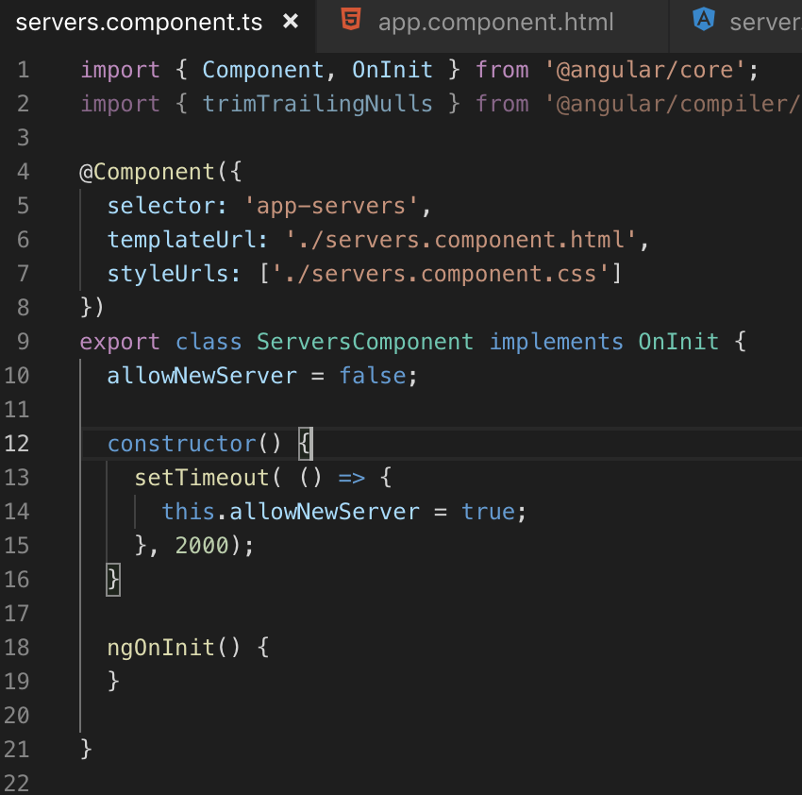

 |  |  |  | NOTE: value of variable"allowNewServer" will be specified directly into the DOM (i.e button)'s attribute
 |  |  |  |  | Đây là cú pháp đặc biệt của Angular, không phải của HTML

 |  |  |  | NOTE: Một lưu ý khác là cần phải phân biệt rõ ràng property-binging như thế này, khác với string-interpolation (e.g: value = {{ someVar }} )
 |  |  |  |  | và cũng không thể kết hợp 2 cách này lại với nhau

Two way data-binding

 | We use the syntax as : [(ngModel)]="<… something here ...>"
 | NOTE: to be able to use ngModel, we have to add import for FormsModule (from @angular/forms) into imports[] wihin AppModule
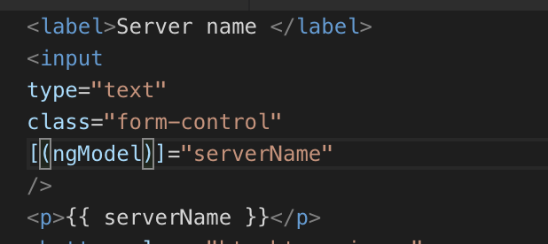

 |  | This setup will trigger input event, and upte value of "serverName" at the same tie.
 |  |  | Refer to sheet "EventBinding"
 |  | This is a 2 way bindin, so that, if we change vaue of "serverName" it will also update value displayed at input element

EventBinding
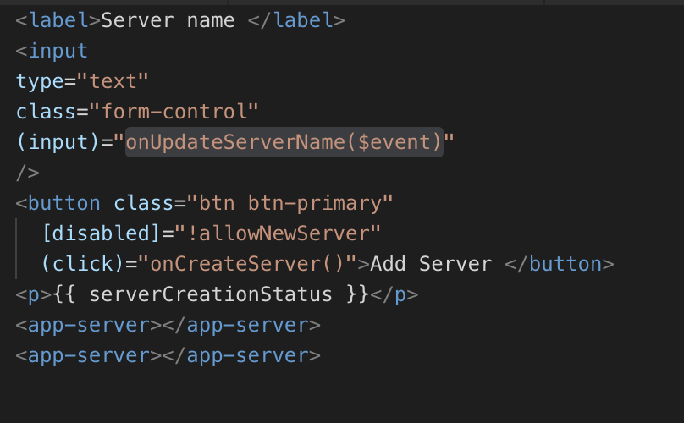

$ sign event will simply be the data emitted with that event

