Pod
172.10.1.100
Binaries/Libraries
Runtime Config
Container

Volumes can be
shared between containers

Container
Runtime Config, e.g:
- Root Filesystem (Tarball)
- Entrypoint
- cgroups
- Namespaces (net, mnt,...)

Container

Pod
block
secret
config

Pod acts like a resource envelop

Pod allows us to organize logical application
- One or more containers and volumes
- Ephemeral
- Shared namespaces
- One Ip per bod

All of these make us feel like a virtual machine

ReplicationController
Replication Controllers

The key idea of Replication Controllers is:
- Drives current state towards desired state

Steps of processing with declaration

1
Push declaration to server
2
Kubernetes create 1 from template
3
Scheduler pick it up
A

Declaration for Replication Controllers
app: foo
replicas: 1
1 copy of "foo" will be running.

B
at state 2, 1 container is placed on the machine
D

we do not indicate which machine (but, we could)

STATE 1
Node 1
Node 2
Node 3
STATE 2

Node 1
Node 2
Node 3
Pod
Container

E

Node is a worker machine (i.e minion)

can be VM, or physical machine

can be VM, or physical machine

app: foo
replicas: 3

G

F
Node 1
Node 2
Node 3
STATE 3
Node 1
Node 2
Node 3 - Failed
STATE 4
Pod
Container
Pod
Container

Pod
Container
Pod
Container
Pod
Container

H
Node 1
Node 2
Node 3 - Failed
STATE 5
Pod
Container
Pod
Container

Pod
A new one is created to ensure 3 to run
Container

SecretAndConfgMaps
172.10.1.100
Pod

nginx

/etc/nginx/conf.d
Kubernetes Control Plane
Node
Pod
API
Server
etcd
Kubelet
Pod
/etc/nginx/conf.d
Secret
secret

secret
Then we can finish creating the pod
6

Steps of referencing secret key

1
kubectl create -f deployments/lobsters.yaml
2
Kubernetes create a pod
3
Take the data from the pod
The key idea puppet:
- Do not run puppet within container
- We can use puppet to create config files
- Store them in kubernetes in a way to propagate it out by a runtime

4
And inject it into a temporary file system
5

Present it to the container,
just like pupet was copied over to the machine

The key idea puppet:
- All of these follow the life cycle of the app
+ The app dies, config goes away

In case we want 10000 copies, then, 10000 temporary file system will be created and injected

Services
1
Service discovery allows to find all of the actors (i.e pods) that are running in the cluster

Services
- A group of pods that act as one == Service
- stable virtual IP and port
- DNS integration
- updateds when backends change

2
Send/Sync them back to other end point
Watcher
All of these happen in a watcher method
with a control loop that's going in there and make sure when there is an event -> things are in updated.

3
The system will automatically creates load balancer for us and keep them up-to-date with the backend

Container
Pod
Container
block
secret
config
Container
Pod
Container
block
secret
config
Container
Pod
Container
block
secret
config
Service

A_sample
A lot of people say you can't run stateful thing. But you can run stateful thing.
Because: you create a VM The scheduler moves it around the Hyper Visor, and it stores it as a task some time you run in a local storage that come from HyperVisor. There is no reason why container can't do this.
Some people complain container cannot run stateful app
- the problem with container is most of the people don't have explicit list of file-path they must present to the application.
Most people cannot tell you exactly the devices and files that their data store need.
You put it in the container, get it explicit, things break. So they think container cannot run stateful thing.
You totally can do it. We can have application uses services discover the forget where that is, connect to it, and then we expose our application to the front end.

Browser

Service

Pod
lobsters

Node 1
Node 2
Node 3
Cluster
Pod
lobsters
Pod
lobsters

rake tasks
mysql
Pod
lobsters
Pod

Some detailed explaination for file mysql.yaml
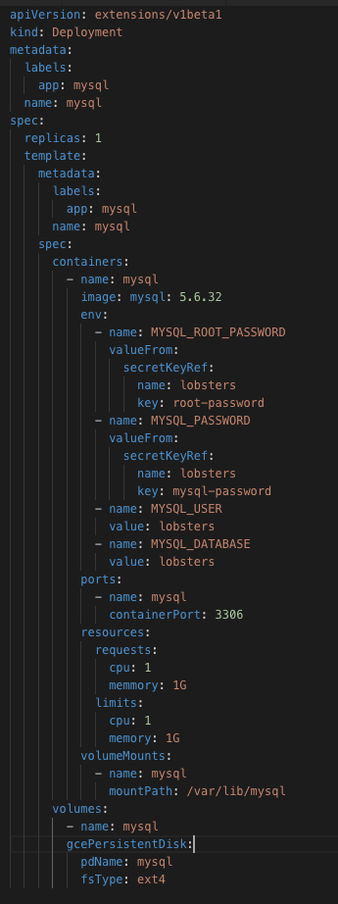

 |  |  |  |  | One copy (to run) in the system

 |  |  |  |  | Using mysql for this version

 |  |  |  |  |  | We grasp some secret from Kubernetes
 |  |  |  |  |  |  | as references
 |  |  |  |  |  |  |  | and inject them as environment variable
 |  |  |  |  |  |  |  |  | (note: we will have another case that reference-info will be inject from the file system)
 |  |  |  |  |  | So that, we don't have to bake sys' secret in our config

 |  |  |  |  | We have to do deployment with known-resources for the process
 |  |  |  |  |  | So that, when the app gets busy, it won't get entire server
 |  |  |  |  |  | Provide the limit so that we can predict
 |  |  |  |  |  |  | how many instances do we need
 |  |  |  |  |  |  |  | we have to do math
 |  |  |  |  | This is a contract
 |  |  |  |  |  | we bring in discipline to how this works
 |  |  |  |  | So that, the app will run only when we have 1G RAM free, if there is no 1G RAM free, we can't run there

 |  |  |  |  | Here is the trick for STATEFUL stuff
 |  |  |  |  | we specify that we want to use the persistent disk from our cloud provider
 |  |  |  |  |  | can be in iscsi, or any block devices
 |  |  |  |  | by doing this, we can have our store decouple from the machine
 |  |  |  |  |  | if the machine die, we can re-create the process on another machine
 |  |  |  |  |  |  | and using that storage
 |  |  |  |  | if mount store from the host, then we can loose our data, then we need to restore from backup
 |  |  |  |  |  | so, our goal is, our store get faster, our network get faster
 |  |  |  |  |  |  | whenever we can re-decouple the process & the store from the local machine
 |  |  |  |  |  |  |  | then, it become easy to move it around
 |  |  |  |  |  |  | It is not migration, it is unmount, then mount it somewhere else

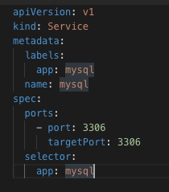
About services/mysql.yaml
 | When we create this service
 |  | k8s will create a DNS entry so that we can call mysql
 |  |  | and automatically find the container where it's running

More detail on deployments/lobster.yaml

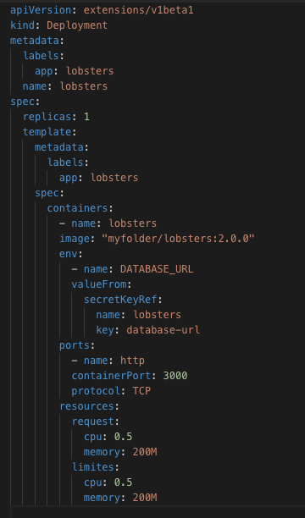
We can change this value as below:
"replicas: 10"
Then run: $ kubectl apply -f deployment/lobsters.yaml

 |  |  |  | This config helps us to get the secret from k8s
 |  |  |  |  | we can check k8s secret by command: kubectl get secrets

More detail on jobs/lobster-db-schema-load.yaml

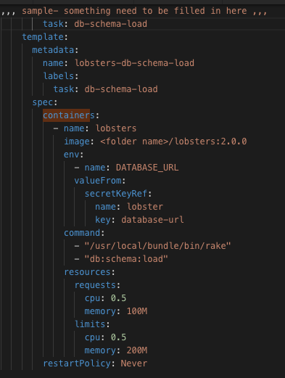
 |  |  |  |  |  |  |  | ?? It's weird that I cannot find any documentation about this key name as "task" for kubernetes task or job

ExtensionAndSecurity
E.g
 | Change http into https
 | and, we don't want to redeploy those containers
 | the sys admin should be able to secure the app without going back to the dev team
 | in k8s, we can support customized extension

Mre detail on file "lobster-secure.yaml"
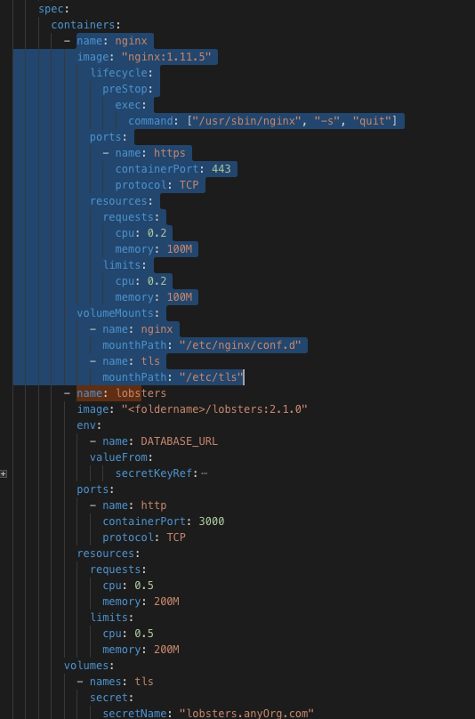
(10) Here is that we need
- K8s will automatically create a restin point
+ store it inside this backend and manage everything to do with this particular state
- with this object, we will create a new tool
+ watch for those changes
+ & do some implementation that when I see this certificate object, then it can go
+ and interact with list of encrypting and give me a real certificate back
+ and we want this to happen behind the scene so, when it's done we want it to populate the secret
(10.1) Here is what we do:
- We add nginx above the existing pods (refer to file deployments/lobsters-secure.yaml)
+ we don't have to work with dev team
- We put a container on TOP of the same pod
+ That container gonna takes in the HTTPS traffic
+ That container needs a configuration, because it needs to know how to proxy to a backend
+ Then it needs some certificate, and nginx happens to want to load this certificate from file system
* So, environment variable won't work here
- Summary: so we add a container right inside a pod, and then refer to choose secrets
+ One secret is gonna be the TLS certificate and I want that to come from the encrypt
* But I'm not gonna tell my app about this encrypt, I'm not gonna tell my system about this encrypt
* I wanna hold these abstraction
- So, the next thing I want to do now is to create this config file for nginx

This configuration require us to create a config Map
$ kubectl create configmap nginx --from-file configs/lobsters.conf

More detail on "kube-cert-manager.yaml"

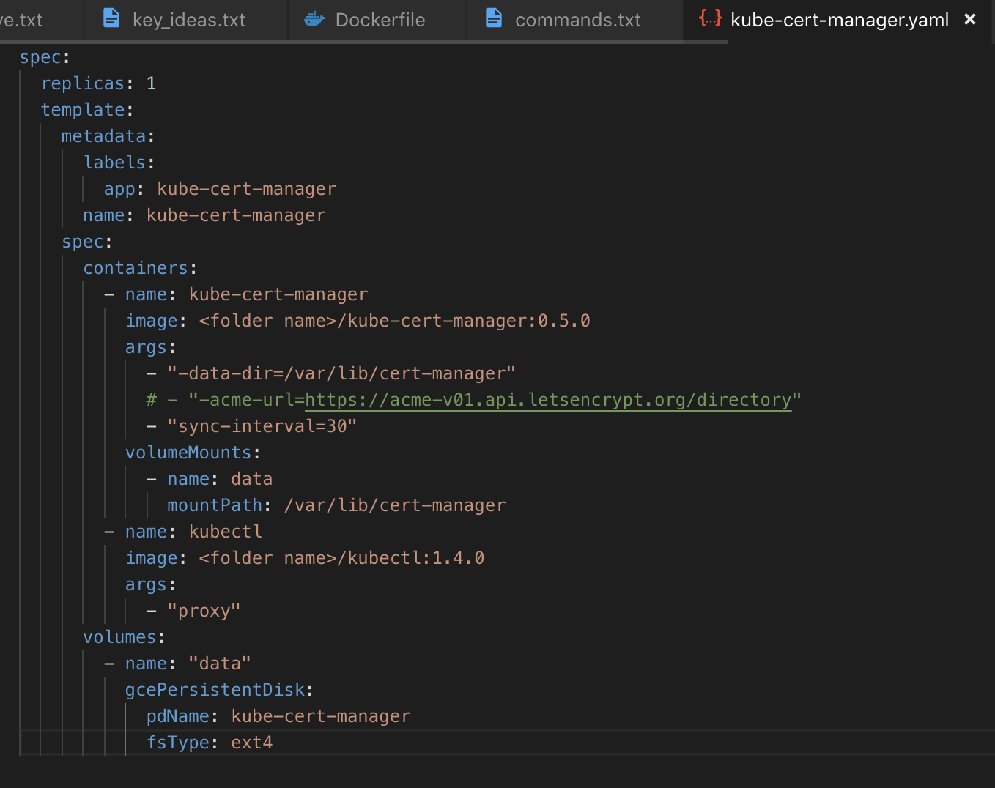

 |  | This is the production
 |  | What we are trying to do is to get a valid certificate from the encrypt that my browser trust
 |  |  | and inject it as the k8s secret on the backend
 |  |  | so that my pod doesn't know the difference

 |  | In the background, we do not do any compilation
 |  |  | so we don't create provider and then recompile something
 |  | The deamon run in the background and they watching for changes as soon as that certificate object created it's gonna
 |  |  | kickoff the job get the certificate from that encrypt , bring back to resolve and inject that into secret in realtime , no delays here

 |  | $ kubectl create -f deployment/kube-cert-manager.yaml

