Sheet1
STRATEGY
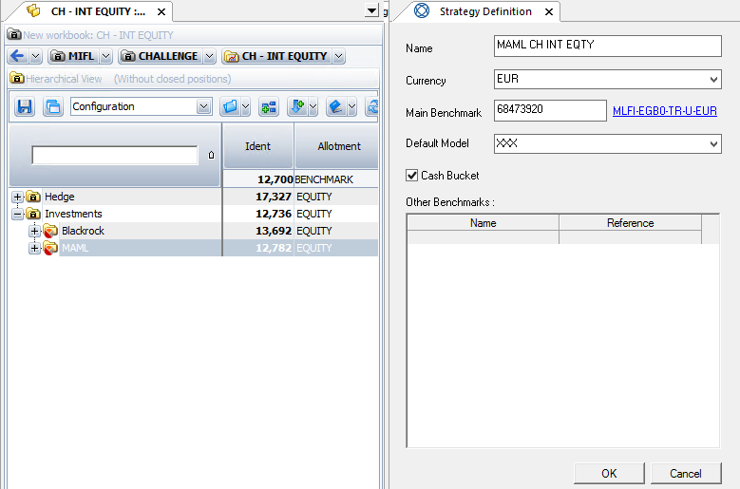
strategyName

folioIdent

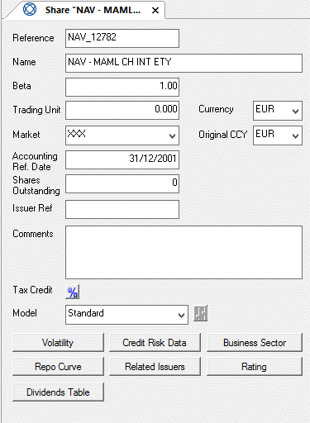
Reference of the share: NAV_<folioIdent>

Name of the share: NAV - <strategyName>

External references to map share with strategy (thanks to its folioIdent) and NAV in RBC file (Manager code)

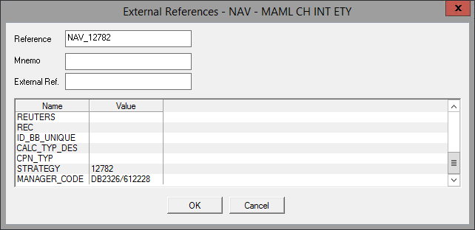

NAV loading

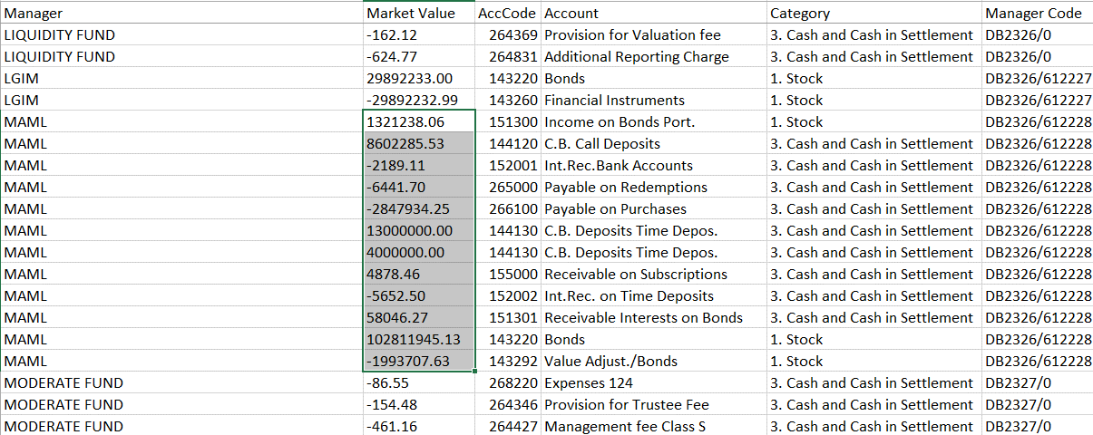

SUM

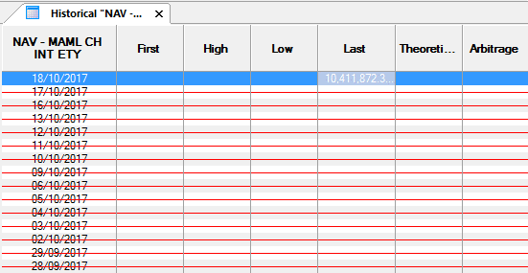

ctrl + H

