OBJECTIVES
EVENT ANALYSIS

Event Volume Assessment: Obtain a comprehensive understanding of overall activity levels by quantifying the total number of recorded events across the specified time period. This analysis serves as a foundational step in evaluating the breadth and depth of user engagement within the dataset.
Identify Most Frequent Events: Prioritize areas of interest or concern by identifying the most prevalent events occurring within the dataset. By discerning the events with the highest occurrence rates, focus can be directed towards understanding their underlying drivers and implications.
Daily Event Analysis: Uncover nuanced trends or patterns in user behavior by conducting a granular analysis of event distribution over daily intervals. This examination provides valuable insights into the temporal dynamics of user engagement, highlighting peak activity periods and potential fluctuations.
Checkout Abandonment Rate: Assess the efficiency of the conversion process by calculating the percentage of visits that include viewing the checkout page but fail to result in a completed purchase. This metric offers crucial insights into user behavior at the final stage of the purchasing journey, informing strategies to mitigate abandonment and optimize conversion rates.
Sequence Analysis for Purchases: Delve into user behavior preceding purchase events by identifying common sequences of events leading to conversions. This analysis sheds light on the typical pathways users traverse before making a purchase, enabling the optimization of content, features, and marketing strategies accordingly.
Temporal Event Frequency: Gain deeper insights into temporal trends and anomalies by examining how the frequency of specific events evolves over time. This analysis enables the identification of seasonal variations, periodic patterns, and irregularities in user engagement dynamics.
Conversion Rate Analysis: Evaluate the effectiveness of conversion mechanisms by determining the percentage of visits that culminate in purchase events. This metric serves as a key performance indicator for assessing the success of marketing campaigns, website design, and overall user experience.
Cookie ID Analysis: Gain a holistic understanding of user engagement and tracking capabilities by analyzing the average number of unique cookie IDs associated with each event. This analysis facilitates insights into user behavior across multiple sessions, aiding in the development of personalized marketing strategies and user experiences.
Sequence Number Evaluation: Gain insights into the sequential order of user interactions by assessing the average sequence number of events within the dataset. Understanding the typical progression of user engagement provides valuable context for optimizing website navigation and content presentation.
User Engagement Metrics: Gain a nuanced understanding of user interaction patterns by measuring both total and unique users engaging with each event. This analysis allows for the identification of highly engaged user segments and the evaluation of overall user engagement levels.
Visit Analysis: Evaluate the significance and popularity of different events by calculating both total and unique visits associated with each event. This analysis provides valuable insights into the relative importance of various user interactions within the dataset.
Average Visit Duration: Assess the intensity of user engagement by determining the average number of visits for each event. This metric offers insights into user behavior patterns, session durations, and overall engagement levels, guiding optimization efforts for enhanced user experiences.
Ad Impression Performance Analysis: Evaluate the effectiveness of ad impressions by analyzing key performance metrics such as page views, cart additions, purchases, and purchase rates for visits with and without ad impressions. This analysis provides valuable insights into the impact of ad placements on user behavior and conversion rates.
Performance Metrics by Ad Click: Assess the influence of ad interactions on user behavior by analyzing performance metrics for visits with and without ad clicks. This analysis enables the evaluation of ad effectiveness in driving engagement, conversions, and overall campaign success.
Performance Metrics by Ad Impression: Employing SUM, CASE WHEN, JOIN, ROUND, and AVG functions, the analysis underscores the positive impact of ad impressions on user engagement and conversion rates. Remarkably, higher averages are evident in the presence of ad impressions, highlighting their pivotal role in driving user interactions and facilitating conversions.
Purchase Rate by User Interaction: Gain insights into the impact of user interactions such as clicks and impressions on purchase rates by assessing conversion metrics across different interaction types. This analysis provides valuable insights into the effectiveness of various engagement strategies and channels in driving conversions.
Time Gap Analysis: Utilizing LAG, SUBQUERY, and AVG functions enables us to compute the average time gap between consecutive events accurately. This analysis provides valuable insights into the temporal dynamics of user interactions, facilitating a deeper understanding of user behavior patterns and engagement frequency within the dataset.
User Engagement Time Analysis: Through meticulous examination, it is determined that users allocate an average of 0.70 units between consecutive events, signifying a seamless and persistent interaction with the platform. This analysis leverages the functionalities of LAG-OVER, CTE, AVG, and UNION functions to derive meaningful insights.

Q1
Q) | How can we quantify the diversity of users, devices, event sequences, visitations, and event occurrences within the dataset?

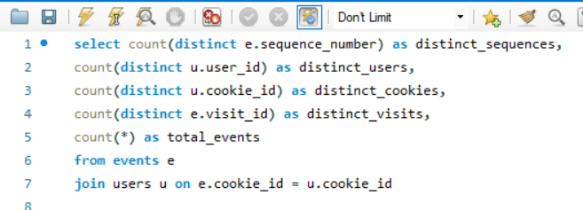
QUERY

 |  |  |  |  |  |  | INSIGHTS
The exploration uncovers a spectrum of user interactions, showcasing 23 distinct event sequences within the dataset. These interactions span across 500 unique users identified by user IDs and 1782 unique users differentiated by cookies. In total, the dataset encapsulates 3564 distinct visits, indicating varied engagement levels. Impressively, a grand total of 32,734 events are meticulously captured, underscoring the robust user engagement and extensive activity witnessed on the platform.

O/P | distinct_sequences | distinct_users | distinct_cookies | distinct_visits | total_events
 | 23 | 500 | 1782 | 3564 | 32734

Q) | Determine the aggregate number of events recorded within the dataset.

QUERY

The cumulative count of events observed across all campaigns amounts to 5.
O/P | total_events |  |  |  |  | INSIGHTS
 | 5

Q2
Q) | Counts for distinct event sequences, unique users identified by user IDs and cookies, and the total number of events recorded for each event type & What are the prevailing
 | events with the highest occurrence frequency within the dataset?
INSIGHTS
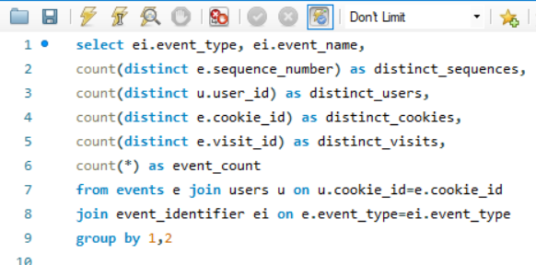
QUERY
Page views stand out as the predominant event type, evidenced by 22 distinct sequences, with an impressive engagement from 500 users and 1782 cookies.
Add to Cart events closely follow suit, documented in 19 sequences, captivating the attention of 499 users and 1715 cookies.
Purchases manifest in 18 sequences, showcasing participation from 484 users and 1352 cookies.
Conversely, Ad impressions and clicks each exhibit a solitary sequence, with a range of involvement from 442 to 397 users and 876 to 702 cookies, respectively.
These insightful observations collectively provide a comprehensive portrayal of user engagement dynamics spanning diverse event categories.
Moreover, the occurrences of these events, as highlighted by the event counts—Page View: 20928, Add to Cart: 8451, Purchase: 1777, Ad Impression: 876, and Ad Click: 702— further validate their significance in driving user interactions and shaping overall engagement strategies.

O/P
event_type | event_name | distinct_sequences | distinct_users | distinct_cookies | distinct_visits | event_count
1 | Page View | 22 | 500 | 1782 | 3564 | 20928
2 | Add to Cart | 19 | 499 | 1715 | 2510 | 8451
3 | Purchase | 18 | 484 | 1352 | 1777 | 1777
4 | Ad Impression | 1 | 442 | 876 | 876 | 876
5 | Ad Click | 1 | 397 | 702 | 702 | 702

Q3
Q) | Perform an analysis to determine the distribution of recorded events on a daily basis.

QUERY

The distribution of recorded events varies across different days, with notable peaks observed on specific dates. For instance, February 21st and 28th, 2020, witnessed elevated event counts, with 662 and 669 events recorded, respectively. Conversely, certain days exhibited relatively lower event counts, such as January 11th and February 18th, 2020, with 81 and 394 events, respectively.
O/P | event_date | total_events | INSIGHTS
 | 2020-02-04 | 486
 | 2020-01-18 | 314
 | 2020-02-21 | 662
 | 2020-02-22 | 591
 | 2020-02-01 | 244
 | 2020-01-25 | 272
 | 2020-02-09 | 479
 | 2020-02-12 | 438
 | 2020-02-07 | 314
 | 2020-01-23 | 260
 | 2020-01-17 | 224
 | 2020-02-06 | 421
 | 2020-01-12 | 104
 | 2020-01-28 | 439
 | 2020-01-06 | 297
 | 2020-02-17 | 533
 | 2020-02-29 | 440
 | 2020-02-11 | 440
 | 2020-02-14 | 556
 | 2020-02-08 | 422
 | 2020-01-16 | 103
 | 2020-01-08 | 300
 | 2020-01-26 | 381
 | 2020-01-31 | 304
 | 2020-01-10 | 253
 | 2020-02-02 | 431
 | 2020-02-13 | 458
 | 2020-02-03 | 587
 | 2020-02-24 | 538
 | 2020-01-22 | 292
 | 2020-01-13 | 226
 | 2020-01-09 | 172
 | 2020-02-20 | 567
 | 2020-01-07 | 226
 | 2020-01-04 | 153
 | 2020-02-19 | 404
 | 2020-01-30 | 478
 | 2020-01-19 | 387
 | 2020-01-29 | 342
 | 2020-01-15 | 219
 | 2020-02-16 | 515
 | 2020-01-02 | 235
 | 2020-02-26 | 503
 | 2020-01-14 | 329
 | 2020-02-28 | 669
 | 2020-02-23 | 502
 | 2020-01-20 | 234
 | 2020-01-11 | 81
 | 2020-02-18 | 394
 | 2020-01-03 | 209
 | 2020-01-01 | 76
 | 2020-01-24 | 437
 | 2020-01-27 | 430
 | 2020-02-10 | 465
 | 2020-02-25 | 416
 | 2020-02-05 | 327
 | 2020-02-27 | 419
 | 2020-01-05 | 76
 | 2020-02-15 | 424
 | 2020-01-21 | 259
 | 2020-03-13 | 332
 | 2020-03-09 | 273
 | 2020-03-10 | 216
 | 2020-03-18 | 363
 | 2020-03-17 | 305
 | 2020-03-12 | 288
 | 2020-03-25 | 352
 | 2020-03-07 | 367
 | 2020-03-14 | 307
 | 2020-03-02 | 496
 | 2020-03-04 | 238
 | 2020-03-23 | 168
 | 2020-03-24 | 242
 | 2020-03-06 | 238
 | 2020-03-08 | 226
 | 2020-03-11 | 335
 | 2020-03-01 | 389
 | 2020-03-05 | 318
 | 2020-03-21 | 345
 | 2020-03-19 | 191
 | 2020-03-03 | 344
 | 2020-03-29 | 144
 | 2020-03-16 | 144
 | 2020-03-15 | 366
 | 2020-04-04 | 123
 | 2020-03-20 | 190
 | 2020-04-13 | 93
 | 2020-03-26 | 181
 | 2020-03-22 | 235
 | 2020-04-05 | 92
 | 2020-03-30 | 215
 | 2020-03-27 | 179
 | 2020-03-31 | 190
 | 2020-04-08 | 133
 | 2020-04-03 | 126
 | 2020-04-07 | 71
 | 2020-05-03 | 89
 | 2020-04-09 | 122
 | 2020-04-28 | 67
 | 2020-04-10 | 169
 | 2020-04-01 | 130
 | 2020-04-16 | 54
 | 2020-04-12 | 113
 | 2020-04-06 | 130
 | 2020-04-21 | 59
 | 2020-04-15 | 106
 | 2020-04-11 | 151
 | 2020-04-19 | 27
 | 2020-04-29 | 55
 | 2020-04-24 | 50
 | 2020-04-23 | 95
 | 2020-04-02 | 48
 | 2020-04-20 | 36
 | 2020-05-04 | 56
 | 2020-04-14 | 69
 | 2020-04-27 | 56
 | 2020-03-28 | 78
 | 2020-04-25 | 31
 | 2020-04-18 | 59
 | 2020-05-11 | 9
 | 2020-04-17 | 38
 | 2020-05-05 | 24
 | 2020-05-09 | 27
 | 2020-05-17 | 31
 | 2020-05-28 | 28
 | 2020-05-16 | 26
 | 2020-05-08 | 57
 | 2020-04-26 | 8
 | 2020-05-07 | 26
 | 2020-05-02 | 15
 | 2020-05-06 | 23

Q4
Q) | What is the percentage of visits that involve viewing the checkout page but do not culminate in a purchase event?

QUERY

 |  | INSIGHTS
Roughly 15.5% of total sessions within the dataset involve users navigating to the checkout page without subsequently completing a purchase transaction.

O/P | percentage
 | 15.5017

Q5
Q) | What are the prevailing event sequences preceding a purchase occurrence?

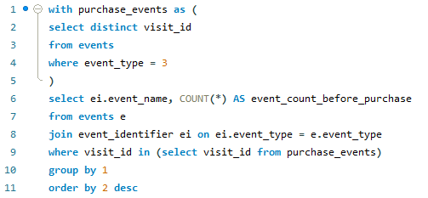
 |  |  | O/P | event_name | event_count_before_purchase
QUERY |  |  |  | Page View | 14203
 |  |  |  | Add to Cart | 6417
 |  |  |  | Purchase | 1777
 |  |  |  | Ad Impression | 737
 |  |  |  | Ad Click | 624

 |  | INSIGHTS

The predominant events preceding a purchase unveil pivotal user interactions. Page View events take precedence with 14,203 occurrences, signifying extensive product exploration. Following closely are Add to Cart events, recorded 6,417 times, indicative of user interest in particular items. Ad Impression events, occurring 737 times, denote exposure to advertisements, while Ad Click events, totaling 624 occurrences, underscore active engagement. These observed patterns underscore the critical role of product exploration and ad interaction in facilitating conversions.

Q6
Q) | How does the occurrence frequency of specific events evolve over time?

QUERY |  |  |  | INSIGHTS

We can discern the trajectory of event counts across various dates. For instance, on January 1st, there were 2 ad clicks, 2 ad impressions, 22 add-to-cart actions, 47 page views, and 3 purchases. As we progress chronologically, we can monitor the oscillations in these event counts. This analysis is instrumental in unveiling patterns, pinpointing peak periods, and evaluating the efficacy of marketing strategies or user engagement initiatives over time. Furthermore, it serves as a valuable compass for decision-making endeavors, guiding resource allocation and facilitating adjustments to campaigns to optimize outcomes in light of observed trends.

O/P | event_date | event_name | event_count
 | 2020-01-01 | Ad Click | 2
 | 2020-01-01 | Ad Impression | 2
 | 2020-01-01 | Add to Cart | 22
 | 2020-01-01 | Page View | 47
 | 2020-01-01 | Purchase | 3
 | 2020-01-02 | Ad Click | 6
 | 2020-01-02 | Ad Impression | 8
 | 2020-01-02 | Add to Cart | 61
 | 2020-01-02 | Page View | 146
 | 2020-01-02 | Purchase | 14
 | 2020-01-03 | Ad Click | 4
 | 2020-01-03 | Ad Impression | 4
 | 2020-01-03 | Add to Cart | 54
 | 2020-01-03 | Page View | 135
 | 2020-01-03 | Purchase | 12
 | 2020-01-04 | Ad Click | 2
 | 2020-01-04 | Ad Impression | 3
 | 2020-01-04 | Add to Cart | 42
 | 2020-01-04 | Page View | 96
 | 2020-01-04 | Purchase | 10
 | 2020-01-05 | Ad Click | 2
 | 2020-01-05 | Ad Impression | 2
 | 2020-01-05 | Add to Cart | 20
 | 2020-01-05 | Page View | 47
 | 2020-01-05 | Purchase | 5
 | 2020-01-06 | Ad Click | 6
 | 2020-01-06 | Ad Impression | 7
 | 2020-01-06 | Add to Cart | 73
 | 2020-01-06 | Page View | 197
 | 2020-01-06 | Purchase | 14
 | 2020-01-07 | Ad Click | 7
 | 2020-01-07 | Ad Impression | 8
 | 2020-01-07 | Add to Cart | 59
 | 2020-01-07 | Page View | 140
 | 2020-01-07 | Purchase | 12
 | 2020-01-08 | Ad Click | 8
 | 2020-01-08 | Ad Impression | 9
 | 2020-01-08 | Add to Cart | 86
 | 2020-01-08 | Page View | 181
 | 2020-01-08 | Purchase | 16
 | 2020-01-09 | Ad Click | 5
 | 2020-01-09 | Ad Impression | 6
 | 2020-01-09 | Add to Cart | 44
 | 2020-01-09 | Page View | 109
 | 2020-01-09 | Purchase | 8
 | 2020-01-10 | Ad Click | 5
 | 2020-01-10 | Ad Impression | 6
 | 2020-01-10 | Add to Cart | 66
 | 2020-01-10 | Page View | 161
 | 2020-01-10 | Purchase | 15
 | 2020-01-11 | Ad Click | 2
 | 2020-01-11 | Ad Impression | 2
 | 2020-01-11 | Add to Cart | 24
 | 2020-01-11 | Page View | 50
 | 2020-01-11 | Purchase | 3
 | 2020-01-12 | Ad Click | 1
 | 2020-01-12 | Ad Impression | 2
 | 2020-01-12 | Add to Cart | 16
 | 2020-01-12 | Page View | 81
 | 2020-01-12 | Purchase | 4
 | 2020-01-13 | Ad Click | 5
 | 2020-01-13 | Ad Impression | 6
 | 2020-01-13 | Add to Cart | 58
 | 2020-01-13 | Page View | 146
 | 2020-01-13 | Purchase | 11
 | 2020-01-14 | Ad Click | 9
 | 2020-01-14 | Ad Impression | 9
 | 2020-01-14 | Add to Cart | 91
 | 2020-01-14 | Page View | 207
 | 2020-01-14 | Purchase | 13
 | 2020-01-15 | Ad Click | 6
 | 2020-01-15 | Ad Impression | 6
 | 2020-01-15 | Add to Cart | 63
 | 2020-01-15 | Page View | 132
 | 2020-01-15 | Purchase | 12
 | 2020-01-16 | Ad Click | 2
 | 2020-01-16 | Ad Impression | 3
 | 2020-01-16 | Add to Cart | 26
 | 2020-01-16 | Page View | 68
 | 2020-01-16 | Purchase | 4
 | 2020-01-17 | Ad Click | 6
 | 2020-01-17 | Ad Impression | 6
 | 2020-01-17 | Add to Cart | 66
 | 2020-01-17 | Page View | 134
 | 2020-01-17 | Purchase | 12
 | 2020-01-18 | Ad Click | 6
 | 2020-01-18 | Ad Impression | 7
 | 2020-01-18 | Add to Cart | 81
 | 2020-01-18 | Page View | 204
 | 2020-01-18 | Purchase | 16
 | 2020-01-19 | Ad Click | 5
 | 2020-01-19 | Ad Impression | 11
 | 2020-01-19 | Add to Cart | 96
 | 2020-01-19 | Page View | 251
 | 2020-01-19 | Purchase | 24
 | 2020-01-20 | Ad Click | 6
 | 2020-01-20 | Ad Impression | 7
 | 2020-01-20 | Add to Cart | 71
 | 2020-01-20 | Page View | 139
 | 2020-01-20 | Purchase | 11
 | 2020-01-21 | Ad Click | 4
 | 2020-01-21 | Ad Impression | 6
 | 2020-01-21 | Add to Cart | 63
 | 2020-01-21 | Page View | 172
 | 2020-01-21 | Purchase | 14
 | 2020-01-22 | Ad Click | 5
 | 2020-01-22 | Ad Impression | 7
 | 2020-01-22 | Add to Cart | 67
 | 2020-01-22 | Page View | 199
 | 2020-01-22 | Purchase | 14
 | 2020-01-23 | Ad Click | 5
 | 2020-01-23 | Ad Impression | 6
 | 2020-01-23 | Add to Cart | 64
 | 2020-01-23 | Page View | 173
 | 2020-01-23 | Purchase | 12
 | 2020-01-24 | Ad Click | 12
 | 2020-01-24 | Ad Impression | 14
 | 2020-01-24 | Add to Cart | 122
 | 2020-01-24 | Page View | 267
 | 2020-01-24 | Purchase | 22
 | 2020-01-25 | Ad Click | 5
 | 2020-01-25 | Ad Impression | 9
 | 2020-01-25 | Add to Cart | 67
 | 2020-01-25 | Page View | 175
 | 2020-01-25 | Purchase | 16
 | 2020-01-26 | Ad Click | 7
 | 2020-01-26 | Ad Impression | 10
 | 2020-01-26 | Add to Cart | 100
 | 2020-01-26 | Page View | 242
 | 2020-01-26 | Purchase | 22
 | 2020-01-27 | Ad Click | 12
 | 2020-01-27 | Ad Impression | 12
 | 2020-01-27 | Add to Cart | 105
 | 2020-01-27 | Page View | 278
 | 2020-01-27 | Purchase | 23
 | 2020-01-28 | Ad Click | 7
 | 2020-01-28 | Ad Impression | 10
 | 2020-01-28 | Add to Cart | 114
 | 2020-01-28 | Page View | 284
 | 2020-01-28 | Purchase | 24
 | 2020-01-29 | Ad Click | 7
 | 2020-01-29 | Ad Impression | 9
 | 2020-01-29 | Add to Cart | 93
 | 2020-01-29 | Page View | 215
 | 2020-01-29 | Purchase | 18
 | 2020-01-30 | Ad Click | 9
 | 2020-01-30 | Ad Impression | 11
 | 2020-01-30 | Add to Cart | 124
 | 2020-01-30 | Page View | 307
 | 2020-01-30 | Purchase | 27
 | 2020-01-31 | Ad Click | 5
 | 2020-01-31 | Ad Impression | 8
 | 2020-01-31 | Add to Cart | 70
 | 2020-01-31 | Page View | 202
 | 2020-01-31 | Purchase | 19
 | 2020-02-01 | Ad Click | 4
 | 2020-02-01 | Ad Impression | 4
 | 2020-02-01 | Add to Cart | 61
 | 2020-02-01 | Page View | 164
 | 2020-02-01 | Purchase | 11
 | 2020-02-02 | Ad Click | 8
 | 2020-02-02 | Ad Impression | 11
 | 2020-02-02 | Add to Cart | 109
 | 2020-02-02 | Page View | 281
 | 2020-02-02 | Purchase | 22
 | 2020-02-03 | Ad Click | 15
 | 2020-02-03 | Ad Impression | 15
 | 2020-02-03 | Add to Cart | 167
 | 2020-02-03 | Page View | 360
 | 2020-02-03 | Purchase | 30
 | 2020-02-04 | Ad Click | 11
 | 2020-02-04 | Ad Impression | 12
 | 2020-02-04 | Add to Cart | 140
 | 2020-02-04 | Page View | 296
 | 2020-02-04 | Purchase | 27
 | 2020-02-05 | Ad Click | 8
 | 2020-02-05 | Ad Impression | 9
 | 2020-02-05 | Add to Cart | 87
 | 2020-02-05 | Page View | 207
 | 2020-02-05 | Purchase | 16
 | 2020-02-06 | Ad Click | 10
 | 2020-02-06 | Ad Impression | 12
 | 2020-02-06 | Add to Cart | 111
 | 2020-02-06 | Page View | 266
 | 2020-02-06 | Purchase | 22
 | 2020-02-07 | Ad Click | 7
 | 2020-02-07 | Ad Impression | 8
 | 2020-02-07 | Add to Cart | 83
 | 2020-02-07 | Page View | 198
 | 2020-02-07 | Purchase | 18
 | 2020-02-08 | Ad Click | 7
 | 2020-02-08 | Ad Impression | 9
 | 2020-02-08 | Add to Cart | 102
 | 2020-02-08 | Page View | 284
 | 2020-02-08 | Purchase | 20
 | 2020-02-09 | Ad Click | 8
 | 2020-02-09 | Ad Impression | 14
 | 2020-02-09 | Add to Cart | 113
 | 2020-02-09 | Page View | 312
 | 2020-02-09 | Purchase | 32
 | 2020-02-10 | Ad Click | 11
 | 2020-02-10 | Ad Impression | 14
 | 2020-02-10 | Add to Cart | 119
 | 2020-02-10 | Page View | 294
 | 2020-02-10 | Purchase | 27
 | 2020-02-11 | Ad Click | 8
 | 2020-02-11 | Ad Impression | 9
 | 2020-02-11 | Add to Cart | 118
 | 2020-02-11 | Page View | 284
 | 2020-02-11 | Purchase | 21
 | 2020-02-12 | Ad Click | 12
 | 2020-02-12 | Ad Impression | 15
 | 2020-02-12 | Add to Cart | 112
 | 2020-02-12 | Page View | 278
 | 2020-02-12 | Purchase | 21
 | 2020-02-13 | Ad Click | 11
 | 2020-02-13 | Ad Impression | 14
 | 2020-02-13 | Add to Cart | 121
 | 2020-02-13 | Page View | 287
 | 2020-02-13 | Purchase | 25
 | 2020-02-14 | Ad Click | 11
 | 2020-02-14 | Ad Impression | 17
 | 2020-02-14 | Add to Cart | 138
 | 2020-02-14 | Page View | 357
 | 2020-02-14 | Purchase | 33
 | 2020-02-15 | Ad Click | 10
 | 2020-02-15 | Ad Impression | 13
 | 2020-02-15 | Add to Cart | 120
 | 2020-02-15 | Page View | 258
 | 2020-02-15 | Purchase | 23
 | 2020-02-16 | Ad Click | 11
 | 2020-02-16 | Ad Impression | 13
 | 2020-02-16 | Add to Cart | 143
 | 2020-02-16 | Page View | 321
 | 2020-02-16 | Purchase | 27
 | 2020-02-17 | Ad Click | 15
 | 2020-02-17 | Ad Impression | 17
 | 2020-02-17 | Add to Cart | 145
 | 2020-02-17 | Page View | 326
 | 2020-02-17 | Purchase | 30
 | 2020-02-18 | Ad Click | 8
 | 2020-02-18 | Ad Impression | 8
 | 2020-02-18 | Add to Cart | 100
 | 2020-02-18 | Page View | 258
 | 2020-02-18 | Purchase | 20
 | 2020-02-19 | Ad Click | 8
 | 2020-02-19 | Ad Impression | 11
 | 2020-02-19 | Add to Cart | 95
 | 2020-02-19 | Page View | 274
 | 2020-02-19 | Purchase | 16
 | 2020-02-20 | Ad Click | 9
 | 2020-02-20 | Ad Impression | 14
 | 2020-02-20 | Add to Cart | 142
 | 2020-02-20 | Page View | 371
 | 2020-02-20 | Purchase | 31
 | 2020-02-21 | Ad Click | 11
 | 2020-02-21 | Ad Impression | 19
 | 2020-02-21 | Add to Cart | 170
 | 2020-02-21 | Page View | 425
 | 2020-02-21 | Purchase | 37
 | 2020-02-22 | Ad Click | 15
 | 2020-02-22 | Ad Impression | 20
 | 2020-02-22 | Add to Cart | 158
 | 2020-02-22 | Page View | 368
 | 2020-02-22 | Purchase | 30
 | 2020-02-23 | Ad Click | 9
 | 2020-02-23 | Ad Impression | 14
 | 2020-02-23 | Add to Cart | 117
 | 2020-02-23 | Page View | 331
 | 2020-02-23 | Purchase | 31
 | 2020-02-24 | Ad Click | 11
 | 2020-02-24 | Ad Impression | 15
 | 2020-02-24 | Add to Cart | 130
 | 2020-02-24 | Page View | 349
 | 2020-02-24 | Purchase | 33
 | 2020-02-25 | Ad Click | 9
 | 2020-02-25 | Ad Impression | 10
 | 2020-02-25 | Add to Cart | 105
 | 2020-02-25 | Page View | 269
 | 2020-02-25 | Purchase | 23
 | 2020-02-26 | Ad Click | 12
 | 2020-02-26 | Ad Impression | 13
 | 2020-02-26 | Add to Cart | 125
 | 2020-02-26 | Page View | 325
 | 2020-02-26 | Purchase | 28
 | 2020-02-27 | Ad Click | 8
 | 2020-02-27 | Ad Impression | 12
 | 2020-02-27 | Add to Cart | 111
 | 2020-02-27 | Page View | 265
 | 2020-02-27 | Purchase | 23
 | 2020-02-28 | Ad Click | 14
 | 2020-02-28 | Ad Impression | 18
 | 2020-02-28 | Add to Cart | 176
 | 2020-02-28 | Page View | 423
 | 2020-02-28 | Purchase | 38
 | 2020-02-29 | Ad Click | 10
 | 2020-02-29 | Ad Impression | 11
 | 2020-02-29 | Add to Cart | 108
 | 2020-02-29 | Page View | 282
 | 2020-02-29 | Purchase | 29
 | 2020-03-01 | Ad Click | 9
 | 2020-03-01 | Ad Impression | 10
 | 2020-03-01 | Add to Cart | 99
 | 2020-03-01 | Page View | 254
 | 2020-03-01 | Purchase | 17
 | 2020-03-02 | Ad Click | 12
 | 2020-03-02 | Ad Impression | 15
 | 2020-03-02 | Add to Cart | 126
 | 2020-03-02 | Page View | 315
 | 2020-03-02 | Purchase | 28
 | 2020-03-03 | Ad Click | 6
 | 2020-03-03 | Ad Impression | 8
 | 2020-03-03 | Add to Cart | 86
 | 2020-03-03 | Page View | 227
 | 2020-03-03 | Purchase | 17
 | 2020-03-04 | Ad Click | 6
 | 2020-03-04 | Ad Impression | 6
 | 2020-03-04 | Add to Cart | 56
 | 2020-03-04 | Page View | 158
 | 2020-03-04 | Purchase | 12
 | 2020-03-05 | Ad Click | 5
 | 2020-03-05 | Ad Impression | 7
 | 2020-03-05 | Add to Cart | 70
 | 2020-03-05 | Page View | 219
 | 2020-03-05 | Purchase | 17
 | 2020-03-06 | Ad Click | 3
 | 2020-03-06 | Ad Impression | 5
 | 2020-03-06 | Add to Cart | 56
 | 2020-03-06 | Page View | 158
 | 2020-03-06 | Purchase | 16
 | 2020-03-07 | Ad Click | 7
 | 2020-03-07 | Ad Impression | 9
 | 2020-03-07 | Add to Cart | 97
 | 2020-03-07 | Page View | 235
 | 2020-03-07 | Purchase | 19
 | 2020-03-08 | Ad Click | 4
 | 2020-03-08 | Ad Impression | 4
 | 2020-03-08 | Add to Cart | 59
 | 2020-03-08 | Page View | 143
 | 2020-03-08 | Purchase | 16
 | 2020-03-09 | Ad Click | 4
 | 2020-03-09 | Ad Impression | 4
 | 2020-03-09 | Add to Cart | 65
 | 2020-03-09 | Page View | 186
 | 2020-03-09 | Purchase | 14
 | 2020-03-10 | Ad Click | 4
 | 2020-03-10 | Ad Impression | 5
 | 2020-03-10 | Add to Cart | 53
 | 2020-03-10 | Page View | 143
 | 2020-03-10 | Purchase | 11
 | 2020-03-11 | Ad Click | 8
 | 2020-03-11 | Ad Impression | 9
 | 2020-03-11 | Add to Cart | 87
 | 2020-03-11 | Page View | 211
 | 2020-03-11 | Purchase | 20
 | 2020-03-12 | Ad Click | 3
 | 2020-03-12 | Ad Impression | 6
 | 2020-03-12 | Add to Cart | 64
 | 2020-03-12 | Page View | 198
 | 2020-03-12 | Purchase | 17
 | 2020-03-13 | Ad Click | 8
 | 2020-03-13 | Ad Impression | 9
 | 2020-03-13 | Add to Cart | 87
 | 2020-03-13 | Page View | 211
 | 2020-03-13 | Purchase | 17
 | 2020-03-14 | Ad Click | 9
 | 2020-03-14 | Ad Impression | 10
 | 2020-03-14 | Add to Cart | 83
 | 2020-03-14 | Page View | 188
 | 2020-03-14 | Purchase | 17
 | 2020-03-15 | Ad Click | 9
 | 2020-03-15 | Ad Impression | 11
 | 2020-03-15 | Add to Cart | 99
 | 2020-03-15 | Page View | 229
 | 2020-03-15 | Purchase | 18
 | 2020-03-16 | Ad Click | 4
 | 2020-03-16 | Ad Impression | 4
 | 2020-03-16 | Add to Cart | 36
 | 2020-03-16 | Page View | 92
 | 2020-03-16 | Purchase | 8
 | 2020-03-17 | Ad Click | 5
 | 2020-03-17 | Ad Impression | 7
 | 2020-03-17 | Add to Cart | 75
 | 2020-03-17 | Page View | 197
 | 2020-03-17 | Purchase | 21
 | 2020-03-18 | Ad Click | 8
 | 2020-03-18 | Ad Impression | 10
 | 2020-03-18 | Add to Cart | 102
 | 2020-03-18 | Page View | 225
 | 2020-03-18 | Purchase | 18
 | 2020-03-19 | Ad Click | 4
 | 2020-03-19 | Ad Impression | 5
 | 2020-03-19 | Add to Cart | 42
 | 2020-03-19 | Page View | 129
 | 2020-03-19 | Purchase | 11
 | 2020-03-20 | Ad Click | 3
 | 2020-03-20 | Ad Impression | 4
 | 2020-03-20 | Add to Cart | 50
 | 2020-03-20 | Page View | 125
 | 2020-03-20 | Purchase | 8
 | 2020-03-21 | Ad Click | 8
 | 2020-03-21 | Ad Impression | 8
 | 2020-03-21 | Add to Cart | 96
 | 2020-03-21 | Page View | 217
 | 2020-03-21 | Purchase | 16
 | 2020-03-22 | Ad Click | 5
 | 2020-03-22 | Ad Impression | 8
 | 2020-03-22 | Add to Cart | 59
 | 2020-03-22 | Page View | 151
 | 2020-03-22 | Purchase | 12
 | 2020-03-23 | Ad Click | 2
 | 2020-03-23 | Ad Impression | 2
 | 2020-03-23 | Add to Cart | 39
 | 2020-03-23 | Page View | 116
 | 2020-03-23 | Purchase | 9
 | 2020-03-24 | Ad Click | 7
 | 2020-03-24 | Ad Impression | 9
 | 2020-03-24 | Add to Cart | 70
 | 2020-03-24 | Page View | 145
 | 2020-03-24 | Purchase | 11
 | 2020-03-25 | Ad Click | 9
 | 2020-03-25 | Ad Impression | 10
 | 2020-03-25 | Add to Cart | 103
 | 2020-03-25 | Page View | 211
 | 2020-03-25 | Purchase | 19
 | 2020-03-26 | Ad Click | 2
 | 2020-03-26 | Ad Impression | 4
 | 2020-03-26 | Add to Cart | 44
 | 2020-03-26 | Page View | 119
 | 2020-03-26 | Purchase | 12
 | 2020-03-27 | Ad Click | 6
 | 2020-03-27 | Ad Impression | 6
 | 2020-03-27 | Add to Cart | 49
 | 2020-03-27 | Page View | 107
 | 2020-03-27 | Purchase | 11
 | 2020-03-28 | Ad Click | 2
 | 2020-03-28 | Ad Impression | 3
 | 2020-03-28 | Add to Cart | 22
 | 2020-03-28 | Page View | 47
 | 2020-03-28 | Purchase | 4
 | 2020-03-29 | Ad Click | 4
 | 2020-03-29 | Ad Impression | 3
 | 2020-03-29 | Add to Cart | 36
 | 2020-03-29 | Page View | 94
 | 2020-03-29 | Purchase | 7
 | 2020-03-30 | Ad Click | 6
 | 2020-03-30 | Ad Impression | 6
 | 2020-03-30 | Add to Cart | 56
 | 2020-03-30 | Page View | 134
 | 2020-03-30 | Purchase | 13
 | 2020-03-31 | Ad Click | 6
 | 2020-03-31 | Ad Impression | 7
 | 2020-03-31 | Add to Cart | 51
 | 2020-03-31 | Page View | 114
 | 2020-03-31 | Purchase | 12
 | 2020-04-01 | Ad Click | 3
 | 2020-04-01 | Ad Impression | 3
 | 2020-04-01 | Add to Cart | 35
 | 2020-04-01 | Page View | 80
 | 2020-04-01 | Purchase | 9
 | 2020-04-02 | Ad Impression | 1
 | 2020-04-02 | Add to Cart | 14
 | 2020-04-02 | Page View | 30
 | 2020-04-02 | Purchase | 3
 | 2020-04-03 | Ad Click | 3
 | 2020-04-03 | Ad Impression | 4
 | 2020-04-03 | Add to Cart | 28
 | 2020-04-03 | Page View | 84
 | 2020-04-03 | Purchase | 7
 | 2020-04-04 | Ad Click | 4
 | 2020-04-04 | Ad Impression | 4
 | 2020-04-04 | Add to Cart | 36
 | 2020-04-04 | Page View | 73
 | 2020-04-04 | Purchase | 6
 | 2020-04-05 | Ad Click | 3
 | 2020-04-05 | Ad Impression | 3
 | 2020-04-05 | Add to Cart | 23
 | 2020-04-05 | Page View | 57
 | 2020-04-05 | Purchase | 6
 | 2020-04-06 | Ad Click | 2
 | 2020-04-06 | Ad Impression | 4
 | 2020-04-06 | Add to Cart | 39
 | 2020-04-06 | Page View | 78
 | 2020-04-06 | Purchase | 7
 | 2020-04-07 | Ad Click | 1
 | 2020-04-07 | Ad Impression | 1
 | 2020-04-07 | Add to Cart | 18
 | 2020-04-07 | Page View | 46
 | 2020-04-07 | Purchase | 5
 | 2020-04-08 | Ad Click | 3
 | 2020-04-08 | Ad Impression | 4
 | 2020-04-08 | Add to Cart | 37
 | 2020-04-08 | Page View | 82
 | 2020-04-08 | Purchase | 7
 | 2020-04-09 | Ad Click | 4
 | 2020-04-09 | Ad Impression | 4
 | 2020-04-09 | Add to Cart | 35
 | 2020-04-09 | Page View | 73
 | 2020-04-09 | Purchase | 6
 | 2020-04-10 | Ad Click | 4
 | 2020-04-10 | Ad Impression | 5
 | 2020-04-10 | Add to Cart | 43
 | 2020-04-10 | Page View | 107
 | 2020-04-10 | Purchase | 10
 | 2020-04-11 | Ad Click | 3
 | 2020-04-11 | Ad Impression | 4
 | 2020-04-11 | Add to Cart | 37
 | 2020-04-11 | Page View | 101
 | 2020-04-11 | Purchase | 6
 | 2020-04-12 | Ad Click | 3
 | 2020-04-12 | Ad Impression | 3
 | 2020-04-12 | Add to Cart | 29
 | 2020-04-12 | Page View | 70
 | 2020-04-12 | Purchase | 8
 | 2020-04-13 | Ad Click | 1
 | 2020-04-13 | Ad Impression | 2
 | 2020-04-13 | Add to Cart | 23
 | 2020-04-13 | Page View | 62
 | 2020-04-13 | Purchase | 5
 | 2020-04-14 | Ad Click | 2
 | 2020-04-14 | Ad Impression | 2
 | 2020-04-14 | Add to Cart | 18
 | 2020-04-14 | Page View | 43
 | 2020-04-14 | Purchase | 4
 | 2020-04-15 | Ad Click | 2
 | 2020-04-15 | Ad Impression | 2
 | 2020-04-15 | Add to Cart | 24
 | 2020-04-15 | Page View | 70
 | 2020-04-15 | Purchase | 8
 | 2020-04-16 | Ad Impression | 1
 | 2020-04-16 | Add to Cart | 12
 | 2020-04-16 | Page View | 38
 | 2020-04-16 | Purchase | 3
 | 2020-04-17 | Ad Click | 1
 | 2020-04-17 | Ad Impression | 1
 | 2020-04-17 | Add to Cart | 10
 | 2020-04-17 | Page View | 23
 | 2020-04-17 | Purchase | 3
 | 2020-04-18 | Ad Click | 1
 | 2020-04-18 | Ad Impression | 2
 | 2020-04-18 | Add to Cart | 12
 | 2020-04-18 | Page View | 40
 | 2020-04-18 | Purchase | 4
 | 2020-04-19 | Ad Impression | 1
 | 2020-04-19 | Add to Cart | 6
 | 2020-04-19 | Page View | 18
 | 2020-04-19 | Purchase | 2
 | 2020-04-20 | Add to Cart | 7
 | 2020-04-20 | Page View | 26
 | 2020-04-20 | Purchase | 3
 | 2020-04-21 | Ad Impression | 1
 | 2020-04-21 | Add to Cart | 11
 | 2020-04-21 | Page View | 43
 | 2020-04-21 | Purchase | 4
 | 2020-04-23 | Ad Click | 3
 | 2020-04-23 | Ad Impression | 3
 | 2020-04-23 | Add to Cart | 23
 | 2020-04-23 | Page View | 63
 | 2020-04-23 | Purchase | 3
 | 2020-04-24 | Ad Click | 1
 | 2020-04-24 | Ad Impression | 1
 | 2020-04-24 | Add to Cart | 11
 | 2020-04-24 | Page View | 33
 | 2020-04-24 | Purchase | 4
 | 2020-04-25 | Ad Impression | 1
 | 2020-04-25 | Add to Cart | 9
 | 2020-04-25 | Page View | 20
 | 2020-04-25 | Purchase | 1
 | 2020-04-26 | Page View | 8
 | 2020-04-27 | Ad Click | 2
 | 2020-04-27 | Ad Impression | 2
 | 2020-04-27 | Add to Cart | 15
 | 2020-04-27 | Page View | 34
 | 2020-04-27 | Purchase | 3
 | 2020-04-28 | Ad Impression | 2
 | 2020-04-28 | Add to Cart | 14
 | 2020-04-28 | Page View | 47
 | 2020-04-28 | Purchase | 4
 | 2020-04-29 | Ad Click | 2
 | 2020-04-29 | Ad Impression | 2
 | 2020-04-29 | Add to Cart | 13
 | 2020-04-29 | Page View | 35
 | 2020-04-29 | Purchase | 3
 | 2020-05-02 | Add to Cart | 4
 | 2020-05-02 | Page View | 10
 | 2020-05-02 | Purchase | 1
 | 2020-05-03 | Ad Click | 2
 | 2020-05-03 | Ad Impression | 2
 | 2020-05-03 | Add to Cart | 22
 | 2020-05-03 | Page View | 57
 | 2020-05-03 | Purchase | 6
 | 2020-05-04 | Ad Click | 2
 | 2020-05-04 | Ad Impression | 2
 | 2020-05-04 | Add to Cart | 17
 | 2020-05-04 | Page View | 34
 | 2020-05-04 | Purchase | 1
 | 2020-05-05 | Ad Click | 1
 | 2020-05-05 | Ad Impression | 1
 | 2020-05-05 | Add to Cart | 7
 | 2020-05-05 | Page View | 13
 | 2020-05-05 | Purchase | 2
 | 2020-05-06 | Ad Click | 1
 | 2020-05-06 | Ad Impression | 1
 | 2020-05-06 | Add to Cart | 7
 | 2020-05-06 | Page View | 13
 | 2020-05-06 | Purchase | 1
 | 2020-05-07 | Add to Cart | 10
 | 2020-05-07 | Page View | 15
 | 2020-05-07 | Purchase | 1
 | 2020-05-08 | Ad Click | 2
 | 2020-05-08 | Ad Impression | 2
 | 2020-05-08 | Add to Cart | 15
 | 2020-05-08 | Page View | 35
 | 2020-05-08 | Purchase | 3
 | 2020-05-09 | Ad Click | 1
 | 2020-05-09 | Ad Impression | 1
 | 2020-05-09 | Add to Cart | 9
 | 2020-05-09 | Page View | 15
 | 2020-05-09 | Purchase | 1
 | 2020-05-11 | Add to Cart | 1
 | 2020-05-11 | Page View | 8
 | 2020-05-16 | Ad Click | 1
 | 2020-05-16 | Ad Impression | 1
 | 2020-05-16 | Add to Cart | 7
 | 2020-05-16 | Page View | 15
 | 2020-05-16 | Purchase | 2
 | 2020-05-17 | Ad Click | 1
 | 2020-05-17 | Ad Impression | 1
 | 2020-05-17 | Add to Cart | 10
 | 2020-05-17 | Page View | 17
 | 2020-05-17 | Purchase | 2
 | 2020-05-28 | Ad Click | 1
 | 2020-05-28 | Ad Impression | 1
 | 2020-05-28 | Add to Cart | 9
 | 2020-05-28 | Page View | 16
 | 2020-05-28 | Purchase | 1

Q7
Q) | What proportion of visits entail page views without resulting in a purchase event, and what percentage of visits encompass a purchase event?

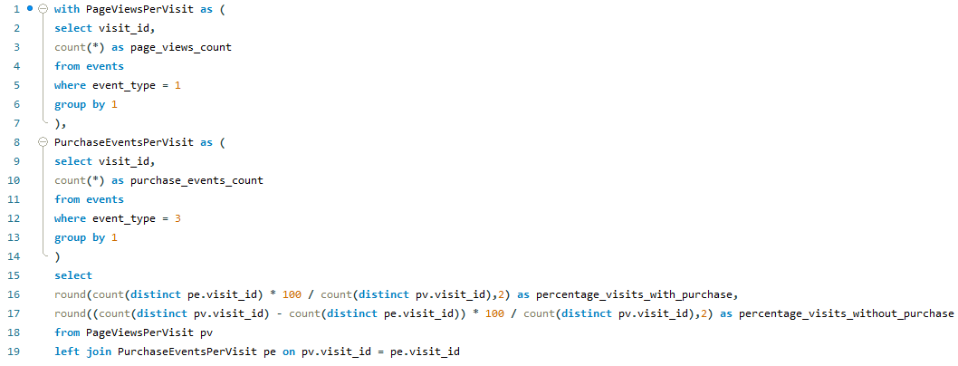
QUERY
 |  | O/P | percentage_visits_with_purchase | percentage_visits_without_purchase
 |  |  | 49.86 | 50.14

 |  | INSIGHTS

 |  | In conclusion, close to half (49.86%) of the visits logged in the dataset resulted in a purchase event, while the remaining portion (50.14%) did not culminate in a purchase.

Q8
Q) | Determine the mean number of cookie IDs associated with each event.

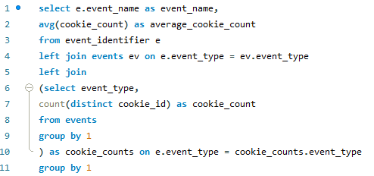
QUERY |  |  | O/P | event_name | average_cookie_count
 |  |  |  | Page View | 1782.0000
 |  |  |  | Add to Cart | 1715.0000
 |  |  |  | Purchase | 1352.0000
 |  |  |  | Ad Impression | 876.0000
 |  |  |  | Ad Click | 702.0000

 |  | INSIGHTS

The analysis unveils varying average numbers of cookie IDs across different events. Page views and add-to-cart events exhibit high averages, implying widespread engagement and robust purchase intent. Purchase events, although slightly fewer in IDs, suggest successful conversions. Ad impressions boast a moderate average, whereas ad clicks record the lowest, indicating a decline in engagement. These insights provide valuable comprehension of user behavior and engagement levels.

Q9
Q) | What is the typical (average) sequence number observed for each event?

QUERY |  |  | INSIGHTS

The mean sequence numbers unveil the chronological order of events within user journeys. Typically, page views occur at the outset (average sequence number: 6.3055), succeeded by add-to-cart events (average: 8.6806), and culminating in purchases (average: 13.3697). Notably, ad impressions and ad clicks tend to occur earliest (averages: 2.0000 and 3.0000, respectively). Insight into these patterns is instrumental in refining marketing strategies and enhancing user experiences.

O/P | event_name | average_sequence_number
 | Page View | 6.3055
 | Add to Cart | 8.6806
 | Purchase | 13.3697
 | Ad Impression | 2.0000
 | Ad Click | 3.0000

Q10
Q) | Compute the total count of cookie IDs and the number of unique cookie IDs for each event.

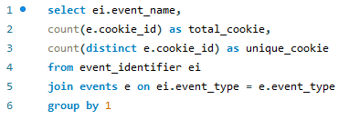
QUERY
 |  |  |  | INSIGHTS

Across each event, the aggregated count of cookie IDs encapsulates all occurrences, while unique cookie IDs denote individual user engagements. Notably, in Ad Click and Ad Impression events, the total and unique counts coincide, indicating singular user interactions per event. Conversely, within Add to Cart and Page View events, the total cookie IDs exceed the unique count, implying multiple actions by select users. However, for Purchase events, the unique cookie count closely mirrors the total, signifying fewer repetitive actions per user.

O/P | event_name | total_cookie | unique_cookie
 | Ad Click | 702 | 702
 | Ad Impression | 876 | 876
 | Add to Cart | 8451 | 1715
 | Page View | 20928 | 1782
 | Purchase | 1777 | 1352

Q11
Q) | Determine the aggregate count of users, the number of unique users, and the average user count for each event.
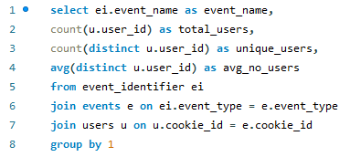
QUERY

 |  |  |  |  | INSIGHTS

Analysis of the data indicates variability in the total number of users engaged in each event. Unique users represent distinct individuals, with Page View events exhibiting the highest count. The average number of users participating in each event remains relatively consistent, ranging from approximately 244 to 251, implying stable user engagement across various event types.

O/P | event_name | total_users | unique_users | avg_no_users
 | Ad Click | 702 | 397 | 243.9950
 | Ad Impression | 876 | 442 | 249.4661
 | Add to Cart | 8451 | 499 | 250.9659
 | Page View | 20928 | 500 | 250.5000
 | Purchase | 1777 | 484 | 250.6777

Q12
Q) | Compute the total number of visits and unique visits for each event.
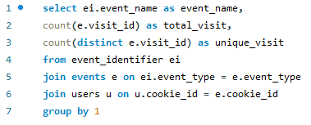
QUERY
 |  |  |  | INSIGHTS

 |  |  |  | The analysis unveils the total number of visits and unique visits for each event. Remarkably, Add to Cart and Page View events exhibit elevated total and unique visit counts compared to other event types, indicating heightened engagement with these actions. Unique visits denote individual sessions, while total visits encapsulate the overall activity volume associated with each event type.

O/P | event_name | total_visit | unique_visit
 | Ad Click | 702 | 702
 | Ad Impression | 876 | 876
 | Add to Cart | 8451 | 2510
 | Page View | 20928 | 3564
 | Purchase | 1777 | 1777

Q13
Q) | Determine the average number of visits for each event.

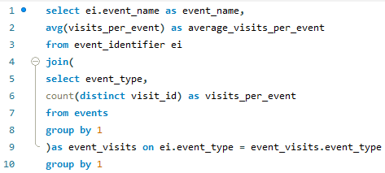
QUERY
 |  |  | INSIGHTS

The average number of visits per event demonstrates variability across different event types. Page Views exhibit the highest average visits, with 3564 visits per event, indicative of substantial user engagement. Add to Cart events follow closely with an average of 2510 visits, suggesting robust interest in product exploration. Purchase events yield an average of 1777 visits, reflecting conversion rates. In contrast, Ad Impression and Ad Click events record lower averages, at 876 and 702 visits, respectively, highlighting the challenges associated with driving user interactions in advertising campaigns.

O/P | event_name | average_visits_per_event
 | Page View | 3564.0000
 | Add to Cart | 2510.0000
 | Purchase | 1777.0000
 | Ad Impression | 876.0000
 | Ad Click | 702.0000

Q14
Q) | What are the cumulative and mean page views, cart additions, and purchases, alongside the purchase rate for visits with and without ad impressions?
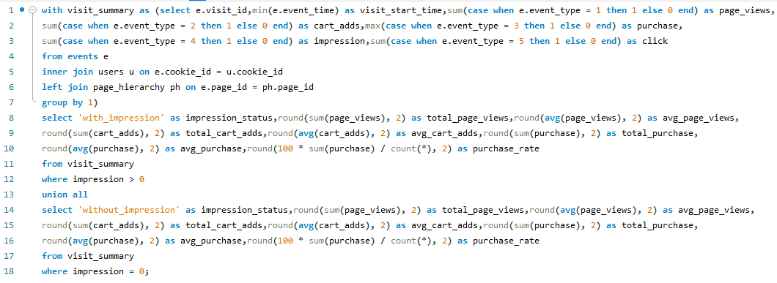
QUERY
 |  | O/P | impression_status | total_page_views | avg_page_views | total_cart_adds | avg_cart_adds | total_purchase | avg_purchase | purchase_rate
 |  |  | with_impression | 7485 | 8.54 | 4417 | 5.04 | 737 | 0.84 | 84.13
 |  |  | without_impression | 13443 | 5.00 | 4034 | 1.50 | 1040 | 0.39 | 38.69

 |  | INSIGHTS
Visits accompanied by ad impressions recorded a total of 7485 page views, 4417 cart additions, and 737 purchases, translating to average values of 8.54 page views, 5.04 cart additions, and 0.84 purchases per visit. Notably, the purchase rate for visits with ad impressions stood at 84.13%. Conversely, visits devoid of ad impressions accumulated 13443 page views, 4034 cart additions, and 1040 purchases, averaging 5.00 page views, 1.50 cart additions, and 0.39 purchases per visit, resulting in a purchase rate of 38.69%.
Impact of ad impression:
The analysis underscores the significant impact of ad impressions on user engagement and conversion rates within the dataset. Visits accompanied by ad impressions exhibit notably higher metrics across key performance indicators compared to those without. Specifically, visits with ad impressions yield an average of 8.54 page views, 5.04 cart additions, and 0.84 purchases per visit, showcasing a substantial uplift in user interaction and conversion. Conversely, visits lacking ad impressions show lower engagement levels, with an average of 5.00 page views, 1.50 cart additions, and 0.39 purchases per visit. This stark contrast emphasizes the influential role of ad impressions in driving desired actions and optimizing campaign effectiveness within the digital platform landscape.

Q15
Q) | What are the cumulative and mean counts of page views, cart additions, and purchases, alongside the purchase rate, for visits with and without ad clicks?
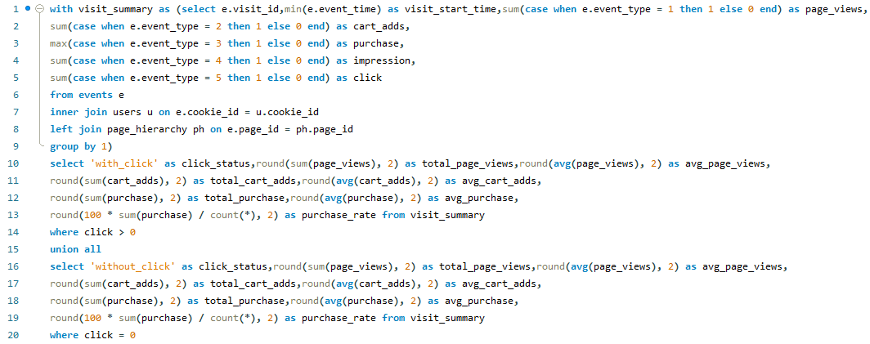
QUERY
 |  | O/P | click_status | total_page_views | avg_page_views | total_cart_adds | avg_cart_adds | total_purchase | avg_purchase | purchase_rate
 |  |  | with_click | 6370 | 9.07 | 4015 | 5.72 | 624 | 0.89 | 88.89
 |  |  | without_click | 14558 | 5.09 | 4436 | 1.55 | 1153 | 0.40 | 40.29

 |  |  | INSIGHTS
Visits accompanied by ad clicks accumulated a total of 6370 page views, 4015 cart additions, and 624 purchases, translating to average values of 9.07 page views, 5.72 cart additions, and 0.89 purchases per visit. Impressively, the purchase rate for visits with ad clicks reached 88.89%. Conversely, visits devoid of ad clicks amassed 14558 page views, 4436 cart additions, and 1153 purchases, with averages of 5.09 page views, 1.55 cart additions, and 0.40 purchases per visit, resulting in a purchase rate of 40.29%.
Impact of ad clicks:
The presence of ad clicks significantly elevates both user engagement and conversion rates within our dataset, as evidenced by a comparative analysis. Instances featuring ad clicks demonstrate substantially higher average values across key metrics. Specifically, with ad clicks, the average counts reach 9.07 for page views, 5.72 for cart additions, and 0.89 for purchases. In contrast, without ad clicks, these averages notably decline to 5.09 for page views, 1.55 for cart additions, and 0.40 for purchases. These findings underscore the pivotal role of ad clicks in fostering heightened user engagement and driving enhanced conversion rates, emphasizing the importance of targeted advertising strategies in optimizing digital platform performance.

Q16
Q) | What are the purchase rates for visits with user interactions via clicking, visits lacking impressions, and visits with impressions but devoid of clicks?
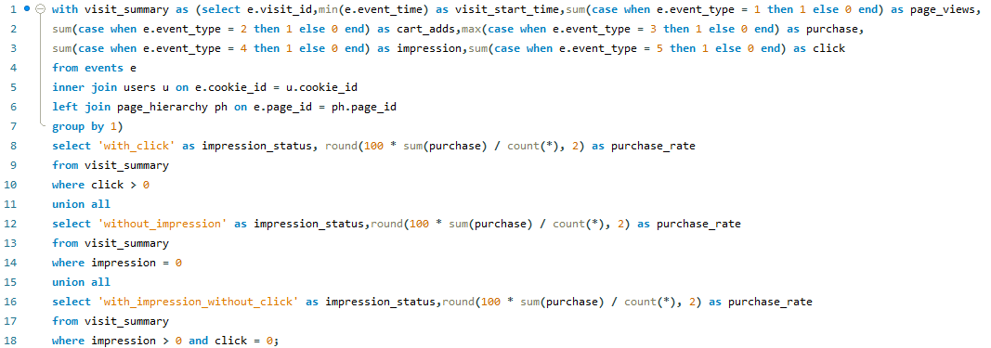
QUERY
 |  | O/P | impression_status | purchase_rate
 |  |  | with_click | 88.89
 |  |  | without_impression | 38.69
 |  |  | with_impression_without_click | 64.94

 |  | INSIGHTS
The conversion rate for visits involving user interactions via clicking stands at 88.89%. Conversely, for visits lacking impressions, the conversion rate is 38.69%. Additionally, for visits with impressions but devoid of clicks, the conversion rate amounts to 64.94%.

Q17
Q) | How can we determine the average time gap between consecutive events for each event type recorded in the dataset?

QUERY |  | O/P | event_name | avg_event_gap
 |  |  | Page View | 0.68
 |  |  | Add to Cart | 0.76
 |  |  | Ad Impression | 0.54
 |  |  | Ad Click | 0.46
 |  |  | Purchase | 0.86

 | INSIGHTS
The analysis reveals that each event type exhibits a distinct average time gap between consecutive occurrences. Notably, "Purchase" events display the lengthiest average gap of 0.86, implying a slower transition between purchases. Conversely, "Ad Click" events demonstrate the shortest gap of 0.46, indicating a more rapid succession. This understanding of varying time gaps provides valuable insights into user behavior patterns, enabling the optimization of engagement and conversion strategies to better align with user preferences and behaviors.

Q18
Q) | Calculate the average period users spend between consecutive events to gain insights into user engagement dynamics and interaction patterns.

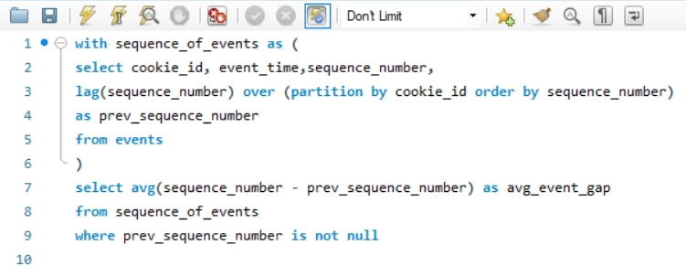
QUERY

 |  | INSIGHTS
The average period users allocate between successive events is approximately 0.70 units. This indicates a relatively short gap between consecutive events in user interactions.

O/P | avg_event_gap
 | 0.7027

CONCLUSION
CONCLUSION OF EVENT ANALYSIS
In conclusion, the thorough analysis conducted on unique user metrics, event distribution, monthly trends, and conversion rates yields invaluable insights for businesses operating within the dynamic realm of digital platforms. By delving into the intricacies of unique user engagement and interaction patterns, organizations can gain a nuanced understanding of their target audience's preferences and behaviors. Moreover, insights gleaned from event distribution across various dimensions shed light on critical areas of focus and potential avenues for optimization, enabling businesses to streamline their operations and allocate resources effectively.
Furthermore, the identification of monthly trends and conversion rates provides actionable intelligence for refining marketing strategies and enhancing the overall user experience. Armed with these insights, businesses can tailor their approach to better resonate with their audience, capitalize on emerging opportunities, and mitigate potential challenges. Ultimately, this data-driven approach empowers businesses to navigate the competitive landscape of digital platforms with confidence, driving sustained growth and success in an ever-evolving market environment.

