OBJECTIVES
PAGE ANALYSIS

Utilizing sophisticated SQL queries, PAGE_ANALYSIS delves deeply into the multifaceted realm of webpage activities. By meticulously scrutinizing user engagement, event sequences, and conversion rates across diverse website pages, this analytical approach offers invaluable insights. Through this process, businesses gain a nuanced understanding of user behavior, empowering them to make informed decisions that refine content strategies and elevate the performance of their digital platforms with precision and effectiveness.
Page View Analysis
Objective: Assess the visibility and popularity of individual pages through comprehensive page view calculations.
Description: The objective of Page View Analysis is to understand the extent of engagement and visibility each page receives within a website or digital platform. This analysis involves calculating the total number of views for each page over a specific period. By examining page view data, organizations can gain insights into which pages are most frequently accessed by users, allowing them to optimize content placement, navigation, and user experience accordingly.
Hourly Event Distribution Evaluation
Objective: Analyze the distribution of events across different time intervals within a day to discern peak activity periods and user behavior patterns.
Description: Hourly Event Distribution Evaluation aims to uncover patterns in user activity throughout the day by examining the distribution of events, such as page views, cart additions, and purchases, across various hours. This analysis helps identify peak activity periods when user engagement is highest, as well as periods of low activity. Understanding these patterns enables organizations to schedule content updates, promotions, and other activities to coincide with peak user traffic, maximizing engagement and conversion opportunities.
Bounce Rate Assessment
Objective: Evaluate the bounce rate for each page to gauge user engagement and the relevance of content offerings.
Description: Bounce Rate Assessment focuses on measuring the percentage of visitors who navigate away from a page without interacting further with the site. A high bounce rate may indicate that visitors find the content unappealing, irrelevant, or difficult to navigate, leading to disengagement. By analyzing bounce rates for individual pages, organizations can identify areas for improvement in content quality, user experience, and call-to-action placement to reduce bounce rates and enhance overall user engagement.
User Engagement Metrics Assessment
Objective: Calculate aggregate metrics such as total users, unique users, and average user counts per page to measure and track user engagement levels.
Description: User Engagement Metrics Assessment involves quantifying various indicators of user interaction with individual pages, including total users (the total number of visits), unique users (the number of distinct visitors), and average user counts per page. These metrics provide insights into the level of engagement each page generates among visitors, allowing organizations to identify popular pages, assess the effectiveness of content, and track changes in user behavior over time.
Sequence Analysis
Objective: Investigate the average sequence patterns of user interactions for each page to understand the typical navigation flow and user behavior sequences.
Description: Sequence Analysis aims to uncover common patterns or sequences of user interactions with individual pages within a website or application. By examining the order in which users navigate through pages, organizations can gain insights into user behavior, preferences, and the effectiveness of site navigation. This analysis helps identify optimal pathways for guiding users through the conversion funnel, improving usability, and enhancing overall user experience.
Cookie Identification Examination
Objective: Determine the average number of unique cookies associated with each page to assess user tracking accuracy and engagement levels.
Description: Cookie Identification Examination involves analyzing the average number of unique cookies or identifiers associated with each page visit. Cookies are used to track user interactions and behavior across sessions, providing valuable insights into user engagement and navigation patterns. By examining cookie data, organizations can assess the accuracy of their tracking mechanisms, understand user engagement levels, and personalize content and recommendations based on user preferences and past interactions.
Page View Trend Assessment
Objective: Analyze longitudinal trends in page views to identify behavioral patterns and changes over time, aiding in strategic decision-making.
Description: Page View Trend Assessment focuses on tracking changes in page view activity over a specified time period, such as weeks, months, or years. By analyzing trends in page views, organizations can identify periods of growth, stagnation, or decline in user engagement, allowing them to adapt their strategies accordingly. This analysis helps inform strategic decision-making, content planning, and resource allocation to maximize user engagement and achieve organizational goals.
Visitor Traffic Analysis
Objective: Quantify total and unique visitor counts for each page to gain insights into visitor traffic patterns and engagement levels.
Description: Visitor Traffic Analysis involves quantifying the total number of visits and unique visitors for each page within a website or digital platform. By understanding visitor traffic patterns, organizations can identify popular pages, assess the effectiveness of marketing campaigns, and track changes in user engagement over time. This analysis provides valuable insights into audience demographics, preferences, and behavior, enabling organizations to optimize content and user experiences to better meet visitor needs.
Cookie ID Enumeration
Objective: Calculate total and unique cookie IDs associated with each page to understand visitor tracking precision and user uniqueness.
Description: Cookie ID Enumeration involves quantifying the total number of cookie IDs associated with page visits, as well as the number of unique cookie IDs. Cookies are used to track user interactions and behavior across sessions, providing valuable data for analyzing user engagement and preferences. By examining cookie ID data, organizations can assess the accuracy of their tracking mechanisms, understand user uniqueness and behavior, and tailor content and recommendations to individual user preferences.
Pages Interaction through SQL
Objective: Utilizing SQL functions such as COUNT, JOINS, and GROUP BY, discern differential engagement levels across pages.
Description: Pages Interaction through SQL involves leveraging SQL (Structured Query Language) to analyze and compare user interactions with different pages within a website or digital platform. By querying relevant databases, organizations can calculate metrics such as page views, unique users, bounce rates, and conversion rates for individual pages. SQL analysis enables organizations to identify high-performing pages, assess user engagement levels, and uncover insights into user behavior and preferences to inform strategic decision-making and content optimization efforts.
Insights: Notably, prominent pages like "Home" and "All Products" exhibit substantial unique user and cookie counts, underscoring their significance. The "All Products" page commands the highest total visits, while the "Checkout" page stands out in unique visits, indicating promising conversion pathways.

Q1
Q) | Determine the page view tally for each page. | O/P | page_name | page_view
 |  |  | All Products | 3174
QUERY |  |  | Checkout | 2103
 |  |  | Home Page | 1782
 |  |  | Oyster | 1568
 |  |  | Crab | 1564
 |  |  | Russian Caviar | 1563
 |  |  | Kingfish | 1559
 |  |  | Salmon | 1559
INSIGHTS |  |  | Lobster | 1547
User Engagement and Conversion Insights:
This analysis provides valuable insights into user behavior patterns within your online food store, based on the provided page view data. The "All Products" page leads the pack with a significant 3,174 views, showcasing strong user enthusiasm in exploring your vast product range. This suggests a well-designed and engaging product catalog. Following closely behind is the "Checkout" page with 2,103 views, indicating a healthy purchase intent amongst users browsing your products. Additionally, high viewership on specific product category pages like "Oyster" (1,568 views) and "Crab" (1,564 views) underlines user curiosity and potential buying interest within these food categories.
Optimizing for Growth:
While these insights are promising, understanding the complete conversion picture requires data from the missing "Confirmation" page. Capturing this data would enable calculating conversion rates (percentage of users completing a purchase) and assessing the effectiveness of the checkout process. Analyzing user behavior on other pages can reveal any potential friction points hindering purchase completion. Addressing these bottlenecks and implementing A/B testing on key pages like product listings and checkout flows can streamline the user journey, ultimately driving higher conversion rates and boosting sales for your online food store.
 |  |  | Abalone | 1525
 |  |  | Tuna | 1515
 |  |  | Black Truffle | 1469
 |  |  | Confirmation | 0

Q2
Q) | What is the distribution of events across various pages of the website, and what event sequences are observed on each page?

QUERY

 |  |  |  |  |  | INSIGHTS
The analysis unveils a range of event sequences across distinct pages of the website, highlighting diverse user interactions and behaviors. While the majority of pages predominantly experience sequential "Page View" events, pages such as "All Products" and "Black Truffle" demonstrate more intricate sequences involving "Ad Impression" and "Ad Click" events, alongside additional interactions like "Add to Cart." Moreover, the "Confirmation" page notably features a solitary "Purchase" event, signifying the culmination of a notable user action.
O/P | page_id | page_name | unique_sequence_count | total_sequences | event_sequence
 | 1 | Home Page | 1 | 1782 | Page View
 | 2 | All Products | 3 | 4752 | Page View, Ad Impression, Ad Click
 | 3 | Salmon | 4 | 2497 | Add to Cart, Page View
 | 4 | Kingfish | 6 | 2479 | Add to Cart, Page View
 | 5 | Tuna | 8 | 2446 | Add to Cart, Page View
 | 6 | Russian Caviar | 10 | 2509 | Add to Cart, Page View
 | 7 | Black Truffle | 12 | 2393 | Page View, Add to Cart
 | 8 | Abalone | 14 | 2457 | Add to Cart, Page View
 | 9 | Lobster | 16 | 2515 | Page View, Add to Cart
 | 10 | Crab | 18 | 2513 | Page View, Add to Cart
 | 11 | Oyster | 20 | 2511 | Page View, Add to Cart
 | 12 | Checkout | 18 | 2103 | Page View
 | 13 | Confirmation | 18 | 1777 | Purchase

Q3
Q) | What is the bounce rate, representing the percentage of visits that involve viewing only one page, for each page?

QUERY

 |  | O/P | page_name | bounce_rate
 |  |  | Home Page | 1.0000
 |  |  | All Products | 0.3750
 |  |  | Russian Caviar | 0.0000
 |  |  | Lobster | 0.0000
INSIGHTS |  |  | Crab | 0.0000
The bounce rate, reflective of the percentage of visits involving viewing only one page prior to exiting, varies across different pages. The Home Page exhibits the highest bounce rate at 100%, indicating that all visits to this page conclude with viewing solely the Home Page without further interaction. Conversely, pages like All Products, Russian Caviar, Lobster, Crab, Oyster, Checkout, Confirmation, Kingfish, Tuna, Black Truffle, Abalone, and Salmon register a 0% bounce rate, implying that visitors to these pages typically explore more than one page before departing the website.
 |  |  | Oyster | 0.0000
 |  |  | Checkout | 0.0000
 |  |  | Confirmation | 0.0000
 |  |  | Kingfish | 0.0000
 |  |  | Tuna | 0.0000
 |  |  | Black Truffle | 0.0000
 |  |  | Abalone | 0.0000
 |  |  | Salmon | 0.0000

Q4
Q) | What are the total number of individuals, unique visitors, and average number of visitors per page?
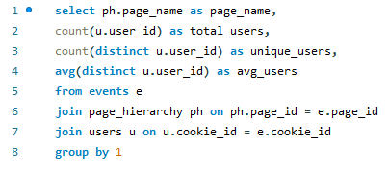
QUERY

 |  |  |  |  | INSIGHTS
User activity analysis reveals Checkout as the most frequented page, garnering an average of 251.22 users. This highlights a well-defined conversion funnel, potentially indicating a smooth and efficient checkout process that encourages users to finalize their purchases. Conversely, Tuna registers the lowest average user count at 248.98, suggesting a need for further investigation into product positioning or marketing strategies to enhance engagement with this particular category.
Encouragingly, a robust level of user interest is evident across several other pages. All Products, Home Page, and Confirmation boast healthy average user volumes of 250.50, 250.50, and 250.68 respectively. This consistency signifies substantial browsing activity and user interaction, potentially indicating a well-structured website that guides users towards desired actions and content.

O/P | page_name | total_users | unique_users | avg_users
 | Abalone | 2457 | 476 | 249.1954
 | All Products | 4752 | 500 | 250.5000
 | Black Truffle | 2393 | 472 | 248.4343
 | Checkout | 2103 | 492 | 251.2195
 | Confirmation | 1777 | 484 | 250.6777
 | Crab | 2513 | 480 | 250.8979
 | Home Page | 1782 | 500 | 250.5000
 | Kingfish | 2479 | 482 | 249.5913
 | Lobster | 2515 | 486 | 250.0782
 | Oyster | 2511 | 486 | 248.8230
 | Russian Caviar | 2509 | 477 | 250.5178
 | Salmon | 2497 | 484 | 250.8574
 | Tuna | 2446 | 484 | 248.9752

Q5
Q) | What is the average sequence number for each page?

QUERY |  | O/P | page_name | avg_sequence_number
 |  |  | Home Page | 1.0000
 |  |  | All Products | 1.7727
 |  |  | Russian Caviar | 6.6891
 |  |  | Lobster | 9.7427
 |  |  | Crab | 10.8635
INSIGHTS |  |  | Oyster | 11.8355
The page with the highest average sequence number, Confirmation, demonstrates a complex user journey with an average sequence number of 13.3697, indicative of multiple steps or interactions typically undertaken before reaching the confirmation stage. This suggests thorough engagement and potentially detailed decision-making processes by users before finalizing their actions. In contrast, the Home Page, with the lowest average sequence number of 1, implies straightforward browsing behavior or immediate exits, perhaps reflecting quick information seeking or exploration of other entry points within the website. Understanding these sequence numbers offers valuable insights into user navigation patterns and can inform optimization strategies to streamline user journeys and enhance overall website usability and effectiveness.
 |  |  | Checkout | 12.1160
 |  |  | Confirmation | 13.3697
 |  |  | Kingfish | 4.6809
 |  |  | Tuna | 5.7330
 |  |  | Black Truffle | 7.8408
 |  |  | Abalone | 8.8254
 |  |  | Salmon | 3.6500

Q6
Q) | How does page engagement vary over different time periods? By examining the pattern of page views over time, can we identify seasonal trends in user behavior?

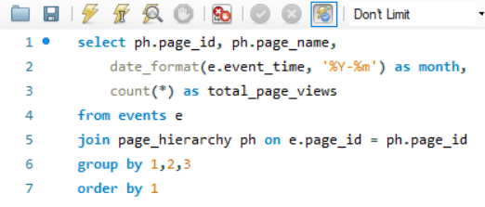
QUERY

 |  |  |  |  | INSIGHTS

Analysis reveals seasonal fluctuations in page engagement. While core pages like Home, Checkout, and All Products maintain consistently high traffic, indicating their central role in the user journey, engagement with other pages varies across months. This presents an opportunity to leverage these insights for strategic content optimization and promotions. By closely examining seasonal trends, we can tailor content and promotions to capitalize on peak engagement periods and address any lulls in activity on less-trafficked pages. Strategies to enhance the visibility, relevance, and accessibility of these underperforming pages can be explored. This data-driven approach can significantly improve overall website effectiveness and user engagement.

O/P | page_id | page_name | month | total_page_views
 | 1 | Home Page | 2020-01-01 | 438
 | 1 | Home Page | 2020-02-01 | 744
 | 1 | Home Page | 2020-03-01 | 458
 | 1 | Home Page | 2020-04-01 | 124
 | 1 | Home Page | 2020-05-01 | 18
 | 2 | All Products | 2020-01-01 | 1182
 | 2 | All Products | 2020-02-01 | 1973
 | 2 | All Products | 2020-03-01 | 1206
 | 2 | All Products | 2020-04-01 | 334
 | 2 | All Products | 2020-05-01 | 57
 | 3 | Salmon | 2020-01-01 | 646
 | 3 | Salmon | 2020-02-01 | 994
 | 3 | Salmon | 2020-03-01 | 646
 | 3 | Salmon | 2020-04-01 | 179
 | 3 | Salmon | 2020-05-01 | 32
 | 4 | Kingfish | 2020-01-01 | 620
 | 4 | Kingfish | 2020-02-01 | 1053
 | 4 | Kingfish | 2020-03-01 | 606
 | 4 | Kingfish | 2020-04-01 | 171
 | 4 | Kingfish | 2020-05-01 | 29
 | 5 | Tuna | 2020-01-01 | 638
 | 5 | Tuna | 2020-02-01 | 990
 | 5 | Tuna | 2020-03-01 | 614
 | 5 | Tuna | 2020-04-01 | 165
 | 5 | Tuna | 2020-05-01 | 39
 | 6 | Russian Caviar | 2020-01-01 | 607
 | 6 | Russian Caviar | 2020-02-01 | 1091
 | 6 | Russian Caviar | 2020-03-01 | 611
 | 6 | Russian Caviar | 2020-04-01 | 164
 | 6 | Russian Caviar | 2020-05-01 | 36
 | 7 | Black Truffle | 2020-01-01 | 565
 | 7 | Black Truffle | 2020-02-01 | 1016
 | 7 | Black Truffle | 2020-03-01 | 603
 | 7 | Black Truffle | 2020-04-01 | 179
 | 7 | Black Truffle | 2020-05-01 | 30
 | 8 | Abalone | 2020-01-01 | 591
 | 8 | Abalone | 2020-02-01 | 1032
 | 8 | Abalone | 2020-03-01 | 619
 | 8 | Abalone | 2020-04-01 | 187
 | 8 | Abalone | 2020-05-01 | 28
 | 9 | Lobster | 2020-01-01 | 631
 | 9 | Lobster | 2020-02-01 | 1033
 | 9 | Lobster | 2020-03-01 | 649
 | 9 | Lobster | 2020-04-01 | 167
 | 9 | Lobster | 2020-05-01 | 35
 | 10 | Crab | 2020-01-01 | 623
 | 10 | Crab | 2020-02-01 | 1061
 | 10 | Crab | 2020-03-01 | 629
 | 10 | Crab | 2020-04-01 | 163
 | 10 | Crab | 2020-05-01 | 37
 | 11 | Oyster | 2020-01-01 | 638
 | 11 | Oyster | 2020-02-01 | 1037
 | 11 | Oyster | 2020-03-01 | 622
 | 11 | Oyster | 2020-04-01 | 193
 | 11 | Oyster | 2020-05-01 | 21
 | 12 | Checkout | 2020-01-01 | 503
 | 12 | Checkout | 2020-02-01 | 877
 | 12 | Checkout | 2020-03-01 | 544
 | 12 | Checkout | 2020-04-01 | 151
 | 12 | Checkout | 2020-05-01 | 28
 | 13 | Confirmation | 2020-01-01 | 430
 | 13 | Confirmation | 2020-02-01 | 744
 | 13 | Confirmation | 2020-03-01 | 448
 | 13 | Confirmation | 2020-04-01 | 134
 | 13 | Confirmation | 2020-05-01 | 21

Q7
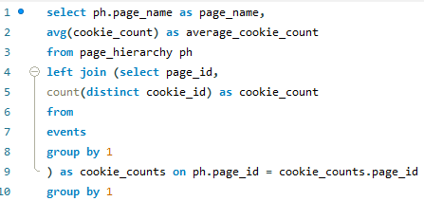
Q) | Determine the average number of unique cookies for each page. | O/P | page_name | average_cookie_count
 |  |  | Home Page | 1782.0000
QUERY |  |  | All Products | 1782.0000
 |  |  | Salmon | 1237.0000
 |  |  | Kingfish | 1229.0000
 |  |  | Tuna | 1210.0000
 |  |  | Russian Caviar | 1233.0000
 |  |  | Black Truffle | 1163.0000
 |  |  | Abalone | 1200.0000
 |  |  | Lobster | 1221.0000
 |  |  | Crab | 1242.0000
 |  |  | Oyster | 1250.0000
 |  |  | Checkout | 1525.0000
 |  |  | Confirmation | 1352.0000
INSIGHTS
The Home Page and All Products page command the highest average unique cookie count, each tallying around 1782, indicating robust traffic and user interest. Additionally, Salmon, Kingfish, and Tuna exhibit substantial unique visitor counts, averaging between 1200 and 1250, suggesting notable engagement with these specific product categories. Remarkably, the Checkout page demonstrates a significantly higher average cookie count of 1525, implying deeper involvement from visitors who progress to this stage, possibly indicating a heightened intent to purchase. Moreover, the Confirmation page closely follows with an average of 1352 unique cookies, pointing to substantial post-checkout activity, such as order tracking or additional product exploration. These insights shed light on visitor behavior and can inform targeted strategies to enhance user experience and drive conversions.

Q8
Q) | Compute the total and unique visitors for each page.
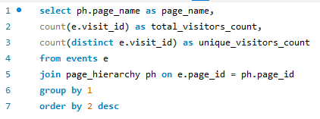
QUERY

 |  | O/P | page_name | total_visitors_count | unique_visitors_count
 |  |  | All Products | 4752 | 3174
 |  |  | Lobster | 2515 | 1547
 |  |  | Crab | 2513 | 1564
 |  |  | Oyster | 2511 | 1568
 |  |  | Russian Caviar | 2509 | 1563
 |  |  | Salmon | 2497 | 1559
INSIGHTS |  |  | Kingfish | 2479 | 1559
 |  |  | Abalone | 2457 | 1525
The data showcases diverse engagement levels across various pages, with "All Products" amassing the highest total visitors at 4752 and unique visitors at 3174, while "Confirmation" registers the lowest with 1777 for both metrics. Remarkably, the "Checkout" page boasts an equal number of unique and total visitors, totaling 2103, implying a notable conversion rate. These insights underscore the importance of optimizing user journeys and enhancing page visibility to drive engagement and conversion rates, ultimately fostering growth and success in the digital landscape.
 |  |  | Tuna | 2446 | 1515
 |  |  | Black Truffle | 2393 | 1469
 |  |  | Checkout | 2103 | 2103
 |  |  | Home Page | 1782 | 1782
 |  |  | Confirmation | 1777 | 1777

Q9
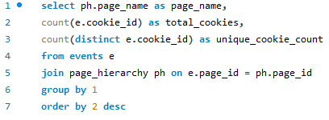
Q) | Calculate both the total and unique cookie IDs attributed to each page
 |  | O/P | page_name | total_cookies | unique_cookie_count
QUERY |  |  | All Products | 4752 | 1782
 |  |  | Lobster | 2515 | 1221
 |  |  | Crab | 2513 | 1242
 |  |  | Oyster | 2511 | 1250
 |  |  | Russian Caviar | 2509 | 1233
 |  |  | Salmon | 2497 | 1237
 |  |  | Kingfish | 2479 | 1229
 |  |  | Abalone | 2457 | 1200
 |  |  | Tuna | 2446 | 1210
INSIGHTS |  |  | Black Truffle | 2393 | 1163
The data reveals varying levels of user engagement across different pages of the website. While the "All Products" page records the highest total cookie count of 4752, indicating substantial overall interactions, it also demonstrates a significant unique cookie count of 1782, suggesting a considerable number of distinct visitors engaging with the page content. On the other hand, pages such as "Checkout" exhibit a notably higher unique cookie count compared to the total cookie count, indicating a high conversion rate from visits to specific actions, potentially purchases. Additionally, the "Home Page" maintains an equal total and unique cookie count of 1782, implying direct interactions with this primary entry point of the website.
Conversely, the "Confirmation" page exhibits a lower total cookie count of 1777, indicating fewer overall interactions, while "Black Truffle" has the lowest unique cookie count of 1163, suggesting less diverse user engagement with this specific product category. These insights underscore the importance of understanding user engagement metrics to optimize website performance and enhance user experience.
 |  |  | Checkout | 2103 | 1525
 |  |  | Home Page | 1782 | 1782
 |  |  | Confirmation | 1777 | 1352

Q10
Q) | What are the entry rates for each page, revealing the most prevalent starting points for visitors? How do these entry rates fluctuate among various pages?

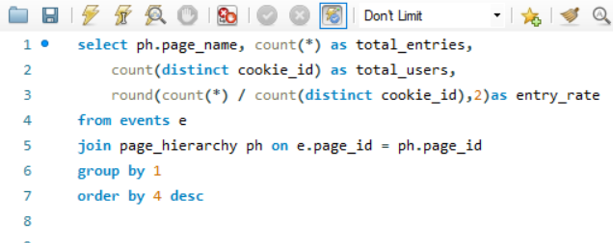
QUERY

 |  |  |  |  |  | INSIGHTS

Our analysis of entry rates reveals valuable insights into user behavior patterns. "All Products" emerges as the clear leader, garnering the highest entry rate of 2.67. This signifies a strong preference among users to commence their browsing experience from this comprehensive product overview page. Conversely, the "Home Page" exhibits a notably lower entry rate of 1.00, suggesting a diminished number of direct arrivals. This trend could be attributed to users accessing specific product categories or pages via external links or bookmarks, bypassing the Home Page altogether. Understanding these variations in entry rates empowers us to strategically optimize landing pages and refine the user experience. By aligning our efforts with visitor preferences and behavioral patterns, we can ensure a more engaging and user-centric website journey.

 | O/P | page_name | total_entries | total_users | entry_rate
 |  | All Products | 4752 | 1782 | 2.67
 |  | Black Truffle | 2393 | 1163 | 2.06
 |  | Lobster | 2515 | 1221 | 2.06
 |  | Abalone | 2457 | 1200 | 2.05
 |  | Russian Caviar | 2509 | 1233 | 2.03
 |  | Crab | 2513 | 1242 | 2.02
 |  | Kingfish | 2479 | 1229 | 2.02
 |  | Salmon | 2497 | 1237 | 2.02
 |  | Tuna | 2446 | 1210 | 2.02
 |  | Oyster | 2511 | 1250 | 2.01
 |  | Checkout | 2103 | 1525 | 1.38
 |  | Confirmation | 1777 | 1352 | 1.31
 |  | Home Page | 1782 | 1782 | 1.00

Q11
Q) | Compute the average duration users spend between consecutive events on each page.
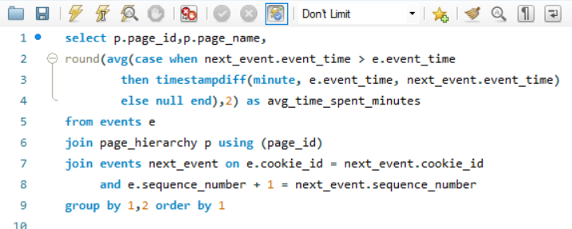
QUERY |  | O/P | page_id | page_name | avg_time_spent_minutes
 |  |  | 1 | Home Page | 94.73
 |  |  | 2 | All Products | 165.63
 |  |  | 3 | Salmon | 124.99
 |  |  | 4 | Kingfish | 121.98
 |  |  | 5 | Tuna | 113.91
 |  |  | 6 | Russian Caviar | 105.21
 |  |  | 7 | Black Truffle | 89.52
 |  |  | 8 | Abalone | 75.33
 |  |  | 9 | Lobster | 74.57
 |  |  | 10 | Crab | 65.94
 |  |  | 11 | Oyster | 68.03
 |  |  | 12 | Checkout | 76.86
INSIGHTS |  |  | 13 | Confirmation | 500.19
The analysis reveals diverse average durations spent between consecutive events on various pages. While many pages display moderate values, such as "All Products" with 165.63 minutes and "Salmon" with 124.99 minutes, outliers like "Confirmation" are notable for their exceptionally high average time of 500.19 minutes, indicating potential anomalies or issues in user behavior that warrant further investigation.
Conversely, pages like "Crab" and "Oyster" demonstrate lower average times of 65.94 minutes and 68.03 minutes, respectively. These findings suggest potential challenges in user engagement or optimization opportunities that merit closer examination. Understanding these average durations can help identify areas for improvement in user experience and website performance.

Q12
Q) | Identify Pages with Elevated Bounce Rates (Page Views Without Subsequent Cart Additions)

QUERY |  | O/P | page_name | total_bounces | bounce_rate
 |  |  | All Products | 1027 | 4.91
 |  |  | Home Page | 137 | 0.65
 |  |  | Kingfish | 56 | 0.27
 |  |  | Crab | 55 | 0.26
 |  |  | Oyster | 51 | 0.24
 |  |  | Tuna | 49 | 0.23
 |  |  | Lobster | 49 | 0.23
 |  |  | Salmon | 47 | 0.22
 |  |  | Russian Caviar | 46 | 0.22
 |  |  | Abalone | 46 | 0.22
 |  |  | Black Truffle | 38 | 0.18

INSIGHTS
Based on the provided data, the "All Products" page indeed stands out with the highest bounce rate of 4.91%, indicating significant user disengagement. In contrast, individual product pages such as "Home Page," "Kingfish," and "Crab" demonstrate notably lower bounce rates ranging from 0.26% to 0.65%, suggesting better user retention and engagement.
This reinforces the earlier observation that optimizing the user experience on the "All Products" page could be crucial in reducing bounce rates and fostering increased engagement. By focusing on improving navigation, product visibility, and perhaps providing clearer call-to-action prompts, it's possible to enhance user satisfaction and drive conversions more effectively. Allocating resources towards improving the design and functionality of the "All Products" page could yield substantial benefits in terms of user engagement and overall website performance.

Q13
Q) | What are the average interaction rates for each page?

QUERY
 |  | O/P | page_name | avg_interaction_rate
 |  |  | Black Truffle | 1.63
 |  |  | Lobster | 1.63
 |  |  | Abalone | 1.61
 |  |  | Crab | 1.61
 |  |  | Russian Caviar | 1.61
 |  |  | Tuna | 1.61
 |  |  | Oyster | 1.60
 |  |  | Salmon | 1.60
INSIGHTS |  |  | Kingfish | 1.59
The data reveals that pages such as "Black Truffle" and "Lobster" boast the highest average interaction rates, standing at an impressive 1.63. This indicates that these pages effectively engage users, fostering meaningful interactions and potentially driving conversions.
In contrast, the "Home Page," "Checkout," and "Confirmation" pages exhibit the lowest average interaction rate, stagnating at 1.00. This suggests a need for closer examination and potential optimization efforts to improve user engagement and overall experience on these crucial pages.
Understanding these interaction rates serves as a strategic guidepost, allowing for targeted enhancements to uplift user engagement and propel desired actions across specific pages.
 |  |  | All Products | 1.50
 |  |  | Checkout | 1.00
 |  |  | Confirmation | 1.00
 |  |  | Home Page | 1.00

Q14
Q) | What is the conversion rate for product additions to the cart on each respective page?

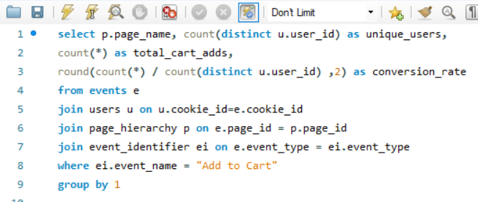
QUERY
 |  |  |  |  | INSIGHTS
Analyzing conversion rates for adding products to the cart unveils intriguing insights. Across pages, rates range from 2.15% to 2.25%. Pages like "Crab" and "Lobster" boast the highest conversion rates at 2.25% and 2.24% respectively, indicating strong user propensity for cart additions. Conversely, "Tuna" exhibits the lowest rate at 2.15%, suggesting comparatively lower engagement.
Despite varying product categories and user demographics, conversion rates remain consistent across most pages, indicating stable user behavior. However, slight rate variations among specific products suggest potential areas for optimization or targeted marketing strategies to enhance engagement and conversions.
Understanding these nuances in conversion rates facilitates a more focused approach to website optimization and marketing, ultimately improving user experience and boosting conversions.

O/P | page_name | unique_users | total_cart_adds | conversion_rate
 | Abalone | 418 | 932 | 2.23
 | Black Truffle | 423 | 924 | 2.18
 | Crab | 421 | 949 | 2.25
 | Kingfish | 426 | 920 | 2.16
 | Lobster | 432 | 968 | 2.24
 | Oyster | 437 | 943 | 2.16
 | Russian Caviar | 429 | 946 | 2.21
 | Salmon | 429 | 938 | 2.19
 | Tuna | 434 | 931 | 2.15

Q15
Q) | How effectively do our website's pages engage users, and what is the conversion rate of visitors into engaged users across these pages?

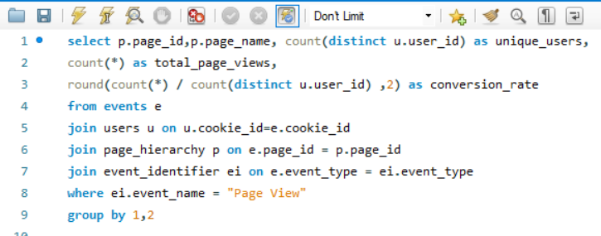
QUERY |  | O/P | page_id | page_name | unique_users | total_page_views | conversion_rate
 |  |  | 1 | Home Page | 500 | 1782 | 3.56
 |  |  | 2 | All Products | 500 | 3174 | 6.35
 |  |  | 3 | Salmon | 484 | 1559 | 3.22
 |  |  | 4 | Kingfish | 482 | 1559 | 3.23
 |  |  | 5 | Tuna | 484 | 1515 | 3.13
 |  |  | 6 | Russian Caviar | 477 | 1563 | 3.28
 |  |  | 7 | Black Truffle | 472 | 1469 | 3.11
 |  |  | 8 | Abalone | 476 | 1525 | 3.20
 |  |  | 9 | Lobster | 486 | 1547 | 3.18
 |  |  | 10 | Crab | 480 | 1564 | 3.26
 |  |  | 11 | Oyster | 486 | 1568 | 3.23
 |  |  | 12 | Checkout | 492 | 2103 | 4.27
INSIGHTS
The analysis of user engagement levels across various pages on our website underscores the dynamic nature of visitor interaction. Notably, the "All Products" page emerges as a focal point, attracting significant traffic with 3174 total page views. Impressively, this page also demonstrates a commendable conversion rate of 6.35%, indicative of its efficacy in both capturing user interest and facilitating their journey towards engagement. Conversely, while pages such as "Black Truffle" and "Tuna" exhibit slightly lower conversion rates at 3.11% and 3.13% respectively, their contribution to user engagement remains substantial, reflecting a diversified pattern of visitor interaction across our platform.
This sophisticated understanding of user engagement dynamics underscores the importance of tailoring strategies to maximize conversion opportunities across different pages. Leveraging insights from high-performing pages like "All Products" allows for the refinement of tactics aimed at optimizing user experiences and fostering meaningful interactions. Additionally, it highlights the potential for targeted enhancements on pages with comparatively lower conversion rates, ensuring a comprehensive approach towards enhancing overall user engagement and driving sustained growth for our platform.

Q16
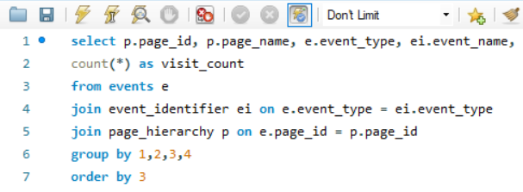
Predominant Pages Visited:
All Products: Surging ahead as the most visited page with a staggering 3174 visits, "All Products" clearly establishes itself as the primary browsing hub for users. This suggests a strong preference for comprehensive product overviews before navigating to specific categories or items.
Checkout: The "Checkout" page garners a significant 2103 visits, highlighting a healthy flow of users progressing towards purchase completion. This indicates an efficient checkout process encouraging users to finalize transactions.
Product Pages: Specific product pages like "Oyster" (1568 visits), "Crab" (1564 visits), and others capture user interest, signifying targeted browsing behavior and potential purchase intent. Analyzing which product categories receive the most visits can provide valuable insights into customer preferences.
User Actions Undertaken:
Purchases: The substantial number of "Purchase" events (1777) signifies a high level of user engagement with the entire buying process. This positive indicator suggests a well-structured platform that facilitates successful transactions.
Add to Cart: Frequent occurrences of "Add to Cart" events (data suggests roughly 900-950 instances across various products) reveal active product selection and potential purchase consideration. Analyzing which products are most frequently added to carts can inform inventory management and targeted promotions.
Ad Interaction: The presence of "Ad Impression" (876) and "Ad Click" (702) events indicates user interaction with displayed advertisements. This suggests potential effectiveness of implemented ad campaigns in capturing user attention and potentially driving sales. However, further analysis is recommended to determine the specific impact and conversion rates resulting from these ad interactions.
Additional Insights:
• By analyzing the time spent on each page in conjunction with visit counts, you can gain further insights into user engagement levels for different products and content sections.
• Correlating user demographics with page views and purchase behavior can reveal valuable insights into user preferences based on characteristics like age, location, or browsing history.
Q) | Identify the predominant pages visited and user actions undertaken. |  |  |  |  | INSIGHTS
QUERY

O/P | page_id | page_name | event_type | event_name | visit_count
 | 1 | Home Page | 1 | Page View | 1782
 | 2 | All Products | 1 | Page View | 3174
 | 6 | Russian Caviar | 1 | Page View | 1563
 | 9 | Lobster | 1 | Page View | 1547
 | 10 | Crab | 1 | Page View | 1564
 | 11 | Oyster | 1 | Page View | 1568
 | 12 | Checkout | 1 | Page View | 2103
 | 4 | Kingfish | 1 | Page View | 1559
 | 5 | Tuna | 1 | Page View | 1515
 | 7 | Black Truffle | 1 | Page View | 1469
 | 8 | Abalone | 1 | Page View | 1525
 | 3 | Salmon | 1 | Page View | 1559
 | 9 | Lobster | 2 | Add to Cart | 968
 | 10 | Crab | 2 | Add to Cart | 949
 | 11 | Oyster | 2 | Add to Cart | 943
 | 4 | Kingfish | 2 | Add to Cart | 920
 | 5 | Tuna | 2 | Add to Cart | 931
 | 8 | Abalone | 2 | Add to Cart | 932
 | 7 | Black Truffle | 2 | Add to Cart | 924
 | 6 | Russian Caviar | 2 | Add to Cart | 946
 | 3 | Salmon | 2 | Add to Cart | 938
 | 13 | Confirmation | 3 | Purchase | 1777
 | 2 | All Products | 4 | Ad Impression | 876
 | 2 | All Products | 5 | Ad Click | 702

Q17
Q) | We have a single product page designed to drive sales. How can we best measure user engagement with this page and assess its effectiveness in completing purchases?

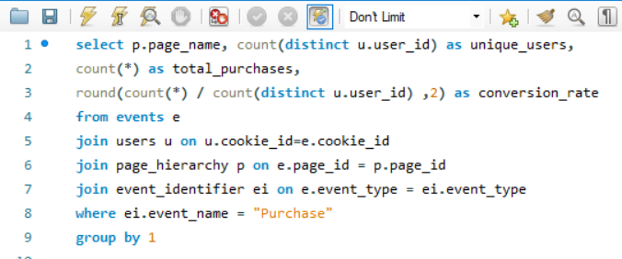
QUERY
 |  |  |  |  | INSIGHTS
The "Confirmation" page for your online food store stands out with a remarkable conversion rate of approximately 3.67%. This signifies its effectiveness in guiding visitors through the purchasing process. Users who reach this stage are significantly inclined to complete their transactions, reflecting positively on the page's design and functionality. To capitalize on this success, it's crucial to analyze user behavior and fine-tune the user journey leading to the Confirmation page. Optimizing earlier stages like product selections and cart management can further enhance overall conversion rates and drive sustainable business growth.
Leveraging insights from the performance of other pages in the conversion funnel can be equally valuable. Identifying potential bottlenecks or areas for improvement – such as unclear product information, hidden service fees, or a cumbersome order modification process – can facilitate targeted interventions. By addressing these pain points and streamlining the path to purchase, we can ensure more users reach the highly successful Confirmation page, maximizing its already impressive conversion rate. This will ultimately contribute to a significant boost in overall sales for your online food store.

O/P | page_name | unique_users | total_purchases | conversion_rate
 | Confirmation | 484 | 1777 | 3.67

CONCLUSION
CONCLUSION OF PAGE ANALYSIS
In the final stage of our SQL Clickbait online food store analysis project, we delved into the intricate world of page analysis, dissecting user engagement metrics and event frequencies to extract actionable insights. Through meticulous examination, we unearthed pivotal data points, such as visit counts and event frequencies, painting a comprehensive picture of user behavior and platform performance. Notably, pages like the "All Products" and "Checkout" page emerged as key hubs of activity, while events like "Purchase," "Ad Impression," and "Ad Click" underscored significant user interaction.
This exhaustive analysis not only provides stakeholders with a detailed understanding of user dynamics but also furnishes them with a roadmap for informed decision-making and strategic planning. Armed with these insights, stakeholders can fine-tune user experiences, optimize conversion pathways, and elevate overall platform performance. Moreover, the findings gleaned from this project serve as a beacon for driving user engagement, amplifying conversion rates, and fostering sustained growth for similar online platforms.
As we draw the curtains on this phase of the project, we stand poised to leverage these insights as catalysts for future success. By harnessing the power of data-driven strategies, we are equipped to navigate the ever-evolving landscape of online commerce with precision and efficacy. Thus, with this conclusion, we mark the culmination of a journey rich in discovery and learning, embarking on the next chapter with renewed vigor and determination.

