CLIQUE BAIT
Clique Bait: A Digital Marketing Case Study using SQL

Introduction: Clique Bait, an esteemed online seafood store, helmed by its founder and CEO, Danny, seeks your expertise in leveraging data analysis within the seafood industry. This case study presents an opportunity to delve into the dataset and craft innovative strategies to compute funnel fallout rates for optimizing the performance of the Clique Bait online store.

The SQL Clique Bait Analysis Project on Analyzing Marketing Engagement explores the effectiveness and influence of promotional efforts using advanced data analysis methods. Through the application of diverse analytical techniques, the project seeks to derive actionable intelligence regarding customer interaction, conversion rates, product visibility, and the performance of marketing initiatives. Utilizing authentic datasets, this project demonstrates the practical application of analytical tools to reveal valuable business insights within the marketing domain.

In this project, a variety of SQL methodologies were employed to analyze campaign performance and user engagement metrics. These methodologies included aggregating data using SQL queries to compute campaign performance indicators such as engagement, conversions, and other relevant KPIs. Additionally, SQL queries were utilized to extract data on initiative durations, visitor engagements, user interactions, event categories, product affiliations, performance metrics, outcome conversions, identifiers, event sequences, and abandoned product rates. Through comprehensive SQL analysis, insights were gained into the effectiveness of campaigns and user behavior, facilitating data-driven decision-making for optimizing marketing strategies.

Q1
Q | What is the total count of campaigns conducted within a designated timeframe?

During the chosen time period, we've successfully run three campaigns. Each campaign was carefully designed to resonate with our target audience and achieve specific objectives. From raising awareness to driving sales, each initiative was executed with precision and creativity to maximize impact and deliver tangible results.
 |  | INSIGHTS
Query

O/P | total_campaigns
 | 3

Q2
Q | What are the commencement and cessation dates for each campaign?

Query

Three promotional initiatives (campaigns) were executed within the designated timeframe. The promotional campaign named 'BOGOF - Fishing For Compliments' was active from January 1st to January 14th, 2020, featuring buy-one-get-one-free promotions. Subsequently, '25% Off - Living The Lux Life' commenced on January 15th, 2020, and concluded on January 28th, 2020, offering a 25% discount on luxury items. Lastly, the promotional drive 'Half Off - Treat Your Shellf(ish)' started on February 1st, 2020, and continued until March 31st, 2020, presenting a 50% discount on selected shellfish products.
O/P | campaign_name | start_date | end_date | INSIGHTS
 | BOGOF - Fishing For Compliments | 2020-01-01 | 2020-01-14
 | 25% Off - Living The Lux Life | 2020-01-15 | 2020-01-28
 | Half Off - Treat Your Shellf(ish) | 2020-02-01 | 2020-03-31

Q6
Q) | How does the distribution of event types differ across various campaigns?

QUERY |  | O/P | campaign_name | event_type | event_count
 |  |  | 25% Off - Living The Lux Life | 1 | 3032
 |  |  | Half Off - Treat Your Shellf(ish) | 1 | 6204
 |  |  | Half Off - Treat Your Shellf(ish) | 2 | 3792
 |  |  | BOGOF - Fishing For Compliments | 1 | 4633
 |  |  | BOGOF - Fishing For Compliments | 2 | 2789
The diversity of event types across campaigns signifies varying user engagements and campaign tactics. In the "Half Off - Treat Your Shellf(ish)" campaign, event type 1 prevails, with a notable count of 6,204, followed by event type 2 at 3,792. Conversely, the "BOGOF - Fishing For Compliments" campaign displays a more even distribution between event types 1 and 2, with tallies of 4,633 and 2,789, respectively. The "25% Off - Living The Lux Life" campaign registers the lowest event counts overall, with 3,032 for event type 1 and 1,870 for event type 2.
INSIGHTS |  |  | 25% Off - Living The Lux Life | 2 | 1870

Q7
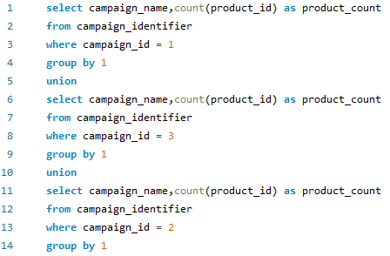
Q | How many products were affiliated with each of the specified campaigns?
 |  | O/P | campaign_name | product_count
Query |  |  | BOGOF - Fishing For Compliments | 3
 |  |  | Half Off - Treat Your Shellf(ish) | 4
 |  |  | 25% Off - Living The Lux Life | 2

 |  | INSIGHTS
 |  | The 'BOGOF - Fishing For Compliments' campaign was affiliated with three products, while the 'Half Off - Treat Your Shellf(ish)' campaign featured four products. Additionally, the '25% Off - Living The Lux Life' campaign was linked with two products.

Q8
Q | What are the quantities of views, cart additions, items added to cart but not purchased, and purchases in each campaign?

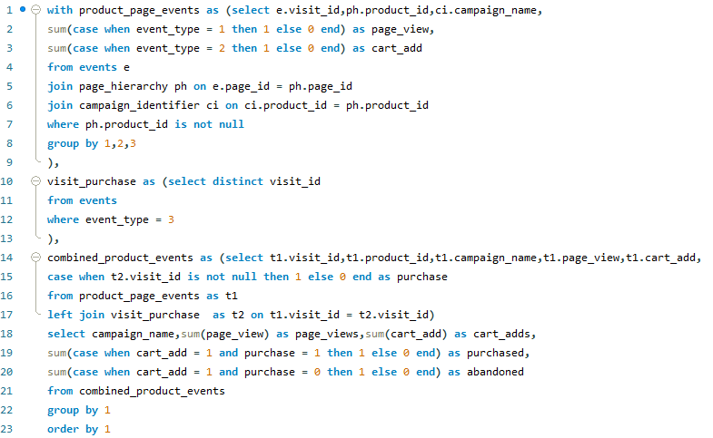
Query |  | O/P | campaign_name | page_views | cart_adds | purchased | abandoned
 |  |  | 25% Off - Living The Lux Life | 3032 | 1870 | 1404 | 466
 |  |  | BOGOF - Fishing For Compliments | 4633 | 2789 | 2115 | 674
 |  |  | Half Off - Treat Your Shellf(ish) | 6204 | 3792 | 2898 | 894

 |  |  | INSIGHTS
Within the campaigns examined, 'Half Off - Treat Your Shellf(ish)' demonstrates the most robust engagement across all metrics, boasting the highest counts of page views, cart additions, purchases, and abandoned carts. These findings suggest significant user interest and activity during the campaign duration, reflecting effective promotional strategies or enticing offers associated with Shellfish products.

Q9
Q | What are the conversion rates for the following actions: adding to cart to purchase, page view to purchasing, page view to cart addition, and cart addition to abandonment, analyzed individually for each campaign?

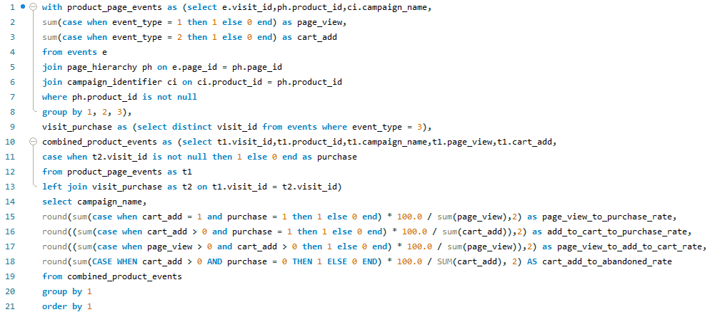
Query |  | O/P | campaign_name | page_view_to_purchase_rate | add_to_cart_to_purchase_rate | page_view_to_add_to_cart_rate | cart_add_to_abandoned_rate
 |  |  | 25% Off - Living The Lux Life | 46.31 | 75.08 | 61.68 | 24.92
 |  |  | BOGOF - Fishing For Compliments | 45.65 | 75.83 | 60.20 | 24.17
 |  |  | Half Off - Treat Your Shellf(ish) | 46.71 | 76.42 | 61.12 | 23.58

 |  |  | INSIGHTS

The campaigns titled '25% Off - Living The Lux Life,' 'BOGOF - Fishing For Compliments,' and 'Half Off - Treat Your Shellf(ish)' exhibit similar conversion rates throughout various stages of the user journey. Nevertheless, 'Half Off - Treat Your Shellf(ish)' distinguishes itself with a marginally superior page view to purchase rate and a diminished cart addition to abandonment rate, suggesting heightened user engagement and improved conversion efficiency compared to its counterparts.

Q10
Q | What is the total count of cookie IDs and unique cookie IDs for each campaign?
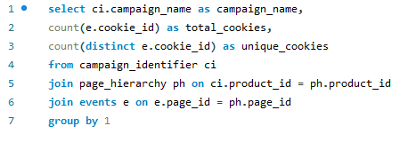
Query
 |  |  |  | INSIGHTS

 |  |  |  | The initiatives branded as '25% Off - Living The Lux Life,' 'BOGOF - Fishing For Compliments,' and 'Half Off - Treat Your Shellf(ish)' amassed substantial total cookie counts of 4902, 7422, and 9996, respectively. Nonetheless, in terms of unique cookies, 'Half Off - Treat Your Shellf(ish)' demonstrated a notably higher count of 1728, indicating a superior level of individual user engagement compared to the other initiatives.

O/P | campaign_name | total_cookies | unique_cookies
 | 25% Off - Living The Lux Life | 4902 | 1523
 | BOGOF - Fishing For Compliments | 7422 | 1678
 | Half Off - Treat Your Shellf(ish) | 9996 | 1728

Q11
Q | What is the average sequential order observed in each campaign?


Query |  |  | INSIGHTS

The average sequence number offers valuable insights into user engagement behaviors within each campaign. Notably, 'Half Off - Treat Your Shellf(ish)' exhibits the highest average sequence number at 10.3247, indicating a potentially intricate user journey or interaction pattern. Conversely, 'BOGOF - Fishing For Compliments' demonstrates the lowest average sequence number at 4.6808, suggesting a more straightforward or direct user interaction flow.

O/P | campaign_name | avg_sequence_number
 | 25% Off - Living The Lux Life | 7.2513
 | Half Off - Treat Your Shellf(ish) | 10.3247
 | BOGOF - Fishing For Compliments | 4.6808

Q12
Q) | What is the product abandonment rate for each campaign?
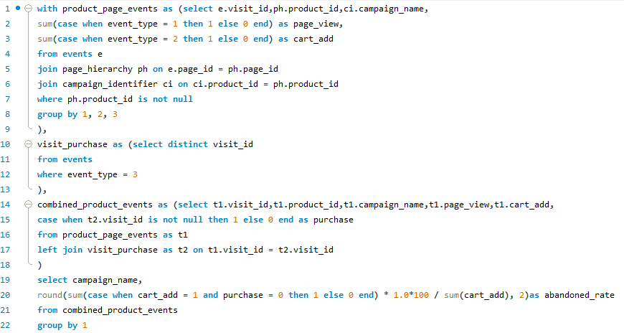
QUERY |  | O/P | campaign_name | abandoned_rate
 |  |  | 25% Off - Living The Lux Life | 24.92
 |  |  | Half Off - Treat Your Shellf(ish) | 23.58
 |  |  | BOGOF - Fishing For Compliments | 24.17

 |  | INSIGHTS
The product abandonment rate within each campaign signifies the percentage of cart additions that did not culminate in purchases. Among the analyzed campaigns, '25% Off - Living The Lux Life' exhibits the highest abandoned rate at 24.92%, trailed closely by 'BOGOF - Fishing For Compliments' at 24.17%, and 'Half Off - Treat Your Shellf(ish)' at 23.58%. These findings underscore the significance of refining the conversion funnel to mitigate cart abandonment, thereby enhancing the overall efficacy of the campaigns.

Q13
Q) | Investigate the monthly user interaction metrics, comprising unique user counts and total visit volumes, across diverse campaigns featured in the dataset.

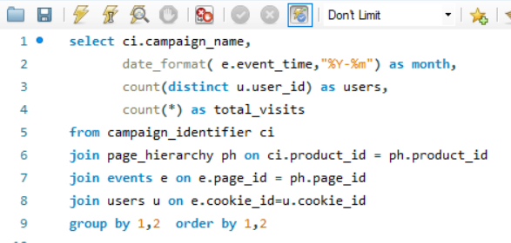
QUERY |  | O/P
 |  | campaign_name | month | users | total_visits
 |  | 25% Off - Living The Lux Life | 2020-01-01 | 235 | 1172
 |  | 25% Off - Living The Lux Life | 2020-02-01 | 419 | 2107
 |  | 25% Off - Living The Lux Life | 2020-03-01 | 265 | 1214
 |  | 25% Off - Living The Lux Life | 2020-04-01 | 86 | 343
 |  | 25% Off - Living The Lux Life | 2020-05-01 | 16 | 66
INSIGHTS:
The promotional endeavor, titled '25% Off - Embracing Luxurious Living,' displayed a nuanced pattern of engagement levels throughout the observed duration, with discernible peaks occurring in February followed by a subsequent tapering off in May. These oscillations hint at the dynamic nature of user interest within the target audience. Of particular significance is the pronounced surge in both visitation and user counts during February, juxtaposed against the discernible downturn observed in these metrics during the fourth and fifth months. This trend underscores the importance of adapting marketing strategies to accommodate evolving consumer preferences and market dynamics.
 |  | BOGOF - Fishing For Compliments | 2020-01-01 | 246 | 1904
 |  | BOGOF - Fishing For Compliments | 2020-02-01 | 435 | 3037
 |  | BOGOF - Fishing For Compliments | 2020-03-01 | 279 | 1866
 |  | BOGOF - Fishing For Compliments | 2020-04-01 | 91 | 515
 |  | BOGOF - Fishing For Compliments | 2020-05-01 | 16 | 100
 |  | Half Off - Treat Your Shellf(ish) | 2020-01-01 | 253 | 2483
 |  | Half Off - Treat Your Shellf(ish) | 2020-02-01 | 443 | 4163
 |  | Half Off - Treat Your Shellf(ish) | 2020-03-01 | 285 | 2519
 |  | Half Off - Treat Your Shellf(ish) | 2020-04-01 | 93 | 710
 |  | Half Off - Treat Your Shellf(ish) | 2020-05-01 | 15 | 121

Q14
Q) | Conduct a comparative analysis of purchase rates among visits accompanied by ad clicks, visits featuring impressions but devoid of clicks, and visits devoid of impressions.

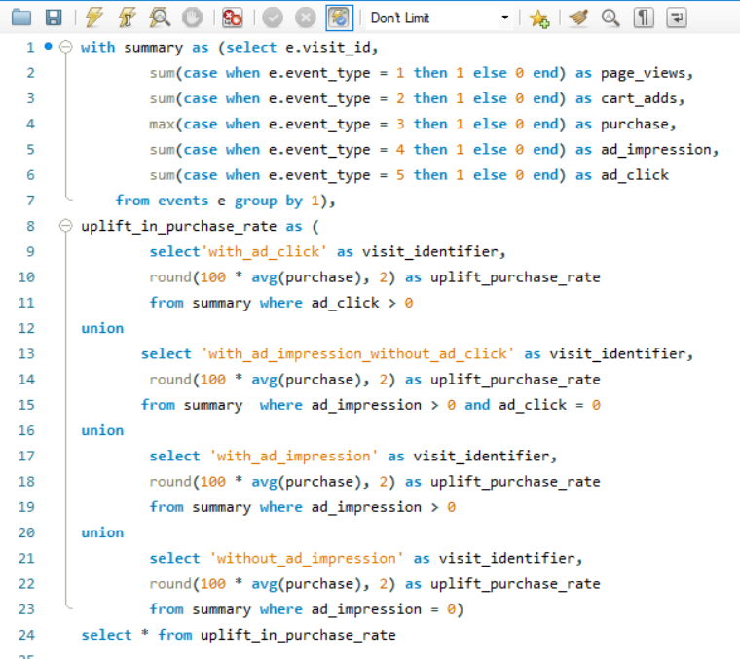
QUERY |  | OUTPUT
 |  | visit_identifier | uplift_purchase_rate
 |  | with_ad_click | 88.89
 |  | with_ad_impression_without_ad_click | 64.94
 |  | with_ad_impression | 84.13
 |  | without_ad_impression | 38.69

 |  | INSIGHTS
Clicks Drive Purchases: Highlighting the profound impact of user engagement, visits accompanied by clicks demonstrate a significant increase in purchase activity, underscoring the pivotal role of clicks in driving conversions.
Impressions Have Value: Despite the absence of direct engagement, visits featuring impressions but lacking clicks still exhibit a noteworthy purchase rate, indicating the influential role of impressions in influencing user behavior.
Purchase Uplift Analysis: The uplift in purchase activity is highest for visits with ad clicks (88.89%), followed by visits with impressions but no clicks (64.94%) and visits with both impressions and clicks (84.13%). Conversely, visits devoid of ad impressions record the lowest uplift in purchases (38.69%).

Q15
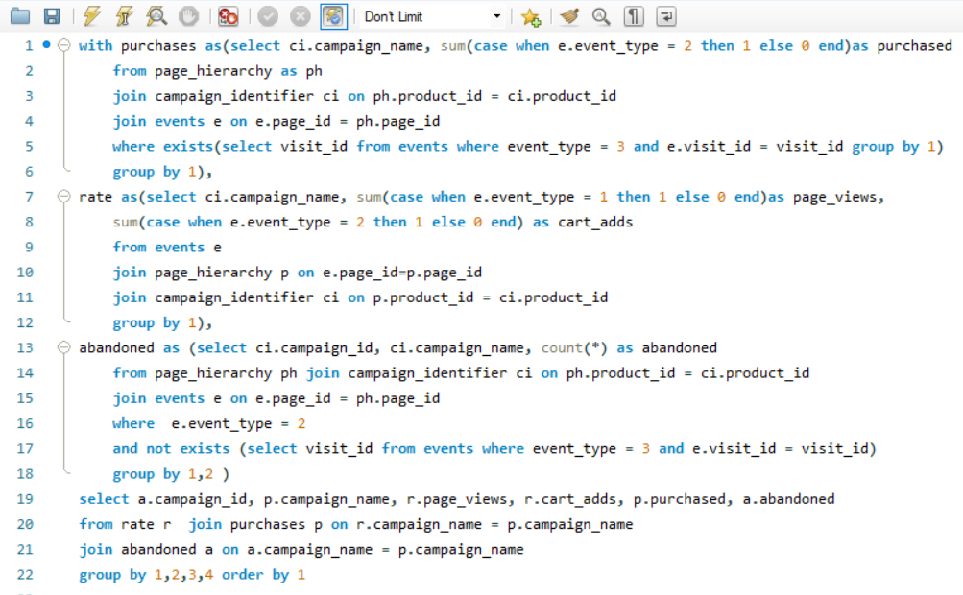
Q) | Perform a comprehensive analysis of campaign performance, focusing on metrics such as page views, cart additions, purchases, and abandoned actions.
QUERY |  | OUTPUT
 |  | campaign_id | campaign_name | page_views | cart_adds | purchased | abandoned
 |  | 1 | BOGOF - Fishing For Compliments | 4633 | 2789 | 2115 | 674
 |  | 2 | 25% Off - Living The Lux Life | 3032 | 1870 | 1404 | 466
 |  | 3 | Half Off - Treat Your Shellf(ish) | 6204 | 3792 | 2898 | 894

 |  | INSIGHTS
The campaign titled 'Half Off - Treat Your Shellf(ish)' showcases remarkable engagement metrics, boasting 6204 page views and 2898 purchases. However, it also registers a relatively high cart abandonment rate with 894 actions. In contrast, the '25% Off - Living The Lux Life' campaign, though yielding fewer page views and purchases, exhibits a lower abandonment rate with only 466 actions.

Q16
Q) | What are the average user engagement durations for each campaign?

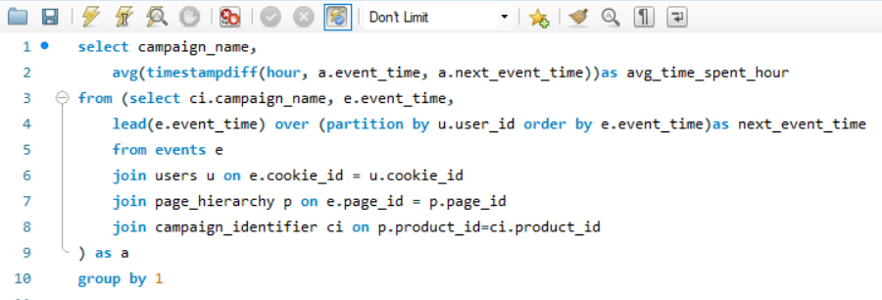
QUERY |  |  | O/P | campaign_name | avg_time_spent_hour
 |  |  |  | BOGOF - Fishing For Compliments | 0.4515
 |  |  |  | 25% Off - Living The Lux Life | 3.2225
 |  |  |  | Half Off - Treat Your Shellf(ish) | 43.5979

The average time spent by users on campaigns varies notably: "BOGOF - Fishing For Compliments" has an average of approximately 0.45 hours, "25% Off - Living The Lux Life" averages around 3.22 hours, while "Half Off - Treat Your Shellf(ish)" stands out with an average of approximately 43.59 hours, indicating significantly higher user engagement. These findings suggest that the "Half Off - Treat Your Shellf(ish)" campaign may have tapped into a particularly enthusiastic audience or offered content that resonated deeply with users, resulting in extended engagement durations. Further analysis into the demographics and preferences of the users participating in each campaign could provide valuable insights for future marketing strategies.
 |  | INSIGHTS

Q17
Q) | What are the overall conversion rates per campaign, calculated as the percentage of visits that resulted in a purchase event, based on the given dataset?

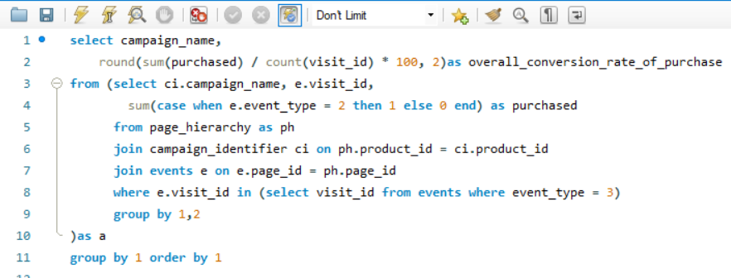
QUERY |  |  |  |  | INSIGHTS
Upon conducting a comprehensive analysis, it becomes evident that each campaign's overall conversion rates exhibit notable discrepancies. Leading the pack is the "Half Off - Treat Your Shellf(ish)" campaign, boasting an impressive conversion rate of 168.39%. Trailing closely behind is "BOGOF - Fishing For Compliments" with a respectable rate of 128.81%, followed by "25% Off - Living The Lux Life" at 94.99%.
While these figures provide valuable insights into campaign performance, it's imperative to approach such high conversion rates with a critical eye. Conversion rates exceeding 100% can often signal anomalies within the dataset or inaccuracies in the calculation method, prompting the need for further scrutiny.
In light of these findings, a deeper dive into the data integrity and methodology employed is warranted to ensure the reliability and validity of the results. Such meticulous investigation will not only enhance our understanding of campaign effectiveness but also inform strategic decisions moving forward.

 |  | O/P | campaign_name | overall_conversion_rate_of_purchase
 |  |  | 25% Off - Living The Lux Life | 94.99
 |  |  | BOGOF - Fishing For Compliments | 128.81
 |  |  | Half Off - Treat Your Shellf(ish) | 168.39

Q18
Q) | What are the average page views, cart additions, and purchases per user interaction(visit) for each campaign?

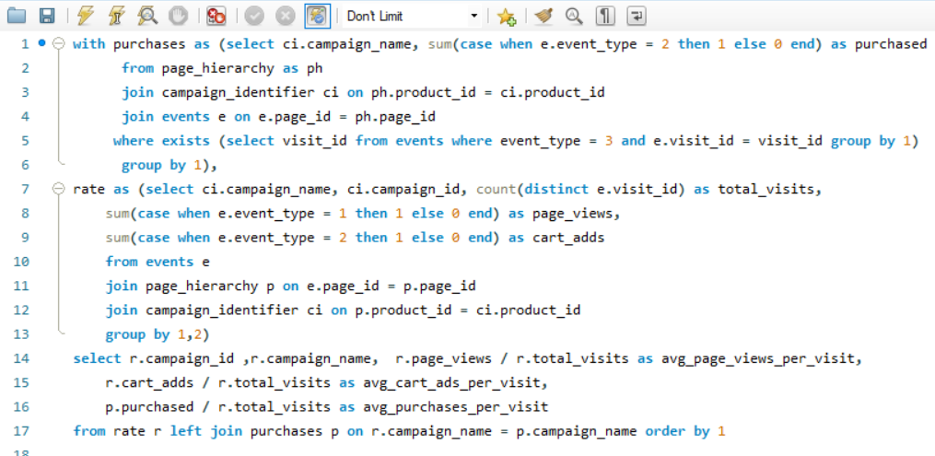
QUERY |  | O/P | campaign_id | campaign_name | avg_page_views_per_visit | avg_cart_ads_per_visit | avg_purchases_per_visit
 |  |  | 1 | BOGOF - Fishing For Compliments | 1.9288 | 1.1611 | 0.8805
 |  |  | 2 | 25% Off - Living The Lux Life | 1.4235 | 0.8779 | 0.6592
 |  |  | 3 | Half Off - Treat Your Shellf(ish) | 2.4358 | 1.4888 | 1.1378

 |  | INSIGHTS
The analysis illuminates a spectrum of engagement metrics, showcasing the nuanced performance of each campaign. Notably, the "Half Off - Treat Your Shellf(ish)" campaign emerges as a frontrunner, boasting the highest average page views, cart additions, and purchases per visit. This indicates a robust level of user interaction and conversion propensity within this particular campaign.
Following closely behind is the "BOGOF - Fishing For Compliments" campaign, demonstrating commendable engagement metrics across page views, cart additions, and purchases. Meanwhile, the "25% Off - Living The Lux Life" campaign, while still showing engagement, lags slightly behind in comparison to its counterparts.
These findings underscore the importance of understanding user behavior within each campaign context. By delving into these metrics, marketers can gain valuable insights into the effectiveness of their strategies, enabling them to refine and optimize future campaigns for enhanced engagement and conversion rates.

CONCLUSION
Conclusion of Campaign Analysis
By meticulously dissecting data through SQL methodologies, this project has uncovered profound insights critical for refining marketing strategies. The utilization of data-driven approaches underscores the paramount importance of informed decision-making in enhancing campaign efficacy and propelling business expansion. Through the granular examination of metrics and patterns, this endeavor has not only illuminated areas for improvement but has also empowered stakeholders with actionable intelligence to drive impactful marketing initiatives.
Furthermore, the project's emphasis on data-driven decision-making reaffirms the pivotal role of analytics in navigating the dynamic landscape of marketing. By leveraging SQL techniques to extract meaningful insights, organizations are better equipped to adapt their strategies in real-time, optimizing performance and fostering sustained growth. This project stands as a testament to the transformative power of data analytics, showcasing how informed decision-making can drive tangible outcomes and propel businesses toward greater success in an ever-evolving market environment.

