Sheet2
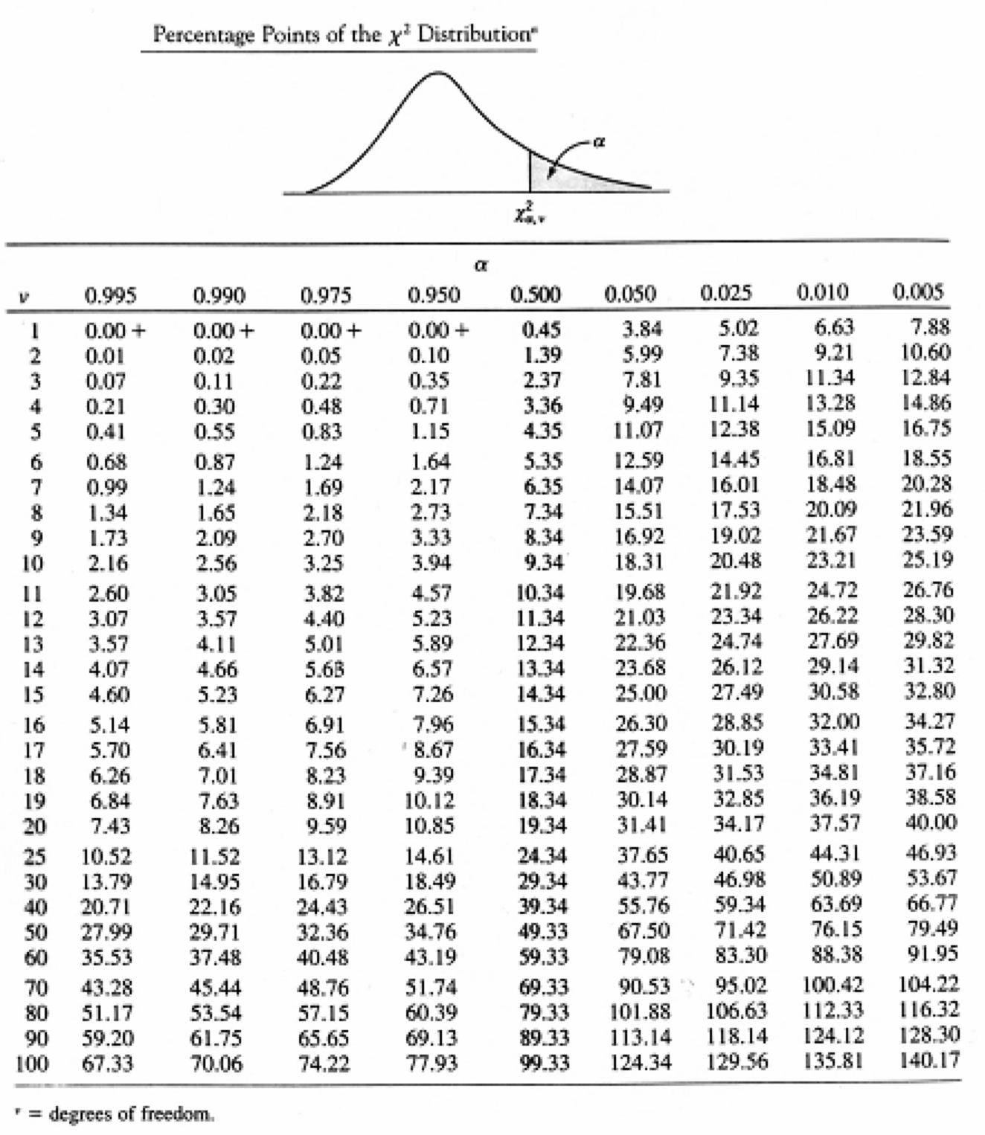
Testing Hypothesis: CHI-Square Significance Test |  |  |  |  |  | also used for research dependencies between nominal variables | or selecting significant features

 | Observed | C | NC | total | random | H0: casual independent upon state
 | casual | 15 | 6 | 21 | not | H1: it is dependent
 | non casual | 35 | 44 | 79
 | total | 50 | 50 | 100 |  | df = (rows-1)*(colums-1) = 1*1 = 1

 | Expected | C | NC | total
 | casual | 10.5 | 10.5 | 21 |  | alpha = 0.05
 | non casual | 39.5 | 39.5 | 79 |  | chi-square critical value = 3.84
 | total | 50 | 50 | 100 |  | 4.88 > 3.84 => we are inside the 'reject'area

(Observed-Expected)ˆ2/Expected |  | C | NYC | total |  | p-value: the area under distribution curve
 | casual | 1.9285714286 | 1.9285714286 | 3.8571428571 |  | p-value = CHIDIST(4.882, 1) = | 0.02713093674
 | non casual | 0.51265822785 | 0.51265822785 | 1.0253164557
 | total | 2.4412296564 | 2.4412296564 | 4.8824593128 |  | p-value < 0.05 => Reject Ho
 |  |  |  | test statistic

Error Type I: if we assume californians are more casual than the others, but they are not
Error Type II: If we assume californians and the rest of USA are different, but they are not

