Sheet1
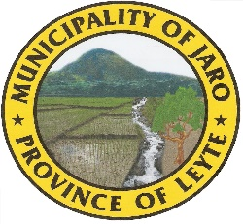
Republic of the Philippines
Province of Leyte
Municipality of Jaro

Statement of Changes in Net Assets/Equity

 |  |  | Accumulated
 |  |  | Surpluses/(Deficits)

Beginning Balance as of January 01,2022
Add (Deduct)
 | Change in Accounting Policy |  |  | -
 | Prior Period Errors
Restated Balance
Add (Deduct) Changes in Net Assets/Equity dering the year
Adjustment of net revenue recognized directly in net assets/equity
Surplus (Deficit) for the period
Total recognized revenue and expenses for the period

Balance at December 31, 2019

Prepared by: |  | Certified Correct:

ROSALINDA S. RAGRAG |  | JUDY G. PARADO, CPA
Job Order Employee |  | Municipal Accountant

 |  |  |  | 282,517.19

