Strategy Worksheet
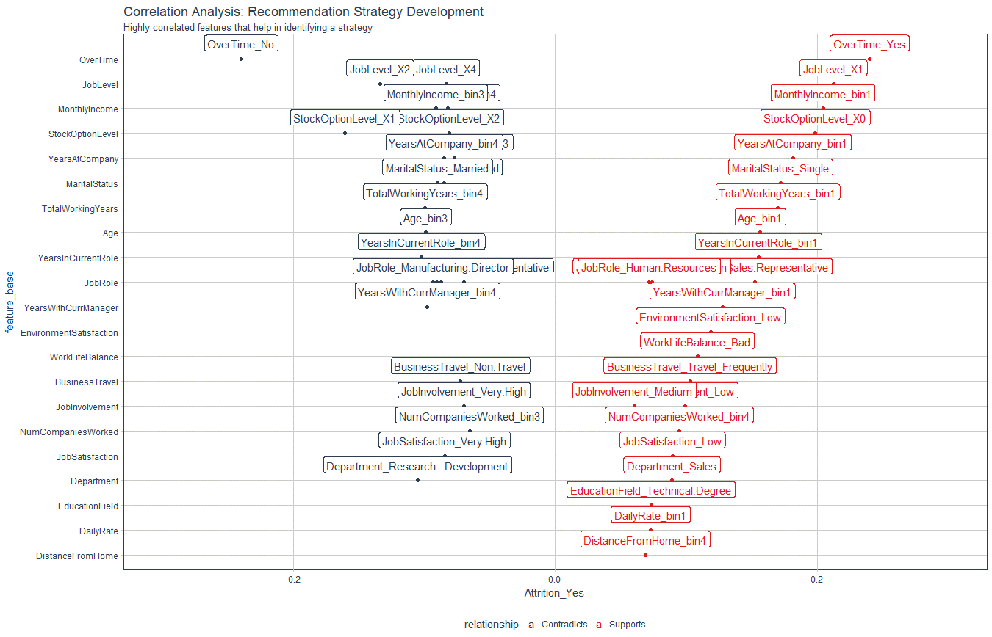
Recommendation Algorithm Strategy

Purpose: | To enable immediate manager to reduce attrition using an automated recommendation system
Strategy Logic: | Uses Correlation Analysis to determine logical strategies that can be adjusted via stakeholder feedback

Feature | Discussion (Hypothesis) | Potential Strategy | Strategy Group
OverTime
JobLevel
MonthlyIncome
StockOptionLevel
YearsAtCompany
MaritalStatus
TotalWorkingYears
Age
YearsInCurrentRole
JobRole
YearsWithCurrManager
EnvironmentSatisfaction
WorkLifeBalance
BusinessTravel
JobInvolvement
NumCompaniesWorked
JobSatisfaction
Department
EducationField
DailyRate
DistanceFromHome

Correlation Analysis: | Used to investigate the relationship between values within features and the target (Attrition = Yes)

