Box plot
How to create a box plot (Office 365)
1. Select Insert from the bar above
2. From the charts section click the "Statistic chart" option and click the box and whisker chart.
3. RIght click on the middle of the blank chart and click "select data".
4. At the top click the arrow at the right of "Chart data range".
5. Click the "number-cards" sheet and click the range of numbers you want to add. Press enter and then ok.
DONE

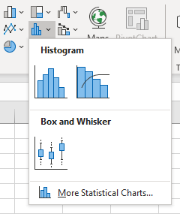

How to create a box plot (Office 365) that compares two different aspects
1. Follow all the steps from the previous exercise with the numbers to create a single plot.
2. RIght click on the middle of the chart and click "select data".
3. Click edit under "Horizontal (Category) Axis Labels"
4. Click the "number-cards" dataset and then highlight the values in the category column.
5. Click OK in all the places it appears.
DONE

Histogram
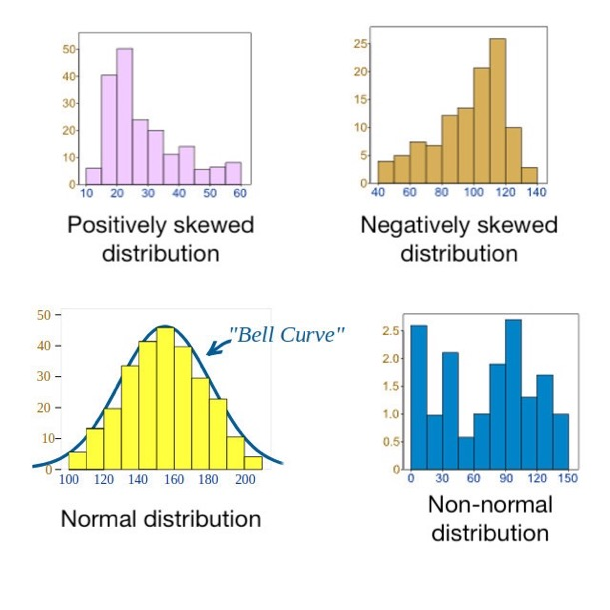
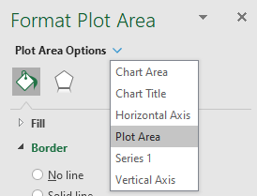
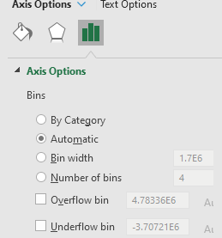
How to create a histogram (Office 365)
1. Select Insert from the bar above
2. From the charts section click the "Statistic chart" option and click histogram.
3. RIght click on the middle of the blank chart and click "select data".
4. At the top click the arrow at the right of "Chart data range".
5. Click the "number-cards" sheet and click the range of numbers you want to add. Press enter and then ok.
6. Right click the chart and select "Format Plot Area"
7. In the sidebar dropdown select "Horizontal Axis"
8. Click the chart icon and expand axis options to control what values are shown in each "bin". Try changing the width of the bins to 50000 (you might need to trim the dataset to remove the outliers, alternatively set an overflow bit at 500,000)

