Welcome
 |  | Retirement Planner
Home |  | Done by DaveW (DbyDW)
 |  | Version 1.2.0

 |  | You've got to plan for retirement?
 |  | Planning for retirement shouldn't be dreaded and avoided. The most often asked question regarding retirement is "will the money last". Retirement Planner software helps to answer that and other questions. Whether you are early or late in the planning process it needs to be done. The statement "failing to plan is planning to fail" is just as applicable to retirement as it is to other aspects of life. This software can be used to create a forty-year retirement plan. Many events and aspects of life will impact the quality of retirement. What the future holds for one in retirement is unknown. Yet, one can be prepared and educated about the challenges and opportunities of retirement. A knowledgeable and sound retirement plan will help now and in the future. Though this software is titled Retirement Planner it can and has been used to assist with making financial decisions for decades before retirement. |  | 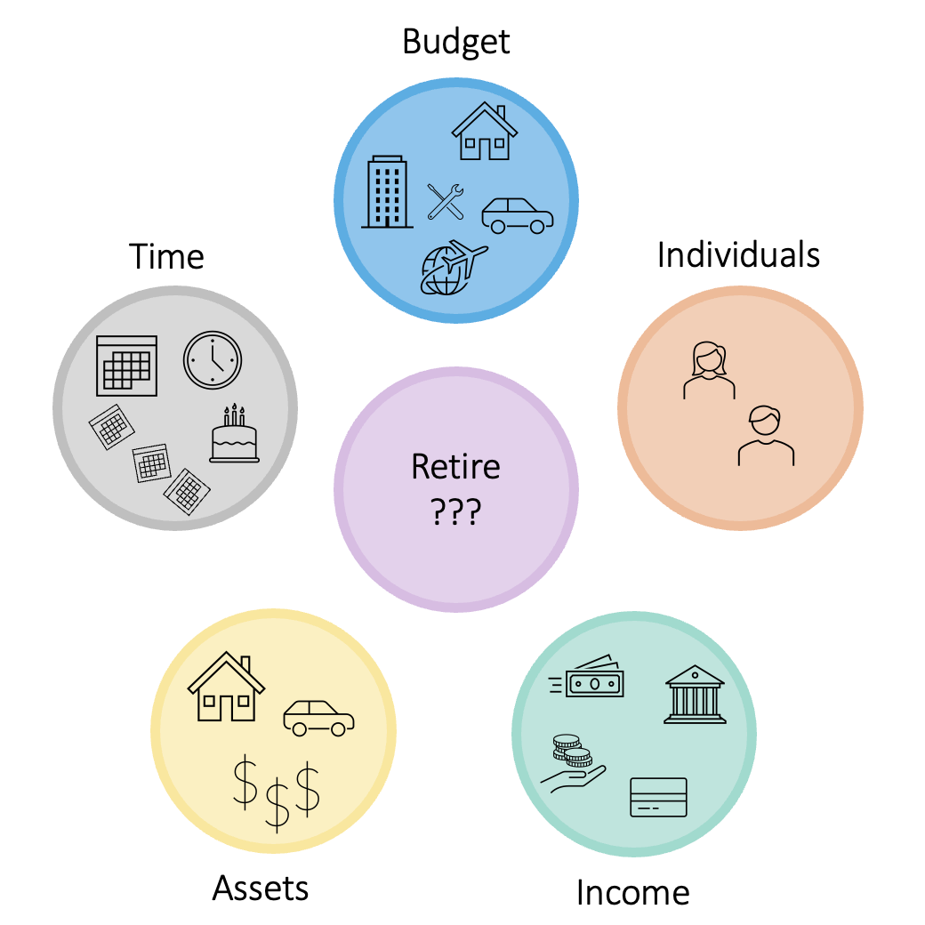

 |  | Retirement Planner does not provide any investment strategies or track historical performance of investments. This software is not intended to replace the value of professional financial advice.

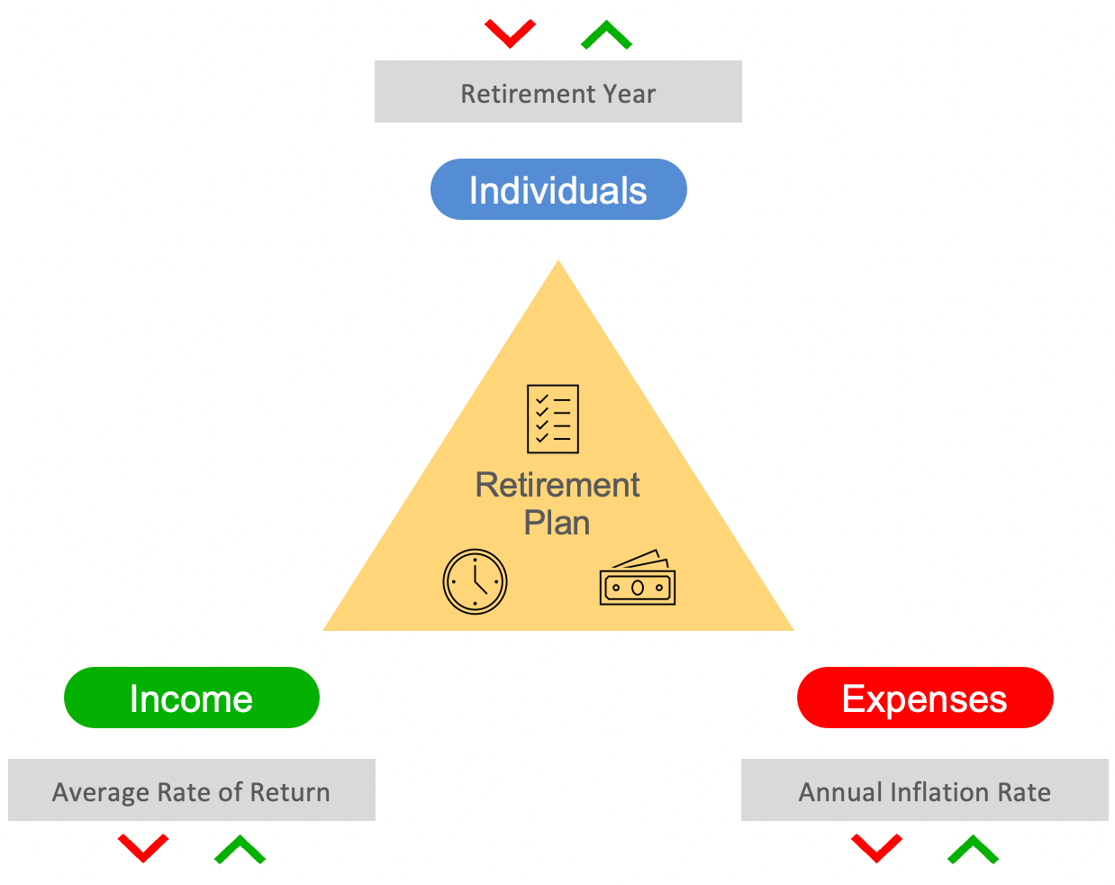
 |  | Plan for the future not the past
 |  | This software is designed to plan for the future and not track the past. The plan is always created with a current or going forward timeframe. When using this software and entering the target retirement year it must either be the current year or a future year. A target retirement start year prior to this year is not supported and cannot be entered. Even if you retired one or more years in the past the software uses the current year as the starting year for planning purposes.
 |  | Points of control

 |  | Retirement Planner provides three points of control and adjustment along with the financial data entered to create a plan. These points of control are 1) Retirement Year, 2) Average Rate of Return, and 3) Annual Inflation Rate. These controls are associated with Individuals, Income, and Expenses. Retirement Planner allows increasing or decreasing these points of control to understand the effects on the retirement plan. In real life some of these factors can be controlled. At other times these factors are out of our control.

 | Next steps

 |  | Go to the Overview tab to access the documentation link and sample data and scenarios. It is recommended to view the documentation web site for information in understanding and using Retirement Planner.

 |  |  | Retirement Planner - Copyright 2017-2022 David A. Weilert Permission is hereby granted, free of charge, to any person obtaining a copy of this software and associated documentation files (the "Software"), to deal in the Software without restriction, including without limitation the rights to use, copy, modify, merge, publish, distribute, sublicense, and/or sell copies of the Software, and to permit persons to whom the Software is furnished to do so, subject to the following conditions: The above copyright notice and this permission notice shall be included in all copies or substantial portions of the Software. THE SOFTWARE IS PROVIDED "AS IS", WITHOUT WARRANTY OF ANY KIND, EXPRESS OR IMPLIED, INCLUDING BUT NOT LIMITED TO THE WARRANTIES OF MERCHANTABILITY, FITNESS FOR A PARTICULAR PURPOSE AND NONINFRINGEMENT. IN NO EVENT SHALL THE AUTHORS OR COPYRIGHT HOLDERS BE LIABLE FOR ANY CLAIM, DAMAGES OR OTHER LIABILITY, WHETHER IN AN ACTION OF CONTRACT, TORT OR OTHERWISE, ARISING FROM, OUT OF OR IN CONNECTION WITH THE SOFTWARE OR THE USE OR OTHER DEALINGS IN THE SOFTWARE. Microsoft Excel (r) is copyrighted by Microsoft (c) and is not freely distributed or included by this notice.

Overview
 | Retirement Planner
Home | Done by DaveW (DbyDW)
 | Version 1.2.0

 | Documentation

 | Detailed information for Retirement Planner is available at the following web site and not provided in this spreadsheet. Clicking the link will open the documentation web site.
Open Retirement Planner documentation web site

 | Learning to use The four following scenarios are provided with sample data that can be loaded by pressing the associated Scenario button. When loading a scenario all existing data will be over-written. The data can be modified as desired to evaluate, experiment, and learn how to use Retirement Planner. By exploring these scenarios and reviewing the suggested actions you will gain familiarity with the software to aid in creating a retirement plan. Click the scenario button to load the associated data.
Scenario 1
Scenario 2
Scenario 3
Scenario 4
 | Sally & Jon, married in their 50's. They have moderate investments, both are working and contribute to 401Ks. They have a mortgage on their home along with two car payments. They are planning to retire in the next 10-15 years. | Molly, single and in her 30's. Molly has a small saving account and contributes to a tax deferred saving. She rents and has a car payment. Molly lives in a city where there is a 1% city tax on all income. | Aly & Ari, married in their early 70's. They have significant savings with income from Social Security, pensions, and rental income. They are planning to down-size and sell their house in 2030 and sell the rental property in 2035. | Jason, single in his early 60's. Jason has small savings with income from Social Security and disability benefits He rents and has no vehicle payment. He plans on buying a vehicle in the next two years. A single line-item amount is used all of the budget.

 | Action: Review Investment Balance column on the Retire tab. In the 2062 timeframe monies are not large enough to cover withdrawal needs. When generating the plan a message is displayed that calculations are stopped once this condition occurs. | Action: The current Rate of return is 7%. From the Home tab or Retire tab change the Annual Rate-of-Return and/or the Annual Inflation Rate. What reduction in monies will happen if the Rate of Return is reduced to 5%? | Action: IRS Required Minimum Distribution (RMD) supplemental withdrawals have occured in multiple years. Review the RMD Adj. column of the Retire tab. Notice the cells with dark grey background with an upper-case Y. These are the years that RMD supplemental monies were withdrawn. Click the 'eye' icon in the heading of the column to view details. | Action: Review the Income tab, click the eyeball icon to view the detail data. Note the $25,000 of supplemental income in the second year. This is an expected inheiritance.
 | Action: Review the Selling House seciton of the Housing tab. The Housing tab is accessed from Housing sections of the Assets or Budget tabs. The house is planned to be sold in 2050. Try changing the year sold and generating a new plan to review the impact of this change. | Action: The current target year to retire is 2052. How much longer will monies be extended if retirement is delayed four years? From the Home tab or Retire tab change the Retirement Year and create an updated plan. | Action: From the Home tab select and view the Retirement Financials chart. Note the 2030 and 2035 years when the house and rental properties are sold. Lines on the chart for the properties drop and the line for After tax is increased for each year. | Action: Review the Retire tab, and notice the message indicating income exceeded budget needs in one or more years. This is the result of the $25,000 of supplemental income in the second year.
 | Action: Generate the Checklist Report from the Home tab. Issue R.18 is identified on the report. On the Individuals tab note the tax filing status of SINGLE is used. Change this to MARRIED on the Individual tab and create an updated plan. It is important to ensure the proper tax information is selected. | Action: Molly lives in a city where there is a 1% city tax on all income. From either the Individuals tab or the Income tab click the pencil icon to open the TaxRates tab. In the upper right-hand portion of the tab is where this City tax is defined. | Action: From the Home tab select and view the Checklist report. Issue R.14 has occurred indicating the IRMAA (Income Related Monthly Adjustment Amount) will apply to the Medicare premiums. IRMAA is an additional amount that must be paid for Medicare because taxable income is high. Review the IRMAA report in the Useful Info tab. The Budget for Med-Insur has been adjusted for the increase. | Action: Review the Retire tab, and notice the Single year adjustments of $400 for four years. This increase in budget is for a car payment.
 | Action: From the Home tab or Retire tab change the Annual Rate-of-Return and/or the Annual Inflation Rate. Generate an updated plan and notice that small changes in either of these values can have significant impact over multiple years. | Action: From the Investments section of the Assets tab increase the monthly contribution by $800 per month. Generate an updated plan review the impact of increased savings." | Action: From the Home tab select and view the Budget Trends chart. The chart on the right, Monthly Adjustments, shows the planned adjustments in future years. These adjustments are entered on the Retire tab in the Single and Multi-year adjustment columns. The reason for the adjustment is provided in the comments column. | Action: Review the Budget tab, and notice a singleline item is used for the entire monthly budget. Consider creating additional line-items to breakout rent, food, utilities, etc., to provide better information to for the budget.
 | Action: From the Budget tab notice that the column labeled: (+/-) Monthly Adjust at Retirement has multiple entries. At retirement start the expense of house payments and car payments are removed and Med-Insur is increased to cover the Medicare costs. |  | Action: From the Home tab select and view the Checklist report. Issue R.25 has occurred. This message does not require any actions. It is information to suggest a review of data to ensure it is correct. The additional monies withdrawn to meet the RMD has caused the withdrawal amount to increase in year two. The second individual has reached the age when the withdrawals must be taken.
 | Action: From the Income tab review that two incomes are defined with end years in 2032 and 2034. These incomes define the individuals' work income. Once an individual retires from work the associated income must be stopped. Use the Year to Start and Year to Stop provide the ability to define a period of time that income is expected.

Settings
 | Settings
Return | Settings for Retirement Planner and upgrading to a new version of the software.

 | First screen
 | Select the first screen to be shown when opening the software. | Welcome

 | Display Green Calculator message at startup.
 | Select Y or N to display messsage. | Y

Apply zoom
 | Default zoom percent
 | Enter the default percent to zoom (100 - 300). | 125
 | Press the Apply zoom button once value is provided.

 | Update software

Export Data
Import Data
Open EData
 | To aid in upgrading to a new version of the software follow the below defined steps. This process is the exporting of data from the existing spreadsheet and copying and importing the data into the new spreadsheet. a.) Open the old spreadsheet. Select the Settings tab (press green gear in upper right-hand side of Home) and scroll to the bottom. Press the button labeled 'Export Data'. This will copy all currently entered data to the EData tab. b.) Press the button labeled 'Open EData'. Once the tab is open press the button labeled 'Select Data'. Now using your keyboard Ctrl+C to outline the selected data to copy. This will cause a dashed line around the selected data. This selected data will be copied to the new version of the spreadsheet. c.) Open the new version of the spreadsheet. Select the Settings tab (press green gear in upper right-hand side of Home) and scroll to the bottom. Press the button labeled 'Open EData'. d.) Once the EData tab is opened press the button labeled 'Remove Data' to remove any existing data in the tab. Select the first cell in the first column after the gray header bar (cell A5). Once the cell is selected paste the copied data from the above steps into the tab. e.) Press the return arrow in the upper left to close the EData tab and return to the Settings tab. f.) Press the button labeled 'Import Data' to import the copied data into the new version of the spreadsheet. The import process with show a status screen with a report of completed activity. Once importing is completed the 'Updating Taxes' process is invoked. g.) A message box will be displayed to indicate the import process is completed. h.) Save the new spreadsheet and close the old spreadsheet.

 | NOTE: If you have added any information in the Notes feature of the Useful Info tab you must copy the Notes data to the new spreadsheet. The Notes data is not exported and must be copied manually.

Home
 | Retirement Planner |  |  |  |  |  |  |  |  |  |  |  |  |  | Current Chart: | Investments & Assets
 | Done by DaveW (DbyDW)
 | Version 1.2.0 |  | Press red and green buttons to change values
 |  |  |  | Average Rate of Return % |  | 4.00% |  | Annual Inflation Rate % |  | 3.00% |  | Retirement Year |  | 2034
Investments & Assets (To age 100 of youngest individual )
 | Before Tax $ | After Tax $ | House
2022 | $475,000 | $75,000 | $450,000
2023 | $503,500 | $79,750 | $458,325
2024 | $533,504 | $84,785 | $466,804
2025 | $565,091 | $90,122 | $475,440
2026 | $598,345 | $95,779 | $484,236
2027 | $633,354 | $101,776 | $493,194
2028 | $670,211 | $108,133 | $502,318
2029 | $709,014 | $114,871 | $511,611
2030 | $749,866 | $122,013 | $521,076
2031 | $792,875 | $129,584 | $530,716
2032 | $838,155 | $137,609 | $540,534
2033 | $885,827 | $146,115 | $550,534
2034 | $954,680 | $155,132 | $560,719
2035 | $974,090 | $161,338 | $571,092
2036 | $987,521 | $167,791 | $581,657
2037 | $934,652 | $174,503 | $592,418
2038 | $875,450 | $181,483 | $603,377
2039 | $809,860 | $188,742 | $614,540
2040 | $737,939 | $196,292 | $625,909
2041 | $659,864 | $204,143 | $637,488
2042 | $575,985 | $212,309 | $649,282
2043 | $486,842 | $220,802 | $661,293
2044 | $393,312 | $229,634 | $673,527
2045 | $296,635 | $238,819 | $685,988
2046 | $198,538 | $248,372 | $698,678
2047 | $101,347 | $258,307 | $711,604
2048 | $7,997 | $268,639 | $724,769
2049 | $320 | $200,958 | $738,177
2050 | $13 | $826,869 | $0
2051 | $1 | $756,948 | $0
2052 | $0 | $679,587 | $0
2053 | $0 | $594,330 | $0
2054 | $0 | $500,708 | $0
2055 | $0 | $398,228 | $0
2056 | $0 | $286,369 | $0
2057 | $0 | $164,588 | $0
2058 | $0 | $32,295 | $0
2059 | $0 | $33,587 | $0
2060 | $0 | $34,930 | $0
2061 | $0 | $36,328 | $0
2062 | $0 | $37,781 | $0
2063 | $0 | $39,292 | $0
2064 | $0 | $40,864 | $0
2065 | $0 | $42,498 | $0
2066 | $0 | $44,198 | $0
2067 | $0 | $45,966 | $0
2068 | $0 | $47,805 | $0
2069 | $0 | $49,717 | $0
2070 | $0 | $51,706 | $0
Individuals

Assets

Income

Budget

Retire

Useful Info

Click above buttons to switch to the tab

 |  | Click icon to view chart

 |  |  | Investments & Assets |  | Retirement Financials |  | Income |  | Budget |  | Budget Trends |  | House & Rental |  | Checklist Report
 |  | Start year: | Current year |  | Retirement start year |  | Current year |  | Current year |  | Retirement start year |  | Current year |  | N/A
 |  | End year: | Age 100 |  | Start plus 40 years |  | Start plus 40 years |  | Start plus 40 years |  | Start plus 40 years |  | Start plus 40 years

Individuals
 | Individuals
Return | Enter information for a single individual or a couple.
 |  |  |  |  |  | Todays date | 2022-08-17

 |  | Individual 1 |  |  |  |  | Hoping
 |  | This entry must be used if there is only one individual to be defined. The actual birth date is not required but the year needs to be correct. Example, actual date of birth is October 8, 1954, entry could be 01/01/54. |  |  |  |  | The 'Hopeful retire date' is used to calculate Months and Days till retirement.
 |  | Name | Date-of-birth | Age | Hopeful date |  | Months till retirement | 145
 |  | Jon | 2/7/1968 | 54 | 10/1/2034 |  | Days till retirement | 4428

 |  | Individual 2
 |  | Name | Date-of-birth | Age | Hopeful date |  | Months till retirement | 164
 |  | Sally | 6/20/1970 | 52 | 5/1/2036 |  | Days till retirement | 5006

 |  | Retirement planning year
 |  | The retirement planning year must be the current year or in the future. This value can be changed at any time to evaluate what year is best for your needs. |  |  |  |  |  | 2022
 |  | Retirement planning year |  |  | 2034 |  | 2022 | 12

Update tax tables
 |  | Income tax
Detail Tax Data |  | The filing status and state are used to locate the appropriate tax rate tables for Federal and State income taxes. If you are subject to County and/or City taxes use the pencil to open TaxRates tab and enter the information as needed.
 |  | Status |  | State
 |  | Single |  | Louisiana
 |  | SingleLouisiana
 |  | Messages
 |  |  |  |  |  |  | Current Settings
 |  |  |  |  |  |  | Status: | Single
 |  |  |  |  |  |  | State: | Louisiana

Useful Info
 | Useful Information
Return
 |  | Useful information regarding Social Security COLA (Cost of Living Adjustment), CPI (Consumer Price Index), Life Expectancy, Medicare IRMAA (Income Related Monthly Adjustment Amount), RMD (Required Minimum Distribution), and Federal & State tax table is available from this tab.
 |  |  | Clicking the lock on a selected report will toggle the protected status of the report. Unlocking the report allows the report to be modified.


 |  |  | COLA & CPI | Social Security COLA (Cost of Living Adjustment) and CPI (Consumer Price Index)



 |  |  | Life Expectancy | National Vital Statistics Life Expectancy tables

 |  |  | Federal & State tax tables | Federal and State tax tables



 |  |  | Medicare IRMMA | Medicare IRMAA (Income Related Monthly Adjustment Amount)

 |  |  | RMD Tables | RMD (Required Minimum Distribution) tables



 |  |  |  | Calculators (Present Value, Future Value, Mortgage payment, Vehicle payment, Investment Fees, & Rate of Return)



 |  |  |  | Enter notes or information to save

