Welcome

 |  | Retirement Planner
Home |  | Done by DaveW (DbyDW)
 |  | Version 1.1.3

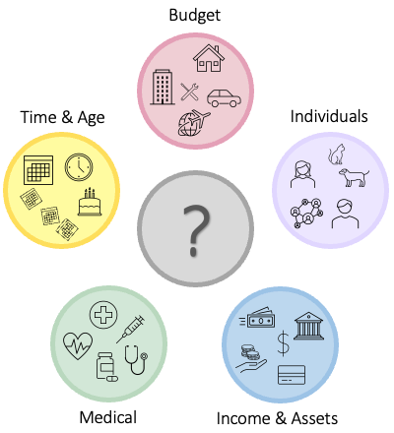
 |  | You've got to plan for retirement?
 |  | Planning for retirement shouldn't be dreaded and avoided. The most often asked question regarding retirement is "will the money last". Retirement Planner software helps to answer that and other questions. Whether you are early or late in the planning process it needs to be done. The statement "failing to plan is planning to fail" is just as applicable to retirement as it is to other aspects of life. This software can be used to create a forty-year retirement plan. Many events and aspects of life will impact the quality of retirement. What the future holds for one in retirement is unknown. Yet, one can be prepared and educated about the challenges and opportunities of retirement. A knowledgeable and sound retirement plan will help now and in the future. Though this software is titled Retirement Planner it can and has been used to assist with making financial decisions for decades before retirement.

 |  | Retirement Planner does not provide any investment strategies or track historical performance of investments. This software is not intended to replace the value of professional financial advice.

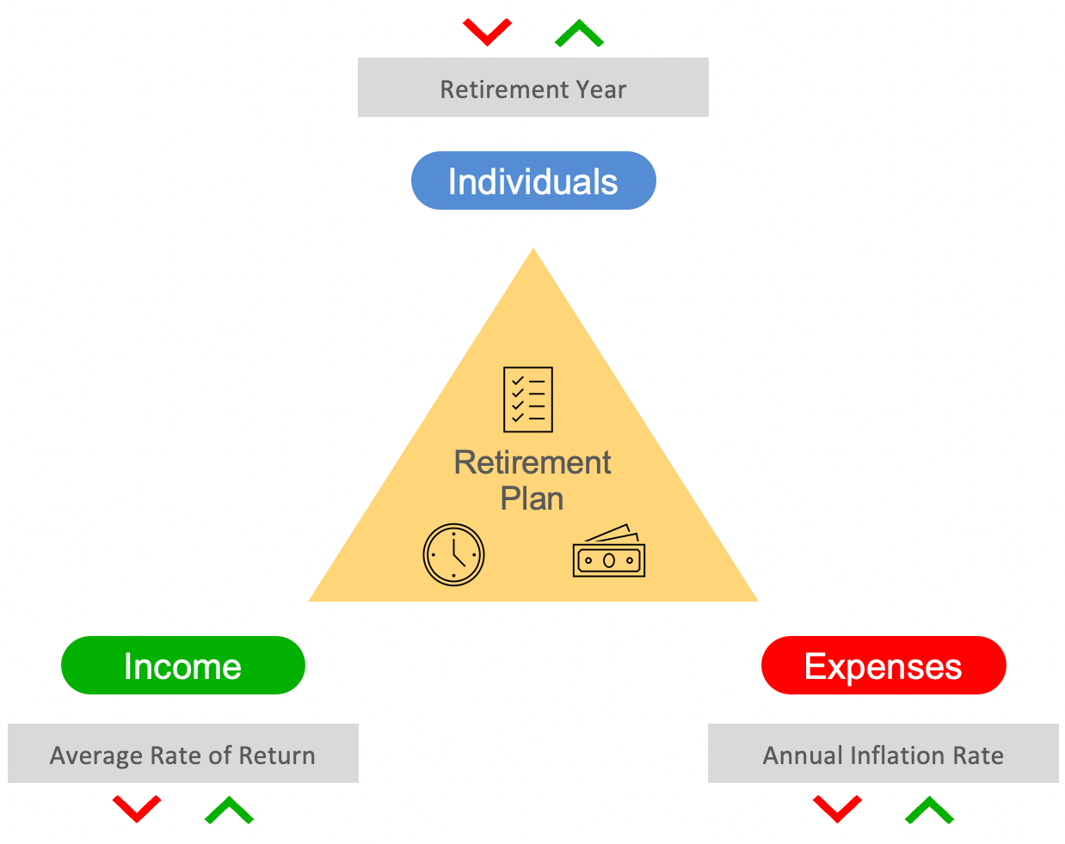
 |  | Plan for the future not the past
 |  | This software is designed to plan for the future and not track the past. The plan is always created with a current or going forward timeframe. When using this software and entering the target retirement year it must either be the current year or a future year. A target retirement start year prior to this year is not supported and cannot be entered. Even if you retired one or more years in the past the software uses the current year as the starting year for planning purposes.
 |  | Points of control

 |  | Retirement Planner provides three points of control and adjustment along with the financial data entered to create a plan. These points of control are 1) Retirement Year, 2) Average Rate of Return, and 3) Annual Inflation Rate. These controls are associated with Individuals, Income, and Expenses. Retirement Planner allows increasing or decreasing these points of control to understand the effects on the retirement plan. In real life some of these factors can be controlled. At other times these factors are out of our control.

 | Next steps

 |  | Go to the Overview tab to access the documentation link and sample data and scenarios. It is recommended to view the documentation web site for information in understanding and using Retirement Planner.

 |  |  | Retirement Planner - Copyright 2017-2022 David A. Weilert Permission is hereby granted, free of charge, to any person obtaining a copy of this software and associated documentation files (the "Software"), to deal in the Software without restriction, including without limitation the rights to use, copy, modify, merge, publish, distribute, sublicense, and/or sell copies of the Software, and to permit persons to whom the Software is furnished to do so, subject to the following conditions: The above copyright notice and this permission notice shall be included in all copies or substantial portions of the Software. THE SOFTWARE IS PROVIDED "AS IS", WITHOUT WARRANTY OF ANY KIND, EXPRESS OR IMPLIED, INCLUDING BUT NOT LIMITED TO THE WARRANTIES OF MERCHANTABILITY, FITNESS FOR A PARTICULAR PURPOSE AND NONINFRINGEMENT. IN NO EVENT SHALL THE AUTHORS OR COPYRIGHT HOLDERS BE LIABLE FOR ANY CLAIM, DAMAGES OR OTHER LIABILITY, WHETHER IN AN ACTION OF CONTRACT, TORT OR OTHERWISE, ARISING FROM, OUT OF OR IN CONNECTION WITH THE SOFTWARE OR THE USE OR OTHER DEALINGS IN THE SOFTWARE. Microsoft Excel (r) is copyrighted by Microsoft (c) and is not freely distributed or included by this notice.

Overview
 | Retirement Planner
Home | Done by DaveW (DbyDW)
 | Version 1.1.3

 | Documentation

 | Detailed information for Retirement Planner is available at the following web site and not provided in this spreadsheet. Clicking the link will open the documentation web site.
Open Retirement Planner documentation web site

 | Learning to use The four following scenarios are provided with sample data that can be loaded by pressing the associated Scenario button. When loading a scenario all existing information will be over-written. The data can be modified as desired to evaluate and experiment with Retirement Planner. By exploring these scenarios and performing adjustments you will gain familiarity with the ability to understand what you might be expected to change in your retirement plan. Click the green scenario button to load the associated data.
Scenario 1
Scenario 2
Scenario 3
Scenario 4
 | Sally & Jon, married in their 50's. Moderate investments, both are working and contribute to 401Ks. They have a mortgage on their home along with two car payments. They are planning to retire in the next 10-15 years. Medical coverage is through employer provided insurance. Notice that by the time retirement is started the expense of house payments and half of the car payments are removed. This is done on the Budget tab using the 'Adjust at Retirement' column. Also note the increase in Med-Insur to cover the Medicare costs. | Molly, single and in her 30's. Molly has a small saving account and just started to contribute to a tax deferred saving. She rents and has a car payment. She has no medical insurance coverage at this time. At retirement she will utilize Medicare to provide medical insurance. Molly lives in a city where there is a 1% city tax on all income. | Aly & Ari, married in their early 70's. They have significant tax deferred savings. Income is from two Social Security benefit checks, two pensions, and rental income. They have no payments on their home or vehicles. They plan to buy a new car in three years. They are planning to keep their home till both pass. Travel monies for life are included as budget items in Misc. Medical insurance is provided through Medicare and supplemental policies. Income is high enough that IRMAA (Income Related Monthly Adjustment Amount) is included in their monthly Med-Insur budget. | Jason, single in his early 60's. Small savings with income from Social Security and disability benefits. He rents and has no vehicle payment. He plans on buying a vehicle in the next two years. The vehicle purchase is handled with a budget adjustment on the Retire tab. Medical needs are met by VA coverage.

 | Review: As currently defined monies for withdrawals will be exhausted in the year 2060. The house has been sold in 2050 and no additional assets are available. Try adjusting the year the house is sold, rate of return, inflation rate, and budget adjustments to extend monies till 2068. | Review: All monies are exhausted before Molly reaches 95 years old. The current Rate of return is 7%. What reduction in monies will happen if the Rate of Return is reduced to 5%? Review the defined City tax. This can be viewed from the Individuals or Income tabs. How much longer will monies be extended if retirement is delayed two years? | Review: Income will last through retirement with no reduction in spending. Required Minimum Distribution (RMD) will occur in multiple years. Be sure to review the details by selecting the 'eye' icon for RMD on the Retire tab. Any monies that remain after paying taxes are reinvested into After Tax balances. | Review: Income exceeds the budget needs for multiple years.

Home
 | Retirement Planner |  |  |  |  |  |  |  |  |  |  |  |  |  | Current Chart: | Investments & Assets
 | Done by DaveW (DbyDW) |  |  |  |  |  |  |  |  |  |  | Press calculator to update financials
 | Version 1.1.3 |  |  |  |  |  | Press buttons to change values
 |  |  |  | Average Rate of Return % |  | 5.00% |  | Annual Inflation Rate % |  | 3.00% |  | Retirement Year |  | 2022
Investments & Assets (To age 100 of youngest individual )
 | Before Tax $ | After Tax $ | House | Property 1
2022 | $2,535,845 | $571,098 | $750,000 | $240,000
2023 | $2,552,482 | $645,751 | $771,000 | $246,000
2024 | $2,569,714 | $774,436 | $792,588 | $252,150
2025 | $2,583,056 | $866,178 | $814,780 | $258,454
2026 | $2,592,502 | $964,392 | $837,594 | $264,915
2027 | $2,597,438 | $1,069,704 | $861,047 | $271,538
2028 | $2,597,291 | $1,182,733 | $885,156 | $278,326
2029 | $2,591,594 | $1,304,095 | $909,941 | $285,285
2030 | $2,580,384 | $1,434,174 | $935,419 | $292,417
2031 | $2,562,853 | $1,573,804 | $961,611 | $299,727
2032 | $2,538,891 | $1,723,507 | $988,536 | $307,220
2033 | $2,507,576 | $1,884,277 | $1,016,215 | $314,901
2034 | $2,468,822 | $2,056,689 | $1,044,669 | $322,773
2035 | $2,422,401 | $2,241,410 | $1,073,920 | $330,843
2036 | $2,367,827 | $2,439,288 | $1,103,989 | $339,114
2037 | $2,305,576 | $2,650,628 | $1,134,901 | $347,592
2038 | $2,234,610 | $2,876,675 | $1,166,678 | $356,281
2039 | $2,155,244 | $3,112,480 | $1,199,345 | $365,188
2040 | $2,067,593 | $3,369,047 | $1,232,927 | $374,318
2041 | $1,971,429 | $3,642,066 | $1,267,449 | $383,676
2042 | $1,866,567 | $3,932,749 | $1,302,937 | $393,268
2043 | $1,754,489 | $4,240,216 | $1,339,420 | $403,100
2044 | $1,635,899 | $4,564,547 | $1,376,923 | $413,177
2045 | $1,512,881 | $4,904,508 | $1,415,477 | $423,507
2046 | $1,384,650 | $5,260,683 | $1,455,111 | $434,094
2047 | $1,253,091 | $5,632,443 | $1,495,854 | $444,947
2048 | $1,119,627 | $6,018,923 | $1,537,738 | $456,070
2049 | $987,299 | $6,417,808 | $1,580,794 | $467,472
2050 | $857,719 | $6,827,871 | $1,625,057 | $479,159
2051 | $731,753 | $7,248,489 | $1,670,558 | $491,138
Individuals

Assets

Income

Budget

Retire

Useful Info

Click above buttons to switch to the tab

Click icon to view chart or report

 |  |  | Investments & Assets |  | Retirement Financials |  | Income |  | Budget |  | Budget Trends |  | House & Rental |  | Checklist Report
 |  |  |  |  |  |  |  |  | Current & Future |  | and Adjustments

 |  | Start year: | Current year |  | Retirement start |  | Current year |  | Current year |  | Retirement start |  | Current year |  | N/A
 |  | End year: | Age 100 |  | Start plus 40 years |  | Start plus 40 years |  | Start plus 40 years |  | Start plus 40 years |  | Start plus 40 years

Individuals
 | Individuals
Return | Enter information for a single individual or a couple.
 |  |  |  |  |  | Todays date | 2022-08-15

 |  | Individual 1 |  |  |  |  | Hoping
 |  | This entry must be used if there is only one individual to be defined. The actual birth date is not required but the year needs to be correct. Example, actual date of birth is October 8, 1954, entry could be 01/01/54. |  |  |  |  | The 'Hopeful retire date' is used to calculate Months and Days till retirement.
 |  | Name | Date-of-birth | Age | Hopeful date |  | Months till retirement | 0
 |  | Aly | 1950-02-07 | 72 | 2020-10-01 |  | Days till retirement | 0

 |  | Individual 2
 |  | Name | Date-of-birth | Age | Hopeful date |  | Months till retirement | 0
 |  | Ari | 1951-06-20 | 71 | 2020-05-01 |  | Days till retirement | 0

 |  | Retirement planning year
 |  | The retirement planning year must be the current year or in the future. This value can be changed at any time to evaluate what year is best for your needs. |  |  |  |  |  | 2022
 |  | Retirement planning year |  |  | 2022 |  | 2022 | 0

Update tax tables
 |  | Income tax
Detail Tax Data |  | The filing status and state are used to locate the appropriate tax rate tables for Federal and State income taxes. If you are subject to County and/or City taxes use the pencil to open TaxRates tab and enter the information as needed.
 |  | Status |  | State
 |  | Married |  | Texas
 |  | MarriedTexas
 |  | Messages
 |  |  |  |  |  |  | Current Settings
 |  |  |  |  |  |  | Status: | Married
 |  |  |  |  |  |  | State: | Texas

Useful Info
 | Useful Information
Return
 |  | Useful information regarding Social Security COLA (Cost of Living Adjustment), CPI (Consumer Price Index), Life Expectancy, Medicare IRMAA (Income Related Monthly Adjustment Amount), RMD (Required Minimum Distribution), and Federal & State tax table is available from this tab.
 |  |  | Clicking the lock on a selected report will toggle the protected status of the report. Unlocking the report allows the report to be modified.


 |  |  | COLA & CPI | Social Security COLA (Cost of Living Adjustment) and CPI (Consumer Price Index)



 |  |  | Life Expectancy | National Vital Statistics Life Expectancy tables

 |  |  | Federal & State tax tables | Federal and State tax tables



 |  |  | Medicare IRMMA | Medicare IRMAA (Income Related Monthly Adjustment Amount)

 |  |  | RMD Tables | RMD (Required Minimum Distribution) tables



 |  |  |  | Calculators (Present Value, Future Value, Mortgage payment, Vehicle payment, Investment Fees, & Rate of Return)



 |  |  |  | Enter notes or information to save

