README
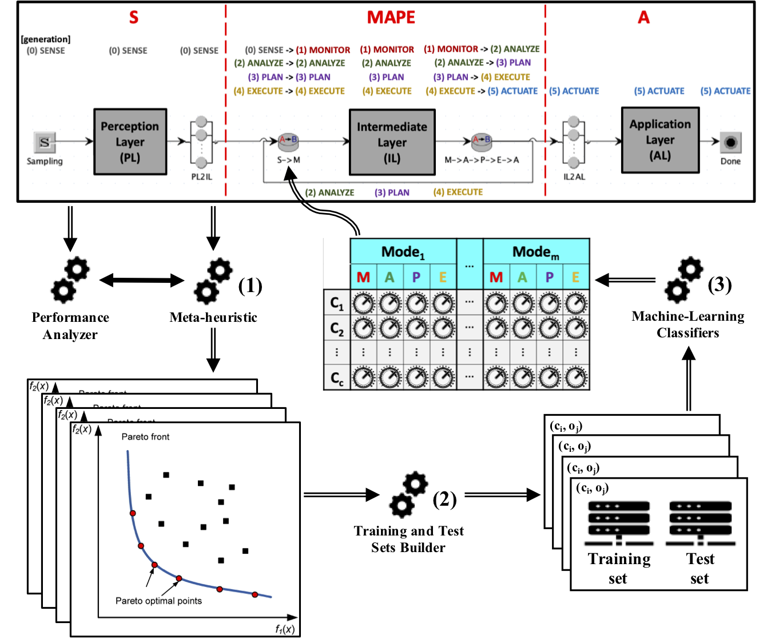
This Excel file supports the experimentation performed in the paper submitted to SoSyM Theme Issue AI-enhanced Model-Driven Engineering
With regards to the proposed approach (illustrated in the picture below - Figure 5 in the paper), the sheets within this Excel file contain what follows.

NSGA-II configurations: | It summarizes the executions of the custom NSGA-II performed in step 1 (Meta-heuristic).
NSGA-II for training sets: | It contains the near-Pareto CSP solutions for building the training sets.
Training sets: | It represents an "all-in-one" report of the training sets obtained through step 2 (Training and Test Sets Builder) - performed manually.
NSGA-II for test sets: | It contains the near-Pareto CSP solutions for building the test sets.
Test sets: | It represents an "all-in-one" report of the predictions returned by step 3 (Machine-Learning Classifiers) and the corresponding test set entries.
Timeout analysis | It contains data and results of the Auto-Weka timeout sensitivity analysis that has been conducted in order to "tune" step 3 (Machine-Learning Classifiers).
Auto-Weka results (2, 30, 5): | It reports the CSP solutions obtained by step 3 (Machine-Learning Classifiers) and the selected classifiers.
Selected classifiers analysis: | It reports statistics concerning the selected classifiers in absolute terms, as well as with respect to system modes, MAPE job classes and control components.
Results summary: | It overviews the four CSP solutions obtained through different techniques (i.e. custom NSGA-II, Auto-Weka and without automated support).

Timeout analysis
Auto-Weka timeouts |  |  | Selected classifier | Average routing probabilities for CriticalPlan towards CloudController
Optimisation timeout (hours) | Training run timeout (mintes) | Attribute selection timeout (minutes) |  | det(0.5) | det(0.75) | det(1) | det(1.25) | det(1.5) | det(1.75) | det(2) | det(2.25) | det(2.5)
1 | 10 | 2 | functions.GaussianProcesses | 0.326 | 0.35075 | 0.35525 | 0.348 | 0.16175 | 0.255166667 | 0.2475 | 0.23425 | 0.28925
1 | 30 | 2 | functions.GaussianProcesses | 0.326 | 0.35075 | 0.35525 | 0.348 | 0.16175 | 0.255166667 | 0.2475 | 0.23425 | 0.28925
2 | 20 | 2 | functions.GaussianProcesses | 0.337 | 0.34025 | 0.34425 | 0.332 | 0.1935 | 0.247833333 | 0.23525 | 0.2435 | 0.28175
2 | 30 | 5 | functions.GaussianProcesses | 0.337 | 0.34025 | 0.34425 | 0.332 | 0.1935 | 0.247833333 | 0.23525 | 0.2435 | 0.28175
4 | 60 | 10 | functions.GaussianProcesses | 0.337 | 0.33675 | 0.34275 | 0.3295 | 0.201 | 0.247166667 | 0.232625 | 0.24425 | 0.27975
8 | 60 | 10 | functions.GaussianProcesses | 0.337 | 0.34025 | 0.34425 | 0.332 | 0.1935 | 0.247833333 | 0.23525 | 0.2435 | 0.28175
12 | 60 | 10 | functions.GaussianProcesses | 0.337 | 0.3425 | 0.34525 | 0.334 | 0.18825 | 0.2485 | 0.237 | 0.24325 | 0.28275
30 | <- Total execution time |  |  | 2.4693877551E-05 | 2.6012755102E-05 | 2.5602040816E-05 | 5.4357142857E-05 | 0.00022342857143 | 1.110204215E-05 | 3.290625E-05 | 1.7923469388E-05 | 1.2785714286E-05 | <- Variances
 |  |  |  | 0.337 | 0.34025 | 0.34425 | 0.332 | 0.1935 | 0.247833333 | 0.23525 | 0.2435 | 0.28175 | <- Median values

Average routing probabilities for CriticalPlan towards CloudController

Results summary
 |  | Routing Probabilities (*100) |  |  |  |  |  |  |  |  |  |  |  |  |  |  |  |  |  |  |  |  |  |  |  |  | Mean RT (s)
 |  | Normal |  |  |  |  |  |  |  |  |  |  |  | Critical |  |  |  |  |  |  |  |  |  |  |  |  | Normal | Critical
CSP | det(x) | Monitor |  |  | Analyze |  |  | Plan |  |  | Execute |  |  | Monitor |  |  | Analyze |  |  | Plan |  |  | Execute |  |  |  | Actuate | Actuate
 |  | Central | Peer | Cloud | Central | Peer | Cloud | Central | Peer | Cloud | Central | Peer | Cloud | Central | Peer | Cloud | Central | Peer | Cloud | Central | Peer | Cloud | Central | Peer | Cloud
Reference configuration | det(2.5) | 0.5 | 0.5 | 0 | 0.5 | 0.5 | 0 | 0.5 | 0.5 | 0 | 0.5 | 0.5 | 0 | 0.5 | 0.5 | 0 | 0.5 | 0.5 | 0 | 0.5 | 0.5 | 0 | 0.5 | 0.5 | 0 |  | 0.4313 | 3.6488
 | det(2.25) | 0.5 | 0.5 | 0 | 0.5 | 0.5 | 0 | 0.5 | 0.5 | 0 | 0.5 | 0.5 | 0 | 0.5 | 0.5 | 0 | 0.5 | 0.5 | 0 | 0.5 | 0.5 | 0 | 0.5 | 0.5 | 0 |  | 0.4884 | 3.7257
 | det(2) | 0.5 | 0.5 | 0 | 0.5 | 0.5 | 0 | 0.5 | 0.5 | 0 | 0.5 | 0.5 | 0 | 0.5 | 0.5 | 0 | 0.5 | 0.5 | 0 | 0.5 | 0.5 | 0 | 0.5 | 0.5 | 0 |  | 0.5242 | 3.7195
 | det(1.75) | 0.5 | 0.5 | 0 | 0.5 | 0.5 | 0 | 0.5 | 0.5 | 0 | 0.5 | 0.5 | 0 | 0.5 | 0.5 | 0 | 0.5 | 0.5 | 0 | 0.5 | 0.5 | 0 | 0.5 | 0.5 | 0 |  | 0.7149 | 3.9295
 | det(1.5) | 0.5 | 0.5 | 0 | 0.5 | 0.5 | 0 | 0.5 | 0.5 | 0 | 0.5 | 0.5 | 0 | 0.5 | 0.5 | 0 | 0.5 | 0.5 | 0 | 0.5 | 0.5 | 0 | 0.5 | 0.5 | 0 |  | 0.9215 | 4.1554
 | det(1.25) | 0.5 | 0.5 | 0 | 0.5 | 0.5 | 0 | 0.5 | 0.5 | 0 | 0.5 | 0.5 | 0 | 0.5 | 0.5 | 0 | 0.5 | 0.5 | 0 | 0.5 | 0.5 | 0 | 0.5 | 0.5 | 0 |  | 1.2977 | 4.5673
 | det(1) | 0.5 | 0.5 | 0 | 0.5 | 0.5 | 0 | 0.5 | 0.5 | 0 | 0.5 | 0.5 | 0 | 0.5 | 0.5 | 0 | 0.5 | 0.5 | 0 | 0.5 | 0.5 | 0 | 0.5 | 0.5 | 0 |  | 2.204 | 5.4959
 | det(0.75) | 0.3333 | 0.3333 | 0.3334 | 0.3333 | 0.3333 | 0.3334 | 0.3333 | 0.3333 | 0.3334 | 0.3333 | 0.3333 | 0.3334 | 0.3333 | 0.3333 | 0.3334 | 0.3333 | 0.3333 | 0.3334 | 0.3333 | 0.3333 | 0.3334 | 0.3333 | 0.3333 | 0.3334 |  | 4.0206 | 7.2027
 | det(0.5) | 0.3333 | 0.3333 | 0.3334 | 0.3333 | 0.3333 | 0.3334 | 0.3333 | 0.3333 | 0.3334 | 0.3333 | 0.3333 | 0.3334 | 0.3333 | 0.3333 | 0.3334 | 0.3333 | 0.3333 | 0.3334 | 0.3333 | 0.3333 | 0.3334 | 0.3333 | 0.3333 | 0.3334 |  | 8.1585 | 11.4902
RL.N | det(2.5) | 0.9620 | 0.0083 | 0.0297 | 0.9434 | 0.0488 | 0.0079 | 0.9020 | 0.0794 | 0.0186 | 0.9831 | 0.0138 | 0.0031 | 0.2980 | 0.3613 | 0.3407 | 0.7690 | 0.0230 | 0.2080 | 0.0755 | 0.4587 | 0.4657 | 0.5709 | 0.3725 | 0.0566 | S.90.720.4 | 0.4023 | 4.8567
 | det(2.25) | 0.9620 | 0.0083 | 0.0297 | 0.9434 | 0.0488 | 0.0079 | 0.9020 | 0.0794 | 0.0186 | 0.9831 | 0.0138 | 0.0031 | 0.2980 | 0.3613 | 0.3407 | 0.7690 | 0.0230 | 0.2080 | 0.0755 | 0.4587 | 0.4657 | 0.5709 | 0.3725 | 0.0566 | S.90.720.4 | 0.4078 | 4.8757
 | det(2) | 0.8938 | 0.0790 | 0.0272 | 0.9434 | 0.0488 | 0.0079 | 0.9020 | 0.0794 | 0.0186 | 0.9831 | 0.0138 | 0.0031 | 0.2980 | 0.3613 | 0.3407 | 0.7690 | 0.0230 | 0.2080 | 0.0755 | 0.4587 | 0.4657 | 0.5709 | 0.3725 | 0.0566 | S.90.720.2 | 0.4207 | 4.9734
 | det(1.75) | 0.9620 | 0.0083 | 0.0297 | 0.9434 | 0.0488 | 0.0079 | 0.9020 | 0.0794 | 0.0186 | 0.9831 | 0.0138 | 0.0031 | 0.2980 | 0.3613 | 0.3407 | 0.7690 | 0.0230 | 0.2080 | 0.0755 | 0.4587 | 0.4657 | 0.5709 | 0.3725 | 0.0566 | S.90.720.4 | 0.4505 | 5.0303
 | det(1.5) | 0.8938 | 0.0790 | 0.0272 | 0.9434 | 0.0488 | 0.0079 | 0.9020 | 0.0794 | 0.0186 | 0.9831 | 0.0138 | 0.0031 | 0.2980 | 0.3613 | 0.3407 | 0.7690 | 0.0230 | 0.2080 | 0.0755 | 0.4587 | 0.4657 | 0.5709 | 0.3725 | 0.0566 | S.90.720.2 | 0.4794 | 5.2932
 | det(1.25) | 0.9620 | 0.0083 | 0.0297 | 0.9434 | 0.0488 | 0.0079 | 0.9020 | 0.0794 | 0.0186 | 0.9831 | 0.0138 | 0.0031 | 0.2980 | 0.3613 | 0.3407 | 0.7690 | 0.0230 | 0.2080 | 0.0755 | 0.4587 | 0.4657 | 0.5709 | 0.3725 | 0.0566 | S.90.720.4 | 0.5172 | 5.5169
 | det(1) | 0.9620 | 0.0083 | 0.0297 | 0.9434 | 0.0488 | 0.0079 | 0.9020 | 0.0794 | 0.0186 | 0.9831 | 0.0138 | 0.0031 | 0.2980 | 0.3613 | 0.3407 | 0.7690 | 0.0230 | 0.2080 | 0.0755 | 0.4587 | 0.4657 | 0.5709 | 0.3725 | 0.0566 | S.90.720.4 | 0.6032 | 5.8484
 | det(0.75) | 0.9620 | 0.0083 | 0.0297 | 0.9434 | 0.0488 | 0.0079 | 0.9020 | 0.0794 | 0.0186 | 0.9831 | 0.0138 | 0.0031 | 0.2980 | 0.3613 | 0.3407 | 0.7690 | 0.0230 | 0.2080 | 0.0755 | 0.4587 | 0.4657 | 0.5709 | 0.3725 | 0.0566 | S.90.720.4 | 0.7842 | 7.212
 | det(0.5) | 0.9620 | 0.0083 | 0.0297 | 0.9434 | 0.0488 | 0.0079 | 0.9020 | 0.0794 | 0.0186 | 0.9831 | 0.0138 | 0.0031 | 0.2980 | 0.3613 | 0.3407 | 0.7690 | 0.0230 | 0.2080 | 0.0755 | 0.4587 | 0.4657 | 0.5709 | 0.3725 | 0.0566 | S.90.720.4 | 2.0951 | 19.8348
RL.C | det(2.5) | 0.7693 | 0.2168 | 0.0139 | 0.2216 | 0.0678 | 0.7106 | 0.0562 | 0.1383 | 0.8056 | 0.1128 | 0.2182 | 0.6691 | 0.8818 | 0.0950 | 0.0232 | 0.6118 | 0.3787 | 0.0095 | 0.9204 | 0.0681 | 0.0115 | 0.9702 | 0.0259 | 0.0039 | S.30.360.1 | 2.7122 | 3.7042
 | det(2.25) | 0.9391 | 0.0494 | 0.0115 | 0.2216 | 0.0678 | 0.7106 | 0.0562 | 0.1383 | 0.8056 | 0.1128 | 0.2182 | 0.6691 | 0.8818 | 0.0950 | 0.0232 | 0.6118 | 0.3787 | 0.0095 | 0.9204 | 0.0681 | 0.0115 | 0.9702 | 0.0259 | 0.0039 | S.30.360.2 | 2.7686 | 3.7954
 | det(2) | 0.4338 | 0.1250 | 0.4412 | 0.9867 | 0.0010 | 0.0123 | 0.5914 | 0.0336 | 0.3750 | 0.7931 | 0.1083 | 0.0986 | 0.7897 | 0.1664 | 0.0439 | 0.8741 | 0.0745 | 0.0514 | 0.6820 | 0.3082 | 0.0099 | 0.8933 | 0.0987 | 0.0081 | S.90.720.3 | 1.5536 | 3.8516
 | det(1.75) | 0.7693 | 0.2168 | 0.0139 | 0.2216 | 0.0678 | 0.7106 | 0.0562 | 0.1383 | 0.8056 | 0.1128 | 0.2182 | 0.6691 | 0.8818 | 0.0950 | 0.0232 | 0.6118 | 0.3787 | 0.0095 | 0.9204 | 0.0681 | 0.0115 | 0.9702 | 0.0259 | 0.0039 | S.30.360.1 | 2.9309 | 4.0096
 | det(1.5) | 0.6594 | 0.2331 | 0.1075 | 0.6320 | 0.1680 | 0.2000 | 0.5537 | 0.3862 | 0.0601 | 0.6964 | 0.2654 | 0.0382 | 0.9173 | 0.0336 | 0.0491 | 0.3484 | 0.0203 | 0.6313 | 0.2521 | 0.6173 | 0.1305 | 0.9648 | 0.0231 | 0.0121 | S.10.100.27 | 1.186 | 4.152
 | det(1.25) | 0.9337 | 0.0403 | 0.0260 | 0.6077 | 0.3460 | 0.0463 | 0.9810 | 0.0087 | 0.0103 | 0.8919 | 0.1040 | 0.0041 | 0.9133 | 0.0711 | 0.0157 | 0.8708 | 0.1112 | 0.0180 | 0.3148 | 0.3052 | 0.3799 | 0.9997 | 0.0001 | 0.0002 | S.180.1080.2 | 0.7384 | 4.3786
 | det(1) | 0.9337 | 0.0403 | 0.0260 | 0.6077 | 0.3460 | 0.0463 | 0.7630 | 0.1822 | 0.0548 | 0.8919 | 0.1040 | 0.0041 | 0.9133 | 0.0711 | 0.0157 | 0.8708 | 0.1112 | 0.0180 | 0.3148 | 0.3052 | 0.3799 | 0.9997 | 0.0001 | 0.0002 | S.180.1080.1 | 1.0999 | 4.6176
 | det(0.75) | 0.9337 | 0.0403 | 0.0260 | 0.6077 | 0.3460 | 0.0463 | 0.9810 | 0.0087 | 0.0103 | 0.8919 | 0.1040 | 0.0041 | 0.9133 | 0.0711 | 0.0157 | 0.8708 | 0.1112 | 0.0180 | 0.3148 | 0.3052 | 0.3799 | 0.9997 | 0.0001 | 0.0002 | S.180.1080.2 | 1.5177 | 5.3877
 | det(0.5) | 0.9337 | 0.0403 | 0.0260 | 0.6077 | 0.3460 | 0.0463 | 0.7630 | 0.1822 | 0.0548 | 0.8919 | 0.1040 | 0.0041 | 0.9133 | 0.0711 | 0.0157 | 0.8708 | 0.1112 | 0.0180 | 0.3148 | 0.3052 | 0.3799 | 0.9997 | 0.0001 | 0.0002 | S.180.1080.1 | 4.1561 | 8.3869
RLML [2,30,5] | det(2.5) | 0.7462 | 0.1801 | 0.0738 | 0.6029 | 0.3384 | 0.0587 | 0.7835 | 0.1737 | 0.0428 | 0.8065 | 0.1223 | 0.0712 | 0.7605 | 0.1463 | 0.0932 | 0.7054 | 0.2205 | 0.0741 | 0.2559 | 0.4507 | 0.2934 | 0.4908 | 0.3607 | 0.1485 |  | 0.6431 | 4.3324
 | det(2.25) | 0.7389 | 0.1541 | 0.1070 | 0.6056 | 0.3203 | 0.0740 | 0.7774 | 0.1847 | 0.0378 | 0.7490 | 0.1726 | 0.0784 | 0.7268 | 0.1900 | 0.0833 | 0.7131 | 0.2003 | 0.0866 | 0.2341 | 0.5017 | 0.2642 | 0.5007 | 0.3354 | 0.1639 |  | 0.7414 | 4.2754
 | det(2) | 0.6938 | 0.1777 | 0.1285 | 0.5770 | 0.3299 | 0.0931 | 0.7866 | 0.1597 | 0.0537 | 0.6719 | 0.2175 | 0.1106 | 0.7123 | 0.2285 | 0.0593 | 0.7411 | 0.1869 | 0.0720 | 0.2934 | 0.4374 | 0.2693 | 0.5656 | 0.3166 | 0.1178 |  | 0.879 | 4.2857
 | det(1.75) | 0.6152 | 0.2188 | 0.1661 | 0.5723 | 0.2361 | 0.1916 | 0.6163 | 0.2005 | 0.1831 | 0.5586 | 0.1800 | 0.2614 | 0.6032 | 0.2641 | 0.1327 | 0.6476 | 0.2657 | 0.0868 | 0.3465 | 0.3992 | 0.2543 | 0.4833 | 0.2760 | 0.2407 |  | 1.4441 | 4.7623
 | det(1.5) | 0.7278 | 0.1279 | 0.1443 | 0.6025 | 0.2962 | 0.1014 | 0.7783 | 0.1818 | 0.0399 | 0.5900 | 0.3033 | 0.1067 | 0.7710 | 0.1951 | 0.0339 | 0.7699 | 0.1929 | 0.0373 | 0.4011 | 0.4129 | 0.1861 | 0.6249 | 0.3225 | 0.0526 |  | 1.0969 | 4.3559
 | det(1.25) | 0.6520 | 0.1997 | 0.1483 | 0.5857 | 0.3033 | 0.1110 | 0.7451 | 0.2201 | 0.0348 | 0.6683 | 0.1769 | 0.1548 | 0.7949 | 0.1597 | 0.0455 | 0.7485 | 0.1998 | 0.0517 | 0.3040 | 0.3520 | 0.3440 | 0.5704 | 0.3742 | 0.0554 |  | 1.2748 | 4.6674
 | det(1) | 0.7055 | 0.1306 | 0.1639 | 0.5944 | 0.2604 | 0.1452 | 0.6403 | 0.2738 | 0.0859 | 0.6278 | 0.2049 | 0.1673 | 0.7257 | 0.2104 | 0.0639 | 0.7244 | 0.2118 | 0.0637 | 0.2787 | 0.3612 | 0.3601 | 0.5862 | 0.3349 | 0.0789 |  | 1.7739 | 5.0083
 | det(0.75) | 0.6067 | 0.1687 | 0.2245 | 0.5639 | 0.2208 | 0.2153 | 0.4580 | 0.2307 | 0.3113 | 0.5463 | 0.2535 | 0.2002 | 0.6513 | 0.1512 | 0.1975 | 0.6440 | 0.2481 | 0.1079 | 0.3430 | 0.3159 | 0.3411 | 0.4004 | 0.3458 | 0.2538 |  | 3.3848 | 6.5412
 | det(0.5) | 0.6336 | 0.2483 | 0.1180 | 0.5717 | 0.2207 | 0.2076 | 0.4619 | 0.1668 | 0.3712 | 0.4524 | 0.3533 | 0.1943 | 0.5220 | 0.2533 | 0.2247 | 0.6341 | 0.1981 | 0.1678 | 0.3460 | 0.3250 | 0.3290 | 0.3807 | 0.3359 | 0.2834 |  | 7.1263 | 10.5303
 |  |  |  |  |  |  |  |  |  |  |  |  |  |  |  |  |  |  |  |  |  |  |  |  |  | Solutions obtained through Reinforcement Learning are denoted as: S.ps.ne.ID where: - ps is the population size; - ne is the number of evaluations; - ID is the identifier for the solution (see the corresponding sheets).

Routing probabilities for NormalMonitor towards CentralController
Routing probabilities for NormalMonitor towards PeerController
Routing probabilities for NormalMonitor towards CloudController
NormalActuate

Routing probabilities for NormalAnalyze towards CentralController
Routing probabilities for NormalAnalyze towards PeerController
Routing probabilities for NormalAnalyze towards CloudController

CriticalActuate

Routing probabilities for NormalPlan towards CentralController
Routing probabilities for NormalPlan towards PeerController
Routing probabilities for NormalPlan towards CloudController

Routing probabilities for NormalExecute towards CentralController
Routing probabilities for NormalExecute towards PeerController
Routing probabilities for NormalExecute towards CloudController

Routing probabilities for CriticalMonitor towards CentralController
Routing probabilities for CriticalMonitor towards PeerController
Routing probabilities for CriticalMonitor towards CloudController

Routing probabilities for CriticalAnalyze towards CentralController
Routing probabilities for CriticalAnalyze towards PeerController
Routing probabilities for CriticalAnalyze towards CloudController

Routing probabilities for CriticalPlan towards CentralController
Routing probabilities for CriticalPlan towards PeerController
Routing probabilities for CriticalPlan towards CloudController

Routing probabilities for CriticalExecute towards CentralController
Routing probabilities for CriticalExecute towards PeerController
Routing probabilities for CriticalExecute towards CloudController

