Questions
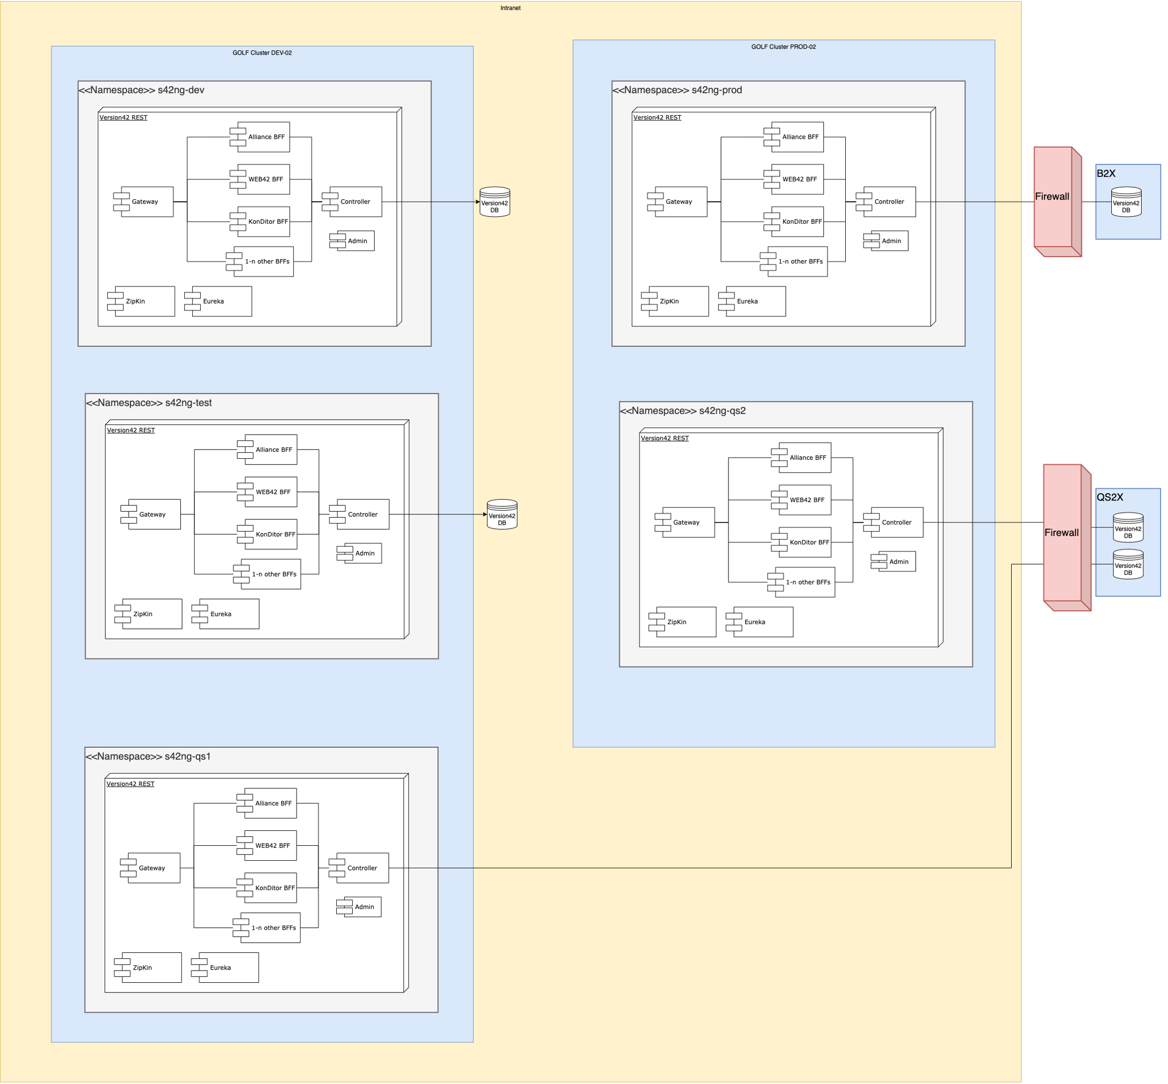
Application Questionnaire |  | Version: 3.4
In order to understand important aspects of your application, please be so kind and provide us details on the following questions.

All information about the onboarding process for GOLF Platform you find on: | [Onboarding Process]

Name of your application | s42ng_v42_rest | We will use that name to track your request
Contact | christian.bernhold@volkswagen.de | Name and E-Mail address of responsible VW person
SC3 Group (Incident/Request Fulfillment) | e2e_AMS Support VW Group version42 Advanced Support VW Group | Service Center group for contact via SC3
SC3 Change Manager Group | e2e IND_A Change Manager VW Group system42 Change Manager VW Group | Service Center Change Manager Group to involve/inform you about upcoming changes
SC3 Configuration Item & Risk Class | SYSTEM42 - VERSION42 (P-11);SYSTEM42 - VERSION42 (QI-11);SYSTEM42 - VERSION42 (Q-11);SYSTEM42 - VERSION42 (T-11) | Please fill in the CI in Service Center of your application including the risk class
Cost Center |  | One of the three is mandantory, for billing
Business Service | BS-198
TSV

Desired network zone | Intranet | E.g. Intranet, B2X-APPZ, …
Is your application already build for Container technology? If yes, has it been build for plain containers (docker/podman) or has it already been develped for usage with OpenShift or Kubernetes? | Yes, built for Openshift and Kubernetes | Description / List
What technology and Middleware (e.g. Java, JavaEE, Python, Node.js, etc.) is your application using? | Java/Springboot Backends plus React & Angular web frontends | Description / List
How many application components (different container images) do you plan to deploy? Do you have an ArchitectureOverview available which outlines component interactions and system context? | we start with 7 different Images, but we expect more. | Description / List
OpenShift/Kubernetes uses 'namespaces' (projects) to separate application tenants. Do you need multiple namespaces from an organisatorical point of view for your application? | Not for the application namespaces but of course for DevOps services and possible staging-instance; actually default is used. | Description / List

Which and how many stages (e.g. Dev, Test, Production) do you need for your application on OpenShift? | Plan for 5 Stage dev, test, qs1, qs2 and prod | See also "Sizing" tab for detailed information
How many users (developers, application operations, etc.) will need to access the different stages? | tbd | Description / List

Which external dependencies exist for the application? | Version42 Database | Description / List
What communication protocols are being used for accessing the application? HTTP/HTTPS only, or any other? | HTTP/HTTPS | Description / List
Connection/Interaction with other system in Volkswagen? | yes | yes / no
- please specify which component and which network zone | version42 | list of systems
Connection/Interaction with other component running on OpenShift? | yes, but all from our own. | yes / no
- please specify which component | i.e. eureka server, from us | list of components

Do you already use DevStack (e.g. Bitbucket, Artifactory)? | no | yes / no
- please specify which instances (intranet / b2x) |  | list
In case the application has already been prepared for OpenShift/Kubernetes, which deployment approach do you take (e.g. Manifests (DeploymentConfig), Helm Charts, K8S Operators)? | Manifests and Helm Charts | Description / List
Is there a CI-CD process in place which deploys the application? | yes | yes / no
Is the CI-CD process based upon a Jenkins (or other tool)? Do you plan to extend the CI-CD to interact witih OpenShift? | Based on Bamboo | Description / List
In case no automated deployment (by CI-CD) is in place, do you have all required deployment artefacts (Container Image, OpenShift/Kubernetes Manifest files such as Deployment Config, Service and Route Config, ConfigMaps, etc.) available? | Yes, all manifests and charts are checked into CI/CD repository | Description / List

Please fill the 'Sizing' Tab as well. Thank you.

